Sheet1
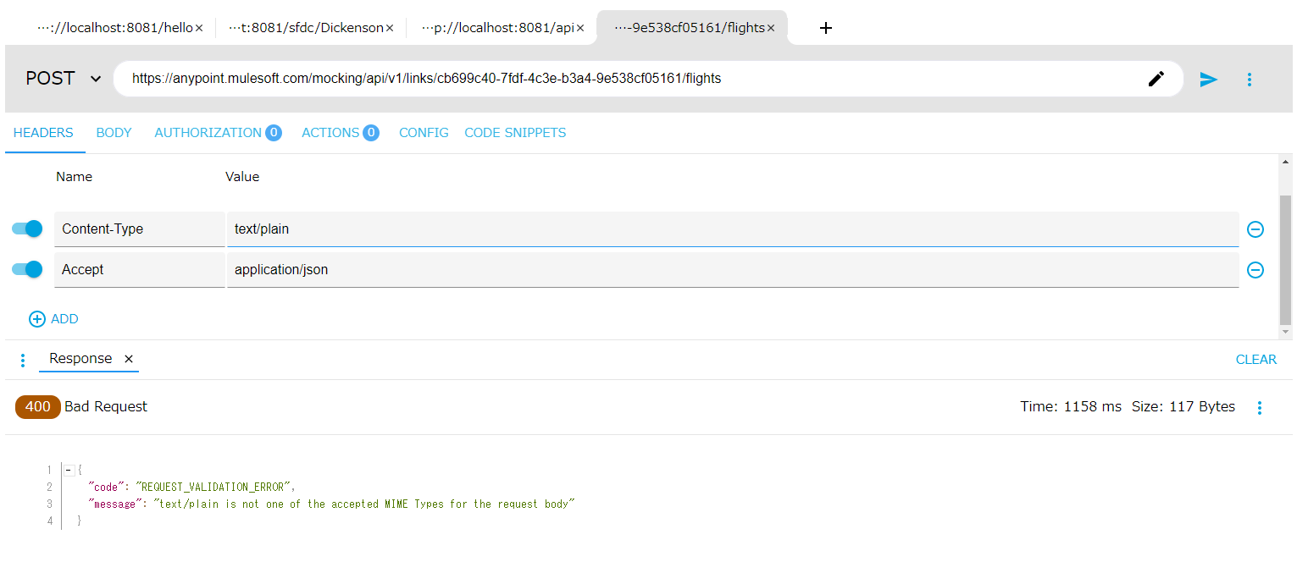
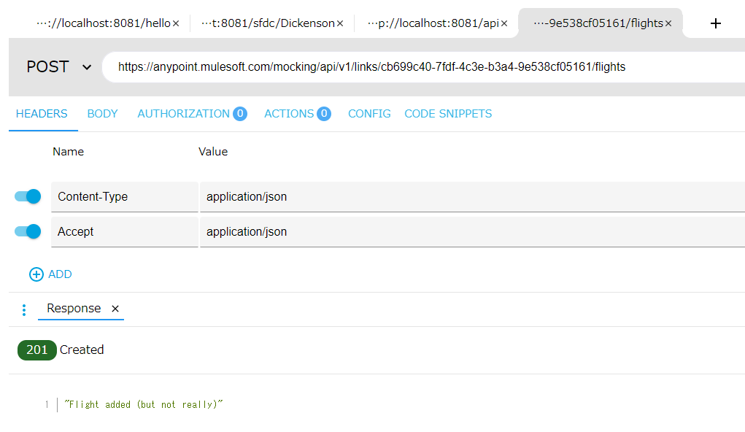
前提 | API: | 3-1 のAPI
 | URL | https://anypoint.mulesoft.com/mocking/api/v1/links/cb699c40-7fdf-4c3e-b3a4-9e538cf05161/flights
 | HEAD | Name | Value
 |  | Accept | application/json
 | Body | {
 |  | "code": "ER38sd",
 |  | "price": 400,
 |  | "departureDate": "2017/07/26",
 |  | "origin": "CLE",
 |  | "destination": "SFO",
 |  | "emptySeats": 0,
 |  | "plane": {
 |  | "type": "Boeing 737",
 |  | "totalSeats": 150
 |  | }
 |  | }
問題再現 | HEAD | Name | Value | Solution | HEAD | Name | Value
 |  | Content-Type | text/plain |  |  | Content-Type | application/json

