Sheet1
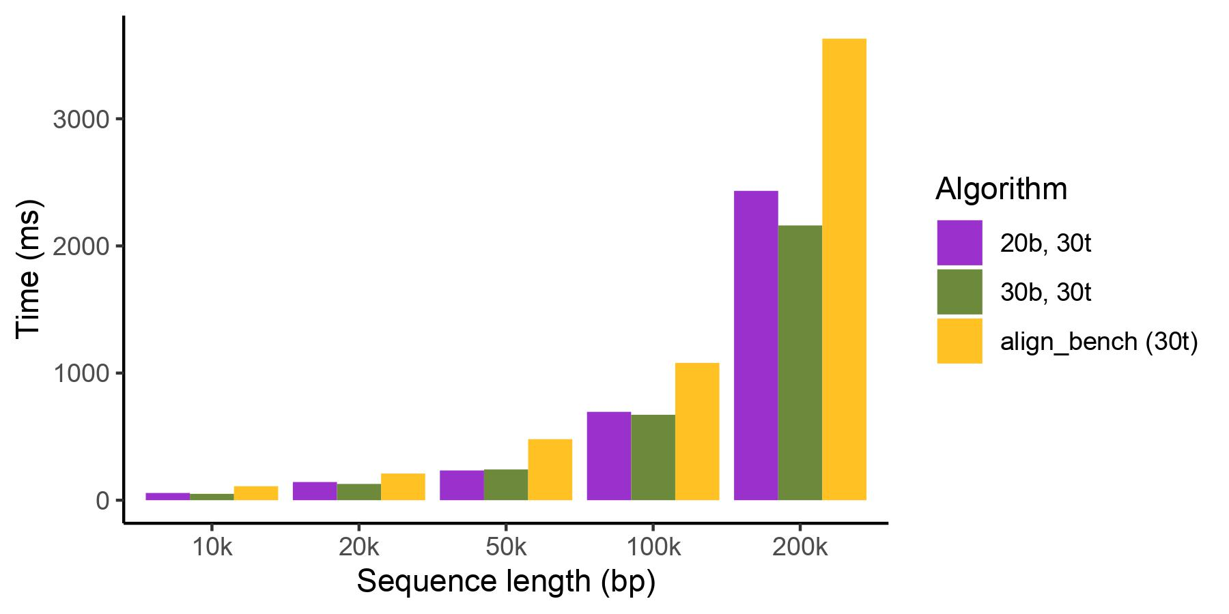
Sequence Length | 10k | 20k | 50k | 100k | 200k
TSTA | 182 | 485 | 2229 | 7038 | 28710
align_bench_seq | 1926 | 3460 | 20859 | 81761 | 615582
align_bench_par(30t) | 1075 | 3439 | 20573 | 83568 | 600287
align_bench_wave(30t) | 288 | 285 | 639 | 1329 | 3896
bsalign(no band) | 179 | 345 | 1974 | 7828 | 40351

