Sheet1
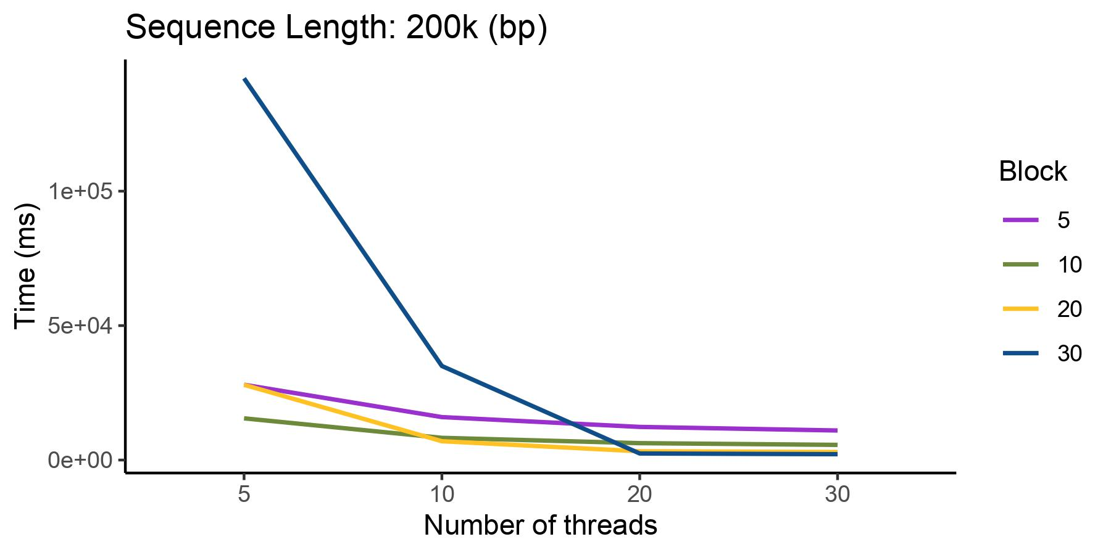
psa-200k
Number of threads/Block | 5 | 10 | 20 | 30 | T
5 | 83711 | 50966 | 39698 | 137665
10 | 62688 | 40031 | 27988 | 26979
20 | 52719 | 33940 | 25670 | 24366
30 | 50282 | 33989 | 26535 | 26506
B

 |  | 5 | 10 | 20 | 30
 | 5 | 83711 | 50966 | 39698 | 137665
 | 10 | 62688 | 40031 | 27988 | 26979
 | 20 | 52719 | 33940 | 25670 | 24366
 | 30 | 50282 | 33989 | 26535 | 26506

