Sheet1
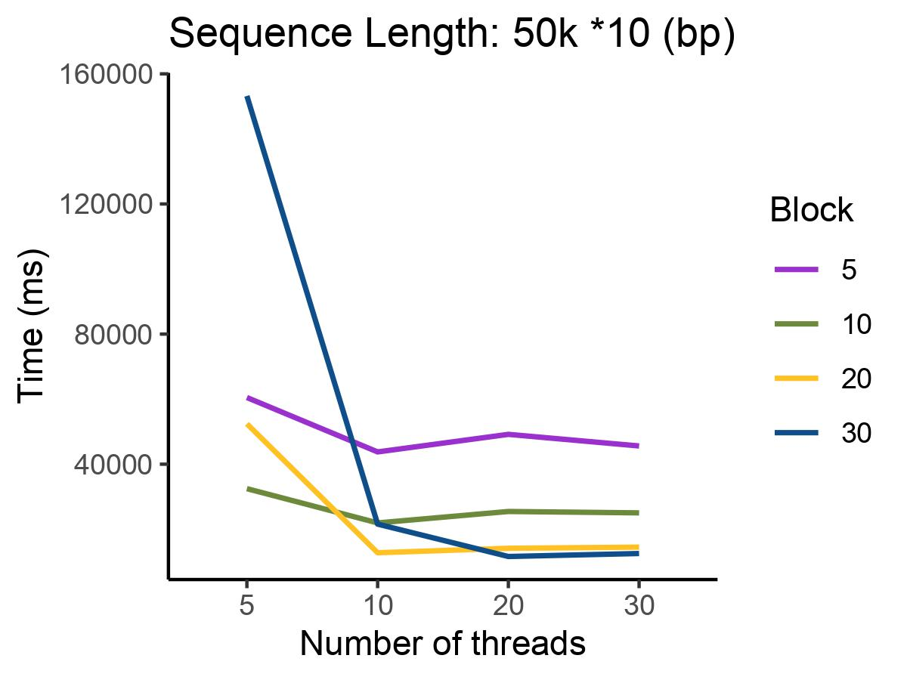
msa50K*10
Number of threads/Block | 5 | 10 | 20 | 30 | T
5 | 139876 | 77509 | 55230 | 134990
10 | 118108 | 74718 | 48525 | 40711
20 | 104353 | 69680 | 42346 | 37195
30 | 89922 | 64724 | 37376 | 33173
B

