Sheet1
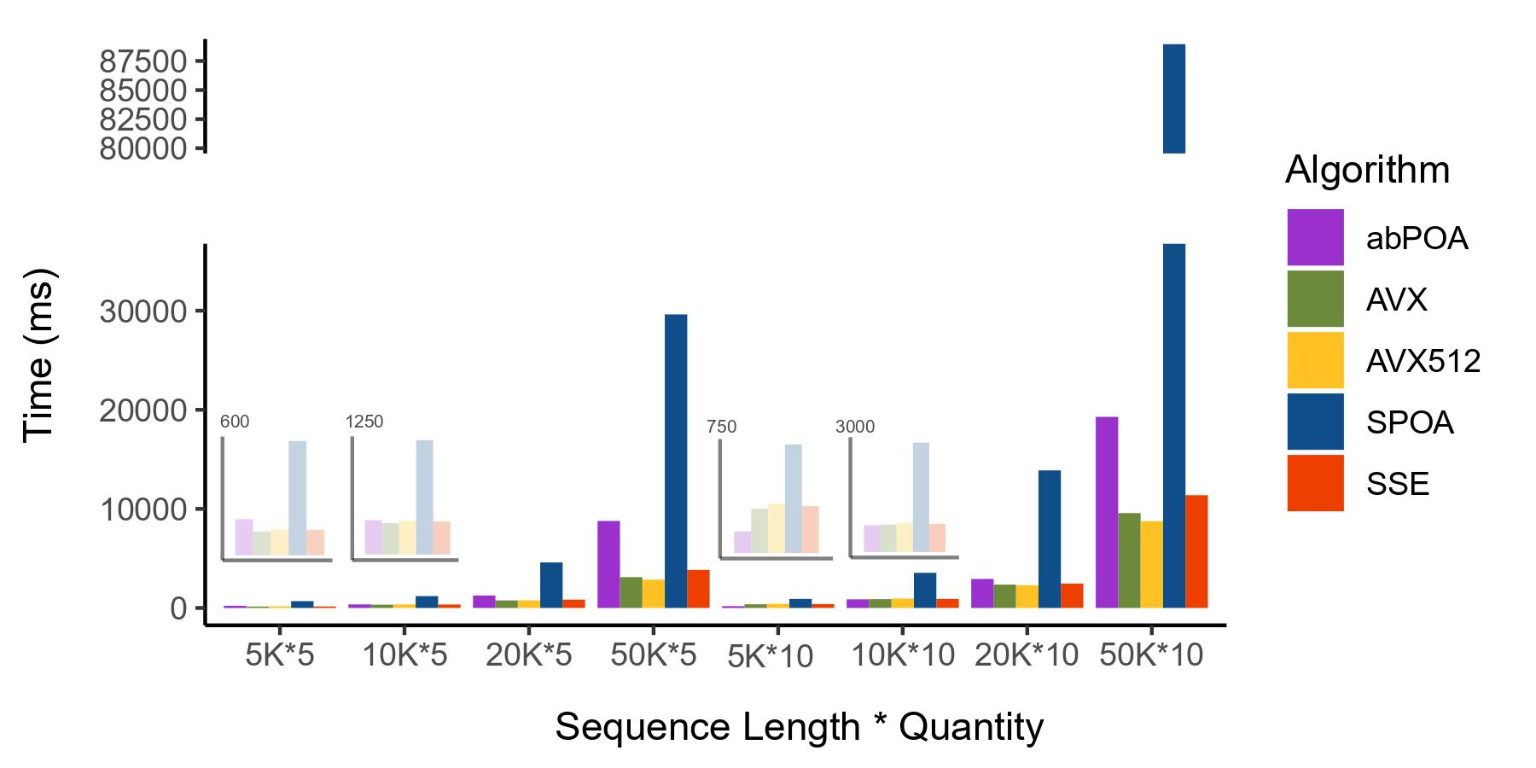
Sequence Length | 5K*5 | 10K*5 | 20K*5 | 50K*5 | 5K*10 | 10K*10 | 20K*10 | 50K*10
TSTA | 433 | 989 | 3305 | 12667 | 1146 | 3160 | 8484 | 36157
SPOA | 636 | 2319 | 10194 | 62513 | 1582 | 7057 | 30022 | 184442
abPOA | 251 | 1466 | 5747 | 0 | 467 | 3074 | 12137 | 0
bsalign(no band) | 311 | 890 | 3139 | 19453 | 917 | 3070 | 11259 | 50394

