qMES
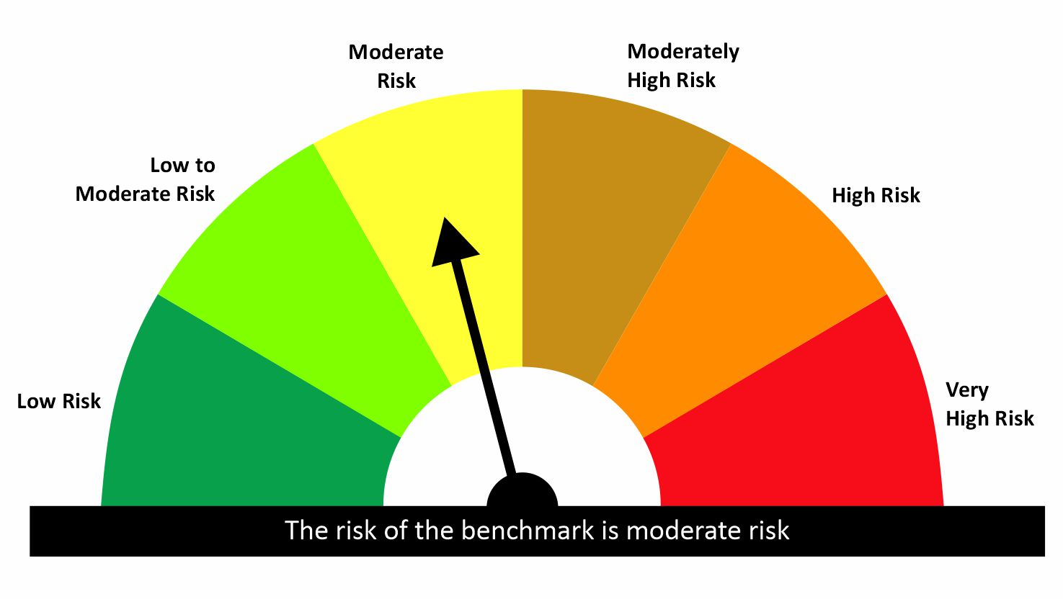
 |  | quant Mutual Fund
 |  | quant Equity Savings Fund
 |  | An open ended scheme investing in equity, arbitrage and debt
 |  | MONTHLY PORTFOLIO STATEMENT AS ON 31 Aug 2026

SR | ISIN | NAME OF THE INSTRUMENT |  | INDUSTRY | QUANTITY | MARKET VALUE(Rs.in Lakhs) | % to NAV | YTM | Hedged Quantity | Hedged % to NAV
 |  | EQUITY & EQUITY RELATED
 |  | (a) Listed / awaiting listing on Stock Exchanges
1 | INE121J01017 | Indus Towers Limited |  | Telecom - Services | 125559 | 488.17 | 8.21 | - | -124100 | -8.06
2 | INE202B01038 | Piramal Finance Ltd |  | Finance | 21939 | 462.91 | 7.79 | -
3 | IN000000GTBL | Gujarat Themis Biosyn Ltd -QIP |  | Pharmaceuticals & Biotechnology | 118644 | 420 | 7.07 | -
4 | INE663F01032 | Info Edge (India) Ltd |  | Retailing | 24100 | 316.43 | 5.32 | -
5 | INE002A01018 | Reliance Industries Limited |  | Petroleum Products | 21672 | 276.75 | 4.66 | - | -21500 | -4.71
6 | INE880J01026 | JSW Infrastructure Limited |  | Transport Infrastructure | 72799 | 247.52 | 4.16 | -
7 | INE296A01032 | Bajaj Finance Limited |  | Finance | 22500 | 237.83 | 4.00 | - | -22500 | -4.05
8 | INE0J1Y01017 | Life Insurance Corporation Of India |  | Insurance | 52371 | 218.91 | 3.68 | -
9 | INE758T01015 | Eternal Limited |  | Retailing | 65475 | 214.82 | 3.61 | - | -65475 | -3.56
10 | INE061F01013 | Fortis Healthcare Ltd |  | Healthcare Services | 21700 | 196.8 | 3.31 | - | -21700 | -3.34
11 | INE545U01014 | Bandhan Bank Ltd. |  | Banks | 118800 | 194.24 | 3.27 | - | -118800 | -3.31
12 | INE397D01024 | Bharti Airtel Limited |  | Telecom - Services | 9500 | 172.13 | 2.90 | - | -9500 | -3.00
13 | INE303R01014 | Kalyan Jewellers India Limited |  | Consumer Durables | 28350 | 170.38 | 2.87 | - | -28350 | -2.93
14 | INE020B01018 | Rural Electrification Corporation Ltd |  | Finance | 50400 | 162.94 | 2.74 | - | -50400 | -2.67
15 | INE775A01035 | Samvardhana Motherson International Ltd |  | Auto Components | 79950 | 136.46 | 2.30 | - | -79950 | -2.25
16 | INE009A01021 | Infosys Limited |  | IT - Software | 8400 | 95.24 | 1.60 | - | -8400 | -1.60
17 | INE476A01022 | Canara Bank |  | Banks | 74250 | 94.22 | 1.59 | - | -74250 | -1.58
18 | INE584A01023 | NMDC Ltd |  | Minerals & Mining | 101250 | 89.3 | 1.50 | - | -101250 | -1.47
19 | INE935A01035 | Glenmark Pharmaceuticals Ltd |  | Pharmaceuticals & Biotechnology | 2491 | 61.78 | 1.04 | -
 |  | Sub Total |  |  |  | 4256.84 | 71.61

 |  | (b) Unlisted
 |  | Sub Total

 |  | (c) REIT
 |  | Sub Total
 |  | Total |  |  |  | 4256.84 | 71.61

 |  | DERIVATIVES
 |  | (a) Index / Stock Futures
20 | SBIN290926 | State Bank of India 29/09/2026 |  | Banks | 15000 | 158 | 2.66 | -
 |  | Sub Total |  |  |  | -2370.25 | -39.87

 |  | (b) Index / Stock Options
 |  | Sub Total

 |  | Exchange Traded Commodity Derivatives
 |  | (c) Commodity Futures
 |  | Sub Total

 |  | (d) Commodity Option
 |  | Sub Total
 |  | Total |  |  |  | -2370.25 | -39.87

 |  | DEBT INSTRUMENTS
 |  | (a) Listed / awaited listed on Stock Exchanges
 |  | Sub Total

 |  | (b) Unlisted / Privately Placed
 |  | Sub Total

 |  | (c) Securitised Debt Instruments
 |  | Sub Total
 |  | Total

 |  | MONEY MARKET INSTRUMENTS
 |  | a) Commercial Paper
 |  | Sub Total

 |  | b) CD-Certificate of Deposits
 |  | Sub Total

 |  | c) Treasury Bills
 |  | Sub Total

 |  | d) Units of an Alternative Investment Fund (AIF)
 |  | Sub Total
 |  | Total
 |  | FIXED DEPOSITS
 |  | Total

 |  | OTHERS
 |  | (a) Mutual Fund Unit
21 | INF966L01820 | Quant Liquid Fund-Growth -Direct Plan |  | N.A. | 1278901.26 | 580.52 | 9.77 | -
 |  | Sub Total |  |  |  | 580.52 | 9.77

 |  | (b) Units of Infrastructure Investment Trust
 |  | Sub Total

 |  | (c) Tri Party Repo (TREPs)
22 | INCBLO010926 | TREPS 01-Sep-2026 DEPO 10 |  | N.A. | 9363.9 | 936.39 | 15.75 | 5.73
 |  | Sub Total |  |  |  | 936.39 | 15.75

 |  | (d) Other Receivables (Payables)
23 |  | NCA-NET CURRENT ASSETS |  | N.A. |  | 170.52 | 2.87
 |  | Sub Total |  |  |  | 170.52 | 2.87
 |  | Total |  |  |  | 1687.43 | 28.39
 |  | Grand Total |  |  |  | 5944.27 | 100

 | Disclosure for investment in derivative instruments:
 | Hedging Positions through Futures as on 31/08/2026
 | Underlying | Long / Short | Future Price when Purchased | Current price of the contract | Margin maintained in Rs.Lakhs
 | Bajaj Finance Limited 29/09/2026 | Short | 1105.07 | 1070.70 | Refer Note 11
 | Bandhan Bank Ltd. 29/09/2026 | Short | 175.13 | 165.64
 | Bharti Airtel Limited 29/09/2026 | Short | 1953.30 | 1874.70
 | Canara Bank 29/09/2026 | Short | 131.28 | 126.85
 | Eternal Limited 29/09/2026 | Short | 328.53 | 323.20
 | Fortis Healthcare Ltd 29/09/2026 | Short | 919.84 | 916.20
 | Indus Towers Limited 29/09/2026 | Short | 382.06 | 385.90
 | Infosys Limited 29/09/2026 | Short | 1147.16 | 1135.50
 | Kalyan Jewellers India Limited 29/09/2026 | Short | 602.53 | 614.00
 | Samvardhana Motherson International Ltd 29/09/2026 | Short | 171.54 | 167.33
 | NMDC Ltd 29/09/2026 | Short | 84.61 | 86.41
 | Rural Electrification Corporation Ltd 29/09/2026 | Short | 325.95 | 314.45
 | Reliance Industries Limited 29/09/2026 | Short | 1310.72 | 1301.10
 | Total %age of existing assets hedged through futures |  | 42.53

 | For the period ended 31/08/2026 the following details are specified for hedging transactions through futures which have been squared off/expired
 | Total Number of contracts where futures were bought |  | 235
 | Total Number of contracts where futures were sold |  | 372
 | Gross Notional Value of contracts where futures were bought |  | 174639782
 | Gross Notional Value of contracts where futures were sold |  | 260695965.11
 | Net Profit/Loss value on all contracts combined |  | 86056183.11

 | Other than Hedging Positions through Futures as on 31/08/2026
 | Underlying | Long / Short | Future Price when Purchased | Current price of the contract | Margin maintained in Rs.Lakhs
 | State Bank of India 29/09/2026 | Long | 1049.68 | 1053.3 | Refer Note 11
 | Total Exposure due to futures (non hedging positions) as a %age of net assets |  | 2.66

 | For the period ended 31/08/2026 the following details are specified for non hedging transactions through futures which have been squared off/expired
 | Total number of contracts where futures were bought |  | 40
 | Total number of contracts where futures were sold (carry forward) |  | 20
 | Gross Notional value of contracts where future were bought |  | 32096550
 | Gross Notional Value of contracts where futures were sold |  | 15650700
 | Net Profit/Loss value on all contracts combined |  | -16445850

 | Hedging Positions through Put Options as on 31/08/2026
 | Underlying | Number of contracts | Option Price when purchased | Current option price
 | NIL | NIL | - | - | -
 | Total %age of existing assets hedged through put options |  | NIL

 | For the period ended 31/08/2026 the following details are specified for hedging transactions through options which have been exercised/expired
 | Total number of contracts entered into |  | NIL
 | Gross Notional value of contracts |  | NIL
 | Net Profit/Loss Value on all contracts (treat premium paid as loss) |  | NIL

 | Other than Hedging Positions through Options as on 31/08/2026
 | Underlying | Call/Put | Number of contracts | Option Price when purchased | Current option price
 | NIL | NIL | - | - | -
 | Total Exposure through options as a %age of net assets |  | NIL

 | For the period ended 31/08/2026 the following details are specified with regard to non-hedging transactions through options which have already been exercised/expired :
 | Total number of contracts entered into |  | NIL
 | Gross Notional value of contracts |  | NIL
 | Net Profit/Loss Value on all contracts (treat premium paid as loss) |  | NIL

 |  | Notes :-

 | 1 | NAV History
 |  | SCHEME | NAV as on 31 Aug 2026 | NAV as on 31 Jul 2026
 |  | Quant Equity Savings Fund - Direct Growth | 10.9167 | 10.8341
 |  | Quant Equity Savings Fund - Direct IDCW | 10.8851 | 10.8058
 |  | Quant Equity Savings Fund - Regular Growth | 10.7111 | 10.6457
 |  | Quant Equity Savings Fund - Regular IDCW | 10.7106 | 10.6453

 | 2 | Total Below investment grade or default provided for is NIL.
 | 3 | Dividend declared during the period is NIL
 | 4 | Bonus declared during the period is NIL
 | 5 | Total outstanding exposure in derivatives instruments as on 31-Aug-2026 is -39.87%
 | 6 | Total Investments in foreign securities/ADRs / GDRs as on 31-Aug-2026 is NIL
 | 7 | The annual Portfolio Turnover Ratio is 10.63 times / The Average Maturity period is 1 Days
 | 8 | The funds parked in short term deposit(s) as on 31-Aug-2026 were NIL
 | 9 | Total value and percentage of Illiquid Equity Shares is Nil
 | 10 | Total Repo in Corporate Debt is Nil
 | 11 | Margin maintained for derivative instruments is Rs. 446.79 Lakhs

 | Risk-o-meter of the Scheme



 | Risk-o-meter of the Benchmark- NIFTY Equity Savings Index

qMHC
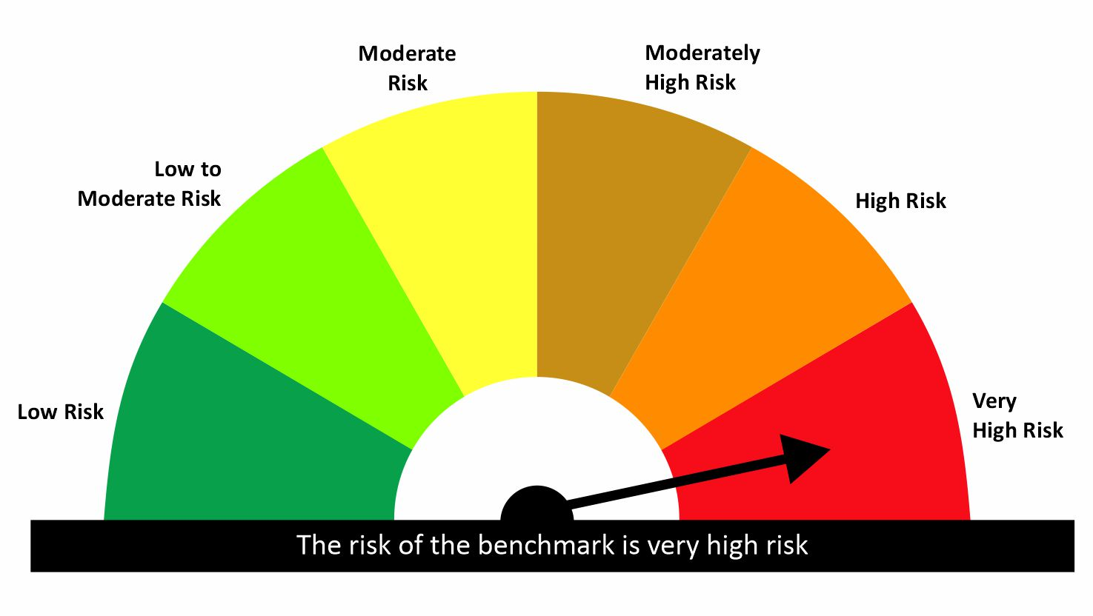
 |  | quant Mutual Fund
 |  | quant Healthcare Fund
 |  | An open ended equity scheme investing in Healthcare sector
 |  | MONTHLY PORTFOLIO STATEMENT AS ON 31 Aug 2026

SR | ISIN | NAME OF THE INSTRUMENT | RATING | INDUSTRY | QUANTITY | MARKET VALUE(Rs.in Lakhs) | % to NAV | YTM
 |  | EQUITY & EQUITY RELATED
 |  | (a) Listed / awaiting listing on Stock Exchanges
1 | INE159A01016 | Glaxosmithkline Pharmaceuticals Ltd | N.A. | Pharmaceuticals & Biotechnology | 148558 | 4531.17 | 10.58 | -
2 | INE010B01027 | Zydus Lifesciences Limited | N.A. | Pharmaceuticals & Biotechnology | 342900 | 3982.1 | 9.30 | -
3 | INE182A01018 | Pfizer Ltd | N.A. | Pharmaceuticals & Biotechnology | 80707 | 3780.64 | 8.83 | -
4 | INE03Q201024 | Alivus Life Sciences | N.A. | Pharmaceuticals & Biotechnology | 246298 | 3462.21 | 8.08 | -
5 | INE338H01029 | Concord Biotech Limited | N.A. | Pharmaceuticals & Biotechnology | 208326 | 3012.6 | 7.03 | -
6 | INE812G01025 | SMS Pharmaceuticals Limited | N.A. | Pharmaceuticals & Biotechnology | 772728 | 2873.39 | 6.71 | -
7 | INE571A01038 | IPCA Laboratories Ltd | N.A. | Pharmaceuticals & Biotechnology | 134835 | 2662.86 | 6.22 | -
8 | INE768C01028 | Zydus Wellness Ltd | N.A. | Food Products | 455818 | 2417.66 | 5.64 | -
9 | INE406A01037 | Aurobindo Pharma Limited | N.A. | Pharmaceuticals & Biotechnology | 129172 | 2217.88 | 5.18 | -
10 | INE939A01011 | Strides Pharma Science Ltd | N.A. | Pharmaceuticals & Biotechnology | 102255 | 1048.11 | 2.45 | -
11 | INE258G01013 | Sumitomo Chemical India Limited | N.A. | Fertilizers & Agrochemicals | 25514 | 132.02 | 0.31 | -
 |  | Sub Total |  |  |  | 30120.64 | 70.33

 |  | (b) Unlisted
 |  | Sub Total

 |  | (c) REIT
 |  | Sub Total
 |  | Total |  |  |  | 30120.64 | 70.33

 |  | DERIVATIVES
 |  | (a) Index / Stock Futures
12 | GLENMARK290926 | Glenmark Pharmaceuticals Ltd 29/09/2026 | N.A. | Pharmaceuticals & Biotechnology | 168000 | 4209.07 | 9.83 | -
13 | DIVISLAB290926 | Divi's Laboratories Limited 29/09/2026 | N.A. | Pharmaceuticals & Biotechnology | 43800 | 4052.38 | 9.46 | -
14 | TORNTPHARM290926 | Torrent Pharmaceuticals Ltd 29/09/2026 | N.A. | Pharmaceuticals & Biotechnology | 68125 | 3368.78 | 7.87 | -
15 | AUROPHARMA290926 | Aurobindo Pharma Limited 29/09/2026 | N.A. | Pharmaceuticals & Biotechnology | 37950 | 642.27 | 1.50 | -
 |  | Sub Total |  |  |  | 12272.5 | 28.65

 |  | (b) Index / Stock Options
 |  | Sub Total

 |  | Exchange Traded Commodity Derivatives
 |  | (c) Commodity Futures
 |  | Sub Total

 |  | (d) Commodity Option
 |  | Sub Total
 |  | Total |  |  |  | 12272.5 | 28.65

 |  | DEBT INSTRUMENTS
 |  | (a) Listed / awaited listed on Stock Exchanges
 |  | Sub Total

 |  | (b) Unlisted / Privately Placed
 |  | Sub Total

 |  | (c) Securitised Debt Instruments
 |  | Sub Total
 |  | Total

 |  | MONEY MARKET INSTRUMENTS
 |  | a) Commercial Paper
 |  | Sub Total

 |  | b) CD-Certificate of Deposits
 |  | Sub Total

 |  | c) Treasury Bills
16 | IN002026X099 | 91 Days Treasury Bill 03-Sep-2026 | SOV | N.A. | 300000 | 299.91 | 0.70 | 5.20
17 | IN002026X107 | 91 Days Treasury Bill 10-Sep-2026 | SOV | N.A. | 300000 | 299.62 | 0.70 | 5.18
18 | IN002026X115 | 91 Days Treasury Bill 17-Sep-2026 | SOV | N.A. | 300000 | 299.34 | 0.70 | 5.00
19 | IN002026X156 | 91 Days Treasury Bill 15-Oct-2026 | SOV | N.A. | 300000 | 298.16 | 0.70 | 5.11
20 | IN002026X164 | 91 Days Treasury Bill 22-Oct-2026 | SOV | N.A. | 300000 | 297.88 | 0.70 | 5.10
21 | IN002026X180 | 91 Days Treasury Bill 05-Nov-2026 | SOV | N.A. | 300000 | 297.22 | 0.69 | 5.25
22 | IN002026X206 | 91 Days Treasury Bill 19-Nov-2026 | SOV | N.A. | 300000 | 296.62 | 0.69 | 5.26
23 | IN002026X214 | 91 Days Treasury Bill 27-Nov-2026 | SOV | N.A. | 300000 | 296.28 | 0.69 | 5.27
 |  | Sub Total |  |  |  | 2385.04 | 5.57

 |  | d) Units of an Alternative Investment Fund (AIF)
 |  | Sub Total
 |  | Total |  |  |  | 2385.04 | 5.57
 |  | FIXED DEPOSITS
 |  | Total

 |  | OTHERS
 |  | (a) Mutual Fund Unit
 |  | Sub Total

 |  | (b) Units of Infrastructure Investment Trust
 |  | Sub Total

 |  | (c) Tri Party Repo (TREPs)
24 | INCBLO010926 | TREPS 01-Sep-2026 DEPO 10 | N.A. | N.A. | 97043.9 | 9704.39 | 22.66 | 5.73
 |  | Sub Total |  |  |  | 9704.39 | 22.66

 |  | (d) Other Receivables (Payables)
25 |  | NCA-NET CURRENT ASSETS | N.A. | N.A. |  | -11653.05 | -27.21
 |  | Sub Total |  |  |  | -11653.05 | -27.21
 |  | Total |  |  |  | -1948.66 | -4.55
 |  | Grand Total |  |  |  | 42829.52 | 100

 | Disclosure for investment in derivative instruments:
 | Hedging Positions through Futures as on 31/08/2026
 | Underlying | Long / Short | Future Price when Purchased | Current price of the contract | Margin maintained in Rs.Lakhs
 | NIL | NIL | - | - | -
 | Total %age of existing assets hedged through futures |  | NIL

 | For the period ended 31/08/2026 the following details are specified for hedging transactions through futures which have been squared off/expired
 | Total Number of contracts where futures were bought |  | NIL
 | Total Number of contracts where futures were sold |  | NIL
 | Gross Notional Value of contracts where futures were bought |  | NIL
 | Gross Notional Value of contracts where futures were sold |  | NIL
 | Net Profit/Loss value on all contracts combined |  | NIL

 | Other than Hedging Positions through Futures as on 31/08/2026
 | Underlying | Long / Short | Future Price when Purchased | Current price of the contract | Margin maintained in Rs.Lakhs
 | Aurobindo Pharma Limited 29/09/2026 | Long | 1663.68 | 1692.40 | Refer Note 11
 | Divi's Laboratories Limited 29/09/2026 | Long | 8843.02 | 9252.00 | Refer Note 11
 | Glenmark Pharmaceuticals Ltd 29/09/2026 | Long | 2321.40 | 2505.40 | Refer Note 11
 | Torrent Pharmaceuticals Ltd 29/09/2026 | Long | 5052.99 | 4945.00 | Refer Note 11
 | Total Exposure due to futures (non hedging positions) as a %age of net assets |  | 28.65

 | For the period ended 31/08/2026 the following details are specified for non hedging transactions through futures which have been squared off/expired
 | Total number of contracts where futures were bought |  | 2140
 | Total number of contracts where futures were sold (carry forward) |  | 1182
 | Gross Notional value of contracts where future were bought |  | 1795317285.4
 | Gross Notional Value of contracts where futures were sold |  | 1001917720.5
 | Net Profit/Loss value on all contracts combined |  | -793399564.87

 | Hedging Positions through Put Options as on 31/08/2026
 | Underlying | Number of contracts | Option Price when purchased | Current option price
 | NIL | NIL | - | - | -
 | Total %age of existing assets hedged through put options |  | NIL

 | For the period ended 31/08/2026 the following details are specified for hedging transactions through options which have been exercised/expired
 | Total number of contracts entered into |  | NIL
 | Gross Notional value of contracts |  | NIL
 | Net Profit/Loss Value on all contracts (treat premium paid as loss) |  | NIL

 | Other than Hedging Positions through Options as on 31/08/2026
 | Underlying | Call/Put | Number of contracts | Option Price when purchased | Current option price
 | NIL | NIL | - | - | -
 | Total Exposure through options as a %age of net assets |  | NIL

 | For the period ended 31/08/2026 the following details are specified with regard to non-hedging transactions through options which have already been exercised/expired :
 | Total number of contracts entered into |  | NIL
 | Gross Notional value of contracts |  | NIL
 | Net Profit/Loss Value on all contracts (treat premium paid as loss) |  | NIL

 |  | Notes :-

 | 1 | NAV History
 |  | SCHEME | NAV as on 31 Aug 2026 | NAV as on 31 Jul 2026
 |  | Quant Healthcare Fund- Direct Growth | 19.4176 | 18.3299
 |  | Quant Healthcare Fund- Direct IDCW | 19.4156 | 18.3281
 |  | Quant Healthcare Fund- Regular Growth | 18.452 | 17.4426
 |  | Quant Healthcare Fund- Regular IDCW | 18.4511 | 17.4417

 | 2 | Total Below investment grade or default provided for is NIL.
 | 3 | Dividend declared during the period is NIL
 | 4 | Bonus declared during the period is NIL
 | 5 | Total outstanding exposure in derivatives instruments as on 31-Aug-2026 is 28.65%
 | 6 | Total Investments in foreign securities/ADRs / GDRs as on 31-Aug-2026 is NIL
 | 7 | The annual Portfolio Turnover Ratio is 4.75 times / The Average Maturity period is 0 Days
 | 8 | The funds parked in short term deposit(s) as on 31-Aug-2026 were NIL
 | 9 | Total value and percentage of Illiquid Equity Shares is Nil
 | 10 | Total Repo in Corporate Debt is Nil
 | 11 | Margin maintained for derivative instruments is Rs. 2908.76 Lakhs

 | Risk-o-meter of the Scheme



 | Risk-o-meter of the Benchmark- NIFTY HEALTHCARE INDEX TRI

qMON
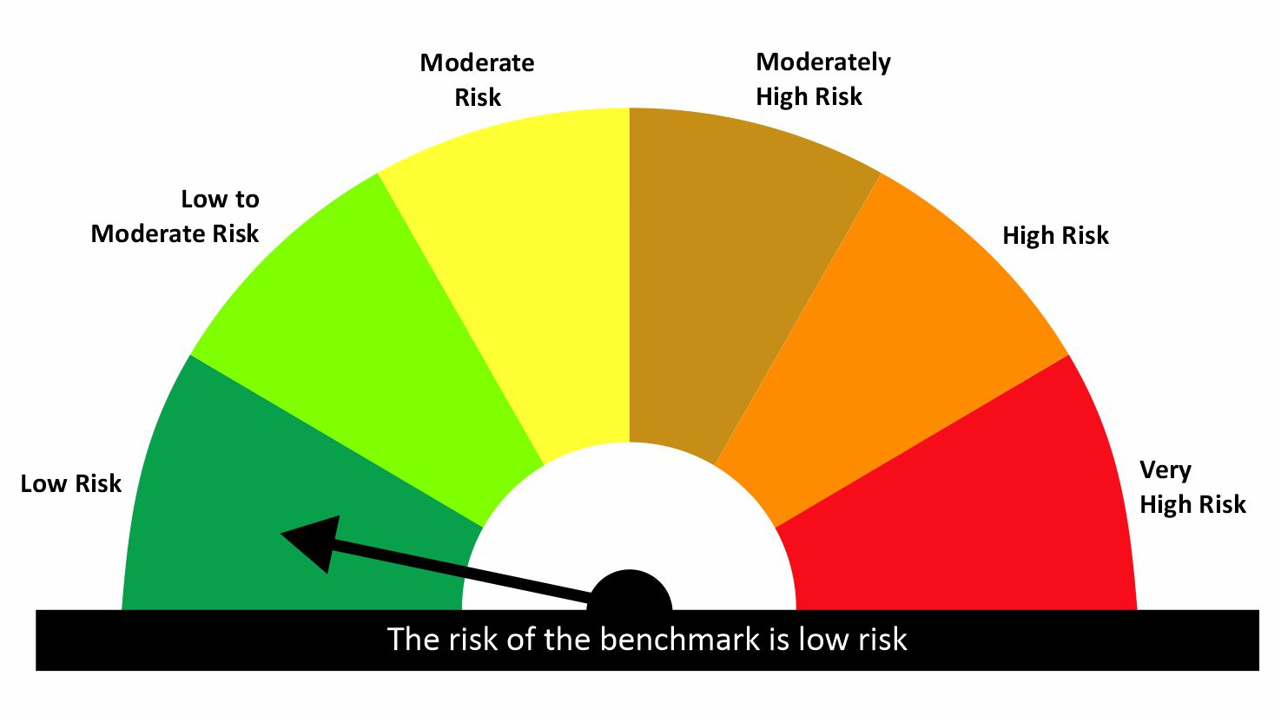

 |  | quant Mutual Fund
 |  | quant Overnight Fund
 |  | An open ended Debt Scheme investing in Overnight securities – Relatively Low interest rate risk and Relatively Low Credit Risk
 |  | MONTHLY PORTFOLIO STATEMENT AS ON 31 Aug 2026

SR | ISIN | NAME OF THE INSTRUMENT | RATING | INDUSTRY | QUANTITY | MARKET VALUE(Rs.in Lakhs) | % to NAV | YTM
 |  | EQUITY & EQUITY RELATED
 |  | (a) Listed / awaiting listing on Stock Exchanges
 |  | Sub Total

 |  | (b) Unlisted
 |  | Sub Total

 |  | (c) REIT
 |  | Sub Total
 |  | Total

 |  | DERIVATIVES
 |  | (a) Index / Stock Futures
 |  | Sub Total

 |  | (b) Index / Stock Options
 |  | Sub Total

 |  | Exchange Traded Commodity Derivatives
 |  | (c) Commodity Futures
 |  | Sub Total

 |  | (d) Commodity Option
 |  | Sub Total
 |  | Total

 |  | DEBT INSTRUMENTS
 |  | (a) Listed / awaited listed on Stock Exchanges
 |  | Sub Total

 |  | (b) Unlisted / Privately Placed
 |  | Sub Total

 |  | (c) Securitised Debt Instruments
 |  | Sub Total
 |  | Total

 |  | MONEY MARKET INSTRUMENTS
 |  | a) Commercial Paper
 |  | Sub Total

 |  | b) CD-Certificate of Deposits
 |  | Sub Total

 |  | c) Treasury Bills
 |  | Sub Total

 |  | d) Units of an Alternative Investment Fund (AIF)
 |  | Sub Total
 |  | Total
 |  | FIXED DEPOSITS
 |  | Total

 |  | OTHERS
 |  | (a) Mutual Fund Unit
 |  | Sub Total

 |  | (b) Units of Infrastructure Investment Trust
 |  | Sub Total

 |  | (c) Tri Party Repo (TREPs)
1 | INCBLO010926 | TREPS 01-Sep-2026 DEPO 10 | N.A. | N.A. | 57451.4 | 5745.14 | 98.92 | 5.73
 |  | Sub Total |  |  |  | 5745.14 | 98.92

 |  | (d) Other Receivables (Payables)
2 |  | NCA-NET CURRENT ASSETS | N.A. | N.A. |  | 62.56 | 1.08
 |  | Sub Total |  |  |  | 62.56 | 1.08
 |  | Total |  |  |  | 5807.7 | 100.00
 |  | Grand Total |  |  |  | 5807.7 | 100

 |  | Notes :-

 | 1 | NAV History
 |  | SCHEME | NAV as on 31 Aug 2026 | NAV as on 31 Jul 2026
 |  | quant Overnight Fund - Regular IDCW | 12.5085 | 12.4585
 |  | quant Overnight Fund - Regular Growth | 12.52 | 12.47
 |  | quant Overnight Fund - Direct IDCW | 12.572 | 12.5211
 |  | quant Overnight Fund - Direct Growth | 12.5669 | 12.5159

 | 2 | Dividend History - Dividend declared during the month ended 31-Aug-2026 is NIL

 | 3 | Total Below investment grade or default provided for is NIL.
 | 4 | Bonus declared during the period is NIL
 | 5 | Total outstanding exposure in derivatives instruments as on 31-Aug-2026 is NIL
 | 6 | Total Investments in foreign securities/ADRs / GDRs as on 31-Aug-2026 is NIL
 | 7 | The Average Maturity period is 1 Days
 | 8 | The funds parked in short term deposit(s) as on 31-Aug-2026 were NIL
 | 9 | Total value and percentage of Illiquid Equity Shares is Nil
 | 10 | Total Repo in Corporate Debt is Nil
 | 11 | Standard Disclosure for Portfolio YTM as per AMFI :
 |  |  | Portfolio Information
 |  | Scheme Name | quant Overnight Fund
 |  | Description | The primary objective of the scheme is to generate returns by investing in debt and money market instruments with overnight maturity.
 |  | Annualised Portfolio YTM | 5.01%
 |  | Macaulay Duration (Days) | 1
 |  | Residual Maturity (Days) | 1
 |  | As on (Date) | 31/08/26

 | Risk-o-meter of the Scheme



 | Risk-o-meter of the Benchmark- CRISIL Liquid Overnight Index

qMDA
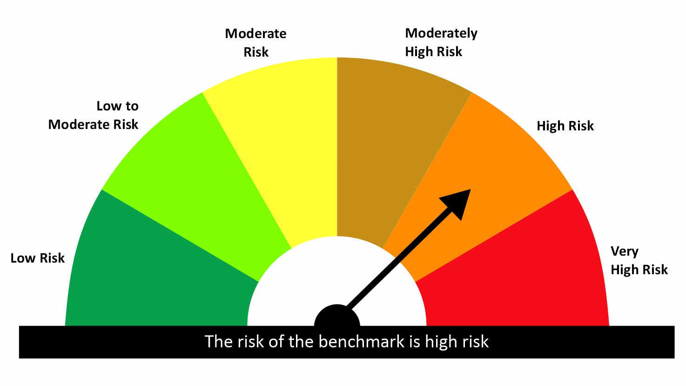
 |  | quant Mutual Fund
 |  | quant Dynamic Asset Allocation Fund
 |  | An Open Ended Dynamic Asset Allocation Fund
 |  | MONTHLY PORTFOLIO STATEMENT AS ON 31 Aug 2026

SR | ISIN | NAME OF THE INSTRUMENT | RATING | INDUSTRY | QUANTITY | MARKET VALUE(Rs.in Lakhs) | % to NAV | YTM
 |  | EQUITY & EQUITY RELATED
 |  | (a) Listed / awaiting listing on Stock Exchanges
1 | INE406A01037 | Aurobindo Pharma Limited | N.A. | Pharmaceuticals & Biotechnology | 496695 | 8528.25 | 10.01 | -
2 | INE397D01024 | Bharti Airtel Limited | N.A. | Telecom - Services | 442225 | 8012.67 | 9.40 | -
3 | INE121J01017 | Indus Towers Limited | N.A. | Telecom - Services | 2000418 | 7777.63 | 9.12 | -
4 | INE423A01024 | Adani Enterprises Limited | N.A. | Metals & Minerals Trading | 263781 | 7541.76 | 8.85 | -
5 | INE364U01010 | Adani Green Energy Limited | N.A. | Power | 602005 | 7313.76 | 8.58 | -
6 | INE257A01026 | Bharat Heavy Electricals Ltd | N.A. | Electrical Equipment | 1520002 | 6728.29 | 7.89 | -
7 | INE781S01027 | Ventive Hospitality Limited | N.A. | Leisure Services | 793155 | 4689.13 | 5.50 | -
8 | INE159A01016 | Glaxosmithkline Pharmaceuticals Ltd | N.A. | Pharmaceuticals & Biotechnology | 82471 | 2515.45 | 2.95 | -
9 | INE002A01018 | Reliance Industries Limited | N.A. | Petroleum Products | 132646 | 1693.89 | 1.99 | -
10 | INE258G01013 | Sumitomo Chemical India Limited | N.A. | Fertilizers & Agrochemicals | 151295 | 782.88 | 0.92 | -
11 | INE0J1Y01017 | Life Insurance Corporation Of India | N.A. | Insurance | 89600 | 374.53 | 0.44 | -
 |  | Sub Total |  |  |  | 55958.24 | 65.65

 |  | (b) Unlisted
 |  | Sub Total

 |  | (c) REIT
12 | INE2OVN25015 | Bagmane Prime Office REIT | N.A. | Realty | 6499950 | 6934.8 | 8.14 | -
 |  | Sub Total |  |  |  | 6934.8 | 8.14
 |  | Total |  |  |  | 62893.03 | 73.78

 |  | DERIVATIVES
 |  | (a) Index / Stock Futures
13 | RELIANCE290926 | Reliance Industries Limited 29/09/2026 | N.A. | Petroleum Products | 498000 | 6479.48 | 7.60 | -
14 | SBIN290926 | State Bank of India 29/09/2026 | N.A. | Banks | 462000 | 4866.25 | 5.71 | -
15 | DLF290926 | DLF Limited 29/09/2026 | N.A. | Realty | 368600 | 2483.81 | 2.91 | -
 |  | Sub Total |  |  |  | 13829.54 | 16.22

 |  | (b) Index / Stock Options
 |  | Sub Total

 |  | Exchange Traded Commodity Derivatives
 |  | (c) Commodity Futures
 |  | Sub Total

 |  | (d) Commodity Option
 |  | Sub Total
 |  | Total |  |  |  | 13829.54 | 16.22

 |  | DEBT INSTRUMENTS
 |  | (a) Listed / awaited listed on Stock Exchanges
 |  | Sub Total

 |  | (b) Unlisted / Privately Placed
 |  | Sub Total

 |  | (c) Securitised Debt Instruments
 |  | Sub Total
 |  | Total

 |  | MONEY MARKET INSTRUMENTS
 |  | a) Commercial Paper
 |  | Sub Total

 |  | b) CD-Certificate of Deposits
 |  | Sub Total

 |  | c) Treasury Bills
16 | IN002026X099 | 91 Days Treasury Bill 03-Sep-2026 | SOV | N.A. | 700000 | 699.8 | 0.82 | 5.20
17 | IN002026X107 | 91 Days Treasury Bill 10-Sep-2026 | SOV | N.A. | 700000 | 699.11 | 0.82 | 5.18
18 | IN002026X115 | 91 Days Treasury Bill 17-Sep-2026 | SOV | N.A. | 700000 | 698.47 | 0.82 | 5.00
19 | IN002026X164 | 91 Days Treasury Bill 22-Oct-2026 | SOV | N.A. | 700000 | 695.05 | 0.82 | 5.10
20 | IN002026X172 | 91 Days Treasury Bill 29-Oct-2026 | SOV | N.A. | 700000 | 694.33 | 0.81 | 5.14
21 | IN002026X180 | 91 Days Treasury Bill 05-Nov-2026 | SOV | N.A. | 650000 | 643.98 | 0.76 | 5.25
22 | IN002026X206 | 91 Days Treasury Bill 19-Nov-2026 | SOV | N.A. | 650000 | 642.68 | 0.75 | 5.26
23 | IN002026X214 | 91 Days Treasury Bill 27-Nov-2026 | SOV | N.A. | 650000 | 641.94 | 0.75 | 5.27
24 | IN002026X156 | 91 Days Treasury Bill 15-Oct-2026 | SOV | N.A. | 600000 | 596.33 | 0.70 | 5.11
 |  | Sub Total |  |  |  | 6011.68 | 7.05

 |  | d) Units of an Alternative Investment Fund (AIF)
 |  | Sub Total
 |  | Total |  |  |  | 6011.68 | 7.05
 |  | FIXED DEPOSITS
 |  | Total

 |  | OTHERS
 |  | (a) Mutual Fund Unit
25 | INF966L01DW8 | Quant Arbitrage Fund -Direct Plan Growth | N.A. | N.A. | 26238012.72 | 2903.55 | 3.41 | -
 |  | Sub Total |  |  |  | 2903.55 | 3.41

 |  | (b) Units of Infrastructure Investment Trust
 |  | Sub Total

 |  | (c) Tri Party Repo (TREPs)
26 | INCBLO010926 | TREPS 01-Sep-2026 DEPO 10 | N.A. | N.A. | 136287.7 | 13628.77 | 15.99 | 5.73
 |  | Sub Total |  |  |  | 13628.77 | 15.99

 |  | (d) Other Receivables (Payables)
27 |  | NCA-NET CURRENT ASSETS | N.A. | N.A. |  | -14027.28 | -16.46
 |  | Sub Total |  |  |  | -14027.28 | -16.46
 |  | Total |  |  |  | 2505.04 | 2.94
 |  | Grand Total |  |  |  | 85239.29 | 100

 | Disclosure for investment in derivative instruments:
 | Hedging Positions through Futures as on 31/08/2026
 | Underlying | Long / Short | Future Price when Purchased | Current price of the contract | Margin maintained in Rs.Lakhs
 | NIL | NIL | - | - | -
 | Total %age of existing assets hedged through futures |  | NIL

 | For the period ended 31/08/2026 the following details are specified for hedging transactions through futures which have been squared off/expired
 | Total Number of contracts where futures were bought |  | NIL
 | Total Number of contracts where futures were sold |  | NIL
 | Gross Notional Value of contracts where futures were bought |  | NIL
 | Gross Notional Value of contracts where futures were sold |  | NIL
 | Net Profit/Loss value on all contracts combined |  | NIL

 | Other than Hedging Positions through Futures as on 31/08/2026
 | Underlying | Long / Short | Future Price when Purchased | Current price of the contract | Margin maintained in Rs.Lakhs
 | DLF Limited 29/09/2026 | Long | 683.50 | 673.85 | Refer Note 11
 | Reliance Industries Limited 29/09/2026 | Long | 1320.76 | 1301.10 | Refer Note 11
 | State Bank of India 29/09/2026 | Long | 1052.43 | 1053.30 | Refer Note 11
 | Total Exposure due to futures (non hedging positions) as a %age of net assets |  | 16.22

 | For the period ended 31/08/2026 the following details are specified for non hedging transactions through futures which have been squared off/expired
 | Total number of contracts where futures were bought |  | 4937
 | Total number of contracts where futures were sold (carry forward) |  | 3061
 | Gross Notional value of contracts where future were bought |  | 3503868536.1
 | Gross Notional Value of contracts where futures were sold |  | 2159073901.2
 | Net Profit/Loss value on all contracts combined |  | -1344794634.9

 | Hedging Positions through Put Options as on 31/08/2026
 | Underlying | Number of contracts | Option Price when purchased | Current option price
 | NIL | NIL | - | - | -
 | Total %age of existing assets hedged through put options |  | NIL

 | For the period ended 31/08/2026 the following details are specified for hedging transactions through options which have been exercised/expired
 | Total number of contracts entered into |  | NIL
 | Gross Notional value of contracts |  | NIL
 | Net Profit/Loss Value on all contracts (treat premium paid as loss) |  | NIL

 | Other than Hedging Positions through Options as on 31/08/2026
 | Underlying | Call/Put | Number of contracts | Option Price when purchased | Current option price
 | NIL | NIL | - | - | -
 | Total Exposure through options as a %age of net assets |  | NIL

 | For the period ended 31/08/2026 the following details are specified with regard to non-hedging transactions through options which have already been exercised/expired :
 | Total number of contracts entered into |  | NIL
 | Gross Notional value of contracts |  | NIL
 | Net Profit/Loss Value on all contracts (treat premium paid as loss) |  | NIL

 |  | Notes :-

 | 1 | NAV History
 |  | SCHEME | NAV as on 31 Aug 2026 | NAV as on 31 Jul 2026
 |  | Quant Dynamic Asset Allocation Fund - Direct IDCW | 17.1277 | 17.2641
 |  | Quant Dynamic Asset Allocation Fund - Direct Growth | 17.1338 | 17.2701
 |  | Quant Dynamic Asset Allocation Fund - Regular Growth | 16.2825 | 16.4323
 |  | Quant Dynamic Asset Allocation Fund - Regular IDCW | 16.284 | 16.4339

 | 2 | Total Below investment grade or default provided for is NIL.
 | 3 | Dividend declared during the period is NIL
 | 4 | Bonus declared during the period is NIL
 | 5 | Total outstanding exposure in derivatives instruments as on 31-Aug-2026 is 16.22%
 | 6 | Total Investments in foreign securities/ADRs / GDRs as on 31-Aug-2026 is NIL
 | 7 | The annual Portfolio Turnover Ratio is 5.36 times / The Average Maturity period is 49 Days
 | 8 | The funds parked in short term deposit(s) as on 31-Aug-2026 were NIL
 | 9 | Total value and percentage of Illiquid Equity Shares is Nil
 | 10 | Total Repo in Corporate Debt is Nil
 | 11 | Margin maintained for derivative instruments is Rs. 5888.38 Lakhs

 | Risk-o-meter of the Scheme

 | Risk-o-meter of the Benchmark- NIFTY 50 Hybrid Composite debt 50:50 Index

qMGG

 |  | quant Mutual Fund
 |  | quant Gilt Fund
 |  | An open ended debt scheme investing in government securities across maturity - Relatively High interest rate risk and Relatively Low Credit Risk
 |  | MONTHLY PORTFOLIO STATEMENT AS ON 31 Aug 2026

SR | ISIN | NAME OF THE INSTRUMENT | RATING | INDUSTRY | QUANTITY | MARKET VALUE(Rs.in Lakhs) | % to NAV | YTM
 |  | EQUITY & EQUITY RELATED
 |  | (a) Listed / awaiting listing on Stock Exchanges
 |  | Sub Total

 |  | (b) Unlisted
 |  | Sub Total

 |  | (c) REIT
 |  | Sub Total
 |  | Total

 |  | DERIVATIVES
 |  | (a) Index / Stock Futures
 |  | Sub Total

 |  | (b) Index / Stock Options
 |  | Sub Total

 |  | Exchange Traded Commodity Derivatives
 |  | (c) Commodity Futures
 |  | Sub Total

 |  | (d) Commodity Option
 |  | Sub Total
 |  | Total

 |  | DEBT INSTRUMENTS
 |  | (a) Listed / awaited listed on Stock Exchanges
1 | IN1920220127 | 7.68% Karnataka SDL - 21-Dec-2034 | SOV | N.A. | 1000000 | 1012.71 | 13.38 | 7.47
2 | IN0020250141 | 6.36% GOI 16-Feb-2031 | SOV | N.A. | 1000000 | 991.19 | 13.10 | 6.59
3 | IN2220230113 | 7.46% Maharashtra SDL - 13-Sep-2033 | SOV | N.A. | 761600 | 763.53 | 10.09 | 7.41
4 | IN3120240038 | 7.49% Tamil Nadu SDL - 24-Apr-2034 | SOV | N.A. | 640600 | 641.26 | 8.47 | 7.47
5 | IN0020220144 | 7.29% GOI SGRB MAT 27-Jan-2033 | SOV | N.A. | 500000 | 514.03 | 6.79 | 6.74
6 | IN2120220024 | 7.46% Madhya Pradesh SDL - 14-Sep-2032 | SOV | N.A. | 500000 | 501.2 | 6.62 | 7.41
7 | IN0020260041 | 7.06% GOI 27-Jul-2041 | SOV | N.A. | 500000 | 497.88 | 6.58 | 7.11
8 | IN1020240488 | 7.23% Andhra Pradesh SDL - 04-Sep-2034 | SOV | N.A. | 362000 | 355.1 | 4.69 | 7.55
9 | IN0020060029 | 8.23% GOI 12-FEB-2027 | SOV | N.A. | 100000 | 100.9 | 1.33 | 6.10
 |  | Sub Total |  |  |  | 5377.79 | 71.05

 |  | (b) Unlisted / Privately Placed
 |  | Sub Total

 |  | (c) Securitised Debt Instruments
 |  | Sub Total
 |  | Total |  |  |  | 5377.79 | 71.05

 |  | MONEY MARKET INSTRUMENTS
 |  | a) Commercial Paper
 |  | Sub Total

 |  | b) CD-Certificate of Deposits
 |  | Sub Total

 |  | c) Treasury Bills
10 | IN000927C052 | 0% GS2027 CSTRIP 12 Sep 2027 | SOV | N.A. | 552000 | 519.05 | 6.86 | 6.06
11 | IN000926C047 | 0% GS2026 CSTRIP 19 Sep 2026 | SOV | N.A. | 500000 | 498.67 | 6.59 | 5.41
12 | IN000328C053 | Gsec Strip Mat 12/03/28 | SOV | N.A. | 200000 | 181.89 | 2.40 | 6.30
 |  | Sub Total |  |  |  | 1199.61 | 15.85

 |  | d) Units of an Alternative Investment Fund (AIF)
 |  | Sub Total
 |  | Total |  |  |  | 1199.61 | 15.85
 |  | FIXED DEPOSITS
 |  | Total

 |  | OTHERS
 |  | (a) Mutual Fund Unit
 |  | Sub Total

 |  | (b) Units of Infrastructure Investment Trust
 |  | Sub Total

 |  | (c) Tri Party Repo (TREPs)
13 | INCBLO010926 | TREPS 01-Sep-2026 DEPO 10 | N.A. | N.A. | 9070 | 907 | 11.98 | 5.73
 |  | Sub Total |  |  |  | 907 | 11.98

 |  | (d) Other Receivables (Payables)
14 |  | NCA-NET CURRENT ASSETS | N.A. | N.A. |  | 84.72 | 1.12
 |  | Sub Total |  |  |  | 84.72 | 1.12
 |  | Total |  |  |  | 991.72 | 13.10
 |  | Grand Total |  |  |  | 7569.11 | 100

 |  | Notes :-

 | 1 | NAV History
 |  | SCHEME | NAV as on 31 Aug 2026 | NAV as on 31 Jul 2026
 |  | quant Gilt Fund - Regular IDCW | 12.1506 | 12.1599
 |  | quant Gilt Fund - Regular Growth | 12.1401 | 12.1493
 |  | quant Gilt Fund - Direct IDCW | 12.5641 | 12.5641
 |  | quant Gilt Fund - Direct Growth | 12.5787 | 12.5759

 | 2 | Dividend History - Dividend declared during the month ended 31-Aug-2026 is NIL

 | 3 | Total Below investment grade or default provided for is NIL.
 | 4 | Bonus declared during the period is NIL
 | 5 | Total outstanding exposure in derivatives instruments as on 31-Aug-2026 is NIL
 | 6 | Total Investments in foreign securities/ADRs / GDRs as on 31-Aug-2026 is NIL
 | 7 | The Average Maturity period is 1931 Days
 | 8 | The funds parked in short term deposit(s) as on 31-Aug-2026 were NIL
 | 9 | Total value and percentage of Illiquid Equity Shares is Nil
 | 10 | Total Repo in Corporate Debt is Nil
 | 11 | Standard Disclosure for Portfolio YTM as per AMFI :
 |  |  | Portfolio Information
 |  | Scheme Name | quant Gilt Fund
 |  | Description | The primary objective of the Scheme is to generate income and capital appreciation through investments in Government securities issued by the Central Government and/or State Government(s).
 |  | Annualised Portfolio YTM | 6.67%
 |  | Macaulay Duration (Days) | 1485
 |  | Residual Maturity (Days) | 1931
 |  | As on (Date) | 31/08/26

 | Risk-o-meter of the Scheme

 | Risk-o-meter of the Benchmark- CRISIL Dynamic Gilt Index

qMAF
 |  | quant Mutual Fund
 |  | quant Multi Asset Allocation Fund
 |  | An open ended scheme investing in equity, debt and commodity
 |  | MONTHLY PORTFOLIO STATEMENT AS ON 31 Aug 2026

SR | ISIN | NAME OF THE INSTRUMENT | RATING | INDUSTRY | QUANTITY | MARKET VALUE(Rs.in Lakhs) | % to NAV | YTM
 |  | EQUITY & EQUITY RELATED
 |  | (a) Listed / awaiting listing on Stock Exchanges
1 | INE002A01018 | Reliance Industries Limited | N.A. | Petroleum Products | 4730166 | 60404.22 | 9.25 | -
2 | INE397D01024 | Bharti Airtel Limited | N.A. | Telecom - Services | 3153276 | 57134.21 | 8.75 | -
3 | INE423A01024 | Adani Enterprises Limited | N.A. | Metals & Minerals Trading | 1567103 | 44805.04 | 6.86 | -
4 | INE364U01010 | Adani Green Energy Limited | N.A. | Power | 3181116 | 38647.38 | 5.92 | -
5 | INE090A01021 | ICICI Bank Limited | N.A. | Banks | 2602282 | 37837.18 | 5.80 | -
6 | INE406A01037 | Aurobindo Pharma Limited | N.A. | Pharmaceuticals & Biotechnology | 1797304 | 30859.71 | 4.73 | -
7 | INE121J01017 | Indus Towers Limited | N.A. | Telecom - Services | 5616576 | 21837.25 | 3.35 | -
8 | INE346A01027 | ICICI Prudential AMC Ltd | N.A. | Capital Markets | 649749 | 19915.46 | 3.05 | -
9 | INE0J1Y01017 | Life Insurance Corporation Of India | N.A. | Insurance | 4615130 | 19291.24 | 2.96 | -
10 | INE213A01029 | Oil and Natural Gas Corporation Ltd. | N.A. | Oil | 7198164 | 16685.34 | 2.56 | -
11 | INE040A01034 | HDFC Bank Limited | N.A. | Banks | 1918150 | 13599.68 | 2.08 | -
12 | INE0BS701011 | Premier Energies Limited | N.A. | Electrical Equipment | 1170731 | 12132.29 | 1.86 | -
13 | INE271C01023 | DLF Limited | N.A. | Realty | 1749922 | 12092.84 | 1.85 | -
14 | INE676A01027 | Black Box Limited | N.A. | IT - Services | 1414999 | 10579.24 | 1.62 | -
15 | INE018A01030 | Larsen & Toubro Limited | N.A. | Construction | 257775 | 10426.74 | 1.60 | -
16 | INE081A01020 | Tata Steel Limited | N.A. | Ferrous Metals | 3828000 | 7056.92 | 1.08 | -
17 | INE155A01022 | Tata Motors Passenger Vehicles Limited | N.A. | Automobiles | 1614400 | 4986.07 | 0.76 | -
18 | INE781S01027 | Ventive Hospitality Limited | N.A. | Leisure Services | 793155 | 4689.13 | 0.72 | -
19 | INE931S01010 | Adani Energy Solutions Limited | N.A. | Power | 279512 | 3961.8 | 0.61 | -
20 | INE918I01026 | Bajaj Finserv Ltd. | N.A. | Finance | 184250 | 3723.69 | 0.57 | -
21 | INE484J01027 | Godrej Properties Limited | N.A. | Realty | 182050 | 3667.76 | 0.56 | -
22 | INE376G01013 | Biocon Ltd | N.A. | Pharmaceuticals & Biotechnology | 842500 | 3471.1 | 0.53 | -
23 | INE200M01039 | Varun Beverages Limited | N.A. | Beverages | 707625 | 2833.68 | 0.43 | -
24 | INE549H01021 | Anand Rathi Share & Stock Brokers Ltd | N.A. | Capital Markets | 485064 | 2467.76 | 0.38 | -
25 | INE154A01025 | ITC Limited | N.A. | Diversified FMCG | 609600 | 1557.53 | 0.24 | -
26 | INE010B01027 | Zydus Lifesciences Limited | N.A. | Pharmaceuticals & Biotechnology | 121113 | 1406.49 | 0.22 | -
 |  | Sub Total |  |  |  | 446069.76 | 68.33

 |  | (b) Unlisted
 |  | Sub Total

 |  | (c) REIT
 |  | Sub Total
 |  | Total |  |  |  | 446069.76 | 68.33

 |  | DERIVATIVES
 |  | (a) Index / Stock Futures
27 | ZYDUSLIFE290926 | Zydus Lifesciences Limited 29/09/2026 | N.A. | Pharmaceuticals & Biotechnology | 435600 | 5106.54 | 0.78 | -
28 | ITC290926 | ITC Limited 29/09/2026 | N.A. | Diversified FMCG | -608925 | -1615.48 | -0.25 | -
29 | VBL290926 | Varun Beverages Limited 29/09/2026 | N.A. | Beverages | -707625 | -2907.63 | -0.45 | -
30 | BIOCON290926 | Biocon Ltd 29/09/2026 | N.A. | Pharmaceuticals & Biotechnology | -842500 | -3428.55 | -0.53 | -
31 | GODREJPROP290926 | Godrej Properties Limited 29/09/2026 | N.A. | Realty | -182000 | -3666.39 | -0.56 | -
32 | BAJAJFINSV290926 | Bajaj Finserv Ltd. 29/09/2026 | N.A. | Finance | -184200 | -3691.92 | -0.57 | -
33 | TMPV290926 | Tata Motors Passenger Vehicles Limited 29/09/2026 | N.A. | Automobiles | -1614400 | -5150.74 | -0.79 | -
34 | DLF290926 | DLF Limited 29/09/2026 | N.A. | Realty | -800850 | -5396.53 | -0.83 | -
35 | TATASTEEL290926 | Tata Steel Limited 29/09/2026 | N.A. | Ferrous Metals | -3828000 | -7014.43 | -1.07 | -
36 | PREMIERENE290926 | Premier Energies Limited 29/09/2026 | N.A. | Electrical Equipment | -990600 | -10061.52 | -1.54 | -
37 | LT290926 | Larsen & Toubro Limited 29/09/2026 | N.A. | Construction | -257775 | -10448.65 | -1.60 | -
38 | HDFCBANK290926 | HDFC Bank Limited 29/09/2026 | N.A. | Banks | -1918150 | -13719.57 | -2.10 | -
39 | ICICIBANK290926 | ICICI Bank Limited 29/09/2026 | N.A. | Banks | -2601900 | -37875.86 | -5.80 | -
 |  | Sub Total |  |  |  | -99870.74 | -15.30

 |  | (b) Index / Stock Options
 |  | Sub Total

 |  | Exchange Traded Commodity Derivatives
 |  | (c) Commodity Futures
 |  | Sub Total

 |  | (d) Commodity Option
 |  | Sub Total
 |  | Total |  |  |  | -99870.74 | -15.30

 |  | DEBT INSTRUMENTS
 |  | (a) Listed / awaited listed on Stock Exchanges
40 | IN0020240134 | 6.92% GOI 18-Nov-2039 | SOV | N.A. | 6500000 | 6422.42 | 0.98 | 7.06
41 | IN0020240126 | 6.79% GOI - 07-OCT-2034 | SOV | N.A. | 3500000 | 3480 | 0.53 | 6.88
42 | IN0020240118 | 7.09% GOI 05-AUG-2054 | SOV | N.A. | 3500000 | 3305.35 | 0.51 | 7.57
43 | IN1520250227 | 7.27% Gujarat SDL - 17-Dec-2034 | SOV | N.A. | 2500000 | 2469.15 | 0.38 | 7.47
44 | IN2220240229 | 7.23% Maharashtra SDL - 04-Sep-2035 | SOV | N.A. | 2500000 | 2443.53 | 0.37 | 7.58
45 | IN0020250018 | 6.9% GOI 15-Apr-2065 | SOV | N.A. | 2500000 | 2269.51 | 0.35 | 7.65
46 | IN0020250091 | 6.48% GOI 06-Oct-2035 | SOV | N.A. | 2000000 | 1942.03 | 0.30 | 6.91
47 | IN0020210186 | 5.74% GOI - 15-Nov-2026 | SOV | N.A. | 1600000 | 1601.26 | 0.25 | 5.27
48 | IN0020210020 | 6.64% GOI - 16-Jun-2035 | SOV | N.A. | 1166400 | 1143.54 | 0.18 | 6.94
49 | IN0020220151 | 7.26% GOI MAT 06-Feb-2033 | SOV | N.A. | 1000000 | 1028.25 | 0.16 | 6.71
50 | IN0020220144 | 7.29% GOI SGRB MAT 27-Jan-2033 | SOV | N.A. | 1000000 | 1028.06 | 0.16 | 6.74
 |  | Sub Total |  |  |  | 27133.1 | 4.16

 |  | (b) Unlisted / Privately Placed
 |  | Sub Total

 |  | (c) Securitised Debt Instruments
 |  | Sub Total
 |  | Total |  |  |  | 27133.1 | 4.16

 |  | MONEY MARKET INSTRUMENTS
 |  | a) Commercial Paper
51 | INE414G14UT3 | Muthoot Finance Ltd CP 08-Sep-2026 | A1+ | N.A. | 1500000 | 1498.03 | 0.23 | 6.85
 |  | Sub Total |  |  |  | 1498.03 | 0.23

 |  | b) CD-Certificate of Deposits
52 | INE261F16AE9 | NABARD CD 19-Jan-2027 | A1+ | N.A. | 10000000 | 9743.99 | 1.49 | 6.85
53 | INE514E16CN1 | EXIM Bank CD 11-Nov-2026 | A1+ | N.A. | 7500000 | 7408.14 | 1.13 | 6.38
54 | INE476A16G28 | Canara Bank CD 28-Jan-2027 | A1+ | N.A. | 5000000 | 4866.38 | 0.75 | 6.73
55 | INE556F16CD0 | SIDBI CD 25-Mar-2027 | A1+ | N.A. | 4000000 | 3850.77 | 0.59 | 6.90
56 | INE476A16K22 | Canara Bank CD 29-Jun-2027 | A1+ | N.A. | 4000000 | 3775.81 | 0.58 | 7.20
57 | INE556F16BN1 | SIDBI CD 27-Oct-2026 | A1+ | N.A. | 1000000 | 990.39 | 0.15 | 6.33
 |  | Sub Total |  |  |  | 30635.47 | 4.69

 |  | c) Treasury Bills
58 | IN002026Y071 | 182 Days Treasury Bill 19-Nov-2026 | SOV | N.A. | 5000000 | 4943.72 | 0.76 | 5.26
59 | IN002025Z419 | 364 Days Treasury Bill 15-JAN-2027 | SOV | N.A. | 5000000 | 4898.35 | 0.75 | 5.57
60 | IN000927C052 | 0% GS2027 CSTRIP 12 Sep 2027 | SOV | N.A. | 2024000 | 1903.19 | 0.29 | 6.06
61 | IN000926C054 | 0% GS2027 CSTRIP 12 Sep 2026 | SOV | N.A. | 1300000 | 1297.88 | 0.20 | 5.42
62 | IN002025Z500 | 364 Days Treasury Bill 19-Mar-2027 | SOV | N.A. | 200000 | 194.02 | 0.03 | 5.65
 |  | Sub Total |  |  |  | 13237.15 | 2.03

 |  | d) Units of an Alternative Investment Fund (AIF)
 |  | Sub Total
 |  | Total |  |  |  | 45370.65 | 6.95
 |  | FIXED DEPOSITS
 |  | Total

 |  | OTHERS
 |  | (a) Mutual Fund Unit
63 | INF204KB17I5 | Nippon India ETF Gold Bees | N.A. | N.A. | 46176293 | 58791.66 | 9.01 | -
64 | INF204KC1402 | Nippon India MF- Nippon India Silver ETF | N.A. | N.A. | 4826986 | 10774.32 | 1.65 | -
65 | INF966L01EI5 | quant Silver ETF - Direct Growth | N.A. | N.A. | 20976505 | 4946.26 | 0.76 | -
66 | INF966L01BF7 | QUANT GILT FUND -DIRECT PLAN-GROWTH | N.A. | N.A. | 999950 | 125.78 | 0.02 | -
 |  | Sub Total |  |  |  | 74638.01 | 11.43

 |  | (b) Units of Infrastructure Investment Trust
 |  | Sub Total

 |  | (c) Tri Party Repo (TREPs)
67 | INCBLO010926 | TREPS 01-Sep-2026 DEPO 10 | N.A. | N.A. | 615530.5 | 61553.05 | 9.43 | 5.73
 |  | Sub Total |  |  |  | 61553.05 | 9.43

 |  | (d) Other Receivables (Payables)
68 |  | NCA-NET CURRENT ASSETS | N.A. | N.A. |  | 97884.43 | 15.00
 |  | Sub Total |  |  |  | 97884.43 | 15.00
 |  | Total |  |  |  | 234075.49 | 35.86
 |  | Grand Total |  |  |  | 652778.26 | 100

 | Disclosure for investment in derivative instruments:
 | Hedging Positions through Futures as on 31/08/2026
 | Underlying | Long / Short | Future Price when Purchased | Current price of the contract | Margin maintained in Rs.Lakhs
 | Bajaj Finserv Ltd. 29/09/2026 | Short | 2023.1815 | 2004.3 | Refer Note 11
 | Biocon Ltd 29/09/2026 | Short | 413.6394 | 406.95 | Refer Note 11
 | DLF Limited 29/09/2026 | Short | 686.9543 | 673.85 | Refer Note 11
 | Godrej Properties Limited 29/09/2026 | Short | 2048.3291 | 2014.5 | Refer Note 11
 | HDFC Bank Limited 29/09/2026 | Short | 732.233 | 715.25 | Refer Note 11
 | ICICI Bank Limited 29/09/2026 | Short | 1423.503 | 1455.7 | Refer Note 11
 | ITC Limited 29/09/2026 | Short | 269.1992 | 265.3 | Refer Note 11
 | Larsen & Toubro Limited 29/09/2026 | Short | 4112.1862 | 4053.4 | Refer Note 11
 | Premier Energies Limited 29/09/2026 | Short | 983.0692 | 1015.7 | Refer Note 11
 | Tata Steel Limited 29/09/2026 | Short | 186.4556 | 183.24 | Refer Note 11
 | Tata Motors Passenger Vehicles Limited 29/09/2026 | Short | 318.522 | 319.05 | Refer Note 11
 | Varun Beverages Limited 29/09/2026 | Short | 429.0329 | 410.9 | Refer Note 11
 | Total %age of existing assets hedged through futures |  | 16.08

 | For the period ended 31/08/2026 the following details are specified for hedging transactions through futures which have been squared off/expired
 | Total Number of contracts where futures were bought |  | 13804
 | Total Number of contracts where futures were sold |  | 19045
 | Gross Notional Value of contracts where futures were bought |  | 9452524723.9
 | Gross Notional Value of contracts where futures were sold |  | 14198412126
 | Net Profit/Loss value on all contracts combined |  | 4745887401.8

 | Other than Hedging Positions through Futures as on 31/08/2026
 | Underlying | Long / Short | Future Price when Purchased | Current price of the contract | Margin maintained in Rs.Lakhs
 | Zydus Lifesciences Limited 29/09/2026 | Long | 1154.1116 | 1172.3 | Refer Note 11
 | Total Exposure due to futures (non hedging positions) as a %age of net assets |  | 0.78

 | For the period ended 31/08/2026 the following details are specified for non hedging transactions through futures which have been squared off/expired
 | Total number of contracts where futures were bought |  | 684
 | Total number of contracts where futures were sold (carry forward) |  | 200
 | Gross Notional value of contracts where future were bought |  | 670011462.96
 | Gross Notional Value of contracts where futures were sold |  | 163146800
 | Net Profit/Loss value on all contracts combined |  | -506864662.96

 | Hedging Positions through Put Options as on 31/08/2026
 | Underlying | Number of contracts | Option Price when purchased | Current option price
 | NIL | NIL | - | - | -
 | Total %age of existing assets hedged through put options |  | NIL

 | For the period ended 31/08/2026 the following details are specified for hedging transactions through options which have been exercised/expired
 | Total number of contracts entered into |  | NIL
 | Gross Notional value of contracts |  | NIL
 | Net Profit/Loss Value on all contracts (treat premium paid as loss) |  | NIL

 | Other than Hedging Positions through Options as on 31/08/2026
 | Underlying | Call/Put | Number of contracts | Option Price when purchased | Current option price
 | NIL | NIL | - | - | -
 | Total Exposure through options as a %age of net assets |  | NIL

 | For the period ended 31/08/2026 the following details are specified with regard to non-hedging transactions through options which have already been exercised/expired :
 | Total number of contracts entered into |  | NIL
 | Gross Notional value of contracts |  | NIL
 | Net Profit/Loss Value on all contracts (treat premium paid as loss) |  | NIL

 |  | Notes :-

 | 1 | NAV History
 |  | SCHEME | NAV as on 31 Aug 2026 | NAV as on 31 Jul 2026
 |  | quant Multi Asset Allocation Fund - Direct Growth | 180.818 | 182.9052
 |  | quant Multi Asset Allocation Fund - Direct IDCW | 166.6402 | 168.5638
 |  | quant Multi Asset Allocation Fund - Regular Growth | 166.2762 | 168.3604
 |  | quant Multi Asset Allocation Fund - Regular IDCW | 152.424 | 154.3348

 | 2 | Total Below investment grade or default provided for is NIL.
 | 3 | Dividend declared during the period is NIL
 | 4 | Bonus declared during the period is NIL
 | 5 | Total outstanding exposure in derivatives instruments as on 31-Aug-2026 is -15.30%
 | 6 | Total Investments in foreign securities/ADRs / GDRs as on 31-Aug-2026 is NIL
 | 7 | The annual Portfolio Turnover Ratio is 4.85 times / The Average Maturity period is 614 Days
 | 8 | The funds parked in short term deposit(s) as on 31-Aug-2026 were NIL
 | 9 | Total value and percentage of Illiquid Equity Shares is Nil
 | 10 | Total Repo in Corporate Debt is Nil
 | 11 | Margin maintained for derivative instruments is Rs. 27611.82 Lakhs

 | Risk-o-meter of the Scheme



 | Risk-o-meter of the Benchmark- 65% NIFTY 500 TRI + 15% CRISIL Short Term Bond Fund Index + 20% iCOMDEX Composite Index

qLF
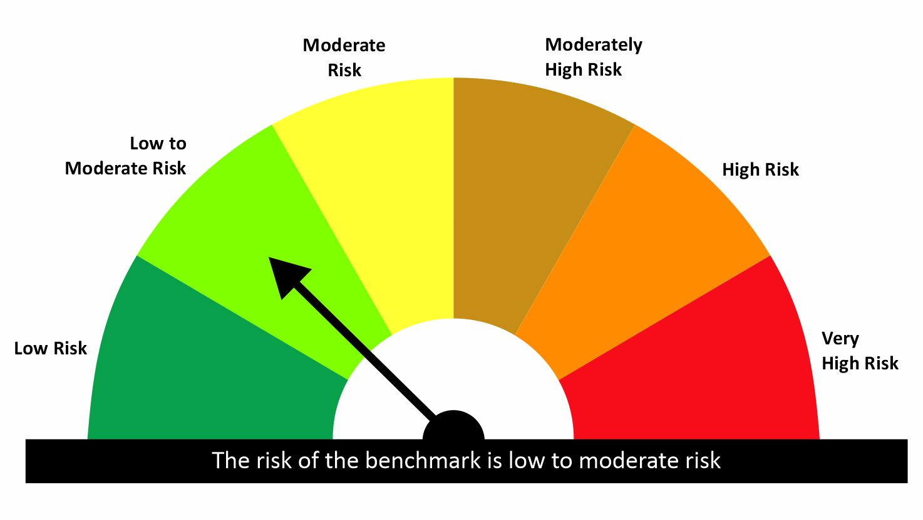

 |  | quant Mutual Fund
 |  | quant Liquid Fund
 |  | An open ended Liquid Scheme- Relatively Low interest rate risk and moderate Credit Risk
 |  | MONTHLY PORTFOLIO STATEMENT AS ON 31 Aug 2026

SR | ISIN | NAME OF THE INSTRUMENT | RATING | INDUSTRY | QUANTITY | MARKET VALUE(Rs.in Lakhs) | % to NAV | YTM
 |  | EQUITY & EQUITY RELATED
 |  | (a) Listed / awaiting listing on Stock Exchanges
 |  | Sub Total

 |  | (b) Unlisted
 |  | Sub Total

 |  | (c) REIT
 |  | Sub Total
 |  | Total

 |  | DERIVATIVES
 |  | (a) Index / Stock Futures
 |  | Sub Total

 |  | (b) Index / Stock Options
 |  | Sub Total

 |  | Exchange Traded Commodity Derivatives
 |  | (c) Commodity Futures
 |  | Sub Total

 |  | (d) Commodity Option
 |  | Sub Total
 |  | Total

 |  | DEBT INSTRUMENTS
 |  | (a) Listed / awaited listed on Stock Exchanges
 |  | Sub Total

 |  | (b) Unlisted / Privately Placed
 |  | Sub Total

 |  | (c) Securitised Debt Instruments
 |  | Sub Total
 |  | Total

 |  | MONEY MARKET INSTRUMENTS
 |  | a) Commercial Paper
1 | INE514E14TP5 | EXIM Bank CP 22-Sept-2026 | A1+ | N.A. | 10000000 | 9964.89 | 6.99 | 6.12
2 | INE020B14714 | REC Ltd CP 22-Oct-2026 | A1+ | N.A. | 10000000 | 9912.19 | 6.95 | 6.34
3 | INE572E14KQ0 | PNB Housing Finance Ltd CP 27-Oct-2026 | A1+ | N.A. | 10000000 | 9901.11 | 6.94 | 6.51
4 | INE763G14M51 | ICICI Securities Ltd CP 05-Nov-2026 | N.A. | N.A. | 10000000 | 9875.57 | 6.93 | 7.08
5 | INE233A149O7 | Godrej Industries Ltd CP 23-Oct-2026 | A1+ | N.A. | 7500000 | 7431.82 | 5.21 | 6.44
6 | INE296A14J09 | Bajaj Finance Limited CP 05-Nov-2026 | A1+ | N.A. | 7500000 | 7407.79 | 5.20 | 6.99
7 | INE0JRU14529 | Mirae Asset Fin Services CP -27-Oct-2026 | A1+ | N.A. | 5000000 | 4943.09 | 3.47 | 7.51
8 | INE498L14GG2 | L&T Finance Ltd CP 05-Nov-2026 | A1+ | N.A. | 5000000 | 4938.1 | 3.46 | 7.04
 |  | Sub Total |  |  |  | 64374.55 | 45.15

 |  | b) CD-Certificate of Deposits
9 | INE562A16RG0 | Indian Bank CD 01-Oct-2026 | A1+ | N.A. | 10000000 | 9949.1 | 6.98 | 6.22
10 | INE238AD6BJ6 | Axis Bank Limited CD 16-Oct-2026 | A1+ | N.A. | 10000000 | 9922.75 | 6.96 | 6.32
11 | INE028A16KI3 | Bank Of Baroda CD 06-Nov-2026 | A1+ | N.A. | 10000000 | 9885.95 | 6.93 | 6.38
12 | INE476A16K48 | Canara Bank CD 05-Oct-2026 | A1+ | N.A. | 5000000 | 4971.13 | 3.49 | 6.23
13 | INE040A16JT7 | HDFC Bank Ltd CD 16-Oct-2026 | A1+ | N.A. | 5000000 | 4961.38 | 3.48 | 6.31
14 | INE692A16LJ2 | Union Bank Of India CD 15-Sep-2026 | A1+ | N.A. | 2500000 | 2494.22 | 1.75 | 6.04
 |  | Sub Total |  |  |  | 42184.53 | 29.58

 |  | c) Treasury Bills
15 | IN002026X172 | 91 Days Treasury Bill 29-Oct-2026 | SOV | N.A. | 10000000 | 9918.93 | 6.96 | 5.14
 |  | Sub Total |  |  |  | 9918.93 | 6.96

 |  | d) Units of an Alternative Investment Fund (AIF)
16 | INF0RQ622028 | Corp Debt Mkt Devlop Fund (SBI AIF Fund) (Category I) | N.A. | N.A. | 6458.48 | 773.12 | 0.54 | -
 |  | Sub Total |  |  |  | 773.12 | 0.54
 |  | Total |  |  |  | 117251.13 | 82.23
 |  | FIXED DEPOSITS
 |  | Total

 |  | OTHERS
 |  | (a) Mutual Fund Unit
 |  | Sub Total

 |  | (b) Units of Infrastructure Investment Trust
 |  | Sub Total

 |  | (c) Tri Party Repo (TREPs)
17 | INCBLO010926 | TREPS 01-Sep-2026 DEPO 10 | N.A. | N.A. | 252584.4 | 25258.44 | 17.71 | 5.73
 |  | Sub Total |  |  |  | 25258.44 | 17.71

 |  | (d) Other Receivables (Payables)
18 |  | NCA-NET CURRENT ASSETS | N.A. | N.A. |  | 79.7 | 0.06
 |  | Sub Total |  |  |  | 79.7 | 0.06
 |  | Total |  |  |  | 25338.14 | 17.77
 |  | Grand Total |  |  |  | 142589.27 | 100

 |  | Notes :-

 | 1 | NAV History
 |  | SCHEME | NAV as on 31 Aug 2026 | NAV as on 31 Jul 2026
 |  | quant Liquid Fund - Regular Daily IDCW | 12.6177 | 12.6297
 |  | quant Liquid Fund - Regular Growth | 44.0844 | 43.8653
 |  | quant Liquid Fund - Regular Monthly IDCW | 15.1624 | 15.1539
 |  | quant Liquid Fund - Regular Weekly IDCW | 14.5235 | 14.5111
 |  | quant Liquid Fund - Direct Growth | 45.3921 | 45.1556
 |  | quant Liquid Fund - Direct Monthly IDCW | 15.7725 | 15.7576
 |  | quant Liquid Fund - Direct Weekly IDCW | 14.714 | 14.6976
 |  | quant Liquid Fund - Direct Daily IDCW | 13.1596 | 13.1661

 | 2
 |  | Plan Name | Record Date | Dividend Per Unit (Rs)
 |  | Direct Daily | Aug-2026 | 0.075
 |  | Regular Daily | Aug-2026 | 0.075
 |  | Direct Weekly | 04-08-2026 | 0.015
 |  | Direct Weekly | 11-08-2026 | 0.015
 |  | Direct Weekly | 18-08-2026 | 0.015
 |  | Direct Weekly | 25-08-2026 | 0.015
 |  | Regular Weekly | 04-08-2026 | 0.015
 |  | Regular Weekly | 11-08-2026 | 0.015
 |  | Regular Weekly | 18-08-2026 | 0.015
 |  | Regular Weekly | 25-08-2026 | 0.015

 | 3 | Total Below investment grade or default provided for is NIL.
 | 4 | Bonus declared during the period is NIL
 | 5 | Total outstanding exposure in derivatives instruments as on 31-Aug-2026 is NIL
 | 6 | Total Investments in foreign securities/ADRs / GDRs as on 31-Aug-2026 is NIL
 | 7 | The Average Maturity period is 42 Days
 | 8 | The funds parked in short term deposit(s) as on 31-Aug-2026 were NIL
 | 9 | Total value and percentage of Illiquid Equity Shares is Nil
 | 10 | Total Repo in Corporate Debt is Nil
 | 11 | Standard Disclosure for Portfolio YTM as per AMFI :
 |  |  | Portfolio Information
 |  | Scheme Name | quant Liquid Fund
 |  | Description | The investment objective of the scheme is to generate income through a portfolio comprising money market and debt instruments. There is no assurance that the investment objective of the Scheme will be realized
 |  | Annualised Portfolio YTM | 6.16%
 |  | Macaulay Duration (Days) | 42
 |  | Residual Maturity (Days) | 42
 |  | As on (Date) | 31/08/26

 | Risk-o-meter of the Scheme



 | Risk-o-meter of the Benchmark- CRISIL Liquid Debt A-I Index

