Fig1 Daily deaths
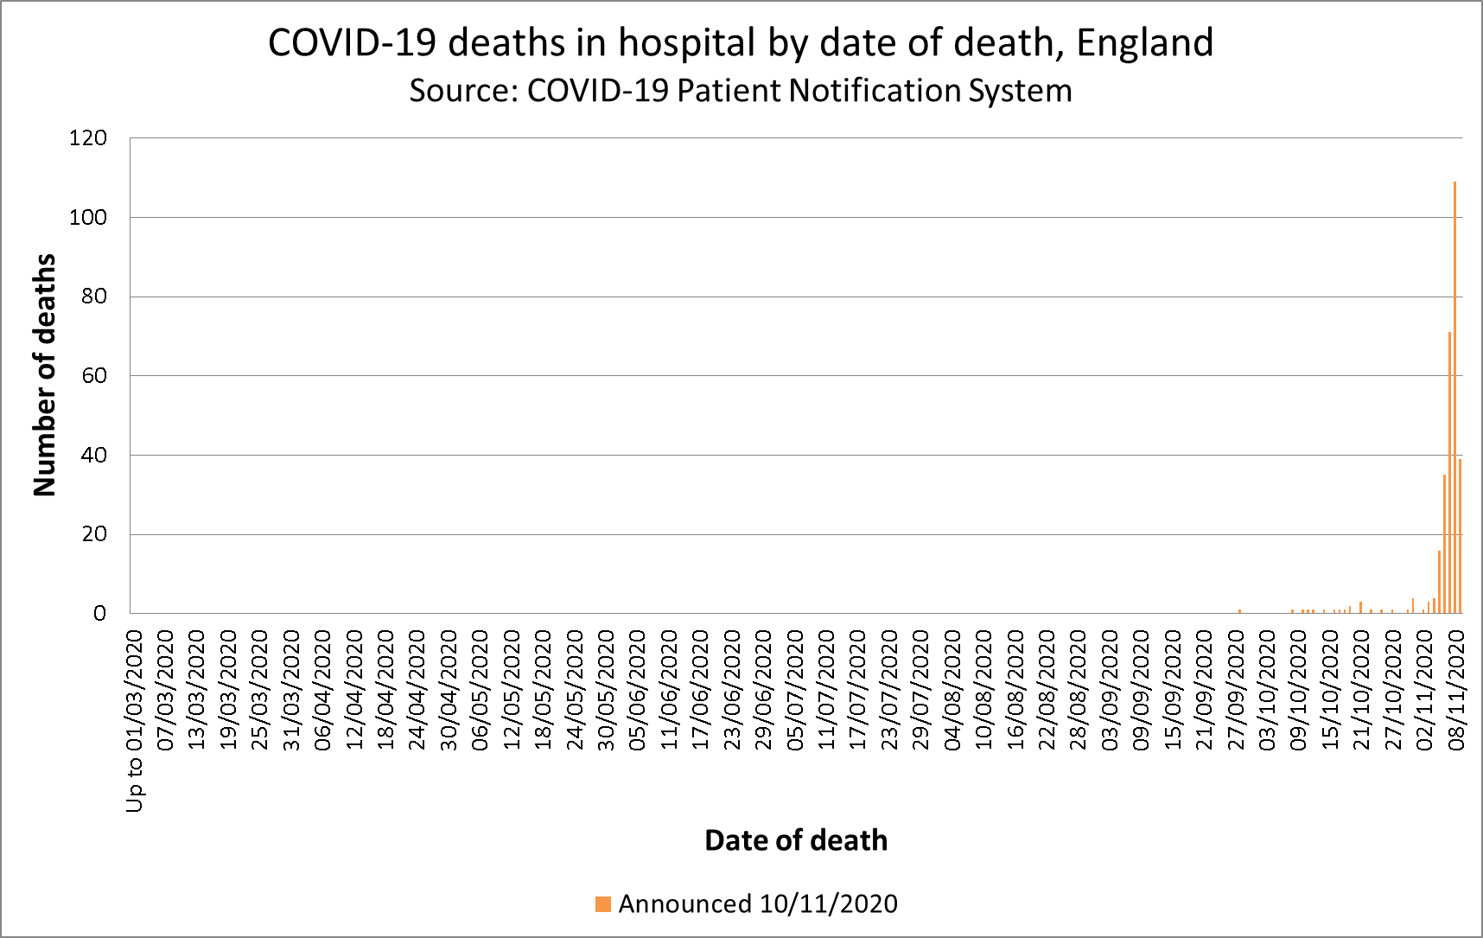
Title: | COVID-19 daily deaths by date of death
Summary: | Deaths of patients who have died in hospitals in England and have tested positive for COVID-19. All deaths are recorded against the date of death rather than the day the deaths were announced.
Period: | 4pm 08 November 2020 - 4pm 09 November 2020
Source: | COVID-19 Patient Notification System
Basis: | Provider
Published: | 10 November 2020
Revised: | 12 November, to account for over-reporting of one death in the original publication
Status: | Published
Contact: | england.covid19dailydeaths@nhs.net

Time series by date of death

