Fig1 Daily deaths
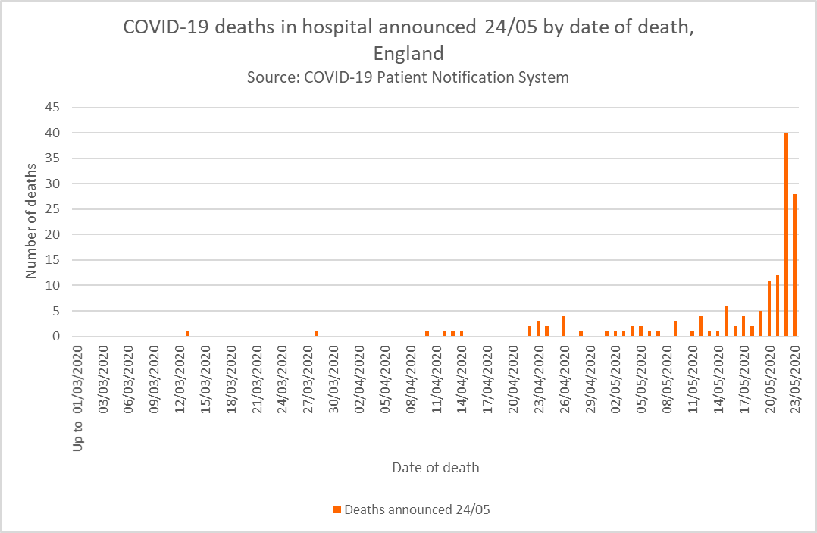
Title: | COVID-19 daily deaths by date of death | AE_Closures | AE_Closures
Summary: | Deaths of patients who have died in hospitals in England and have tested positive for Covid-19. All deaths are recorded against the date of death rather than the day the deaths were announced.
Period: | 5pm 22 May 2020 - 5pm 23 May 2020
Source: | COVID-19 Patient Notification System
Basis: | Provider
Published: | 24 May 2020
Revised: | -
Status: | Published
Contact: | england.covid19dailydeaths@nhs.net

Time series by date of death

