Definitions
 | # reports | # persons | Summary | Colours | Markers | Comment
Daily Top 10 | 1 | 10 | All runs for the daily top 10 | Different colour for each person. Light grey for non-top 10 | Larger marker for fastest run by each person
Personal Daily Best Runs | 1 | all | All runs for all persons | Different colour for each fleet / status - 10 in total | Larger marker for fastest run by each person

Youth Fleet Sailboard | 1 | 10 | All runs for top 10 youths | Different colour for each person. Light grey for non-top 10 | Larger marker for fastest run by each person
First Time Sailboard | 1 | 10 | All runs for top 10 first time sailboards | Different colour for each person. Light grey for non-top 10 | Larger marker for fastest run by each person
Amateur Sailboard | 1 | 10 | All runs for top 10 amateurs | Different colour for each person. Light grey for non-top 10 | Larger marker for fastest run by each person
Gold Fleet Sailboard | 1 | 10 | All runs for top 10 gold fleet | Different colour for each person. Light grey for non-top 10 | Larger marker for fastest run by each person
Pro Fleet Sailboard | 1 | 10 | All runs for top 10 pro fleet | Different colour for each person. Light grey for non-top 10 | Larger marker for fastest run by each person
Women's Fleet | 1 | 10 | All runs for top 10 women | Different colour for each person. Light grey for non-top 10 | Larger marker for fastest run by each person | Does not correspond to daily report - maybe consider a config change?
First Time Kite Fleet | 1 | 10 | All runs for top 10 first time kites | Different colour for each person. Light grey for non-top 10 | Larger marker for fastest run by each person
Kite Fleet | 1 | 10 | All runs for top 10 kites | Different colour for each person. Light grey for non-top 10 | Larger marker for fastest run by each person
First Time Wing Fleet | 1 | 10 | All runs for top 10 first time wings | Different colour for each person. Light grey for non-top 10 | Larger marker for fastest run by each person
Wing Fleet | 1 | 10 | All runs for top 10 wings | Different colour for each person. Light grey for non-top 10 | Larger marker for fastest run by each person
First Time Boat Fleet | 1 | 10 | All runs for top 10 first time boats | Different colour for each person. Light grey for non-top 10 | Larger marker for fastest run by each person
Boat Fleet | 1 | 10 | All runs for top 10 boats | Different colour for each person. Light grey for non-top 10 | Larger marker for fastest run by each person

Sailboards | 1 | 10 | All runs for top 10 sailboards | Different colour for each person. Light grey for non-top 10 | Larger marker for fastest run by each person | No daily report but maybe it should be added?

UKWA | 1 | 10 | All runs for top 10 persons | Different colour for each person. Light grey for non-top 10 | Larger marker for fastest 2 runs by each person
ISWC | 1 | 10 | All runs for top 10 persons | Different colour for each person. Light grey for non-top 10 | Larger marker for fastest 2 runs by each person

Grouping | # groups | all | All runs for the group | Different colour for each person / group | Larger marker for fastest run by each person | No daily report but maybe do scatter charts?

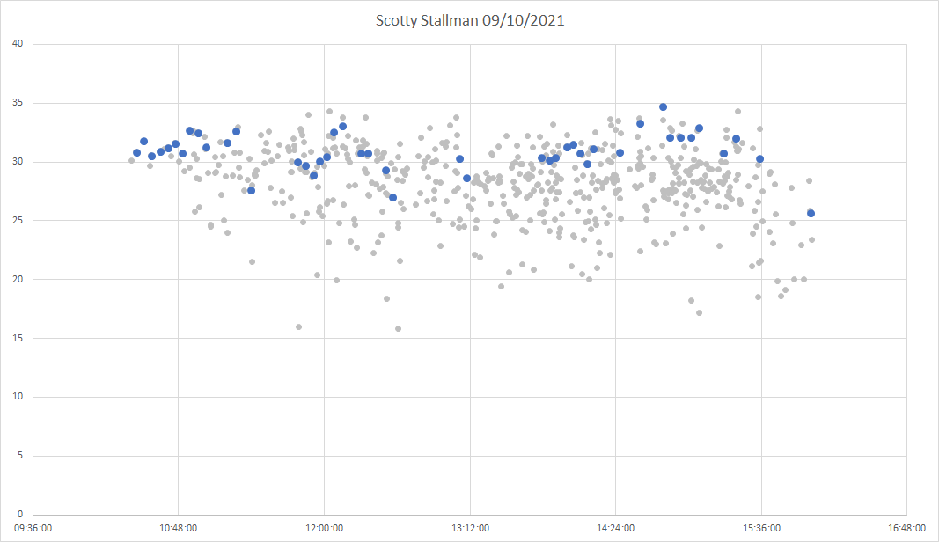
Individual | # persons | all | All runs for the craft + fleet | Greys for the craft + fleet. Blue for the person | Larger marker for fastest run by each person
UKWA Individual | # persons | all | All runs for all persons | Grey for the craft. Blue for the person | Larger marker for fastest 2 runs by each person
ISWC Individual | # persons | all | All runs for all persons | Grey for the craft. Blue for the person | Larger marker for fastest 2 runs by each person

