Top 6 All Runs x y
WSW Friday 11.10.19
 | James Battye |  | Jim Crossley |  | Mark Newman |  | Patrick Van Hoof |  | Pete Young |  | Scotty Stallman |  | Simon Pettifer
11:09:11 | 33.8 | 11:11:31 | 37.5 | 12:17:30 | 32.6 | 11:05:18 | 36.1 | 10:19:24 | 34.4 | 10:17:09 | 34.7 | 11:07:03 | 34.9
11:18:24 | 34.1 | 11:17:30 | 37.7 | 12:23:02 | 33.4 | 11:12:43 | 35.7 | 11:06:27 | 35.3 | 11:05:09 | 35.4 | 11:13:55 | 35.8
11:24:12 | 33.3 | 11:24:38 | 32.9 | 12:30:01 | 33.5 | 11:22:01 | 35.0 | 11:11:25 | 37.2 | 11:10:01 | 35.6 | 11:21:45 | 33.8
11:31:25 | 37.2 | 11:33:58 | 35.5 | 12:35:40 | 32.9 | 11:29:33 | 35.2 | 11:16:48 | 36.3 | 11:14:59 | 35.7 | 11:40:30 | 35.1
11:51:13 | 35.5 | 11:43:31 | 36.1 | 12:44:42 | 33.6 | 11:36:52 | 36.9 | 11:23:45 | 35.8 | 11:21:15 | 34.6 | 11:50:52 | 34.8
12:00:03 | 35.0 | 11:58:55 | 37.1 | 12:55:59 | 33.5 | 11:41:50 | 36.8 | 11:29:22 | 36.3 | 11:28:44 | 35.7 | 12:05:21 | 35.7
12:07:27 | 37.4 | 12:13:28 | 36.3 | 13:03:16 | 34.7 | 11:52:59 | 35.5 | 11:35:32 | 35.8 | 11:33:29 | 35.3 | 12:20:28 | 35.1
12:19:28 | 32.8 | 12:22:25 | 37.0 | 13:32:12 | 32.9 | 12:02:10 | 36.2 | 11:46:30 | 37.1 | 11:40:54 | 35.6 | 12:28:17 | 33.7
12:27:28 | 36.2 | 12:32:54 | 37.8 | 13:39:08 | 33.8 | 12:10:29 | 37.0 | 11:54:22 | 36.2 | 11:47:06 | 36.5 | 13:31:32 | 35.6
13:40:18 | 36.8 | 12:45:22 | 34.1 | 13:46:02 | 33.1 | 12:24:42 | 35.0 | 12:09:28 | 37.3 | 11:54:09 | 35.8 | 13:38:26 | 34.4
13:47:21 | 35.1 | 12:53:08 | 37.6 | 13:57:02 | 32.0 | 12:54:26 | 36.8 | 12:18:27 | 37.6 | 12:00:59 | 35.8 | 13:43:24 | 36.4
14:03:15 | 36.0 | 13:21:38 | 36.1 | 14:05:37 | 33.7 | 13:04:23 | 33.6 | 12:25:07 | 36.6 | 12:08:09 | 35.5 | 13:51:10 | 36.4
14:07:22 | 36.6 | 13:28:57 | 37.1 | 14:15:07 | 35.2 | 13:11:39 | 36.4 | 12:33:19 | 38.0 | 12:12:56 | 36.8 | 14:00:52 | 35.4
14:13:51 | 36.5 | 13:39:30 | 36.8 | 14:23:59 | 33.8 | 13:18:57 | 35.6 | 13:29:30 | 30.1 | 12:18:43 | 37.3 | 14:31:01 | 36.0
 |  | 13:48:57 | 37.0 | 14:33:56 | 33.2 | 13:58:36 | 35.5 | 13:46:47 | 35.3 | 12:25:33 | 36.8 | 14:39:17 | 34.6
 |  | 14:02:59 | 35.8 | 14:42:02 | 34.1 | 14:04:25 | 37.1 | 14:02:31 | 34.7 | 12:29:39 | 36.2 | 14:51:02 | 33.7
 |  | 14:11:44 | 36.1 | 14:48:52 | 34.3 | 14:11:06 | 35.5 | 14:08:54 | 35.3 | 12:36:05 | 35.5 | 15:01:38 | 33.6
 |  | 15:00:07 | 36.5 | 14:58:59 | 33.9 | 14:22:13 | 35.5 | 14:15:59 | 36.2 | 12:41:00 | 35.8 | 15:14:25 | 36.4
 |  | 15:07:07 | 37.2 | 15:17:53 | 33.0 | 14:30:22 | 35.9 | 15:09:04 | 36.4 | 12:48:12 | 37.6 | 15:23:43 | 34.4
 |  | 15:16:38 | 35.6 | 15:24:38 | 34.1 | 14:46:23 | 34.8 | 15:16:17 | 36.5 | 12:56:27 | 35.9 | 15:37:18 | 35.0
 |  | 15:25:56 | 35.1 | 15:29:27 | 33.6 | 14:58:12 | 34.6 | 15:25:05 | 35.0 | 13:07:09 | 37.0 | 15:46:29 | 34.3
 |  |  |  | 15:35:28 | 34.1 | 15:06:40 | 36.1 |  |  | 13:12:37 | 34.1 | 15:53:47 | 35.0
 |  |  |  | 15:41:19 | 33.8 | 15:18:41 | 34.5 |  |  | 13:38:49 | 36.6 | 15:59:08 | 34.9
 |  |  |  | 15:46:02 | 34.8 | 15:27:05 | 35.4 |  |  | 13:43:08 | 34.9
 |  |  |  | 15:52:06 | 34.9 | 15:36:23 | 35.1 |  |  | 13:49:19 | 36.2
 |  |  |  | 15:57:22 | 34.2 | 15:53:21 | 33.4 |  |  | 13:56:27 | 35.7
 |  |  |  |  |  | 16:00:13 | 33.9 |  |  | 14:03:40 | 35.8
 |  |  |  |  |  |  |  |  |  | 14:09:17 | 36.2
 |  |  |  |  |  |  |  |  |  | 14:13:29 | 36.6
 |  |  |  |  |  |  |  |  |  | 14:23:06 | 35.5
 |  |  |  |  |  |  |  |  |  | 14:28:09 | 36.4
 |  |  |  |  |  |  |  |  |  | 15:13:32 | 35.2
 |  |  |  |  |  |  |  |  |  | 15:23:09 | 34.7
 |  |  |  |  |  |  |  |  |  | 15:32:02 | 34.2
 |  |  |  |  |  |  |  |  |  | 15:42:04 | 33.9
 |  |  |  |  |  |  |  |  |  | 15:52:46 | 31.6
 |  |  |  |  |  |  |  |  |  | 15:59:37 | 35.1

Wind
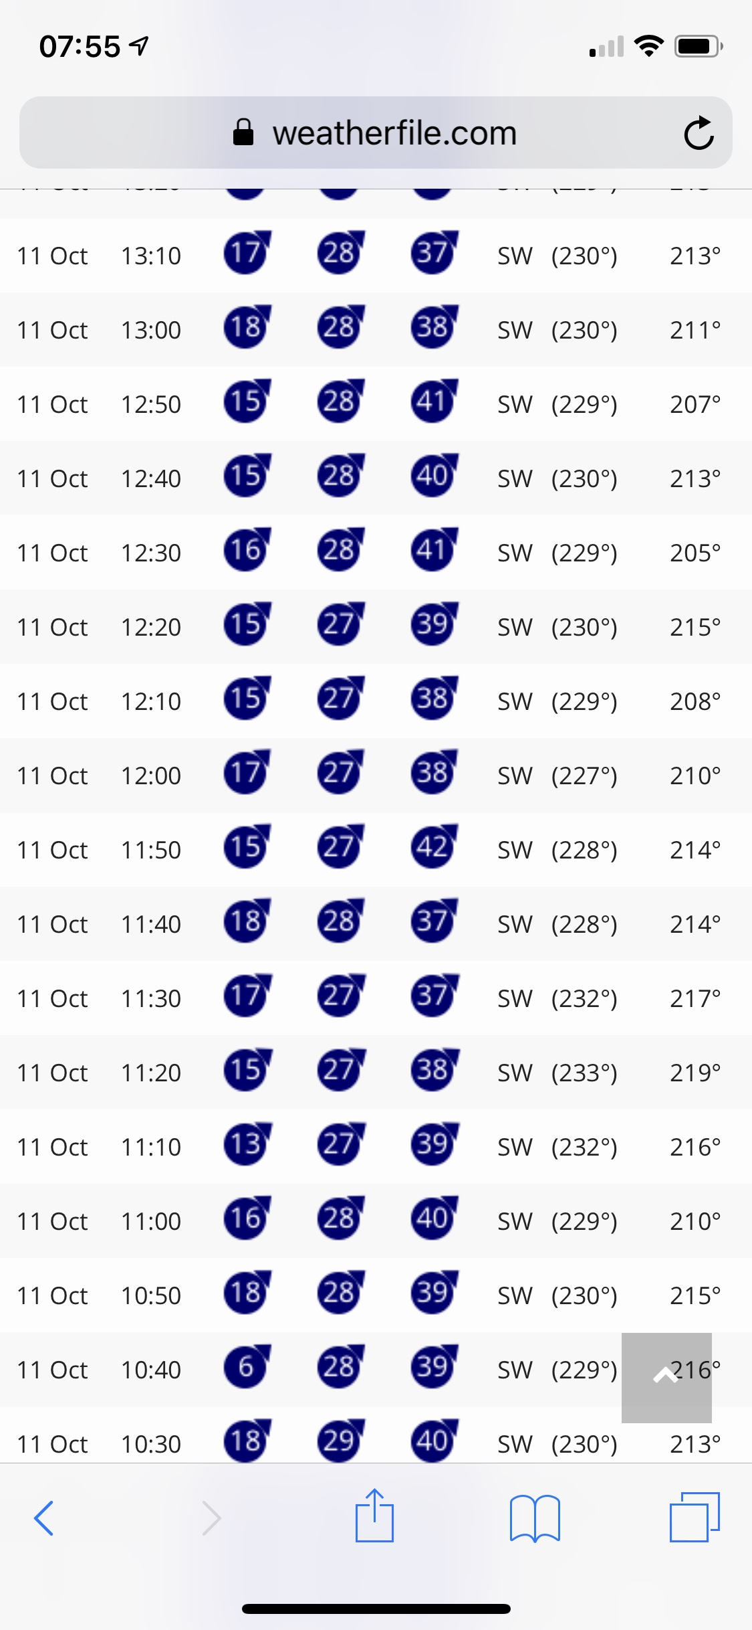
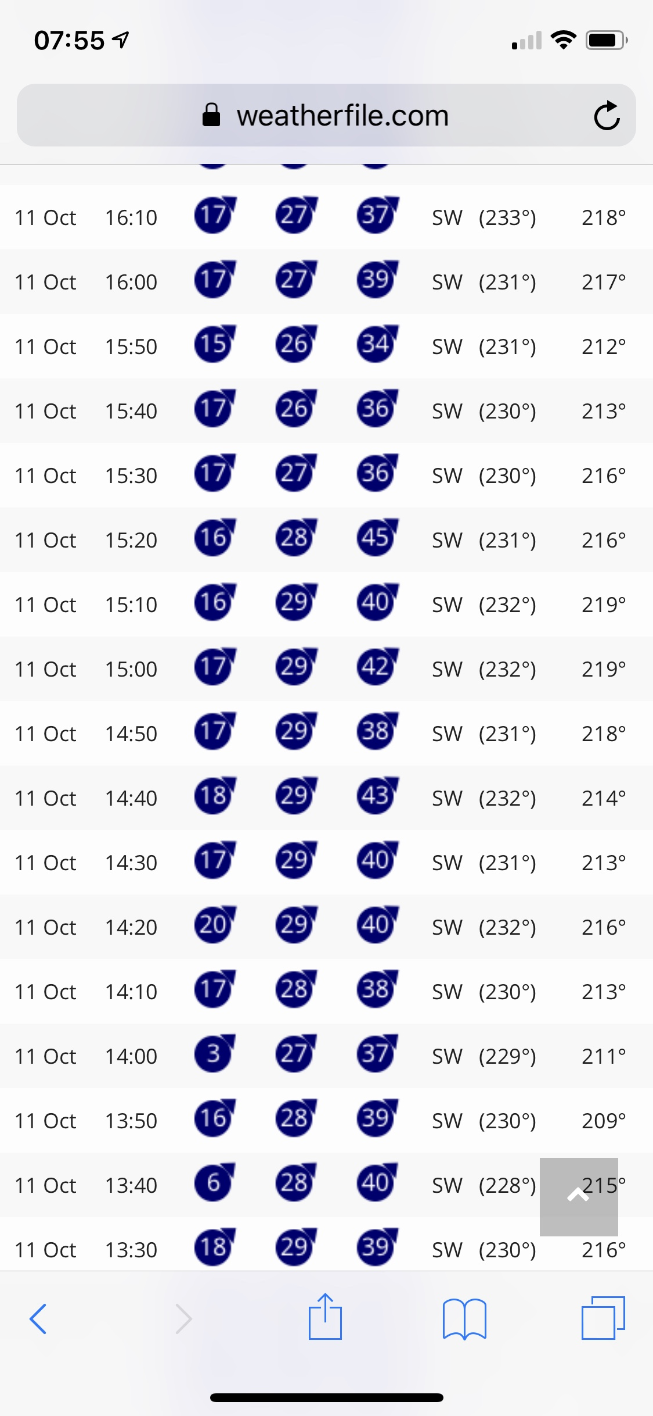

10:30:00 | 18 | 29 | 40 | 230
10:40:00 | 6 | 28 | 39 | 216
10:50:00 | 18 | 28 | 39 | 215
11:00:00 | 16 | 28 | 40 | 210
11:10:00 | 13 | 27 | 39 | 216
11:20:00 | 15 | 27 | 38 | 219
11:30:00 | 17 | 27 | 38 | 217
11:40:00 | 15 | 27 | 39 | 214
11:50:00 | 15 | 27 | 42 | 210
12:00:00 | 17 | 27 | 38 | 208
12:10:00 | 15 | 27 | 38 | 208
12:20:00 | 15 | 27 | 39 | 215
12:30:00 | 16 | 28 | 41 | 205
12:40:00 | 15 | 28 | 41 | 213
12:50:00 | 15 | 28 | 41 | 207
13:00:00 | 18 | 28 | 38 | 211
13:10:00 | 17 | 28 | 37 | 213
13:20:00 | 18 | 28 | 38 | 215
13:30:00 | 18 | 29 | 39 | 216
13:40:00 | 6 | 28 | 40 | 215
13:50:00 | 16 | 28 | 39 | 209
14:00:00 | 3 | 27 | 37 | 211
14:10:00 | 17 | 28 | 38 | 213
14:20:00 | 20 | 29 | 40 | 216
14:30:00 | 17 | 29 | 40 | 213
14:40:00 | 18 | 29 | 43 | 214
14:50:00 | 17 | 29 | 38 | 218
15:00:00 | 17 | 29 | 42 | 219
15:10:00 | 16 | 28 | 40 | 219
15:20:00 | 16 | 28 | 40 | 216
15:30:00 | 17 | 27 | 36 | 216
15:40:00 | 17 | 26 | 36 | 213
15:50:00 | 15 | 26 | 34 | 212
16:00:00 | 17 | 27 | 39 | 217
16:10:00 | 17 | 27 | 37 | 218

Top 20 Runs
Top 20 runs Top 6 Riders
 | Pete |  | Jim |  | Scott |  | James |  | Pat
12:33:19 | 38.0 | 12:32:54 | 37.8 | 12:48:12 | 37.6 | 12:07:27 | 37.4 | 14:04:25 | 37.1
12:18:27 | 37.6 | 11:17:30 | 37.7 | 12:18:43 | 37.3 | 11:31:25 | 37.2 | 12:10:29 | 37.0
12:09:28 | 37.3 | 12:53:08 | 37.6 | 13:07:09 | 37.0 |  |  | 14:04:25 | 37.1
11:11:25 | 37.2 | 11:11:31 | 37.5 |  |  |  |  | 12:10:29 | 37.0
11:46:30 | 37.1 | 15:07:07 | 37.2 |  |  |  |  | 12:10:29 | 37.0
 |  | 11:58:55 | 37.1
 |  | 13:28:57 | 37.1

Top 5 top 6
Top 6 Sailors; Best 5 runs
 | Pete |  | Jim |  | Scot |  | James |  | Pat |  | Si
12:33:19 | 38.0 | 12:32:54 | 37.8 | 12:48:12 | 37.6 | 12:07:27 | 37.4 | 14:04:25 | 37.1 | 15:14:25 | 36.4
12:18:27 | 37.6 | 11:17:30 | 37.7 | 12:18:43 | 37.3 | 11:31:25 | 37.2 | 12:10:29 | 37.0 | 13:51:10 | 36.4
12:09:28 | 37.3 | 12:53:08 | 37.6 | 13:07:09 | 37.0 | 13:40:18 | 36.8 | 11:36:52 | 36.9 | 13:43:24 | 36.4
11:11:25 | 37.2 | 11:11:31 | 37.5 | 12:25:33 | 36.8 | 14:07:22 | 36.6 | 11:41:50 | 36.8 | 14:31:01 | 36.0
11:46:30 | 37.1 | 15:07:07 | 37.2 | 12:12:56 | 36.8 | 14:13:51 | 36.5 | 12:54:26 | 36.8 | 11:13:55 | 35.8

