Sheet1
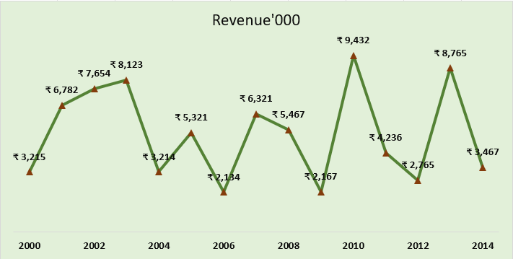

Create the exact chart as shown in the picture
Note:Do not use pivot tables

Date | Revenue'000
2000 | ₹ 3,215
2001 | ₹ 6,782
2002 | ₹ 7,654
2003 | ₹ 8,123
2004 | ₹ 3,214
2005 | ₹ 5,321
2006 | ₹ 2,134
2007 | ₹ 6,321
2008 | ₹ 5,467
2009 | ₹ 2,167
2010 | ₹ 9,432
2011 | ₹ 4,236
2012 | ₹ 2,765
2013 | ₹ 8,765
2014 | ₹ 3,467

Sheet2
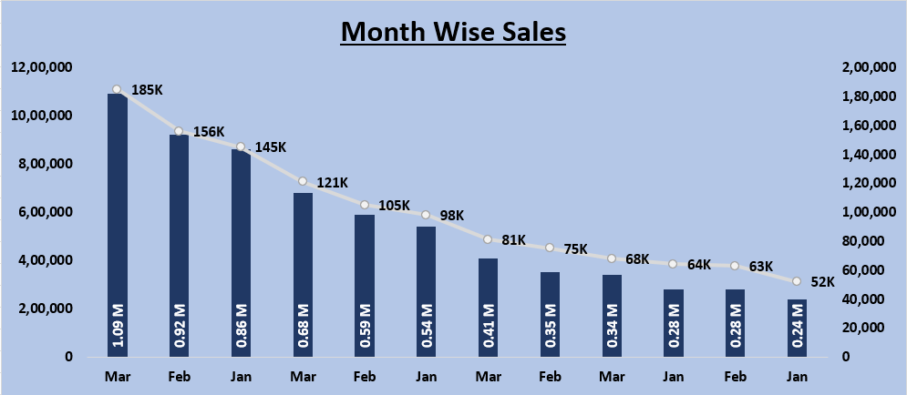

Create the exact chart as shown in the picture
Note:Do not use pivot tables

Month | Region | Product Category | Units Sold | Net Sales | Profit | Customer Rating
Mar | North | Electronics | 520 | 1,090,000 | 185,000 | 4.5
Feb | North | Electronics | 460 | 920,000 | 156,000 | 4.4
Jan | North | Electronics | 420 | 860,000 | 145,000 | 4.3
Mar | South | Furniture | 375 | 680,000 | 121,000 | 4.2
Feb | South | Furniture | 340 | 590,000 | 105,000 | 4.2
Jan | South | Furniture | 310 | 540,000 | 98,000 | 4.1
Mar | East | Clothing | 340 | 410,000 | 81,000 | 4.6
Feb | East | Clothing | 300 | 350,000 | 75,000 | 4.6
Mar | West | Home Decor | 260 | 340,000 | 68,000 | 4.1
Jan | East | Clothing | 250 | 280,000 | 64,000 | 4.5
Month Wise Sales
Feb | West | Home Decor | 210 | 280,000 | 63,000 | 4.1
Jan | West | Home Decor | 190 | 240,000 | 52,000 | 4

