Results
Necessary sizing time gives misleading values
Initial guess determines number of iteration needed to size borefield. When initial guess is closer to final value, total number of needed iteriation can be smaller. Therefore the sizing time for short-term method can be lower than for the standard L4 method. Initial guess for al options was 100m
 | L4 GHEtool standard
 | L [m] | tijd [s] | Rb* [m.K/W]
Auditorium | 184.27 | 6.55 | 0.16
Office | 209.25 | 14.44 | 0.167
Swimming pool | 240.57 | 3.97 | 0.177

 | L4 Dynamic model switching to FLS+CC |  |  |  | L4 Dynamic model switching to FLS+CC
 | L [m] | tijd [s] | Rb* [m.K/W] | tswitch [h] | L [m] | tijd [s] | Rb* [m.K/W] | tswitch [h]
Auditorium | 118.13 | 6.39 | 0.145 | 27.33 | 118.17 | 5.3 | 0.145 | 17.06
Office | 173.7 | 15.72 | 0.157 | 41.1 | 173.44 | 13.78 | 0.167 | 25.9
Swimming pool | 239.8 | 12.77 | 0.176 | 134.87 | 239.8 | 10.22 | 0.176 | 79.133

 | Modelica
 | L [m] | tijd [s] | Rb* [m.K/W]
Auditorium
Office
Swimming pool

Parameters
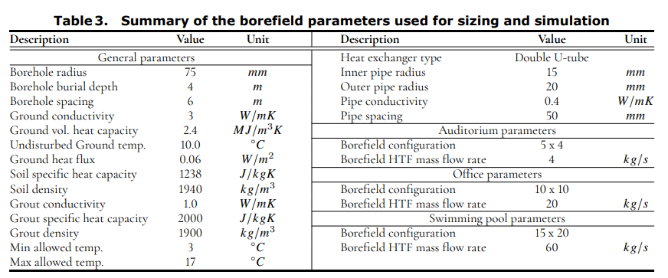
The different L4-model inclusing the short-term effects is validated based on three different buildings: an auditorium, an office and a swimming
pool. The three buildings were simulated previously in IESVE and the resulting heating and cooling demand profiles
were exported (Peere et al., 2023).
References:
-----------
- Meertens, L., Peere, W., and Helsen, L. (2024). Influence of short-term dynamic effects on geothermal borefield size.
In _Proceedings of International Ground Source Heat Pump Association Conference 2024_. Montreal (Canada), 28-30 May 2024.
https://doi.org/10.22488/okstate.24.000004
- Peere, W., L. Hermans, W. Boydens, and L. Helsen. 2023. Evaluation of the oversizing and computational speed of different
open-source borefield sizing methods. BS2023 Conference, Shanghai, China, April

