index
新增审批流
账户组 | 新增 | 更新 |  | 扩展
 | CST-CREATE-6460-0211 | CST-UPDATE-6460-0211 |  | CST-EXTEND-6460-0211

 | CST-CREATE-6460-0101

 | CST-CREATE-6460-0111

 | CST-CREATE-6460-

 | CST-CREATE-6460-0211

 | CST-CREATE-6460-0211

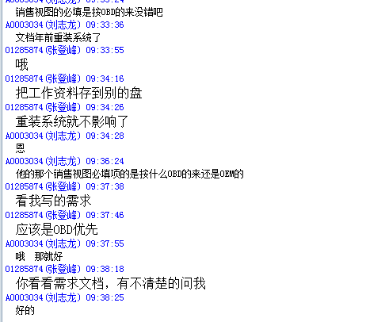
 |  |  | 0101
 |  |  | 0111
 |  |  | 0204
 |  |  | 0211
 |  |  | 0222
 |  |  | 0301
 |  |  | 0402
 |  |  | Z001

