index
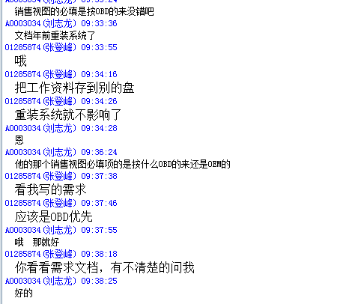
新增审批流
账户组 | 新增 | 更新 | 扩展
 | CST-CREATE-6460-0211 | CST-UPDATE-6460-0211 | CST-EXTEND-6460-0211

 | CST-CREATE-6460-0101

 | CST-CREATE-6460-0111

 | CST-CREATE-6460-

 | CST-CREATE-6460-0211

 | CST-CREATE-6460-0211

