导入逻辑修改
存储过程
 | 增加ExtendOEMPlant的批到
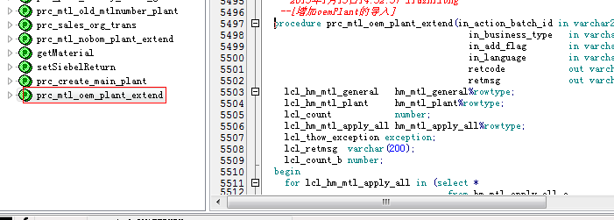

java文件
 | 增加ExtendOEMPlant的支持，并且将ExtendPlant迁移到ExtendHaierPlant

jsp文件
 | 增加ExtendOEMPlant的下载文件支持，并且将ExtendPlant迁移到ExtendHaierPlant

