Polynomial
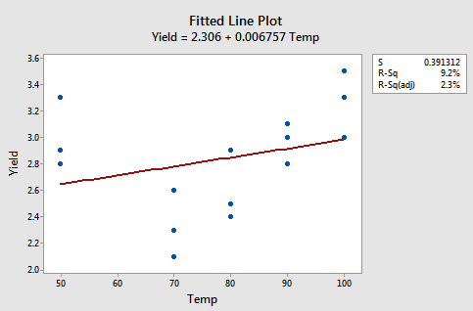
 | b0 | 0.011622236034
 | b1 | 0.06494369815
 | b2 | -0.00035482275409 |  | 0.20653760731

F Temperature | Temp ^2 | Yield | Predict | Error
50 | 2500 | 3.3 | 2.3717502583 | 0.86164758293
50 | 2500 | 2.8 | 2.3717502583 | 0.18339784125
50 | 2500 | 2.9 | 2.3717502583 | 0.27904778958
70 | 4900 | 2.3 | 2.8190496115 | 0.26941249922
70 | 4900 | 2.6 | 2.8190496115 | 0.047982732306
70 | 4900 | 2.1 | 2.8190496115 | 0.51703234382
80 | 6400 | 2.5 | 2.9362524619 | 0.1903162105
80 | 6400 | 2.9 | 2.9362524619 | 0.0013142409929
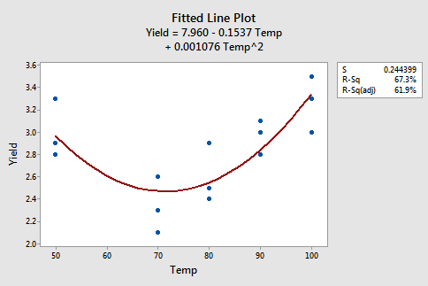
80 | 6400 | 2.4 | 2.9362524619 | 0.28756670288
90 | 8100 | 3 | 2.9824907614 | 0.00030657343487
90 | 8100 | 3.1 | 2.9824907614 | 0.013808421146
90 | 8100 | 2.8 | 2.9824907614 | 0.033302878012
100 | 10000 | 3.3 | 2.9577645102 | 0.11712513049
100 | 10000 | 3.5 | 2.9577645102 | 0.29401932642
100 | 10000 | 3 | 2.9577645102 | 0.0017838366004

 | 0.011+0.065*temp-0.00035*temp2

