Febrer_2023
 | Population | Species | Date | subpoblación | quadrat apuntat | quadrat real | size (cm) | Fertility (0-4) | comments | observer | mes coments
1 | PdS | Cystoseira crinita | 22/02/2023 | Cubeta nord | 1 | 1 | 1 | 0 |  | Cris | *Mides totals, no només dels cauloides (moltes vegades son iguals) | No toquem termòmetres
2 | PdS | Cystoseira crinita | 22/02/2023 | Cubeta nord | 1 |  | 1 | 0 |  | Cris
3 | PdS | Cystoseira crinita | 22/02/2023 | Cubeta nord | 1 |  | 1 | 0 |  | Cris
4 | PdS | Cystoseira crinita | 22/02/2023 | Cubeta nord | 1 |  | 1 | 0 |  | Cris
5 | PdS | Cystoseira crinita | 22/02/2023 | Cubeta nord | 1 |  | 1 | 0 |  | Cris
6 | PdS | Cystoseira crinita | 22/02/2023 | Cubeta nord | 1 |  | 0.5 | 0 |  | Cris |  | Cubeta nord
7 | PdS | Cystoseira crinita | 22/02/2023 | Cubeta nord | 1 |  | 0.5 | 0 |  | Cris |  | Extrem Nord, cubeta sud
8 | PdS | Cystoseira crinita | 22/02/2023 | Cubeta nord | 1 |  | 0.5 | 0 |  | Cris |  | Lateral terra de N a S
9 | PdS | Cystoseira crinita | 22/02/2023 | Cubeta nord | 2 | 2 | 1 | 0 |  | Cris |  | Extrem sud, cubeta sud
10 | PdS | Cystoseira crinita | 22/02/2023 | Cubeta nord | 2 |  | 1 | 0 |  | Cris |  | Lateral mar de N a S
11 | PdS | Cystoseira crinita | 22/02/2023 | Cubeta nord | 2 |  | 2 | 0 |  | Cris
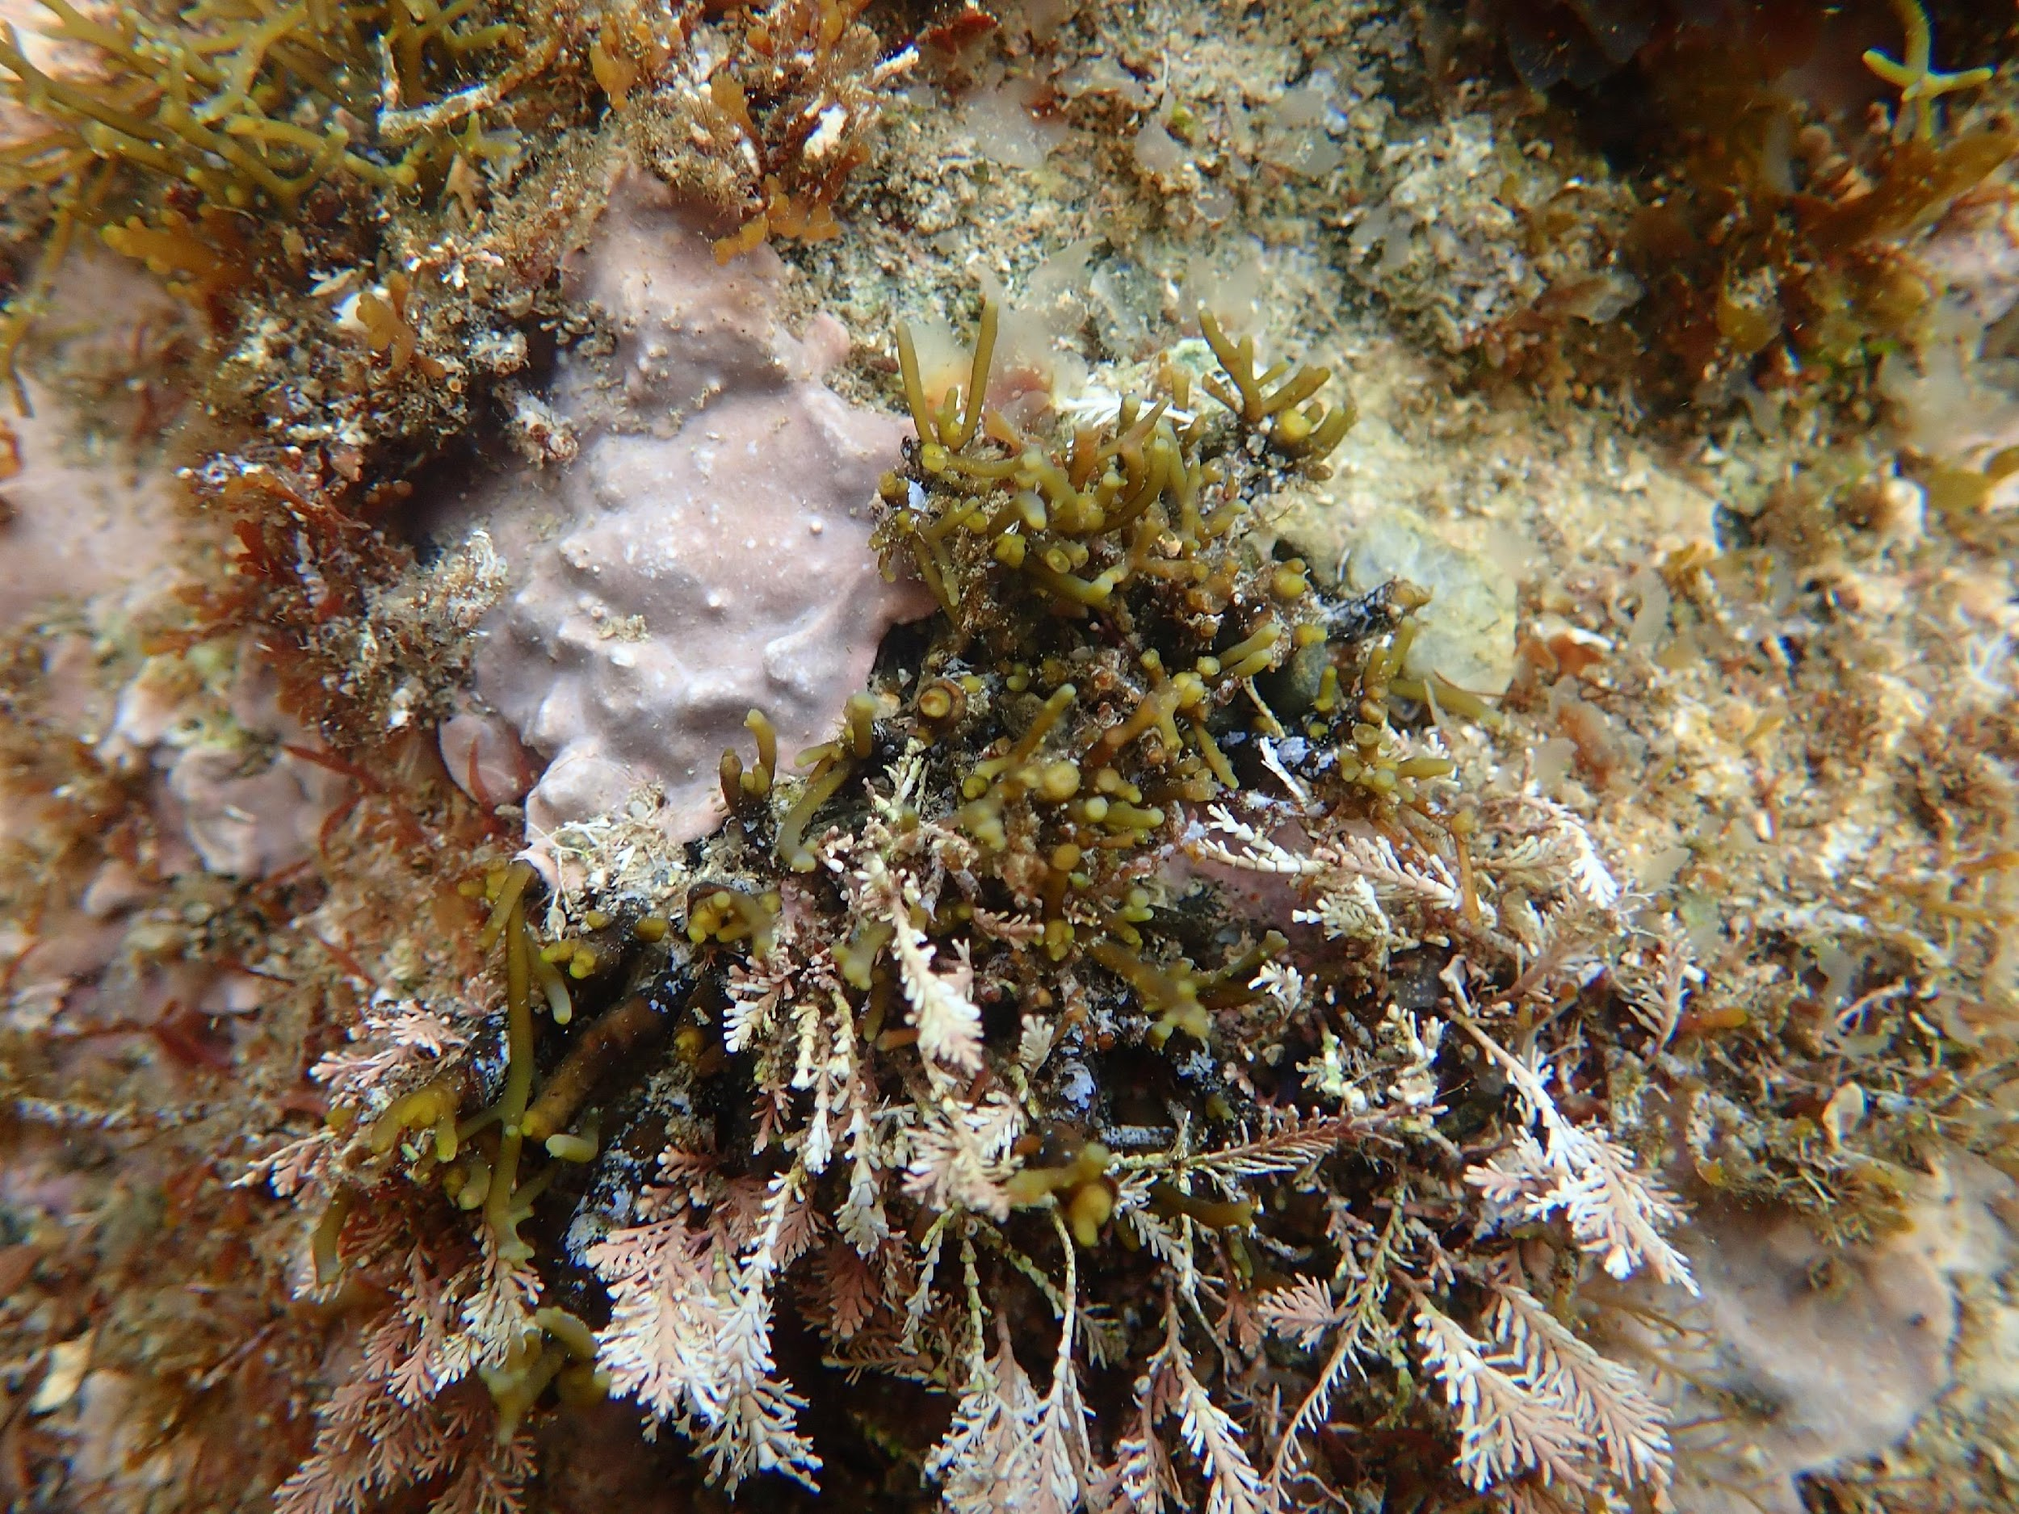
12 | PdS | Cystoseira crinita | 22/02/2023 | Cubeta nord | 2 |  | 0.5 | 0 |  | Cris | Els de 0.5 són menjats o reclutes? Verue fotos (Carpeta PortSelva 2023-03-23)
13 | PdS | Cystoseira crinita | 22/02/2023 | Cubeta nord | 2 |  | 0.5 | 0 |  | Cris
14 | PdS | Cystoseira crinita | 22/02/2023 | Cubeta nord | 2 |  | 0.5 | 0 |  | Cris
15 | PdS | Cystoseira crinita | 22/02/2023 | Cubeta nord | 2 |  | 0.5 | 0 |  | Cris
16 | PdS | Cystoseira crinita | 22/02/2023 | Cubeta nord | 2 |  | 0.5 | 0 |  | Cris
17 | PdS | Cystoseira crinita | 22/02/2023 | Cubeta nord | 2 |  | 0.5 | 0 |  | Cris
18 | PdS | Cystoseira crinita | 22/02/2023 | Cubeta nord | 2 |  | 0.5 | 0 |  | Cris
19 | PdS | Cystoseira crinita | 22/02/2023 | Cubeta nord | 2 |  | 0.5 | 0 |  | Cris
20 | PdS | Cystoseira crinita | 22/02/2023 | Cubeta nord | 2 |  | 0.5 | 0 |  | Cris
21 | PdS | Cystoseira crinita | 22/02/2023 | Cubeta nord | 2 |  | 0.5 | 0 |  | Cris
22 | PdS | Cystoseira crinita | 22/02/2023 | Cubeta nord | 2 |  | 0.5 | 0 |  | Cris
23 | PdS | Cystoseira crinita | 22/02/2023 | Cubeta nord | 2 |  | 0.5 | 0 |  | Cris
24 | PdS | Cystoseira crinita | 22/02/2023 | Cubeta nord | 2 |  | 0.5 | 0 |  | Cris
25 | PdS | Cystoseira crinita | 22/02/2023 | Cubeta nord | 2 |  | 0.5 | 0 |  | Cris
26 | PdS | Cystoseira crinita | 22/02/2023 | Cubeta nord | 3 | 3 | 5 | 0 |  | Pol Ortiz
27 | PdS | Cystoseira crinita | 22/02/2023 | Cubeta nord | 3 |  | 6 | 0 |  | Pol Ortiz
28 | PdS | Cystoseira crinita | 22/02/2023 | Cubeta nord | 3 |  | 6 | 0 |  | Pol Ortiz
29 | PdS | Cystoseira crinita | 22/02/2023 | Cubeta nord | 3 |  | 7 | 0 |  | Pol Ortiz
30 | PdS | Cystoseira crinita | 22/02/2023 | Cubeta nord | 3 |  | 4 | 0 |  | Pol Ortiz
31 | PdS | Cystoseira crinita | 22/02/2023 | Cubeta nord | 3 |  | 6 | 0 |  | Pol Ortiz
32 | PdS | Cystoseira crinita | 22/02/2023 | Cubeta nord | 3 |  | 11 | 0 |  | Pol Ortiz
33 | PdS | Cystoseira crinita | 22/02/2023 | Cubeta nord | 3 |  | 8 | 0 |  | Pol Ortiz
34 | PdS | Cystoseira crinita | 22/02/2023 | Cubeta nord | 3 |  | 7 | 0 |  | Pol Ortiz
35 | PdS | Cystoseira crinita | 22/02/2023 | Cubeta nord | 4 | 4 | 3 | 0 |  | Pol Ortiz
36 | PdS | Cystoseira crinita | 22/02/2023 | Cubeta nord | 4 |  | 5 | 0 |  | Pol Ortiz
37 | PdS | Cystoseira crinita | 22/02/2023 | Cubeta nord | 4 |  | 6 | 0 |  | Pol Ortiz
38 | PdS | Cystoseira crinita | 22/02/2023 | Cubeta nord | 4 |  | 4 | 0 |  | Pol Ortiz
39 | PdS | Cystoseira crinita | 22/02/2023 | Cubeta nord | 4 |  | 5 | 0 |  | Pol Ortiz
40 | PdS | Cystoseira crinita | 22/02/2023 | Cubeta nord | 4 |  | 3 | 0 |  | Pol Ortiz
41 | PdS | Cystoseira crinita | 22/02/2023 | Cubeta nord | 4 |  | 4 | 0 |  | Pol Ortiz
42 | PdS | Cystoseira crinita | 22/02/2023 | Extrem Nord, cubeta sud | 1 | 5 | 3 | 0 |  | Cèlia
43 | PdS | Cystoseira crinita | 22/02/2023 | Extrem Nord, cubeta sud | 1 |  | 3 | 0 |  | Cèlia
44 | PdS | Cystoseira crinita | 22/02/2023 | Extrem Nord, cubeta sud | 1 |  | 4 | 0 |  | Cèlia
45 | PdS | Cystoseira crinita | 22/02/2023 | Extrem Nord, cubeta sud | 1 |  | 8 | 0 |  | Cèlia
46 | PdS | Cystoseira crinita | 22/02/2023 | Extrem Nord, cubeta sud | 1 |  | 5 | 0 |  | Cèlia
47 | PdS | Cystoseira crinita | 22/02/2023 | Extrem Nord, cubeta sud | 1 |  | 7 | 0 |  | Cèlia
51 | PdS | Cystoseira crinita | 22/02/2023 | Extrem Nord, cubeta sud | 3 | 6 | 10 | 0 |  | Cèlia
52 | PdS | Cystoseira crinita | 22/02/2023 | Extrem Nord, cubeta sud | 3 |  | 7 | 0 |  | Cèlia
53 | PdS | Cystoseira crinita | 22/02/2023 | Extrem Nord, cubeta sud | 3 |  | 5 | 0 |  | Cèlia
54 | PdS | Cystoseira crinita | 22/02/2023 | Extrem Nord, cubeta sud | 3 |  | 6 | 0 |  | Cèlia
55 | PdS | Cystoseira crinita | 22/02/2023 | Extrem Nord, cubeta sud | 3 |  | 6 | 0 |  | Cèlia
56 | PdS | Cystoseira crinita | 22/02/2023 | Extrem Nord, cubeta sud | 3 |  | 6 | 0 |  | Cèlia
57 | PdS | Cystoseira crinita | 22/02/2023 | Extrem Nord, cubeta sud | 3 |  | 9 | 0 |  | Cèlia
58 | PdS | Cystoseira crinita | 22/02/2023 | Extrem Nord, cubeta sud | 5 | 7 | 6 | 0 |  | Cèlia
59 | PdS | Cystoseira crinita | 22/02/2023 | Extrem Nord, cubeta sud | 5 |  | 2 | 0 |  | Cèlia
60 | PdS | Cystoseira crinita | 22/02/2023 | Extrem Nord, cubeta sud | 5 |  | 1 | 0 |  | Cèlia
61 | PdS | Cystoseira crinita | 22/02/2023 | Extrem Nord, cubeta sud | 5 |  | 6 | 0 |  | Cèlia
76 | PdS | Cystoseira crinita | 22/02/2023 | Extrem Nord, cubeta sud | 8 | 9 | 11 | 0 |  | Cèlia
77 | PdS | Cystoseira crinita | 22/02/2023 | Extrem Nord, cubeta sud | 8 |  | 8 | 0 |  | Cèlia
79 | PdS | Cystoseira crinita | 22/02/2023 | Extrem Nord, cubeta sud | 8 |  | 3 | 0 |  | Cèlia
88 | PdS | Cystoseira crinita | 22/02/2023 | Lateral terra de N a S | 1 | 10 | 5 | 0 |  | Cèlia
93 | PdS | Cystoseira crinita | 22/02/2023 | Lateral terra de N a S | 2 |  | 4 | 0 |  | Cèlia
94 | PdS | Cystoseira crinita | 22/02/2023 | Lateral terra de N a S | 2 |  | 7 | 0 |  | Cèlia
105 | PdS | Cystoseira crinita | 22/02/2023 | Lateral terra de N a S | 6 | 11 | 4 | 0 |  | Cèlia
112 | PdS | Cystoseira crinita | 22/02/2023 | Lateral terra de N a S | 8 | 12 | 7 | 0 |  | Cèlia
113 | PdS | Cystoseira crinita | 22/02/2023 | Lateral terra de N a S | 8 |  | 7 | 0 |  | Cèlia
114 | PdS | Cystoseira crinita | 22/02/2023 | Lateral terra de N a S | 8 |  | 8 | 0 |  | Cèlia
122 | PdS | Cystoseira crinita | 22/02/2023 | Lateral terra de N a S | 11 | 14 | 2 | 0 |  | Cèlia
123 | PdS | Cystoseira crinita | 22/02/2023 | Lateral terra de N a S | 11 |  | 4 | 0 |  | Cèlia
124 | PdS | Cystoseira crinita | 22/02/2023 | Lateral terra de N a S | 11 |  | 6 | 0 |  | Cèlia
125 | PdS | Cystoseira crinita | 22/02/2023 | Lateral terra de N a S | 11 |  | 6 | 0 |  | Cèlia
126 | PdS | Cystoseira crinita | 22/02/2023 | Lateral terra de N a S | 11 |  | 8 | 0 |  | Cèlia
127 | PdS | Cystoseira crinita | 22/02/2023 | Lateral mar de N a S | 13 | 15 | 6 | 0 |  | Cris
128 | PdS | Cystoseira crinita | 22/02/2023 | Lateral mar de N a S | 13 |  | 7 | 0 |  | Cris
129 | PdS | Cystoseira crinita | 22/02/2023 | Lateral mar de N a S | 13 |  | 13 | 0 |  | Cris
142 | PdS | Cystoseira crinita | 22/02/2023 | Lateral mar de N a S | 7 | 17 | 1 | 0 |  | Cris
143 | PdS | Cystoseira crinita | 22/02/2023 | Lateral mar de N a S | 7 |  | 1 | 0 |  | Cris
144 | PdS | Cystoseira crinita | 22/02/2023 | Lateral mar de N a S | 7 |  | 10 | 1 |  | Cris
145 | PdS | Cystoseira crinita | 22/02/2023 | Lateral mar de N a S | 7 |  | 9 | 0 |  | Cris
146 | PdS | Cystoseira crinita | 22/02/2023 | Lateral mar de N a S | 7 |  | 10 | 0 |  | Cris
147 | PdS | Cystoseira crinita | 22/02/2023 | Lateral mar de N a S | 7 |  | 5 | 0 |  | Cris
148 | PdS | Cystoseira crinita | 22/02/2023 | Lateral mar de N a S | 7 |  | 2 | 0 |  | Cris
149 | PdS | Cystoseira crinita | 22/02/2023 | Lateral mar de N a S | 7 |  | 3 | 0 |  | Cris
150 | PdS | Cystoseira crinita | 22/02/2023 | Lateral mar de N a S | 7 |  | 1 | 0 |  | Cris
151 | PdS | Cystoseira crinita | 22/02/2023 | Lateral mar de N a S | 7 |  | 2 | 0 |  | Cris
157 | PdS | Cystoseira crinita | 22/02/2023 | Lateral mar de N a S | 4 | 18 | 6 | 0 |  | Cris
158 | PdS | Cystoseira crinita | 22/02/2023 | Lateral mar de N a S | 4 |  | 1 | 0 |  | Cris
159 | PdS | Cystoseira crinita | 22/02/2023 | Lateral mar de N a S | 4 |  | 1 | 0 |  | Cris
160 | PdS | Cystoseira crinita | 22/02/2023 | Lateral mar de N a S | 4 |  | 1 | 0 |  | Cris
161 | PdS | Cystoseira crinita | 22/02/2023 | Lateral mar de N a S | 4 |  | 1 | 0 |  | Cris
162 | PdS | Cystoseira crinita | 22/02/2023 | Lateral mar de N a S | 4 |  | 6 | 0 |  | Cris
163 | PdS | Cystoseira crinita | 22/02/2023 | Lateral mar de N a S | 4 |  | 7 | 0 |  | Cris
172 | PdS | Cystoseira crinita | 22/02/2023 | Lateral mar de N a S | 2 | 19 | 10 | 0 |  | Cris
173 | PdS | Cystoseira crinita | 22/02/2023 | Lateral mar de N a S | 2 |  | 9 | 0 |  | Cris
174 | PdS | Cystoseira crinita | 22/02/2023 | Lateral mar de N a S | 2 |  | 12 | 0 |  | Cris
175 | PdS | Cystoseira crinita | 22/02/2023 | Lateral mar de N a S | 2 |  | 14 | 0 |  | Cris
176 | PdS | Cystoseira crinita | 22/02/2023 | Lateral mar de N a S | 2 |  | 8 | 0 |  | Cris
177 | PdS | Cystoseira crinita | 22/02/2023 | Lateral mar de N a S | 2 |  | 9 | 0 |  | Cris
178 | PdS | Cystoseira crinita | 22/02/2023 | Extrem sud, cubeta sud | 2 | 20 | 0.5 | 0 |  | Cris
179 | PdS | Cystoseira crinita | 22/02/2023 | Extrem sud, cubeta sud | 2 |  | 1 | 0 |  | Cris
180 | PdS | Cystoseira crinita | 22/02/2023 | Extrem sud, cubeta sud | 2 |  | 5 | 0 |  | Cris
181 | PdS | Cystoseira crinita | 22/02/2023 | Extrem sud, cubeta sud | 2 |  | 1 | 0 |  | Cris
182 | PdS | Cystoseira crinita | 22/02/2023 | Extrem sud, cubeta sud | 2 |  | 1 | 0 |  | Cris
183 | PdS | Cystoseira crinita | 22/02/2023 | Extrem sud, cubeta sud | 2 |  | 12 | 0 |  | Cris
184 | PdS | Cystoseira crinita | 22/02/2023 | Extrem sud, cubeta sud | 2 |  | 3 | 0 |  | Cris
185 | PdS | Cystoseira crinita | 22/02/2023 | Extrem sud, cubeta sud | 2 |  | 3 | 0 |  | Cris
193 | PdS | Cystoseira crinita | 22/02/2023 | Extrem sud, cubeta sud | 4 | 21 | 5 | 0 |  | Cris
194 | PdS | Cystoseira crinita | 22/02/2023 | Extrem sud, cubeta sud | 4 |  | 3 | 0 |  | Cris
195 | PdS | Cystoseira crinita | 22/02/2023 | Extrem sud, cubeta sud | 4 |  | 1 | 0 |  | Cris
196 | PdS | Cystoseira crinita | 22/02/2023 | Extrem sud, cubeta sud | 4 |  | 6 | 0 |  | Cris
197 | PdS | Cystoseira crinita | 22/02/2023 | Extrem sud, cubeta sud | 4 |  | 5 | 0 |  | Cris
198 | PdS | Cystoseira crinita | 22/02/2023 | Extrem sud, cubeta sud | 4 |  | 2 | 0 |  | Cris
199 | PdS | Cystoseira crinita | 22/02/2023 | Extrem sud, cubeta sud | 4 |  | 5 | 0 |  | Cris
208 | PdS | Cystoseira crinita | 22/02/2023 | Extrem sud, cubeta sud | 7 | 22 | 2 | 0 |  | Cris
220 | PdS | Cystoseira crinita | 22/02/2023 | Extrem sud, cubeta sud | 9 | 23 | 6 | 0 |  | Cris
221 | PdS | Cystoseira crinita | 22/02/2023 | Extrem sud, cubeta sud | 9 |  | 5 | 0 |  | Cris
222 | PdS | Cystoseira crinita | 22/02/2023 | Extrem sud, cubeta sud | 9 |  | 4 | 0 |  | Cris
223 | PdS | Cystoseira crinita | 22/02/2023 | Extrem sud, cubeta sud | 9 |  | 9 | 0 |  | Cris
224 | PdS | Cystoseira crinita | 22/02/2023 | Extrem sud, cubeta sud | 9 |  | 12 | 0 |  | Cris
225 | PdS | Cystoseira crinita | 22/02/2023 | Extrem sud, cubeta sud | 9 |  | 5 | 0 |  | Cris
48 | PdS | Cystoseira elegans | 22/02/2023 | Extrem Nord, cubeta sud | 1 |  | 3 | 0 |  | Cèlia
49 | PdS | Cystoseira elegans | 22/02/2023 | Extrem Nord, cubeta sud | 1 |  | 2.5 | 0 |  | Cèlia
50 | PdS | Cystoseira elegans | 22/02/2023 | Extrem Nord, cubeta sud | 1 |  | 4 | 0 |  | Cèlia
62 | PdS | Cystoseira elegans | 22/02/2023 | Extrem Nord, cubeta sud | 5 |  | 1 | 0 |  | Cèlia
63 | PdS | Cystoseira elegans | 22/02/2023 | Extrem Nord, cubeta sud | 5 |  | 1.5 | 0 |  | Cèlia
64 | PdS | Cystoseira elegans | 22/02/2023 | Extrem Nord, cubeta sud | 5 |  | 3 | 0 |  | Cèlia
65 | PdS | Cystoseira elegans | 22/02/2023 | Extrem Nord, cubeta sud | 6 | 8 | 2 | 0 |  | Cèlia
66 | PdS | Cystoseira elegans | 22/02/2023 | Extrem Nord, cubeta sud | 6 |  | 1 | 0 |  | Cèlia
67 | PdS | Cystoseira elegans | 22/02/2023 | Extrem Nord, cubeta sud | 6 |  | 2 | 0 |  | Cèlia
68 | PdS | Cystoseira elegans | 22/02/2023 | Extrem Nord, cubeta sud | 6 |  | 1.5 | 0 |  | Cèlia
69 | PdS | Cystoseira elegans | 22/02/2023 | Extrem Nord, cubeta sud | 6 |  | 1 | 0 |  | Cèlia
70 | PdS | Cystoseira elegans | 22/02/2023 | Extrem Nord, cubeta sud | 6 |  | 1 | 0 |  | Cèlia
71 | PdS | Cystoseira elegans | 22/02/2023 | Extrem Nord, cubeta sud | 6 |  | 1.5 | 0 |  | Cèlia
72 | PdS | Cystoseira elegans | 22/02/2023 | Extrem Nord, cubeta sud | 6 |  | 1 | 0 |  | Cèlia
73 | PdS | Cystoseira elegans | 22/02/2023 | Extrem Nord, cubeta sud | 6 |  | 1 | 0 |  | Cèlia
...

