Sheet1
Color codes

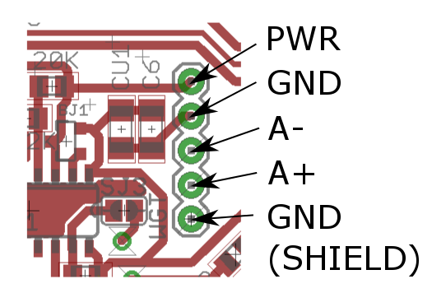
Load cells
 | SENSOR | MOTHERBOARD
1 | red |  | PWR (N$5)
2 | black |  | GND
3 | white |  | A-
4 | green |  | A+
5 |  |  | GND (Shield)

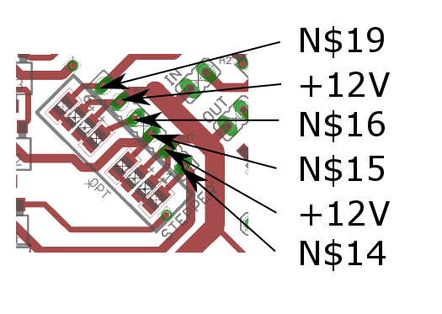
Stepper
 | MOTOR | MOTHERBOARD
1 | red |  | N$14
2 | black |  | +12V
3 | white |  | N$15
4 | green |  | N$16
5 | blue |  | +12V
6 | yellow |  | N$19

