Single
Stock Analysis Tool
Ticker Symbol: | aapl
Time Period: | 5 Years

Status: | Analysis complete for AAPL!

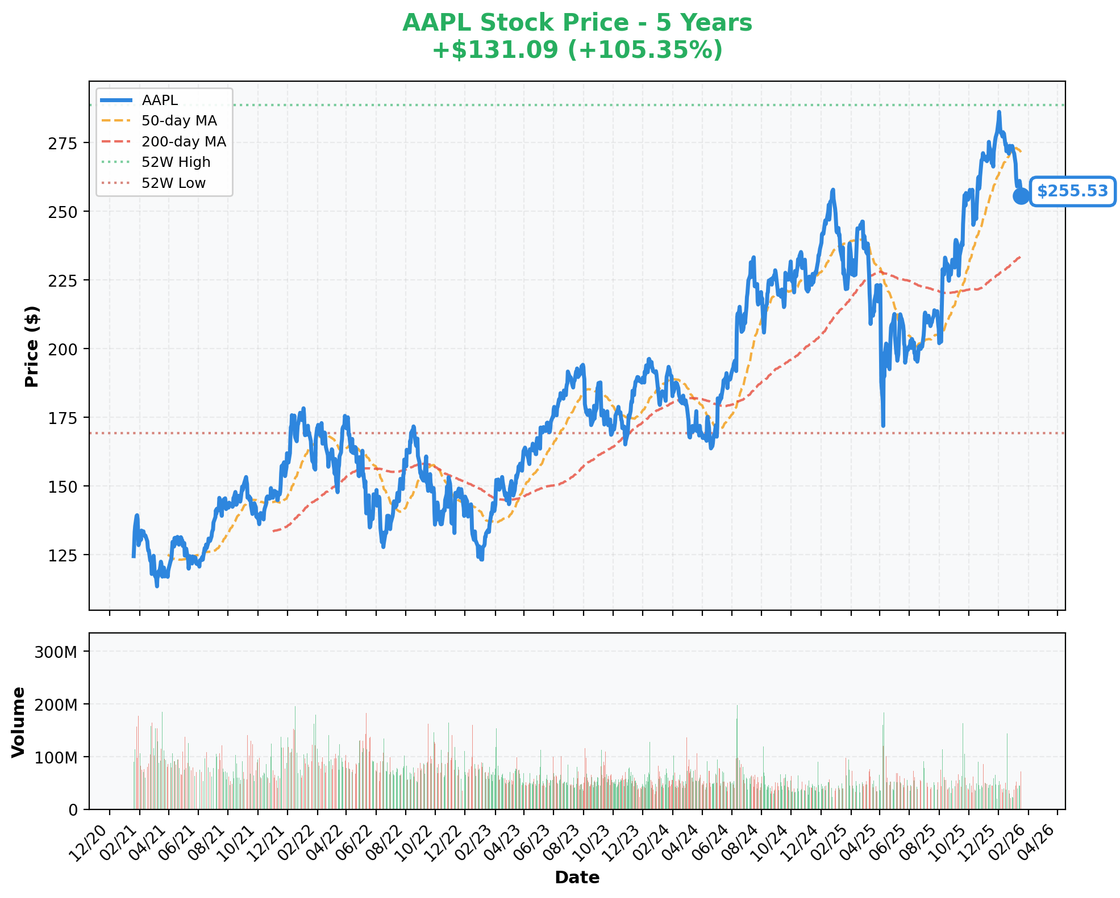
STOCK ANALYSIS: AAPL
Company: Apple Inc.
Sector: Technology | Industry: Consumer Electronics
Analysis Date: 2026-01-19 19:53

KEY METRICS

INCOME STATEMENT
Revenue (TTM) | $416.16B
Net Income (TTM) | $112.01B
Operating Income (TTM) | $133.05B
EBITDA (TTM) | $144.75B

PROFITABILITY & MARGINS
Profit Margin | 26.92%
Operating Margin | 31.97%
EBITDA Margin | 34.78%
Return on Equity (ROE) | 171.42%

GROWTH
Revenue Growth (YoY) | 7.90%
Earnings Growth (YoY) | 91.20%

VALUATION
Current Price | 256
Market Cap | $3.78T
52-Week High | $288.62
52-Week Low | $169.21
Distance from 52W High | -11.47%
P/E Ratio | 34.25
Forward P/E | 2798.00%
Price to Sales (P/S) | 907.00%

DIVIDENDS
Dividend Yield | 41.00%
Payout Ratio | 13.67%

RISK
Beta | 1.09

Compare
Compare Stocks
Stock 1: | rklb
Stock 2: | tsm
Stock 3: | amd
Time Period: | 1 Year

Status: | ✓ Comparison complete!

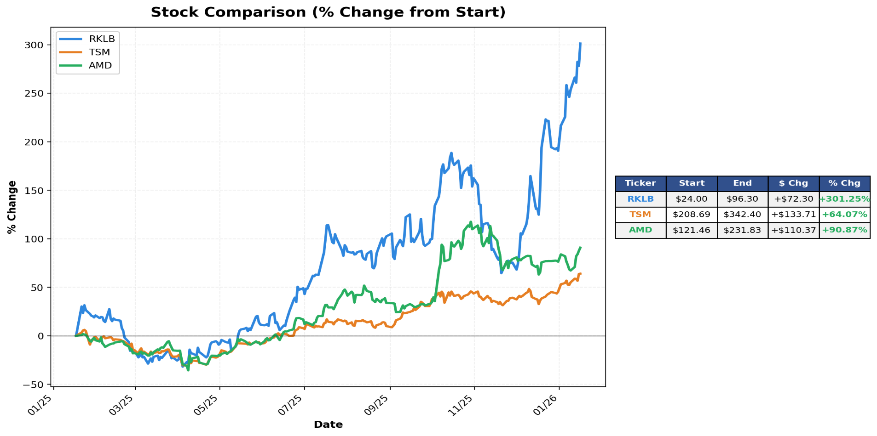
STOCK COMPARISON

Metric | RKLB | TSM | AMD
Company Name | Rocket Lab Corporation | Taiwan Semiconductor Manufacturing Company Limited | Advanced Micro Devices, Inc.
INCOME STATEMENT
Revenue (TTM) | $436.21M | $2.89T | $25.79B
Net Income (TTM) | -$190.18M | $1.16T | $1.64B
Operating Income (TTM) | -$189.80M | $1.32T | $2.09B
EBITDA (TTM) | -$151.80M | $2.08T | $5.26B

PROFITABILITY & MARGINS
Profit Margin | -43.60% | 40.02% | 6.36%
Operating Margin | -43.51% | 45.68% | 8.09%
EBITDA Margin | -34.80% | 71.84% | 20.39%
Return on Equity (ROE) | -23.24% | 35.22% | 5.32%

GROWTH
Revenue Growth (YoY) | 48.00% | 20.50% | 35.60%
Earnings Growth (YoY) | N/A | 40.60% | 60.30%

VALUATION
Current Price | $96.30 | $342.40 | $231.83
Market Cap | $51.44B | $1.78T | $377.43B
52-Week High | $99.58 | $351.33 | $267.08
52-Week Low | $14.71 | $134.25 | $76.48
Distance from 52W High | -3.29% | -2.54% | -13.20%
P/E Ratio | N/A | 32.67 | 122.02
Forward P/E | -825.4 | 1902.00% | 3527.00%
Price to Sales (P/S) | 9276.00% | 47.00% | 1178.00%

DIVIDENDS
Dividend Yield | N/A | 98.00% | N/A
Payout Ratio | 0.00% | 28.73% | 0.00%

RISK
Beta | 2.17 | 1.27 | 1.95

