Hárok1
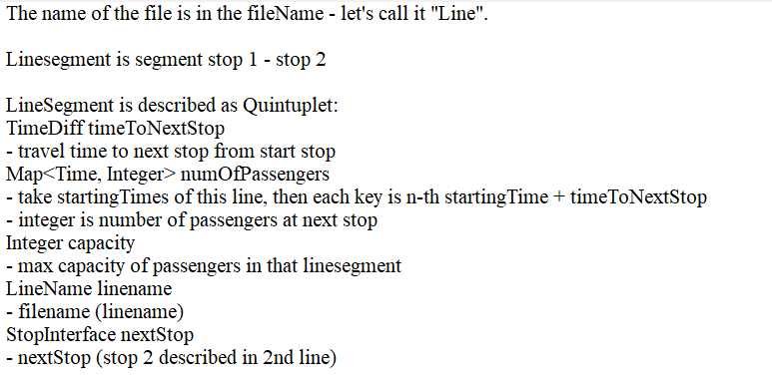
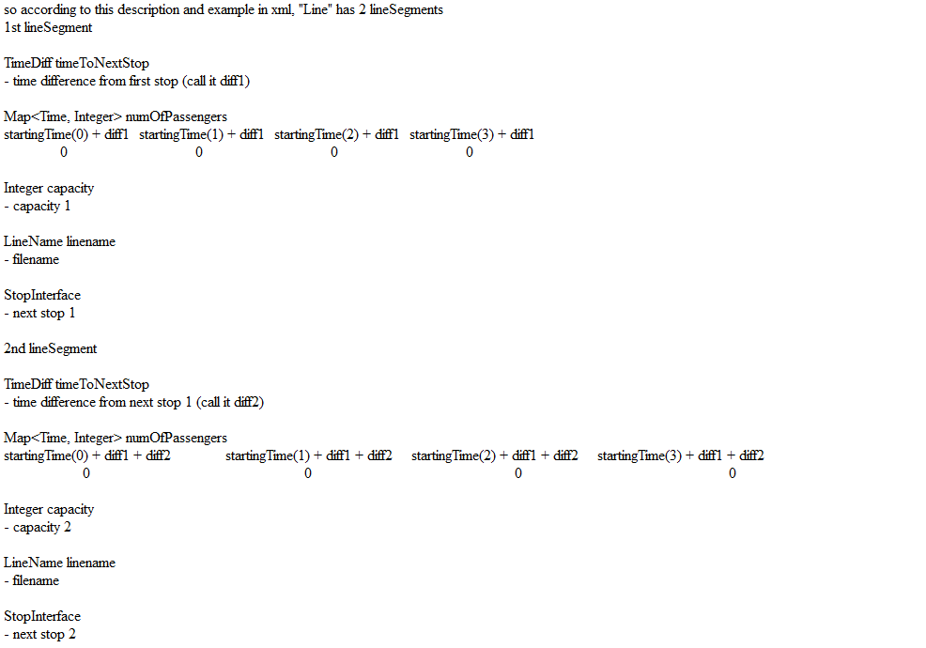
Stop | Time Difference from previous stop | Capacity | Starting Times and Number of Passengers
first stop
next stop 1 | time difference from first stop | capacity 1 | 0 | 0 | 0 | 0
next stop 2 | time difference from next stop 1 | capacity 2 | 0 | 0 | 0 | 0

