Sheet1
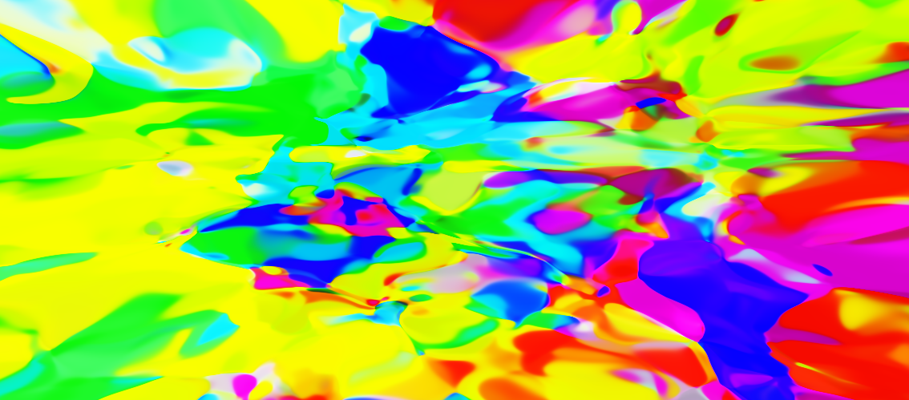
Inputs | Outputs | Bias | Layer | Activation | Image Name | Image1
2 | 256 | TRUE | Linear@71 | Tanh@48 | Scale | 1
256 | 128 | FALSE | Linear@70 | Tanh@49 | Offset | -0.5
128 | 64 | FALSE | Linear@72 | Tanh@52 | Seed | 459
64 | 32 | FALSE | Linear@73 | Tanh@50
32 | 16 | FALSE | Linear@74 | Tanh@51 | Network | NN@16
16 | 8 | FALSE | Linear@75 | Tanh@53 | Run | [Image1]
8 | 3 | FALSE | Linear@76 | Sigmoid@7

