data1
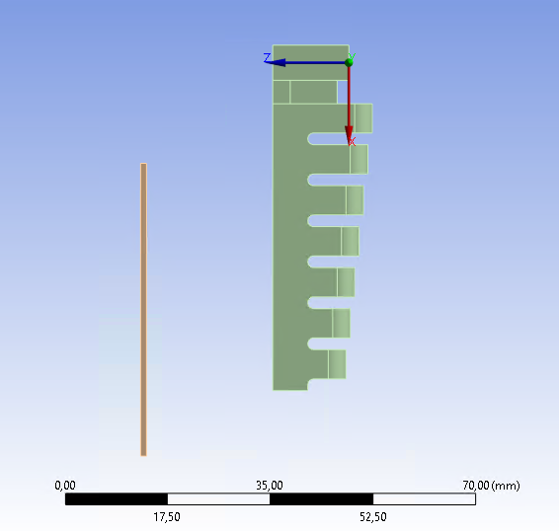
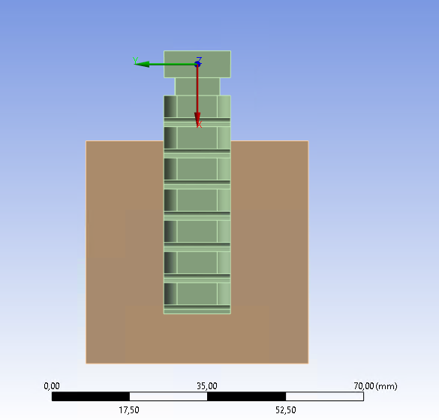
Fingertip (FT) (considered as the midpoint of the final edge) positions and rotations are evaluated with respect the RS reported in figures. The only significant rotation is the one about y axis (P7). The only significant displacements are the X,Z components.
# | P2 - Pressure [MPa] | P13 - Distance [mm] | P3 - X Average | P4 - Y Average [mm] | P5 - Z Average [mm] | P6 - my_rotx | P7 - my_roty | P8 - my_rotz | P9 - Contact force X Axis [N] | P10 - Contact force Y Axis [N] | P11 - Contact force Z Axis [N] | P12 - Contact force Total [N]
Name | P2 | P13 | P3 | P4 | P5 | P6 | P7 | P8 | P9 | P10 | P11 | P12
DP 0 | 0 | 17.5 | 56.003298819301918 | 0.052006635360728026 | 13.00123218771364 | 9.684233E-06 | -0.002514021725 | 1.8639013E-05 | 0 | 0 | 0 | 0
DP 1 | 0.01 | 17.5 | 53.634199484184492 | -0.057822213541 | 24.561743655240889 | 0.032373077448 | -24.408125443 | 0.15766971556 | 0 | 0 | 0 | 0
DP 2 | 0.02 | 17.5 | 48.564507826164473 | -0.10890860579 | 34.052384533918257 | 0.16320975454 | -47.164924111 | 0.16913006814 | -8.72E-13 | 2.4631290223880315E-16 | -1.92E-13 | 8.9281816197465769E-13
DP 3 | 0.03 | 17.5 | 47.762110455826033 | -0.1042328908 | 34.666258254087325 | 0.22560238864 | -54.548430419 | 0.27514182319 | 0.026902600954351784 | 0.00086148686135 | 0.087293455962 | 0.091348998634646808
DP 4 | 0.04 | 17.5 | 47.358171804741133 | -0.14006462557 | 34.656815209424849 | 0.1431366946 | -60.688110193 | 0.069962919421 | 0.033607368452834858 | 0.00093610435935 | 0.1845519547994236 | 0.18758932679122411
DP 5 | 0.05 | 17.5 | 46.789128049209822 | -0.13069926676 | 34.644191422498579 | 0.15271985097 | -67.323591306 | 0.26204027837 | 0.015214965466430586 | 0.00051209947397 | 0.28248561508389003 | 0.2828955286838935
DP 6 | 0.06 | 17.5 | 46.162672742202986 | -0.099009872098 | 34.626280226743575 | 0.15810285907 | -74.142202475 | -0.011737891952 | -0.029062538532 | 0.00032627483991 | 0.3753257065359884 | 0.37644936390957739
DP 7 | 0.07 | 17.5 | 45.605863555267561 | -0.14090584699 | 34.604064383542891 | 0.34939507528 | -79.733793806 | 0.46493177811 | -0.096939636514 | 0.0018783531168 | 0.46017088168040116 | 0.47027445357
DP 8 | 0.08 | 17.5 | 45.608788593605269 | -0.1415467939 | 34.540569463 | 0.33785230405 | -81.912728352 | 0.35728061812 | -0.12774130737 | 0.0015311356136 | 0.54329532096611977 | 0.55811288443192264
DP 9 | 0.09 | 17.5 | 45.632119043663252 | -0.10940232248 | 34.371321836 | 0.50426325091 | -84.152152921 | 0.50480132484 | -0.1858417617 | -0.00016319854718 | 0.62728599108321514 | 0.65423612070411419
DP 10 | 0.1 | 17.5 | 45.374184354141462 | -0.10500152273 | 33.915706076658125 | 0.70550530398 | -88.387945249 | 0.2849527439 | -0.27106497489 | -0.00049044875417 | 0.69805229884243625 | 0.74883474349916945
DP 11 | 0 | 18.5 | 56.003299486718234 | 0.052010527694 | 13.001225216880584 | 4.780317E-06 | -0.002490074131 | 1.1130089E-05 | 0 | 0 | 0 | 0
DP 12 | 0.01 | 18.5 | 53.645251645639647 | -0.039331721175 | 24.563409605062361 | 0.053697087565 | -24.282860729 | 0.10929387387 | 0 | 0 | 0 | 0
DP 13 | 0.02 | 18.5 | 48.860398693874586 | -0.11171529678 | 33.638249077833052 | 0.26959515067 | -46.288117805 | 0.18125036634 | 0.001328506847 | 7.9982013945006317E-07 | 0.0031317135758 | 0.0034018467048
DP 14 | 0.03 | 18.5 | 48.472963377 | -0.10290308649 | 33.67502204421794 | 0.25073744979 | -52.740404629 | -0.073441401382 | 0.034162251394405242 | 0.00080908763051 | 0.099394100665515447 | 0.10510424011539687
Distance P13
DP 15 | 0.04 | 18.5 | 48.093916936710585 | -0.12181537555 | 33.665247836149092 | 0.17387254442 | -58.787216016 | -0.032396414389 | 0.043031089197831107 | 0.00054805599883 | 0.19735955818956105 | 0.20199695594663866
DP 16 | 0.05 | 18.5 | 47.605444176986921 | -0.20919190886 | 33.650184788740034 | 0.11571766373 | -65.270507434 | 0.14853330337 | 0.026861772440791465 | 0.0010578713099 | 0.29575283776602423 | 0.2969720777396847
DP 17 | 0.06 | 18.5 | 47.029751642540205 | -0.077830705359 | 33.635424771345015 | 0.24884818511 | -71.839750686 | 0.55683288108 | -0.015612651726 | 0.00036037496915 | 0.39086951628109889 | 0.39118136908837758
FT
DP 18 | 0.07 | 18.5 | 46.342223032310713 | -0.086876565623 | 33.614288487 | 0.3141766108 | -78.436034669 | 0.10553627211 | -0.078104649156 | 0.00086180031856 | 0.48642533239 | 0.49265675973014283
DP 19 | 0.08 | 18.5 | 46.313091023758162 | -0.10996171416 | 33.560898699796553 | 0.22728861557 | -80.928277619 | 0.27013833475 | -0.12907132017 | 0.00076114348621 | 0.56428437336866166 | 0.57885822017032618
DP 20 | 0.09 | 18.5 | 46.161505921676863 | -0.077612432684 | 33.435393729246016 | 0.56494191511 | -83.71052343 | 0.64061364764 | -0.14812219472 | -0.0022845208291 | 0.66907698734045506 | 0.68528054006
DP 21 | 0.1 | 18.5 | 46.069218381241072 | -0.10492373634 | 33.067455210721846 | 0.61662784155 | -87.145600015 | -0.085271557719 | -0.24456786078 | -0.00139977063 | 0.73120137437037935 | 0.77101935628598883
DP 22 | 0 | 19.5 | 56.003298912383244 | 0.052011181793263361 | 13.001232962282984 | 7.952968E-06 | -0.002506648832 | 1.1196535E-05 | 0 | 0 | 0 | 0
DP 23 | 0.01 | 19.5 | 53.620736821487654 | -0.033591102376 | 24.618490376508589 | 0.002373118144 | -24.440421849 | 0.096135208801 | 0 | 0 | 0 | 0
DP 24 | 0.02 | 19.5 | 49.476265652969587 | -0.071028793031 | 32.67147223 | 0.17262210634 | -44.58554543 | 0.18389135561 | 0.0075279952024 | 0.00016417113036 | 0.014461853485407367 | 0.016304688594392186
DP 25 | 0.03 | 19.5 | 49.14998035033058 | -0.086954646544 | 32.683337369001265 | 0.24067541974 | -50.915971864 | 0.097655737336 | 0.042293961502 | 0.00047038066007 | 0.11181571704252845 | 0.11954812844707377
DP 26 | 0.04 | 19.5 | 48.799880488708723 | -0.10772800565 | 32.676006951368208 | 0.12534301548 | -57.107195675 | -0.048348619627 | 0.051434439180878366 | 0.00043266126277 | 0.21000823365982246 | 0.21621551039307604
DP 27 | 0.05 | 19.5 | 48.360273643329847 | -0.093321236262 | 32.658268370664473 | 0.26945897107 | -63.166358854 | -0.089840550057 | 0.039140458952928052 | 0.00047949370006 | 0.3098924625 | 0.31235483629737254
DP 28 | 0.06 | 19.5 | 47.782804115608442 | -0.10166093559 | 32.639888205564375 | 0.34874607683 | -69.898159341 | -0.12398574901 | -0.0029408211505 | 0.00084911509792 | 0.40730319277843596 | 0.40731469439856516
DP 29 | 0.07 | 19.5 | 47.153022154 | -0.112897947 | 32.620494046247359 | 0.42776058557 | -76.086007528 | 0.35196534878 | -0.059453071035 | 0.0016322610507 | 0.49907041837480226 | 0.50260184483184611
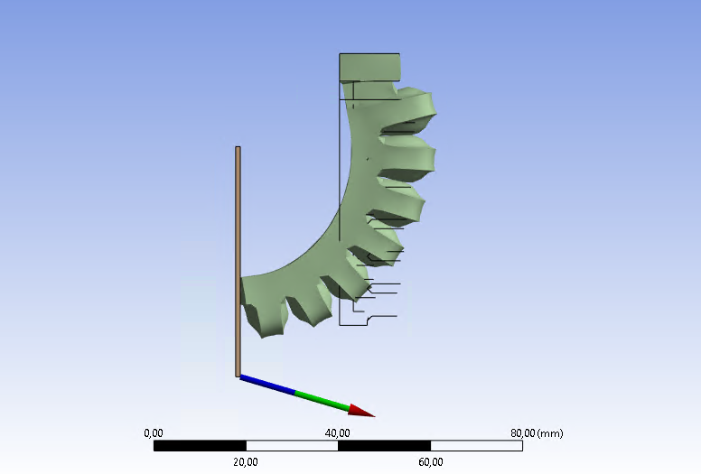
DP 30 | 0.08 | 19.5 | 46.974035581 | -0.091134466711 | 32.609679781949873 | 0.14637741446 | -78.827614432 | 0.16043332146 | -0.12428385756 | 0.0001504531296 | 0.59013877937614978 | 0.60308397326552909
Example of interaction of the soft finger with the plane
DP 31 | 0.09 | 19.5 | 46.874035581 | -0.071134466711 | 32.587679781949873 | 0.046377414464 | -80.827614432 | 0.121 | -0.13428385756 | 0.0001404531296 | 0.62013877937614978 | 0.60308397326552909
DP 32 | 0.1 | 19.5 | 46.721475346878279 | -0.059859490055 | 32.222063221967574 | 0.84593021183 | -85.729564179 | 0.26337141105 | -0.22767208976 | -0.0027530833108 | 0.75226813814204307 | 0.78597042666287908
DP 33 | 0 | 20.5 | 56.003298196484494 | 0.052009444507 | 13.001241409189561 | 3.632705E-06 | -0.002533118439 | 1.2897014E-05 | 0 | 0 | 0 | 0
DP 34 | 0.01 | 20.5 | 53.616973652437437 | -0.032675668164 | 24.611238398588057 | 0.047400734809 | -24.516169396 | 0.11318752402 | 0 | 0 | 0 | 0
DP 35 | 0.02 | 20.5 | 50.070551379516829 | -0.14156636413 | 31.687248148954268 | -1.696295557 | -42.902889857 | 1.311503088 | 0.016797981673636418 | 0.00032920381959 | 0.026668127634356879 | 0.031519352705679224
DP 36 | 0.03 | 20.5 | 50.138208671406019 | -0.10062902727 | 31.670106806791182 | 0.048198039326 | -47.136994304 | 0.28548739397 | -0.0030850062802 | 0.00048317630321 | 0.085296212261740847 | 0.085353351130980956
DP 37 | 0.04 | 20.5 | 49.463111980751265 | -0.095176656589 | 31.674415268934126 | 0.28919354206 | -55.119937995 | 0.092670972324 | 0.061244736686693238 | 0.0014383322694 | 0.22007046853 | 0.22843817038474398
DP 38 | 0.05 | 20.5 | 49.076265378788221 | -0.066247878163 | 31.665716090238448 | 0.27794471012 | -61.220291903 | 0.098862147926 | 0.050026156011985762 | 0.001144180955 | 0.32073680862702192 | 0.32461673685076703
DP 39 | 0.06 | 20.5 | 48.558670683696974 | -0.10212322491 | 31.647384800947066 | 0.32608779108 | -68.066077458 | 0.35572699198 | 0.010340483440260569 | 0.0017191910493 | 0.41722691537538603 | 0.41735857500391893
DP 40 | 0.07 | 20.5 | 47.922889931991804 | -0.093241154249 | 31.623979249036665 | 0.75069347866 | -74.905236248 | 0.083467696388 | -0.056321189597 | 0.0019588272362 | 0.51631666809425847 | 0.51938311019295336
DP 41 | 0.08 | 20.5 | 47.610921605 | -0.10488740963 | 31.606063284910078 | 0.49174643147 | -79.49734689 | 0.06396857968 | -0.13061481349 | 0.0017482808686 | 0.60190259673222457 | 0.61591397284251281
DP 42 | 0.09 | 20.5 | 47.409260495498884 | -0.096966811489 | 31.521089472806807 | 0.47299830245 | -82.024156167 | 0.60361626657 | -0.15466798148 | 0.00011449290306 | 0.71043243239636455 | 0.72707388799460659
DP 43 | 0.1 | 20.5 | 47.432571395233381 | -0.042988804435 | 31.31257668975627 | 0.82359666737 | -84.551305927 | 0.34776416984 | -0.21630726076 | -0.0030488542925 | 0.78068577151313978 | 0.81010394420261644
DP 44 | 0 | 21.5 | 56.00329843 | 0.052008303915501486 | 13.001244779907893 | 3.887898E-06 | -0.002529629512 | 1.571915E-05 | 0 | 0 | 0 | 0
DP 45 | 0.01 | 21.5 | 53.612422241762388 | -0.053999459869 | 24.642130293882246 | -2.81E-05 | -24.456694085 | 0.12058029323 | 0 | 0 | 0 | 0
DP 46 | 0.02 | 21.5 | 50.769118472 | -0.10342371653 | 30.665288605726118 | 0.07678296097 | -40.363138591 | 0.24912695966 | -0.0037525560603 | 0.00016963093952 | 0.020160975692715483 | 0.020507934867344785
DP 47 | 0.03 | 21.5 | 50.428722306087721 | -0.1108086808 | 30.693134226835127 | 0.021181793776 | -46.918122569 | 0.34249068604 | 0.051753609824649979 | -0.00011338593318 | 0.12682261110373366 | 0.13697599670533819
DP 48 | 0.04 | 21.5 | 50.129948778942335 | -0.11896898717 | 30.685876288450117 | 0.049021326381 | -52.891896578 | -0.036459623246 | 0.074067478609294371 | 0.0006020421896 | 0.23122600641287189 | 0.24279995857491782
DP 49 | 0.05 | 21.5 | 49.747700973346937 | -0.07871468578 | 30.661164202726241 | 0.20904728266 | -60.000033519 | 0.52589101916 | 0.059779027989075577 | -4.96E-05 | 0.33042668517859919 | 0.33579060279991735
DP 50 | 0.06 | 21.5 | 49.160231574371565 | -0.13516752029 | 30.65251056197917 | 0.22755661216 | -66.955592873 | -0.18977826098 | 0.01513803122 | 0.0011315086233 | 0.45076544973373445 | 0.45102098728843931
DP 51 | 0.07 | 21.5 | 48.708987459 | -0.094795093439 | 30.638200202024336 | -0.23326098706 | -71.842246103 | 0.16211989451 | -0.029705500198 | 0.00041610358086 | 0.52221353225749967 | 0.52305789656311419
DP 52 | 0.08 | 21.5 | 48.073533519104231 | -0.099277563426 | 30.589288630521651 | 0.13182189473 | -80.712547526 | 0.25848435887 | -0.1468520384 | 0.00035001270636 | 0.6589751349416495 | 0.67513989080943682
DP 53 | 0.09 | 21.5 | 47.956041797 | -0.085730107068 | 30.548875727689619 | 0.24016321526 | -81.431850914 | 0.12211726124 | -0.15426965481 | 0.00076284203715 | 0.7223073290439137 | 0.73859839284595674
DP 54 | 0.1 | 21.5 | 47.87112794716667 | -0.11023381495 | 30.438772835767622 | 0.39153331935 | -83.626403819 | 0.35091578502 | -0.1892975964 | 0.0013773364565 | 0.80114425505559994 | 0.82320568175
DP 55 | 0 | 22.5 | 56.003298837846515 | 0.052008165431461251 | 13.001234679219806 | -5.42E-07 | -0.002512310295 | 1.6749455E-05 | 0 | 0 | 0 | 0
DP 56 | 0.01 | 22.5 | 53.606438352659453 | -0.050095043178 | 24.662524857557173 | 0.012745521121 | -24.516820081 | 0.12122903879 | 0 | 0 | 0 | 0
DP 57 | 0.02 | 22.5 | 51.294721826 | -0.10834510348 | 29.687345901 | -0.035652001205 | -38.74792668 | 0.2750648624 | 0.0025325364906 | 0.00022232232478 | 0.029700366695342262 | 0.029808974322008516
DP 58 | 0.03 | 22.5 | 50.975372358158339 | -0.072924343116 | 29.700045981443282 | 0.18847835402 | -45.407429344 | 0.050435587718 | 0.066880114347 | 0.00069316160785 | 0.13952648283401153 | 0.15472901983846624
DP 59 | 0.04 | 22.5 | 50.703051431968916 | -0.10680440147 | 29.689922966993208 | 0.030277452152 | -51.361253348 | -0.08012811981 | 0.083377664047714892 | 0.00014232064431 | 0.24095738697892094 | 0.25497513105581271
DP 60 | 0.05 | 22.5 | 50.389146788910139 | -0.10948875084 | 29.680490174329634 | 0.1949833391 | -57.410225053 | 0.19902689913 | 0.074610262400652758 | 0.00098782883775 | 0.33995852876008337 | 0.34805095652508611
DP 61 | 0.06 | 22.5 | 49.833394273117293 | 0.013076066937971476 | 29.661452927625533 | 0.30233743437 | -65.345657615 | 0.22088832632 | 0.029720744444603073 | 0.0030745846295 | 0.46264283889148045 | 0.46360669979903618
DP 62 | 0.07 | 22.5 | 49.388868614032972 | -0.10876475301 | 29.634973206556197 | 0.20610292729 | -70.683072511 | 0.38113732206 | -0.023329438207 | 0.0017833505132 | 0.54460032444975814 | 0.54510270263215022
DP 63 | 0.08 | 22.5 | 48.627502723530043 | -0.11129206609 | 29.616241374051924 | 0.2667548872 | -78.504433588 | 0.26553668886 | -0.11441902829 | 0.0018487931056 | 0.64891594544492415 | 0.65892870352081845
DP 64 | 0.09 | 22.5 | 48.572716995075453 | -0.061326422296 | 29.56177512649333 | 0.33457510646 | -80.659562116 | 0.19575027562 | -0.16007115681 | -0.00050232602469 | 0.74970845074072878 | 0.76660667143340511
DP 65 | 0.1 | 22.5 | 48.462323649719465 | -0.11082080196 | 29.455647864377852 | 0.45880825283 | -82.916021698 | 0.18217733366 | -0.19095411683 | 0.0013282786966 | 0.82557472690938927 | 0.84737174178188357
DP 66 | 0 | 23.5 | 56.003298396286837 | 0.052007625287389558 | 13.001240557509618 | -3.79E-06 | -0.002523290817 | 2.1728774E-05 | 0 | 0 | 0 | 0
DP 67 | 0.01 | 23.5 | 53.60016642411064 | -0.032583904485 | 24.666088261640425 | 0.073747770138 | -24.578393735 | 0.13895724773 | 0 | 0 | 0 | 0
DP 68 | 0.02 | 23.5 | 51.833096130684126 | -0.088450722895 | 28.698495903051253 | -0.077123581526 | -36.800613237 | 0.10029513807 | 0.004909491733 | 7.8133874368728658E-05 | 0.036500061102882987 | 0.036828842969780708
DP 69 | 0.03 | 23.5 | 51.732947631672133 | -0.069230032943 | 28.703129329717513 | -0.003756654881 | -42.200996885 | -0.10182518837 | 0.035059177959222913 | -0.00049264028325 | 0.12602505819315696 | 0.13081171180828474
DP 70 | 0.04 | 23.5 | 51.365200503662336 | -0.078264282351 | 28.698788562 | -0.025761252126 | -49.076606179 | -0.22005134364 | 0.087562728364958028 | 5.960525930644861E-05 | 0.24548453795379935 | 0.26063363813194323
DP 71 | 0.05 | 23.5 | 50.970795914 | -0.053938555098 | 28.681769170797224 | 0.17682752897 | -55.557942901 | 0.045893198115 | 0.089261543608694288 | 0.0016607579403 | 0.35290720266717074 | 0.36402455271
DP 72 | 0.06 | 23.5 | 50.529077692821744 | -0.071658684439 | 28.668479361570235 | 0.15273401592 | -62.170820648 | 0.13321402534 | 0.053900891937566871 | 0.0011000977663 | 0.45645409875199261 | 0.45962687109682182
DP 73 | 0.07 | 23.5 | 50.354639693 | -0.075856421641 | 28.661767878568526 | 0.19147168574 | -65.146441354 | 0.26999987822 | 0.025494103094790808 | 0.0014213862291 | 0.5034749646515152 | 0.50412201862472206
DP 74 | 0.08 | 23.5 | 49.380585654571775 | -0.08264097109 | 28.625871934926863 | 0.15821758073 | -76.059629655 | 0.26780237652 | -0.093161832126 | 0.0012037057594 | 0.66402688602642934 | 0.67053134247300128
DP 75 | 0.09 | 23.5 | 48.572716995075453 | -0.061326422296 | 29.56177512649333 | 0.33457510646 | -80.659562116 | 0.19575027562 | -0.16007115681 | -0.00050232602469 | 0.74970845074072878 | 0.76660667143340511
DP 76 | 0.1 | 23.5 | 48.462323649719465 | -0.11082080196 | 29.455647864377852 | 0.45880825283 | -82.916021698 | 0.18217733366 | -0.19095411683 | 0.0013282786966 | 0.82557472690938927 | 0.84737174178188357
DP 77 | 0 | 16.5 | 56.003299548668465 | 0.052008494764 | 13.001229951200685 | 7.981886E-06 | -0.002494572391 | 1.5388617E-05 | 0 | 0 | 0 | 0
DP 78 | 0.01 | 16.5 | 53.661263449981917 | -0.041426605578 | 24.528261103666182 | -0.017555918848 | -24.14859456 | 0.11333518094 | 0 | 0 | 0 | 0
DP 79 | 0.02 | 16.5 | 48.531941934421766 | -0.12460110712 | 34.116200604 | 0.17081043455 | -47.237868374 | 0.25768874763 | 0 | 0 | 0 | 0
DP 80 | 0.03 | 16.5 | 47.014335616424788 | -0.12262150229 | 35.660913147962447 | 0.13364192094 | -56.433027545 | 0.37825152496 | 0.021354050444452273 | 0.00029521859668 | 0.077282938184310521 | 0.080179393605
DP 81 | 0.04 | 16.5 | 46.53413687546562 | -0.14946888484 | 35.647985138929243 | 0.13790236758 | -62.942465194 | 0.10084214981 | 0.024663141161032524 | 0.00076771197903 | 0.17215545689635611 | 0.17391481033196943
DP 82 | 0.05 | 16.5 | 45.978700264290083 | -0.11547358873 | 35.635828175580855 | 0.31189222049 | -69.35360982 | 0.059224398878 | 0.0055920634599 | 0.0012128622427 | 0.26683806365276347 | 0.26689940880885266
DP 83 | 0.06 | 16.5 | 45.318279608085859 | -0.10080226223 | 35.615692534482832 | 0.38156565153 | -75.71921994 | 0.13277904277 | -0.036949321191 | 0.00055465042113 | 0.36335143866879516 | 0.36522572192581337
DP 84 | 0.07 | 16.5 | 44.930670603111494 | -0.13891772731 | 35.585326113736983 | 0.38947539173 | -80.72318229 | 0.24981083382 | -0.096222157964 | 0.00082781215068 | 0.4420793015691179 | 0.45243065527433468
DP 85 | 0.08 | 16.5 | 44.780571206405867 | -0.10916177629 | 35.505528368986006 | 0.27338468902 | -82.992926024 | 0.41357462847 | -0.10691893238 | 0.00012866112207 | 0.53475737850281491 | 0.54534129545
DP 86 | 0.09 | 16.5 | 44.783281310394514 | -0.088061816558 | 35.149813094175215 | 0.71503951092 | -86.480753951 | 1.233228112 | -0.18930464542 | -0.0013031931037 | 0.62055185117678191 | 0.64878543994831606
DP 87 | 0.1 | 16.5 | 44.793210252 | -0.090928842346 | 34.765439906156416 | 0.72848404597 | -89.90976237 | 0.26064835617 | -0.29819019379 | -0.0022600181602 | 0.66716887195681451 | 0.73077821742625093
DP 88 | 0 | 15.5 | 56.00329873603404 | 0.052010367209733843 | 13.001241258038817 | -3.01E-06 | -0.002513458637 | 1.1316161E-05 | 0 | 0 | 0 | 0
DP 89 | 0.01 | 15.5 | 53.643555267647017 | -0.058111828319 | 24.567190804517622 | -0.019294626353 | -24.292436571 | 0.1293085057 | 0 | 0 | 0 | 0
DP 90 | 0.02 | 15.5 | 48.591364963844526 | -0.099896791424 | 34.04421822074687 | 0.076924237312 | -46.985964972 | 0.17029050625 | 0 | 0 | 0 | 0
DP 91 | 0.03 | 15.5 | 46.20282493431877 | -0.12259504295 | 36.643259205854292 | 0.092431710925 | -58.530458479 | 0.22543541487 | 0.015246278926861218 | 0.000151573355 | 0.063856050654434421 | 0.065651102053044724
DP 92 | 0.04 | 15.5 | 45.740068777397383 | -0.13243737028 | 36.640132823026534 | 0.019897221333 | -64.705343928 | -0.001501276419 | 0.018267578706486109 | -6.38E-05 | 0.15920105513078586 | 0.16024570026616741
DP 93 | 0.05 | 15.5 | 45.116823181 | -0.11231209294 | 36.628132739103194 | 0.17339864342 | -71.189869355 | 0.32440371205 | -0.0022845194272 | 0.00022396665458 | 0.25339434999127913 | 0.25340474699101129
DP 94 | 0.06 | 15.5 | 44.385773881271589 | -0.10228398958 | 36.60603682 | 0.19240230012 | -78.134965524 | 0.39820015013 | -0.049057185833 | -0.00016352380576 | 0.34460448441387004 | 0.34807884868
DP 95 | 0.07 | 15.5 | 44.06653867562126 | -0.11765531131 | 36.564124026334639 | -0.36788622931 | -81.786918621 | 0.27868928656 | -0.084250770318 | 0.00060084689067 | 0.43037681667057509 | 0.43854618644292442
DP 96 | 0.08 | 15.5 | 44.034271581962813 | -0.15299970148 | 36.452180542981978 | -0.048957606733 | -83.891001989 | 0.72685909712 | -0.10530058676 | 0.00082732459897 | 0.51747601547501842 | 0.52808174048145828
DP 97 | 0.09 | 15.5 | 43.965791209533919 | -0.083566356483 | 35.945523657834883 | 1.023781557 | -88.455231192 | -0.06672041412 | -0.21967653451 | -0.0022961372445 | 0.59219857613763349 | 0.63163455070318264
DP 98 | 0.1 | 15.5 | 43.83785591919731 | -0.12513623786 | 35.536066451108809 | 0.57704928441 | -92.371636683 | 0.60298029625 | -0.31875512441 | -0.00086100877723 | 0.64721782927932414 | 0.72145442628947754
DP 99 | 0 | 14.5 | 56.00329915 | 0.052007768800651277 | 13.001234309222809 | -1.80E-07 | -0.00250140137 | 1.5484358E-05 | 0 | 0 | 0 | 0
DP 100 | 0.01 | 14.5 | 53.66010893781494 | -0.04797048125 | 24.532405414617415 | 0.003650323306 | -24.199547944 | 0.11846223099 | 0 | 0 | 0 | 0
DP 101 | 0.02 | 14.5 | 48.61593733628105 | -0.11922570973 | 34.02575913909709 | 0.012956478046 | -46.873929012 | 0.22129425645 | 0 | 0 | 0 | 0
DP 102 | 0.03 | 14.5 | 45.365748389557112 | -0.1079124627 | 37.636629977262373 | 0.080113179798 | -60.426071929 | 0.10819230434 | 0.010594709699895469 | 0.00011779573721 | 0.051720105278632848 | 0.052794233013593719
DP 103 | 0.04 | 14.5 | 44.817511423423994 | -0.12690015676 | 37.629991450345869 | 0.034165465877 | -66.801516793 | -0.040169836464 | 0.011624575182257239 | 0.00012731029867 | 0.14586077620246313 | 0.14632331663294518
DP 104 | 0.05 | 14.5 | 44.197958215072859 | -0.13668665692 | 37.616304078138228 | 1.099202169 | -73.051952707 | -2.086462782 | -0.011122453474 | 0.00055353359779 | 0.23899525923472628 | 0.23925457008674197
DP 105 | 0.06 | 14.5 | 43.472933753326643 | -0.12633751546 | 37.595350661313887 | 0.031104650301 | -79.830476849 | 0.90545473039 | -0.05655647697 | 0.00012840669291 | 0.32918813221884713 | 0.33401119437720078
DP 106 | 0.07 | 14.5 | 43.418336733177412 | -0.13769913189 | 37.541711488 | -0.29649568821 | -82.536137534 | 0.34686676724 | -0.094378275693 | 0.00089508507474 | 0.39951224898441645 | 0.4105095579747059
DP 107 | 0.08 | 14.5 | 43.428951724365461 | -0.12885729867 | 37.390475431 | -0.037379349602 | -84.722967714 | 0.49521125256 | -0.1320408743 | 0.00049676269647 | 0.47619489638251578 | 0.49416254269115295
DP 108 | 0.09 | 14.5 | 43.203421576812971 | -0.10885995118 | 36.824051775968428 | 0.76980455875 | -89.660858309 | 0.48583003938 | -0.24046818776 | 0.00014799790933 | 0.56268871156260369 | 0.61191793350704449
DP 109 | 0.1 | 14.5 | 43.096635802582014 | -0.11039315819 | 36.383976616895552 | 0.87625604196 | -93.760940279 | 0.27363304701 | -0.33272563318 | -0.0021388682115 | 0.62143816538336727 | 0.70490872822470929

