WEF
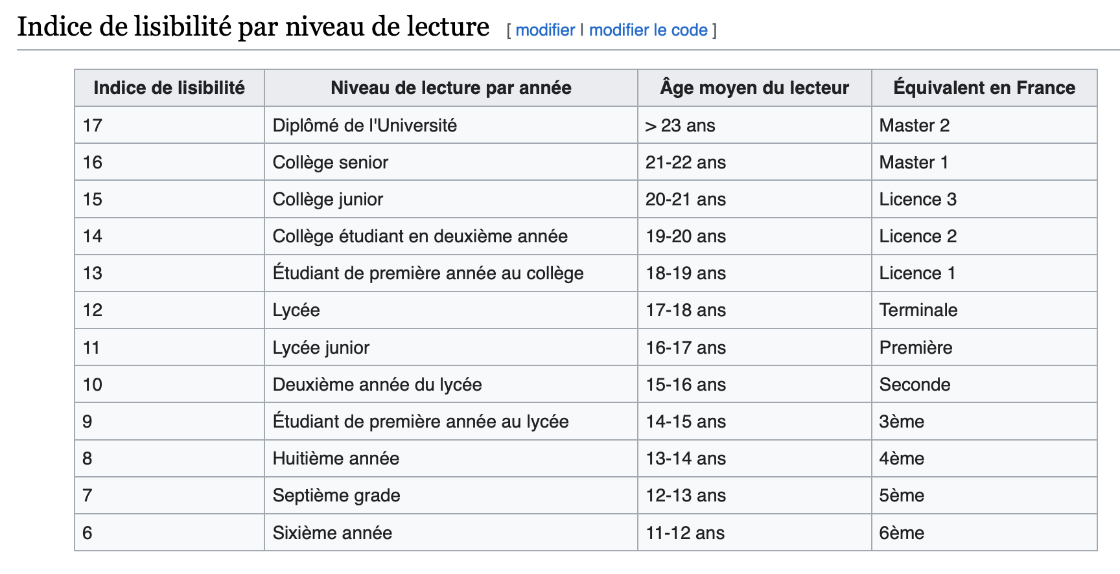
years | Fog Index | Gunning Fog Index
2006 | 323.36219512195123 | 15.57937792
2007 | 359.2627766599598 | 12.303874931
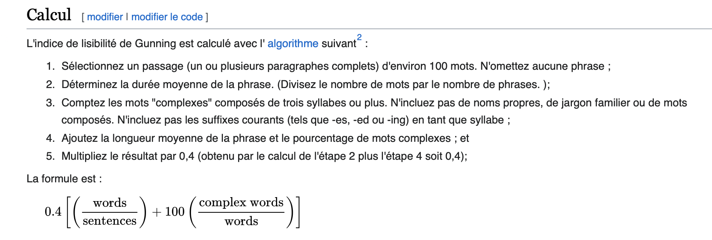
2008 | 629.8182890855458 | 10.947376519
2009 | 458.7075441412521 | 12.815975222
2010 | 770.7686375321337 | 15.820781684
2011 | 623.9316770186336 | 14.280698896
2012 | 862.1544787077827 | 10.767944086
2013 | 1431.9804263565893 | 7.5384142343
2014 | 1066.215102481122 | 10.070958455
2015 | 1109.8338222605696 | 9.2887703575
2016 | 2488.3786201667936 | 8.8140255485
2017 | 1282.5921397379914 | 7.8329156984
2018 | 866.8133642691415 | 8.2809756196
2019 | 1159.9664658634538 | 6.8926036653
2020 | 1234.876238999537 | 6.758581296
2021 | 1273.412812058408 | 6.9184846231
2022 | 1560.807483809067 | 7.7347391241
2023 | 1698.7118436182445 | 10.758554981
2024 | 2104.5647579879783 | 10.608861462

Comments | For business writing, we aim for a fog index of between 20 to 25. For longer and more technical text scripts, such as official reports, we aim for 30 to 35.
 | references ? Name of sources ?
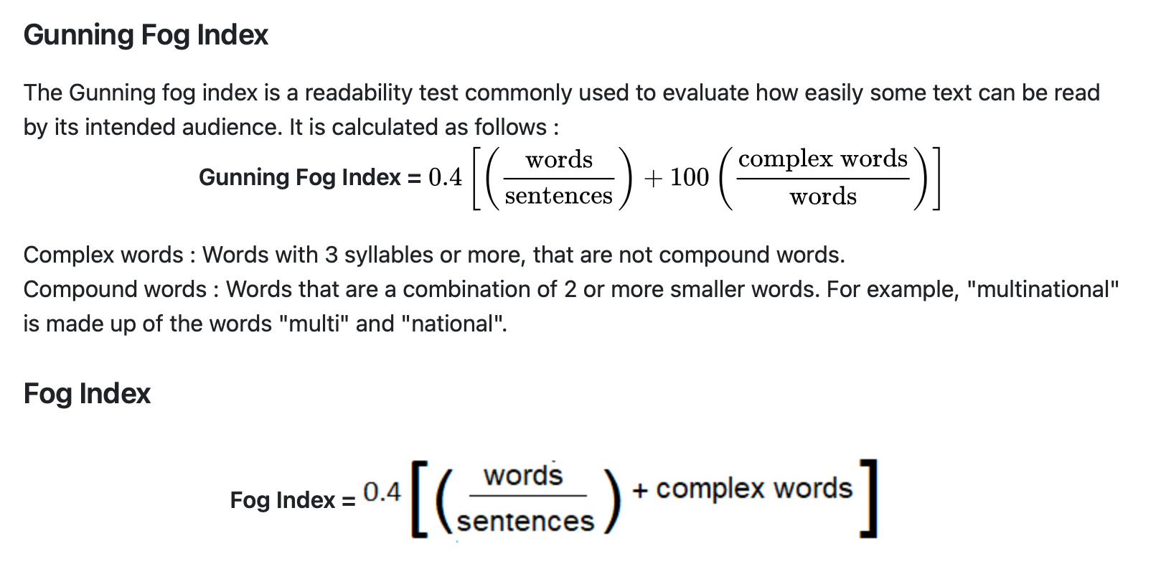

2006 | 15.57937792
2007 | 12.303874931
2008 | 10.947376519
2009 | 12.815975222
2010 | 15.820781684
2011 | 14.280698896
2012 | 10.767944086
2013 | 7.5384142343
2014 | 10.070958455
2015 | 9.2887703575
2016 | 8.8140255485
2017 | 7.8329156984
2018 | 8.2809756196
2019 | 6.8926036653
2020 | 6.758581296
2021 | 6.9184846231
2022 | 7.7347391241
Gunning Fog Index of the WEF Risks Reports from 2006 to 2024
2023 | 10.758554981
2024 | 10.608861462

comparaison
years | WEF | WMO Climate | BIS Economic | IMF Economic | FAO Food Social | UNWWDR social | UN Technological and innovation | WIPO | UNCHR Geopolitical |  |  | WEF | WMO Climate | BIS Economic | IMF Economic | FAO Food Social | UNWWDR social | UN Technological and innovation | WIPO | UNCHR Geopolitical
2006 | 15.57937792 | 8.6347921209 | 7.1876745926 | 4.6901807167 | 6.6781766291 |  |  |  |  | MIN/MAX | 2006 | 0.97965275812 | 0.39431322257 | 0.27233977067 | 0.061833061167 | 0.22939562541
2007 | 12.303874931 | 9.8121539015 | 7.2612755977 | 5.5676045925 | 6.294043312 |  |  |  |  | 3.9565808616 | 2007 | 0.70356985646 | 0.49354972389 | 0.27854339165 | 0.13578864309 | 0.19701811235
2008 | 10.947376519 | 9.4511643541 | 6.8543782739 | 5.4162138363 | 7.5169758433 |  |  |  |  | 15.820781684 | 2008 | 0.5892344341 | 0.46312293386 | 0.24424716471 | 0.12302834355 | 0.30009564362
2009 | 12.815975222 | 9.7691379735 | 6.9856383469 | 4.8130543713 | 5.9833510987 |  |  |  |  |  | 2009 | 0.74673334453 | 0.48992403274 | 0.25531070578 | 0.072189734701 | 0.17083074263
2010 | 15.820781684 | 8.191232034 | 6.813919312 | 5.0523867277 | 6.7797967873 |  | 9.5777935878 |  |  |  | 2010 | 1 | 0.35692679481 | 0.24083699301 | 0.092362383491 | 0.23796090171 |  | 0.47379615455
2011 | 14.280698896 | 10.355659812 | 6.6856557909 | 5.1480875461 | 7.1864868551 |  | 10.05178393 | 7.9079461376 |  |  | 2011 | 0.87019076881 | 0.53936030305 | 0.23002602285 | 0.10042873535 | 0.27223965963 |  | 0.51374746263 | 0.33304942619
2012 | 10.767944086 | 5.8517948683 | 6.4918749532 | 5.0976642317 | 7.1011362968 |  | 5.7532944267 |  |  |  | 2012 | 0.57411058078 | 0.15974223929 | 0.213692783 | 0.096178696502 | 0.26504570198 |  | 0.1514399151
2013 | 7.5384142343 | 6.5177143879 | 6.442403106 | 4.5531830048 | 6.4952449133 |  |  | 8.7239741132 |  |  | 2013 | 0.30190262509 | 0.21587071601 | 0.20952294063 | 0.050285910714 | 0.21397682742 |  |  | 0.40183012098
2014 | 10.070958455 | 5.5779475364 | 6.5267382324 | 5.1101725536 | 6.2888651304 | 7.9599290958 |  |  |  |  | 2014 | 0.51536362918 | 0.13666042064 | 0.21663131039 | 0.097232987657 | 0.19658165803 | 0.33743092302
2015 | 9.2887703575 | 5.9559528369 | 6.8043338131 | 5.1725102732 | 6.0223109204 | 9.4968060153 | 8.4511307206 | 7.9481262056 | 13.150991189 |  | 2015 | 0.44943520224 | 0.16852142047 | 0.24002905836 | 0.10248725809 | 0.17411455604 | 0.46696994065 | 0.37883292153 | 0.33643609072 | 0.77497089481
2016 | 8.8140255485 | 5.5118695622 | 6.6746918325 | 5.3793704549 | 6.5305404539 | 8.1525003497 |  |  | 13.181178181 |  | 2016 | 0.40942030228 | 0.1310908947 | 0.22910190174 | 0.11992291893 | 0.21695178891 | 0.35366221047 |  |  | 0.77751527118
2017 | 7.8329156984 | 8.611684276 | 6.8129584541 | 5.5617109572 | 3.9565808616 | 7.685003628 |  | 7.4384257959 | 13.065775747 |  | 2017 | 0.32672532226 | 0.39236552755 | 0.24075600501 | 0.1352918852 | 0 | 0.31425823133 |  | 0.29347488184 | 0.76778832571
2018 | 8.2809756196 | 8.0093782611 | 8.2268515193 | 4.9526012508 | 4.4682226346 | 7.8813579933 | 9.1810569923 |  | 13.998065165 |  | 2018 | 0.36449102834 | 0.34159885359 | 0.3599290607 | 0.083951747296 | 0.043124840916 | 0.33080838656 | 0.44035634673 |  | 0.84636836937
2019 | 6.8926036653 | 8.0491195383 | 7.5670582163 | 5.1092714982 | 7.4238893494 | 7.9335763651 |  | 7.4333868391 | 14.668504639 |  | 2019 | 0.24746907506 | 0.34494853368 | 0.30431694549 | 0.097157040236 | 0.2922496458 | 0.33520972573 |  | 0.29305016239 | 0.90287782029
2020 | 6.758581296 | 8.3063037663 | 7.4473411601 | 4.8937261378 | 4.6672803037 | 7.0499482511 |  |  | 11.987770659 |  | 2020 | 0.23617270784 | 0.36662586634 | 0.29422633272 | 0.078989330196 | 0.059902849995 | 0.26073120609 |  |  | 0.67692631959
2021 | 6.9184846231 | 7.3489496737 | 7.9263716883 | 4.9884387926 | 4.5793996219 | 6.9328515901 | 7.8298697444 |  | 12.237957046 |  | 2021 | 0.24965050794 | 0.28593319205 | 0.33460246385 | 0.086972392541 | 0.052495635376 | 0.25086145904 | 0.32646858739 |  | 0.698013824
2022 | 7.7347391241 | 7.4547507985 | 7.0637220175 | 4.7554207036 | 4.4734372704 | 7.9354169321 |  | 7.434520076 | 9.6441055262 |  | 2022 | 0.31845029592 | 0.29485087023 | 0.26189215798 | 0.067331955524 | 0.043564367846 | 0.33536486193 |  | 0.29314567973 | 0.47938540067
2023 | 10.758554981 | 7.5463836649 | 7.1200807996 | 4.9685907053 | 4.5802384855 | 7.6866856563 | 7.7388002942 |  |  |  | 2023 | 0.57331919965 | 0.3025743459 | 0.26664248064 | 0.085299453281 | 0.05256634082 | 0.31440000475 | 0.31879260048
2024 | 10.608861462 |  |  |  |  |  |  |  |  |  | 2024 | 0.56070195538
mean | 10.211258648 | 7.8308882982 | 7.049609317 | 5.0683437975 | 5.9458875982 | 7.8714075877 | 7.322966212 | 6.6980541668 | 12.741793519 |  | mean | 0.52718913653 | 0.32655443841 | 0.26070263829 | 0.093707359863 | 0.16767304992 | 0.32996969496 | 0.32542924855 | 0.27871233741 | 0.7404807782
variance | 7.8198038739 | 2.135452347 | 0.22720515917 | 0.075771503553 | 1.2957731243 | 0.43613818406 | 9.2219402462 | 7.660863751 | 2.0217466067 |  | min | 0.23617270784 | 0.1310908947 | 0.20952294063 | 0.050285910714 | 0 | 0.25086145904 | 0.1514399151 | 0.29305016239 | 0.47938540067
Gunning Index : comparison of different annual reports from 2006 to 2023
 | WEF | WMO Climate | BIS Economic | IMF Economic | FAO Food Social | UNWWDR social | UN Technological and innovation | WIPO | UNCHR Geopolitical
2006 | 15.57937792 | 8.6347921209 | 7.1876745926 | 4.6901807167 | 6.6781766291
2007 | 12.303874931 | 9.8121539015 | 7.2612755977 | 5.5676045925 | 6.294043312
2008 | 10.947376519 | 9.4511643541 | 6.8543782739 | 5.4162138363 | 7.5169758433
2009 | 12.815975222 | 9.7691379735 | 6.9856383469 | 4.8130543713 | 5.9833510987
2010 | 15.820781684 | 8.191232034 | 6.813919312 | 5.0523867277 | 6.7797967873 |  | 9.5777935878
2011 | 14.280698896 | 10.355659812 | 6.6856557909 | 5.1480875461 | 7.1864868551 |  | 10.05178393 | 7.9079461376
2012 | 10.767944086 | 5.8517948683 | 6.4918749532 | 5.0976642317 | 7.1011362968 |  | 5.7532944267
2013 | 7.5384142343 | 6.5177143879 | 6.442403106 | 4.5531830048 | 6.4952449133 |  |  | 8.7239741132
2014 | 10.070958455 | 5.5779475364 | 6.5267382324 | 5.1101725536 | 6.2888651304 | 7.9599290958
2015 | 9.2887703575 | 5.9559528369 | 6.8043338131 | 5.1725102732 | 6.0223109204 | 9.4968060153 | 8.4511307206 | 7.9481262056 | 13.150991189
2016 | 8.8140255485 | 5.5118695622 | 6.6746918325 | 5.3793704549 | 6.5305404539 | 8.1525003497 |  |  | 13.181178181
2017 | 7.8329156984 | 8.611684276 | 6.8129584541 | 5.5617109572 | 3.9565808616 | 7.685003628 |  | 7.4384257959 | 13.065775747
2018 | 8.2809756196 | 8.0093782611 | 8.2268515193 | 4.9526012508 | 4.4682226346 | 7.8813579933 | 9.1810569923 |  | 13.998065165
2019 | 6.8926036653 | 8.0491195383 | 7.5670582163 | 5.1092714982 | 7.4238893494 | 7.9335763651 |  | 7.4333868391 | 14.668504639
2020 | 6.758581296 | 8.3063037663 | 7.4473411601 | 4.8937261378 | 4.6672803037 | 7.0499482511 |  |  | 11.987770659
2021 | 6.9184846231 | 7.3489496737 | 7.9263716883 | 4.9884387926 | 4.5793996219 | 6.9328515901 | 7.8298697444 |  | 12.237957046
2022 | 7.7347391241 | 7.4547507985 | 7.0637220175 | 4.7554207036 | 4.4734372704 | 7.9354169321 |  | 7.434520076 | 9.6441055262
2023 | 10.758554981 | 7.5463836649 | 7.1200807996 | 4.9685907053 | 4.5802384855 | 7.6866856563 | 7.7388002942
 |  |  |  |  |  |  |  |  |  |  | max | 1 | 0.53936030305 | 0.3599290607 | 0.13578864309 | 0.30009564362 | 0.46696994065 | 0.51374746263 | 0.40183012098 | 0.90287782029
 |  |  |  |  |  |  |  |  |  |  | evolution | -0.4161791453 | -0.12058077994 | 0.034080470973 | -0.013890398844 | -0.12690443718 | -0.061312486899 | -0.017788665892 | -0.063881637976 | -0.15531631582

Guning Index : comparison of different annual reports from 2006 to 2023
 | WEF | WMO Climate | BIS Economic | IMF Economic | FAO Food Social | UNWWDR social | UN Technological and innovation | WIPO | UNCHR Geopolitical
2006 | 0.97965275812 | 0.39431322257 | 0.27233977067 | 0.061833061167 | 0.22939562541
2007 | 0.70356985646 | 0.49354972389 | 0.27854339165 | 0.13578864309 | 0.19701811235
2008 | 0.5892344341 | 0.46312293386 | 0.24424716471 | 0.12302834355 | 0.30009564362
2009 | 0.74673334453 | 0.48992403274 | 0.25531070578 | 0.072189734701 | 0.17083074263
2010 | 1 | 0.35692679481 | 0.24083699301 | 0.092362383491 | 0.23796090171 |  | 0.47379615455
2011 | 0.87019076881 | 0.53936030305 | 0.23002602285 | 0.10042873535 | 0.27223965963 |  | 0.51374746263 | 0.33304942619
2012 | 0.57411058078 | 0.15974223929 | 0.213692783 | 0.096178696502 | 0.26504570198 |  | 0.1514399151
2013 | 0.30190262509 | 0.21587071601 | 0.20952294063 | 0.050285910714 | 0.21397682742 |  |  | 0.40183012098
2014 | 0.51536362918 | 0.13666042064 | 0.21663131039 | 0.097232987657 | 0.19658165803 | 0.33743092302
2015 | 0.44943520224 | 0.16852142047 | 0.24002905836 | 0.10248725809 | 0.17411455604 | 0.46696994065 | 0.37883292153 | 0.33643609072 | 0.77497089481
2016 | 0.40942030228 | 0.1310908947 | 0.22910190174 | 0.11992291893 | 0.21695178891 | 0.35366221047 |  |  | 0.77751527118
2017 | 0.32672532226 | 0.39236552755 | 0.24075600501 | 0.1352918852 | 0 | 0.31425823133 |  | 0.29347488184 | 0.76778832571
2018 | 0.36449102834 | 0.34159885359 | 0.3599290607 | 0.083951747296 | 0.043124840916 | 0.33080838656 | 0.44035634673 |  | 0.84636836937
2019 | 0.24746907506 | 0.34494853368 | 0.30431694549 | 0.097157040236 | 0.2922496458 | 0.33520972573 |  | 0.29305016239 | 0.90287782029
2020 | 0.23617270784 | 0.36662586634 | 0.29422633272 | 0.078989330196 | 0.059902849995 | 0.26073120609 |  |  | 0.67692631959
2021 | 0.24965050794 | 0.28593319205 | 0.33460246385 | 0.086972392541 | 0.052495635376 | 0.25086145904 | 0.32646858739 |  | 0.698013824
2022 | 0.31845029592 | 0.29485087023 | 0.26189215798 | 0.067331955524 | 0.043564367846 | 0.33536486193 |  | 0.29314567973 | 0.47938540067
2023 | 0.57331919965 | 0.3025743459 | 0.26664248064 | 0.085299453281 | 0.05256634082 | 0.31440000475 | 0.31879260048
2024 | 0.56070195538

years | Environment | Economic | Social |  | Technological |  | Geopolitical
2006 | WMO: World Meteorogical Organization | BIS: Bank for International Settlements / IMF: International Monetary Fund | FAO FOOD
2007 | WMO: World Meteorogical Organization | BIS: Bank for International Settlements / IMF: International Monetary Fund | FAO FOOD
2008 | WMO: World Meteorogical Organization | BIS: Bank for International Settlements / IMF: International Monetary Fund | FAO FOOD
2009 | WMO: World Meteorogical Organization | BIS: Bank for International Settlements / IMF: International Monetary Fund | FAO FOOD
2010 | WMO: World Meteorogical Organization | BIS: Bank for International Settlements / IMF: International Monetary Fund | FAO FOOD |  | UN innovation and technology
2011 | WMO: World Meteorogical Organization | BIS: Bank for International Settlements / IMF: International Monetary Fund | FAO FOOD |  | UN innovation and technology / WIPO
2012 | WMO: World Meteorogical Organization | BIS: Bank for International Settlements / IMF: International Monetary Fund | FAO FOOD |  | UN innovation and technology
2013 | WMO: World Meteorogical Organization | BIS: Bank for International Settlements / IMF: International Monetary Fund | FAO FOOD |  | WIPO
2014 | WMO: World Meteorogical Organization | BIS: Bank for International Settlements / IMF: International Monetary Fund | FAO FOOD / UN WATER
2015 | WMO: World Meteorogical Organization | BIS: Bank for International Settlements / IMF: International Monetary Fund | FAO FOOD / UN WATER |  | UN innovation and technology / WIPO |  | UNHCR
 | WEF | WMO Climate | BIS Economic | IMF Economic | FAO Food Social | UNWWDR social | UN Technological and innovation | WIPO | UNCHR Geopolitical
2006 | 0.97965275812 | 0.39431322257 | 0.27233977067 | 0.061833061167 | 0.22939562541
2007 | 0.70356985646 | 0.49354972389 | 0.27854339165 | 0.13578864309 | 0.19701811235
2008 | 0.5892344341 | 0.46312293386 | 0.24424716471 | 0.12302834355 | 0.30009564362
2009 | 0.74673334453 | 0.48992403274 | 0.25531070578 | 0.072189734701 | 0.17083074263
2010 | 1 | 0.35692679481 | 0.24083699301 | 0.092362383491 | 0.23796090171 |  | 0.47379615455
2011 | 0.87019076881 | 0.53936030305 | 0.23002602285 | 0.10042873535 | 0.27223965963 |  | 0.51374746263 | 0.33304942619
2012 | 0.57411058078 | 0.15974223929 | 0.213692783 | 0.096178696502 | 0.26504570198 |  | 0.1514399151
2013 | 0.30190262509 | 0.21587071601 | 0.20952294063 | 0.050285910714 | 0.21397682742 |  |  | 0.40183012098
2014 | 0.51536362918 | 0.13666042064 | 0.21663131039 | 0.097232987657 | 0.19658165803 | 0.33743092302
2015 | 0.44943520224 | 0.16852142047 | 0.24002905836 | 0.10248725809 | 0.17411455604 | 0.46696994065 | 0.37883292153 | 0.33643609072 | 0.77497089481
2016 | 0.40942030228 | 0.1310908947 | 0.22910190174 | 0.11992291893 | 0.21695178891 | 0.35366221047 |  |  | 0.77751527118
2017 | 0.32672532226 | 0.39236552755 | 0.24075600501 | 0.1352918852 | 0 | 0.31425823133 |  | 0.29347488184 | 0.76778832571
2018 | 0.36449102834 | 0.34159885359 | 0.3599290607 | 0.083951747296 | 0.043124840916 | 0.33080838656 | 0.44035634673 |  | 0.84636836937
2019 | 0.24746907506 | 0.34494853368 | 0.30431694549 | 0.097157040236 | 0.2922496458 | 0.33520972573 |  | 0.29305016239 | 0.90287782029
2020 | 0.23617270784 | 0.36662586634 | 0.29422633272 | 0.078989330196 | 0.059902849995 | 0.26073120609 |  |  | 0.67692631959
2021 | 0.24965050794 | 0.28593319205 | 0.33460246385 | 0.086972392541 | 0.052495635376 | 0.25086145904 | 0.32646858739 |  | 0.698013824
2022 | 0.31845029592 | 0.29485087023 | 0.26189215798 | 0.067331955524 | 0.043564367846 | 0.33536486193 |  | 0.29314567973 | 0.47938540067
2023 | 0.57331919965 | 0.3025743459 | 0.26664248064 | 0.085299453281 | 0.05256634082 | 0.31440000475 | 0.31879260048
2016 | WMO: World Meteorogical Organization | BIS: Bank for International Settlements / IMF: International Monetary Fund | FAO FOOD / UN WATER |  |  |  | UNHCR
2017 | WMO: World Meteorogical Organization | BIS: Bank for International Settlements / IMF: International Monetary Fund | FAO FOOD / UN WATER |  | WIPO |  | UNHCR
2018 | WMO: World Meteorogical Organization | BIS: Bank for International Settlements / IMF: International Monetary Fund | FAO FOOD / UN WATER |  | UN innovation and technology |  | UNHCR
2019 | WMO: World Meteorogical Organization | BIS: Bank for International Settlements / IMF: International Monetary Fund | FAO FOOD / UN WATER |  | WIPO |  | UNHCR
2020 | WMO: World Meteorogical Organization | BIS: Bank for International Settlements / IMF: International Monetary Fund | FAO FOOD / UN WATER |  |  |  | UNHCR
2021 | WMO: World Meteorogical Organization | BIS: Bank for International Settlements / IMF: International Monetary Fund | FAO FOOD / UN WATER |  | UN innovation and technology |  | UNHCR
2022 | WMO: World Meteorogical Organization | BIS: Bank for International Settlements / IMF: International Monetary Fund | FAO FOOD / UN WATER |  | WIPO
2023 | WMO: World Meteorogical Organization | BIS: Bank for International Settlements / IMF: International Monetary Fund | FAO FOOD / UN WATER |  | UN innovation and technology
2024

years
2006 | WMO (World Meteorogical Organization): State of the Climate | BIS (Bank for International Settlements): Annual Report | IMF (International Monetary Fund): World Economic Outlook | FAO (Food and Agriculture Organization): The State of Food Insecurity in the World | UNWWDR (The United Nations World Water Developement): Report
2007 | WMO (World Meteorogical Organization): State of the Climate | BIS (Bank for International Settlements): Annual Report | IMF (International Monetary Fund): World Economic Outlook | FAO (Food and Agriculture Organization): The State of Food Insecurity in the World
2008 | WMO (World Meteorogical Organization): State of the Climate | BIS (Bank for International Settlements): Annual Report | IMF (International Monetary Fund): World Economic Outlook | FAO (Food and Agriculture Organization): The State of Food Insecurity in the World
2009 | WMO (World Meteorogical Organization): State of the Climate | BIS (Bank for International Settlements): Annual Report | IMF (International Monetary Fund): World Economic Outlook | FAO (Food and Agriculture Organization): The State of Food Insecurity in the World | UNWWDR (The United Nations World Water Developement): Report
2010 | WMO (World Meteorogical Organization): State of the Climate | BIS (Bank for International Settlements): Annual Report | IMF (International Monetary Fund): World Economic Outlook | FAO (Food and Agriculture Organization): The State of Food Insecurity in the World |  | UN Conference on Trade and Developement: Technology and Innovation Report
2011 | WMO (World Meteorogical Organization): State of the Climate | BIS (Bank for International Settlements): Annual Report | IMF (International Monetary Fund): World Economic Outlook | FAO (Food and Agriculture Organization): The State of Food Insecurity in the World |  | UN Conference on Trade and Developement: Technology and Innovation Report | WIPO (World Intellectual Property Organization): Report
2012 | WMO (World Meteorogical Organization): State of the Climate | BIS (Bank for International Settlements): Annual Report | IMF (International Monetary Fund): World Economic Outlook | FAO (Food and Agriculture Organization): The State of Food Insecurity in the World | UNWWDR (The United Nations World Water Developement): Report | UN Conference on Trade and Developement: Technology and Innovation Report
2013 | WMO (World Meteorogical Organization): State of the Climate | BIS (Bank for International Settlements): Annual Report | IMF (International Monetary Fund): World Economic Outlook | FAO (Food and Agriculture Organization): The State of Food Insecurity in the World |  |  | WIPO (World Intellectual Property Organization): Report
2014 | WMO (World Meteorogical Organization): State of the Climate | BIS (Bank for International Settlements): Annual Report | IMF (International Monetary Fund): World Economic Outlook | FAO (Food and Agriculture Organization): The State of Food Insecurity in the World | UNWWDR (The United Nations World Water Developement): Report
2015 | WMO (World Meteorogical Organization): State of the Climate | BIS (Bank for International Settlements): Annual Report | IMF (International Monetary Fund): World Economic Outlook | FAO (Food and Agriculture Organization): The State of Food Insecurity in the World | UNWWDR (The United Nations World Water Developement): Report | UN Conference on Trade and Developement: Technology and Innovation Report | WIPO (World Intellectual Property Organization): Report | UNHCR (The UN Refugee Agency): Global Report
2016 | WMO (World Meteorogical Organization): State of the Climate | BIS (Bank for International Settlements): Annual Report | IMF (International Monetary Fund): World Economic Outlook | FAO (Food and Agriculture Organization): The State of Food Insecurity in the World | UNWWDR (The United Nations World Water Developement): Report |  |  | UNHCR (The UN Refugee Agency): Global Report
2017 | WMO (World Meteorogical Organization): State of the Climate | BIS (Bank for International Settlements): Annual Report | IMF (International Monetary Fund): World Economic Outlook | FAO (Food and Agriculture Organization): The State of Food Insecurity in the World | UNWWDR (The United Nations World Water Developement): Report |  | WIPO (World Intellectual Property Organization): Report | UNHCR (The UN Refugee Agency): Global Report
2018 | WMO (World Meteorogical Organization): State of the Climate | BIS (Bank for International Settlements): Annual Report | IMF (International Monetary Fund): World Economic Outlook | FAO (Food and Agriculture Organization): The State of Food Insecurity in the World | UNWWDR (The United Nations World Water Developement): Report | UN Conference on Trade and Developement: Technology and Innovation Report |  | UNHCR (The UN Refugee Agency): Global Report
2019 | WMO (World Meteorogical Organization): State of the Climate | BIS (Bank for International Settlements): Annual Report | IMF (International Monetary Fund): World Economic Outlook | FAO (Food and Agriculture Organization): The State of Food Insecurity in the World | UNWWDR (The United Nations World Water Developement): Report |  | WIPO (World Intellectual Property Organization): Report | UNHCR (The UN Refugee Agency): Global Report
2020 | WMO (World Meteorogical Organization): State of the Climate | BIS (Bank for International Settlements): Annual Report | IMF (International Monetary Fund): World Economic Outlook | FAO (Food and Agriculture Organization): The State of Food Insecurity in the World | UNWWDR (The United Nations World Water Developement): Report |  |  | UNHCR (The UN Refugee Agency): Global Report
2021 | WMO (World Meteorogical Organization): State of the Climate | BIS (Bank for International Settlements): Annual Report | IMF (International Monetary Fund): World Economic Outlook | FAO (Food and Agriculture Organization): The State of Food Insecurity in the World | UNWWDR (The United Nations World Water Developement): Report | UN Conference on Trade and Developement: Technology and Innovation Report |  | UNHCR (The UN Refugee Agency): Global Report
2022 | WMO (World Meteorogical Organization): State of the Climate | BIS (Bank for International Settlements): Annual Report | IMF (International Monetary Fund): World Economic Outlook | FAO (Food and Agriculture Organization): The State of Food Insecurity in the World | UNWWDR (The United Nations World Water Developement): Report |  | WIPO (World Intellectual Property Organization): Report | UNHCR (The UN Refugee Agency): Global Report
2023 | WMO (World Meteorogical Organization): State of the Climate | BIS (Bank for International Settlements): Annual Report | IMF (International Monetary Fund): World Economic Outlook | FAO (Food and Agriculture Organization): The State of Food Insecurity in the World | UNWWDR (The United Nations World Water Developement): Report | UN Conference on Trade and Developement: Technology and Innovation Report
2024

years
2006 | WMO | BIS | IMF | FAO | UNWWDR
2007 | WMO | BIS | IMF | FAO
2008 | WMO | BIS | IMF | FAO
2009 | WMO | BIS | IMF | FAO | UNWWDR
2010 | WMO | BIS | IMF | FAO |  | UN Technology
2011 | WMO | BIS | IMF | FAO |  | UN Technology | WIPO
2012 | WMO | BIS | IMF | FAO | UNWWDR | UN Technology
2013 | WMO | BIS | IMF | FAO |  |  | WIPO
2014 | WMO | BIS | IMF | FAO | UNWWDR
2015 | WMO | BIS | IMF | FAO | UNWWDR | UN Technology | WIPO | UNHCR
2016 | WMO | BIS | IMF | FAO | UNWWDR |  |  | UNHCR
2017 | WMO | BIS | IMF | FAO | UNWWDR |  | WIPO | UNHCR
2018 | WMO | BIS | IMF | FAO | UNWWDR | UN Technology |  | UNHCR
2019 | WMO | BIS | IMF | FAO | UNWWDR |  | WIPO | UNHCR
2020 | WMO | BIS | IMF | FAO | UNWWDR |  |  | UNHCR
2021 | WMO | BIS | IMF | FAO | UNWWDR | UN Technology |  | UNHCR
2022 | WMO | BIS | IMF | FAO | UNWWDR |  | WIPO | UNHCR
2023 | WMO | BIS | IMF | FAO | UNWWDR | UN Technology
2024

