Interpolate-Equation
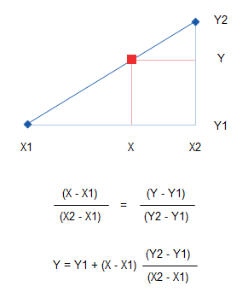
x | y
1 | 3 | x | 18.1
3 | 8 | y (value to interpolate)
5 | 10 | X1 | 17
7 | 14 | Y1 | 38
9 | 19 | X2 | 19
11 | 24 | Y2 | 43
13 | 28
15 | 33
17 | 38
19 | 43
21 | 48
23 | 52
25 | 57
27 | 60

