intset
Map-Intset | 1 | 2 | 4 | 6 | 8 | 10 | 12 | 14 | 16 | 20 | 24 | 28 | 32
ConcurrentMap | 2.99 | 4.85 | 8.47 | 11.76 | 13.89 | 16.13 | 17.86 | 19.61 | 20.41 | 23.26 | 25.64 | 26.32 | 25.64
SynchronizedMap (Mutex) | 6.33 | 4.9 | 3.66 | 3.24 | 2.86 | 2.74 | 2.77 | 2.82 | 2.77 | 2.67 | 2.58 | 2.35 | 2.24
ReaderWriterMap (RWMutex) | 5.71 | 4.31 | 4.08 | 4 | 4.03 | 4 | 4 | 4.03 | 4.02 | 4.02 | 4 | 4.02 | 4
Microbenchmark - Intset (24-Core)

combinedFile
Map-Combined | 1 | 2 | 4 | 6 | 8 | 10 | 12 | 14 | 16 | 20 | 24 | 28 | 32
ConcurrentMap | 13.16 | 17.86 | 35.71 | 55.56 | 76.92 | 90.91 | 111.11 | 125 | 142.86 | 166.67 | 166.67 | 166.67 | 166.67
SynchronizedMap (Mutex) | 25.64 | 23.81 | 23.26 | 23.26 | 23.26 | 23.26 | 23.26 | 23.26 | 23.26 | 23.26 | 23.26 | 23.26 | 23.26
Microbenchmark - Combined (24-core)
ReaderWriterMap (RWMutex) | 25.64 | 19.61 | 20 | 20 | 20 | 20 | 20 | 20 | 20 | 20 | 20 | 20 | 20

combinedFileSkim
Map-CombinedSkim | 1 | 2 | 4 | 6 | 8 | 10 | 12 | 14 | 16 | 20 | 24 | 28 | 32
ConcurrentMap | 7.35 | 10.1 | 22.73 | 34.48 | 43.48 | 50 | 55.56 | 62.5 | 71.43 | 76.92 | 90.91 | 90.91 | 90.91
SynchronizedMap | 8.55 | 8.26 | 8.13 | 8.2 | 8.2 | 8.2 | 8.2 | 8.2 | 8.26 | 8.2 | 8.26 | 8.2 | 8.2
ReaderWriterMap | 8.62 | 8.4 | 8.26 | 8.2 | 8.26 | 8.2 | 8.2 | 8.26 | 8.2 | 8.26 | 8.26 | 8.26 | 8.26
Combined Skim - 2.5% Read-Write Iteration (24-Core)

iteratorRWFile
Map-IteratorRW | 1 | 2 | 4 | 6 | 8 | 10 | 12 | 14 | 16 | 20 | 24 | 28 | 32
ConcurrentMap | 11.63 | 16.39 | 33.33 | 50 | 66.67 | 83.33 | 100 | 111.11 | 111.11 | 125 | 142.86 | 100 | 90.91
SynchronizedMap (Mutex) | 9.8 | 9.62 | 9.71 | 9.71 | 9.71 | 9.71 | 9.71 | 9.71 | 9.71 | 9.71 | 9.71 | 9.71 | 9.71
ReaderWriterMap (RWMutex) | 9.8 | 9.71 | 9.62 | 9.62 | 9.62 | 9.62 | 9.62 | 9.62 | 9.62 | 9.52 | 9.62 | 9.62 | 9.62

Microbenchmark - Read-Write Iteration (24-Core)

iteratorROFile
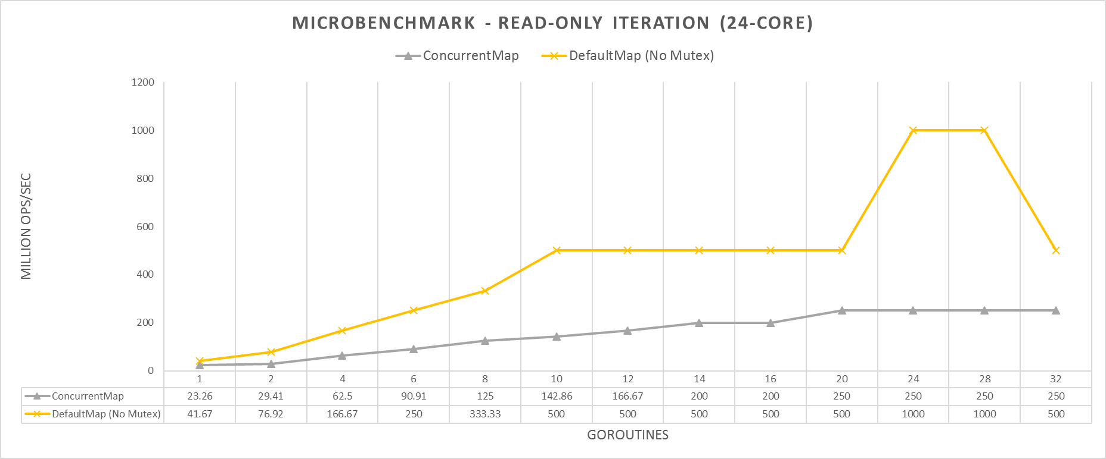
Map-IteratorRO | 1 | 2 | 4 | 6 | 8 | 10 | 12 | 14 | 16 | 20 | 24 | 28 | 32
ConcurrentMap | 23.26 | 29.41 | 62.5 | 90.91 | 125 | 142.86 | 166.67 | 200 | 200 | 250 | 250 | 250 | 250
DefaultMap (No Mutex) | 41.67 | 76.92 | 166.67 | 250 | 333.33 | 500 | 500 | 500 | 500 | 500 | 1000 | 1000 | 500
microbenchmark - Read-Only Iteration (24-Core)

