Sheet1
Original Source: |  | https://www.visualcapitalist.com/sp/after-chinas-crypto-ban-who-leads-in-bitcoin-mining/

Original Chart
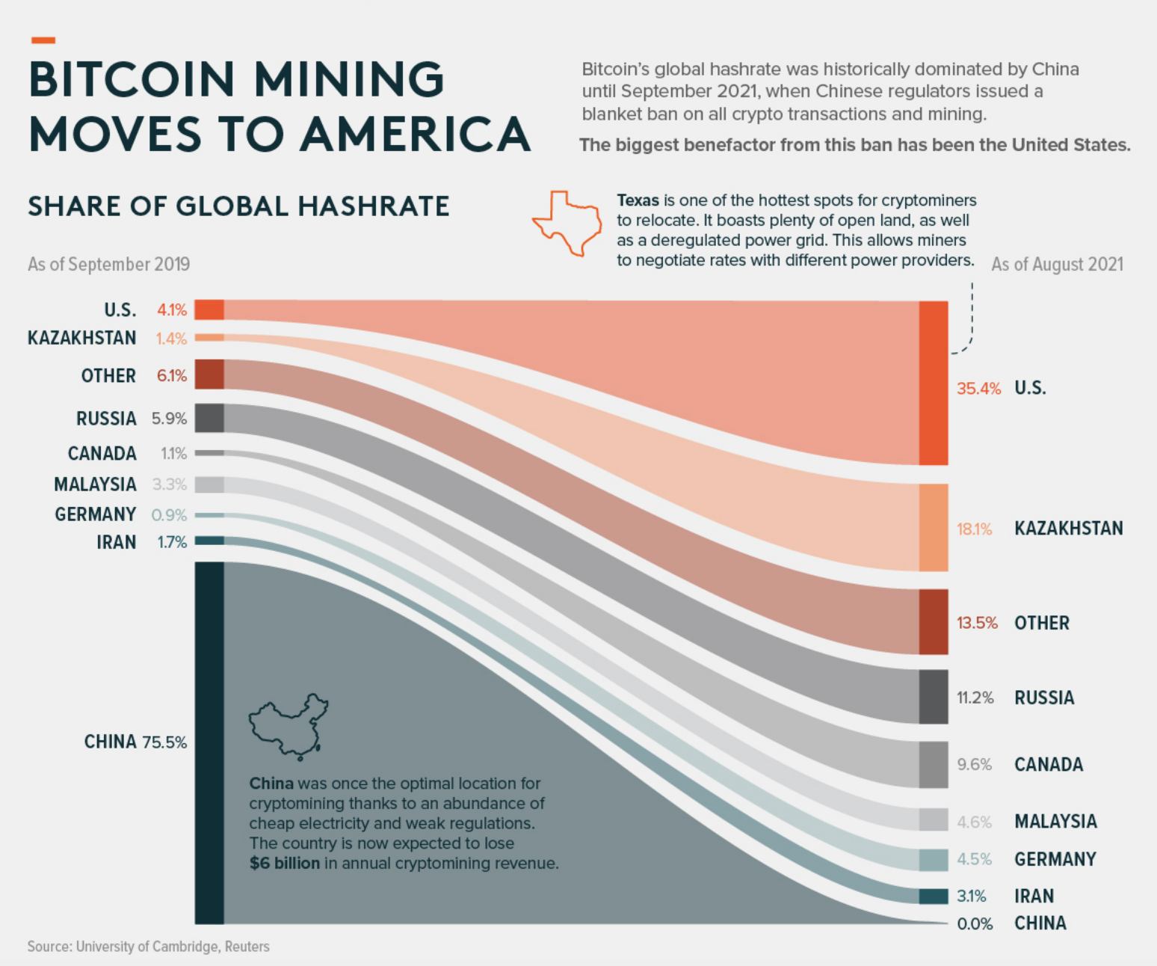
Bitcoin Mining Share 2019 vs 2021

Data

Country | Share 2019 | Share 2021
USA | 4.1 | 35.4
KAZAKHSTAN | 1.4 | 18.1
OTHER | 6.1 | 13.5
RUSSIA | 5.9 | 11.2
CANADA | 1.1 | 9.6
MALAYSIA | 3.3 | 4.6
GERMANY | 0.9 | 4.5
IRAN | 1.7 | 3.1
CHINA | 75.5 | 0

