Sheet1
Veronique Lankar 12/1/19
sensitivity curves for the N02 sensor based on the datasheet:
https://sgx.cdistore.com/datasheets/sgx/1143_datasheet%20mics-6814%20rev%208.pdf
we measure Vs across the resistance Rs (see code) and the spreadsheet turns Vs to Rs the resistance
then the spreadsheet find Rs/Ro. Ro is found by trial and error using the website breezometer.com
Then Rs/Ro is plugged into the power function to find ppm.
calibration is for 25C and 50% humidity.
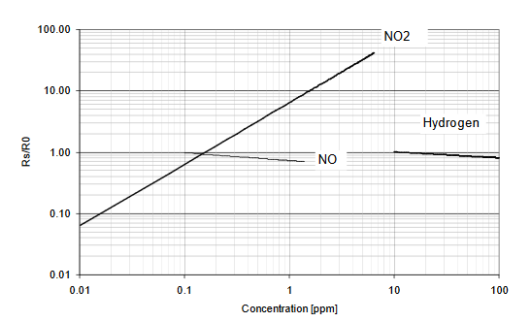
 | table of valued based on the log-log graph based on the datasheet →
 | ppm | Rs/R0
 | 0.01 | 0.07
 | 0.1 | 0.7
 | 1 | 6.4
 | 0.03 | 0.2
 | 0.15 | 1 | I added this one
 | 0.3 | 2
 | 3 | 20
 | 6 | 40
log-log scale graph based on datasheet

concentration ppm vs Rs/R0 we suppose 25C and 50% humidity we use the function to turn Rs/R0 to concentration
 | The log-log graph is turned into a linear scale graph |  |  | ->
 | then we fit a power function
 |  | Rs/R0 | ppm
 |  | 0.07 | 0.01
 |  | 0.7 | 0.1
 |  | 6.4 | 1
 |  | 0.2 | 0.03
 |  | 2 | 0.3
 |  | 20 | 3
 |  | 40 | 6

