Table 1
RUBBERTOWN NEIGHBORHOOD PROFILE
July 2017
Prepared in Partnership Between the Kentucky State Data Center at the University of Louisville and Metro United Way

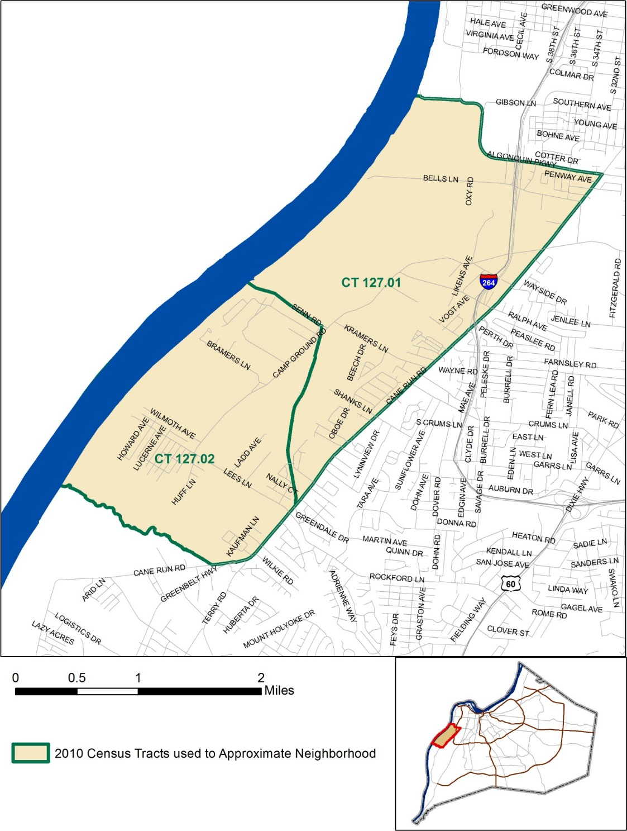 This data profile uses 2010 census tract boundaries to approximate neighborhoods within Jefferson County. Census tracts are statistical units used to publish data for small areas, delineated after each Decennial Census. Areas of Jefferson County that are outside of the former city of Louisville and were not recognized as a Census Designated Place in the 2000 Census have been defined by groups of census tracts, and named after a prominent road or feature in the area. Unless otherwise noted, the data in this profile reflects the five year time period from the beginning of 2011 through the end of 2015.

Age and Sex
Rubbertown |  |  |  |  |  |  |  |  |  |  |  |  |  |  |  |  |  |  |  | Jefferson County
 |  |  |  |  |  |  |  |  |  |  |  |  | Estimate |  | Percent |  |  |  |  | Estimate |  | Percent
Total Population |  |  |  |  |  |  |  |  |  |  |  |  | 5,275 |  | - |  |  |  |  | 755,809 |  | -
Male |  |  |  |  |  |  |  |  |  |  |  |  | 2,581 |  | 49% |  |  |  |  | 364,719 |  | 48%
Female |  |  |  |  |  |  |  |  |  |  |  |  | 2,694 |  | 51% |  |  |  |  | 391,090 |  | 52%
 |  |  | Rubbertown |  |  |  |  |  |  |  |  |  |  |  |  |  |  |  |  | Jefferson County
 |  |  |  |  |  |  |  |  |  |  |  |  | Estimate |  | Percent |  |  |  |  | Estimate |  | Percent
 |  |  | Population Under Age 5 |  |  |  |  |  |  |  |  |  | 357 |  | 7% |  |  |  |  | 49,204 |  | 7%
 |  |  | Under Age 3 |  |  |  |  |  |  |  |  |  | 168 |  | 3% |  |  |  |  | 29,305 |  | 4%
 |  |  | Age 3 and 4 |  |  |  |  |  |  |  |  |  | 189 |  | 4% |  |  |  |  | 19,899 |  | 3%
 |  |  | Population Under Age 18 |  |  |  |  |  |  |  |  |  | 972 |  | 18% |  |  |  |  | 172,203 |  | 23%
 |  |  | Age 5 to 14 |  |  |  |  |  |  |  |  |  | 471 |  | 9% |  |  |  |  | 94,654 |  | 13%
 |  |  | Age 15 to 17 |  |  |  |  |  |  |  |  |  | 144 |  | 3% |  |  |  |  | 28,345 |  | 4%
 |  |  | Population Age 18 to 64 |  |  |  |  |  |  |  |  |  | 3,543 |  | 67% |  |  |  |  | 476,759 |  | 63%
 |  |  | Population Age 65 and Over |  |  |  |  |  |  |  |  |  | 760 |  | 14% |  |  |  |  | 106,847 |  | 14%
Race, Ethnicity, and Nativity
 |  |  | Rubbertown |  |  |  |  |  |  |  |  |  |  |  |  |  |  |  |  | Jefferson County
 |  |  |  |  |  |  |  |  |  |  |  |  | Estimate |  | Percent |  |  |  |  | Estimate |  | Percent
 |  |  | White, Non-Hispanic |  |  |  |  |  |  |  |  |  | 2,928 |  | 56% |  |  |  |  | 525,430 |  | 70%
 |  |  | Black, Non-Hispanic |  |  |  |  |  |  |  |  |  | 2,067 |  | 39% |  |  |  |  | 154,852 |  | 20%
 |  |  | Asian, Non-Hispanic |  |  |  |  |  |  |  |  |  | 0 |  | 0% |  |  |  |  | 18,398 |  | 2%
 |  |  | Hispanic, Of Any Race |  |  |  |  |  |  |  |  |  | 158 |  | 3% |  |  |  |  | 35,322 |  | 5%
 |  |  | Multiple Races, Non-Hispanic |  |  |  |  |  |  |  |  |  | 113 |  | 2% |  |  |  |  | 19,760 |  | 3%
 |  |  | Other, Non-Hispanic |  |  |  |  |  |  |  |  |  | 9 |  | 0% |  |  |  |  | 2,047 |  | 0%
 |  |  | Foreign Born |  |  |  |  |  |  |  |  |  | 113 |  | 2% |  |  |  |  | 50,641 |  | 7%
Veteran Status
 |  |  | Rubbertown |  |  |  |  |  |  |  |  |  |  |  |  |  |  |  |  | Jefferson County
 |  |  |  |  |  |  |  |  |  |  |  |  | Estimate |  | Percent |  |  |  |  | Estimate |  | Percent
 |  |  | Civilian population 18 years and over |  |  |  |  |  |  |  |  |  | 4,303 |  | - |  |  |  |  | 583,007 |  | -
 |  |  | Veterans |  |  |  |  |  |  |  |  |  | 410 |  | 10% |  |  |  |  | 51,362 |  | 9%
Data Source: U.S. Census Bureau, 2011-2015 American Community Survey Note: Percentages may not sum to 100 due to rounding

Households and Families
Rubbertown Jefferson County
 |  |  |  |  |  |  |  |  |  |  |  |  | Estimate |  | Percent |  |  |  |  | Estimate |  | Percent
 |  |  | Total Households |  |  |  |  |  |  |  |  |  | 2,269 |  | - |  |  |  |  | 306,915 |  | -
 |  |  | Family Households |  |  |  |  |  |  |  |  |  | 1,251 |  | 55% |  |  |  |  | 185,758 |  | 61%
 |  |  | Married Couple Family Households |  |  |  |  |  |  |  |  |  | 702 |  | 31% |  |  |  |  | 125,226 |  | 41%
 |  |  | with Related Children |  |  |  |  |  |  |  |  |  | 243 |  | 35% |  |  |  |  | 50,138 |  | 40%
 |  |  | Male Householder Family Households |  |  |  |  |  |  |  |  |  | 130 |  | 6% |  |  |  |  | 15,175 |  | 5%
 |  |  | with Related Children |  |  |  |  |  |  |  |  |  | 67 |  | 52% |  |  |  |  | 8,237 |  | 54%
 |  |  | Female Householder Family Households |  |  |  |  |  |  |  |  |  | 419 |  | 18% |  |  |  |  | 45,357 |  | 15%
 |  |  | with Related Children |  |  |  |  |  |  |  |  |  | 240 |  | 57% |  |  |  |  | 29,987 |  | 66%
 |  |  | Non-Family Households |  |  |  |  |  |  |  |  |  | 1,018 |  | 45% |  |  |  |  | 121,157 |  | 39%
 |  |  | Single Person Households |  |  |  |  |  |  |  |  |  | 882 |  | 87% |  |  |  |  | 100,998 |  | 83%
Data Source: U.S. Census Bureau, 2011-2015 American Community Survey
Population Projections
Rubbertown Neighborhood Population Projections 12,000
10,000
6,602
6,807
6,999
5,665
5,853
6,034
6,329
8,000 6,000 4,000
2,000
 |  |  |  |  |  |  | 0 2010 2015 2020 2025 2030 2035 2040 Year
Data Source: Louisville Metro Demographic and Economic Projections 2010-2040, December 2015

Income
 |  |  |  |  |  |  |  |  |  |  |  |  | Rubbertown |  |  |  |  |  |  | Jefferson County
 |  |  | Median Household Income (in 2015 dollars) |  |  |  |  |  |  |  |  |  | $33,477 |  |  |  |  |  |  | $48,695
 |  |  | Change since 2000 Census (inflation-adjusted) |  |  |  |  |  |  |  |  |  | -14% |  |  |  |  |  |  | -12%
SNAP Benefits
 |  |  | Rubbertown |  |  |  |  |  |  |  |  |  |  |  |  |  |  |  |  | Jefferson County
 |  |  |  |  |  |  |  |  |  |  |  |  | Estimate |  | Percent |  |  |  |  | Estimate |  | Percent
 |  |  | Households receiving SNAP Benefits |  |  |  |  |  |  |  |  |  | 634 |  | 28% |  |  |  |  | 45,560 |  | 15%
 |  |  | Households with public assistance income |  |  |  |  |  |  |  |  |  | 71 |  | 3% |  |  |  |  | 9,156 |  | 3%
Vehicles Available
 |  |  | Rubbertown |  |  |  |  |  |  |  |  |  |  |  |  |  |  |  |  | Jefferson County
 |  |  |  |  |  |  |  |  |  |  |  |  | Estimate |  | Percent |  |  |  |  | Estimate |  | Percent
 |  |  | Households with no vehicle |  |  |  |  |  |  |  |  |  | 302 |  | 13% |  |  |  |  | 31,066 |  | 10%
Data Source: U.S. Census Bureau, 2011-2015 American Community Survey

Poverty Status
Rubbertown |  |  |  |  |  |  |  |  |  |  |  |  |  |  |  |  |  |  |  | Jefferson County
 |  |  |  |  |  |  |  |  |  |  |  |  | Estimate |  |  |  |  | Percent |  | Estimate |  | Percent
Total population below federal poverty line (FPL) |  |  |  |  |  |  |  |  |  |  |  |  | 1,035 |  |  |  |  | 20% |  | 121,683 |  | 16%
Population under 18 years below FPL |  |  |  |  |  |  |  |  |  |  |  |  | 282 |  |  |  |  | 30% |  | 40,856 |  | 24%
Population under 6 years below FPL |  |  |  |  |  |  |  |  |  |  |  |  | 174 |  |  |  |  | 43% |  | 15,689 |  | 27%
Population age 6 to 11 below FPL |  |  |  |  |  |  |  |  |  |  |  |  | 42 |  |  |  |  | 18% |  | 13,044 |  | 24%
Population age 12 to 17 below FPL |  |  |  |  |  |  |  |  |  |  |  |  | 66 |  |  |  |  | 22% |  | 12,123 |  | 22%
Population age 18 to 64 below FPL |  |  |  |  |  |  |  |  |  |  |  |  | 666 |  |  |  |  | 19% |  | 71,514 |  | 15%
Population age 65 and over below FPL |  |  |  |  |  |  |  |  |  |  |  |  | 87 |  |  |  |  | 11% |  | 9,313 |  | 9%

Total population below 150% of the FPL |  |  |  |  |  |  |  |  |  |  |  |  | 1,938 |  |  |  |  | 37% |  | 190,956 |  | 26%
Population under 18 years below 150% of the FPL |  |  |  |  |  |  |  |  |  |  |  |  | 539 |  |  |  |  | 57% |  | 60,015 |  | 36%
Population under 6 years below 150% of the FPL |  |  |  |  |  |  |  |  |  |  |  |  | 265 |  |  |  |  | 66% |  | 22,859 |  | 39%
Population age 6 to 11 below 150% of the FPL |  |  |  |  |  |  |  |  |  |  |  |  | 131 |  |  |  |  | 55% |  | 18,990 |  | 35%
Population age 12 to 17 below 150% of the FPL |  |  |  |  |  |  |  |  |  |  |  |  | 143 |  |  |  |  | 48% |  | 18,166 |  | 32%
Population age 18 to 64 below 150% of the FPL |  |  |  |  |  |  |  |  |  |  |  |  | 1,122 |  |  |  |  | 32% |  | 110,164 |  | 24%
Population age 65 and over below 150% of the FPL |  |  |  |  |  |  |  |  |  |  |  |  | 277 |  |  |  |  | 36% |  | 20,777 |  | 20%

Total population below 185% of the FPL |  |  |  |  |  |  |  |  |  |  |  |  | 2,354 |  |  |  |  | 45% |  | 239,457 |  | 32%
Population under 18 years below 185% of the FPL |  |  |  |  |  |  |  |  |  |  |  |  | 646 |  |  |  |  | 69% |  | 72,826 |  | 43%
Population under 6 years below 185% of the FPL |  |  |  |  |  |  |  |  |  |  |  |  | 314 |  |  |  |  | 78% |  | 27,479 |  | 47%
Population age 6 to 11 below 185% of the FPL |  |  |  |  |  |  |  |  |  |  |  |  | 153 |  |  |  |  | 64% |  | 23,358 |  | 43%
Population age 12 to 17 below 185% of the FPL |  |  |  |  |  |  |  |  |  |  |  |  | 179 |  |  |  |  | 60% |  | 21,989 |  | 39%
Population age 18 to 64 below 185% of the FPL |  |  |  |  |  |  |  |  |  |  |  |  | 1,382 |  |  |  |  | 39% |  | 138,891 |  | 30%
Population age 65 and over below 185% of the FPL |  |  |  |  |  |  |  |  |  |  |  |  | 326 |  |  |  |  | 43% |  | 27,740 |  | 27%

Total population below 200% of the FPL |  |  |  |  |  |  |  |  |  |  |  |  | 2,471 |  |  |  |  | 47% |  | 259,057 |  | 35%
Population under 18 years below 200% of the FPL |  |  |  |  |  |  |  |  |  |  |  |  | 646 |  |  |  |  | 69% |  | 77,381 |  | 46%
Population under 6 years below 200% of the FPL |  |  |  |  |  |  |  |  |  |  |  |  | 314 |  |  |  |  | 78% |  | 29,305 |  | 51%
Population age 6 to 11 below 200% of the FPL |  |  |  |  |  |  |  |  |  |  |  |  | 153 |  |  |  |  | 64% |  | 24,505 |  | 45%
Population age 12 to 17 below 200% of the FPL |  |  |  |  |  |  |  |  |  |  |  |  | 179 |  |  |  |  | 60% |  | 23,571 |  | 42%
Population age 18 to 64 below 200% of the FPL |  |  |  |  |  |  |  |  |  |  |  |  | 1,485 |  |  |  |  | 42% |  | 150,696 |  | 32%
Population age 65 and over below 200% of the FPL |  |  |  |  |  |  |  |  |  |  |  |  | 340 |  |  |  |  | 45% |  | 30,980 |  | 30%
Data Source: U.S. Census Bureau, 2011-2015 American Community Survey

Labor Force Status
Rubbertown |  |  |  |  |  |  |  |  |  |  |  |  |  |  |  |  |  |  |  | Jefferson County
 |  |  |  |  |  |  |  |  |  |  |  |  | Estimate |  | Percent |  |  |  |  | Estimate |  | Percent
Age 16-19—Unemployed |  |  |  |  |  |  |  |  |  |  |  |  | 53 |  | 60% |  |  |  |  | 3,373 |  | 23%
Age 20-21—Unemployed |  |  |  |  |  |  |  |  |  |  |  |  | 41 |  | 31% |  |  |  |  | 2,649 |  | 17%
Age 22-24—Unemployed |  |  |  |  |  |  |  |  |  |  |  |  | 40 |  | 28% |  |  |  |  | 2,919 |  | 11%
Age 25-64—Unemployed |  |  |  |  |  |  |  |  |  |  |  |  | 183 |  | 9% |  |  |  |  | 23,453 |  | 7%
Age 65 and over—Unemployed |  |  |  |  |  |  |  |  |  |  |  |  | 0 |  | 0% |  |  |  |  | 816 |  | 5%
Total Unemployed, age 16 and over |  |  |  |  |  |  |  |  |  |  |  |  | 317 |  | 13% |  |  |  |  | 33,210 |  | 8%
 |  |  | Rubbertown |  |  |  |  |  |  |  |  |  |  |  |  |  |  |  |  | Jefferson County
 |  |  |  |  |  |  |  |  |  |  |  |  | Estimate |  | Percent |  |  |  |  | Estimate |  | Percent
 |  |  | Age 16-19—Not in the labor force |  |  |  |  |  |  |  |  |  | 80 |  | 48% |  |  |  |  | 20,874 |  | 58%
 |  |  | Age 20-21—Not in the labor force |  |  |  |  |  |  |  |  |  | 46 |  | 26% |  |  |  |  | 4,521 |  | 22%
 |  |  | Age 22-24—Not in the labor force |  |  |  |  |  |  |  |  |  | 0 |  | 0% |  |  |  |  | 4,706 |  | 16%
 |  |  | Age 25-64—Not in the labor force |  |  |  |  |  |  |  |  |  | 1,048 |  | 33% |  |  |  |  | 87,803 |  | 21%
 |  |  | Age 65 and over—Not in the labor force |  |  |  |  |  |  |  |  |  | 676 |  | 89% |  |  |  |  | 88,848 |  | 83%
 |  |  | Total Not in the labor force, age 16 and over |  |  |  |  |  |  |  |  |  | 1,850 |  | 42% |  |  |  |  | 206,752 |  | 34%
Data Source: U.S. Census Bureau, 2011-2015 American Community Survey
An unemployed person is someone who does not have a job, but is actively looking for a job and is available for work. The unemployment rate is calculated as the number of unemployed persons in an age group divided by the sum of the number of employed and unemployed persons in that age group. A person who is not in the labor force is someone who does not have a job, and is not looking for one. This includes students, retirees, those taking care of children or other family members, and others who are neither working nor seeking work. The rate of labor force participation is calculated as the number of persons not in the labor force in an age group divided by the population in that age group.

Jobs by Place of Work (2014)
Rubbertown |  |  |  |  |  |  |  |  |  |  |  |  |  |  |  |  |  |  |  | Jefferson County
 |  |  |  |  |  |  |  |  |  |  |  |  | Estimate |  | Percent |  |  |  |  | Estimate |  | Percent
Total Full and Part-time Jobs |  |  |  |  |  |  |  |  |  |  |  |  | 2,928 |  | - |  |  |  |  | 462,282 |  | -
Agriculture and Mining |  |  |  |  |  |  |  |  |  |  |  |  | 1 |  | 0% |  |  |  |  | 373 |  | 0%
Construction |  |  |  |  |  |  |  |  |  |  |  |  | 288 |  | 10% |  |  |  |  | 18,541 |  | 4%
Manufacturing |  |  |  |  |  |  |  |  |  |  |  |  | 799 |  | 27% |  |  |  |  | 48,288 |  | 10%
Trade |  |  |  |  |  |  |  |  |  |  |  |  | 346 |  | 12% |  |  |  |  | 71,897 |  | 16%
Transportation, Warehousing, and Utilities |  |  |  |  |  |  |  |  |  |  |  |  | 746 |  | 25% |  |  |  |  | 36,344 |  | 8%
Information |  |  |  |  |  |  |  |  |  |  |  |  | 0 |  | 0% |  |  |  |  | 8,687 |  | 2%
Finance, Insurance, and Real Estate |  |  |  |  |  |  |  |  |  |  |  |  | 16 |  | 1% |  |  |  |  | 39,514 |  | 9%
Professional Services |  |  |  |  |  |  |  |  |  |  |  |  | 172 |  | 6% |  |  |  |  | 69,431 |  | 15%
Education and Health Care |  |  |  |  |  |  |  |  |  |  |  |  | 412 |  | 14% |  |  |  |  | 96,111 |  | 21%
Entertainment, Accommodation, and Food Services |  |  |  |  |  |  |  |  |  |  |  |  | 41 |  | 1% |  |  |  |  | 47,968 |  | 10%
Other Services |  |  |  |  |  |  |  |  |  |  |  |  | 84 |  | 3% |  |  |  |  | 12,709 |  | 3%
Public Administration |  |  |  |  |  |  |  |  |  |  |  |  | 23 |  | 1% |  |  |  |  | 12,419 |  | 3%
Data Source: U.S. Census Bureau, Longitudinal Employer-Household Dynamics Origin-Destination Employment Statistics (LODES) Note: The workplace is based on the address of administrative records, and may or may not be the actual location that a worker reports to most often. In the original data, all Jefferson County Public School (JCPS) employees were reported as working at the location of the JCPS administrative headquarters. Data provided by JCPS was used to allocate employees to the physical location they work at. JCPS is the only institution that was adjusted from the original data. Percentages may not sum to 100 due to rounding.

School Enrollment
 |  |  | Rubbertown |  |  |  |  |  |  |  |  |  |  |  |  |  |  |  |  | Jefferson County
 |  |  |  |  |  |  |  |  |  |  |  |  | Estimate |  | Percent |  |  |  |  | Estimate |  | Percent
 |  |  | Population Age 3 and 4 |  |  |  |  |  |  |  |  |  | 189 |  | - |  |  |  |  | 19,899 |  | -
 |  |  | Population Age 3 and 4, Enrolled in School |  |  |  |  |  |  |  |  |  | 73 |  | 39% |  |  |  |  | 9,574 |  | 48%
 |  |  | Enrolled in Public School |  |  |  |  |  |  |  |  |  | 66 |  | 90% |  |  |  |  | 4,757 |  | 50%
 |  |  | Population Age 5 to 14 |  |  |  |  |  |  |  |  |  | 471 |  | - |  |  |  |  | 94,654 |  | -
 |  |  | Population Age 5 to 14, Enrolled in School |  |  |  |  |  |  |  |  |  | 471 |  | 100% |  |  |  |  | 91,824 |  | 97%
 |  |  | Enrolled in Public School |  |  |  |  |  |  |  |  |  | 419 |  | 89% |  |  |  |  | 72,645 |  | 79%
 |  |  | Population Age 15 to 17 |  |  |  |  |  |  |  |  |  | 144 |  | - |  |  |  |  | 28,345 |  | -
 |  |  | Population Age 15 to 17, Enrolled in School |  |  |  |  |  |  |  |  |  | 141 |  | 98% |  |  |  |  | 27,667 |  | 98%
 |  |  | Enrolled in Public School |  |  |  |  |  |  |  |  |  | 141 |  | 100% |  |  |  |  | 21,738 |  | 79%
 |  |  | Population Age 18 to 24 |  |  |  |  |  |  |  |  |  | 412 |  | - |  |  |  |  | 67,672 |  | -
 |  |  | Population Age 18 to 24, Enrolled in School |  |  |  |  |  |  |  |  |  | 117 |  | 28% |  |  |  |  | 27,687 |  | 41%
Disconnected Youth
Rubbertown |  |  |  |  |  |  |  |  |  |  |  |  |  |  |  |  |  |  |  | Jefferson County
 |  |  |  |  |  |  |  |  |  |  |  |  | Estimate |  | Percent |  |  |  |  | Estimate |  | Percent
Population Age 16 to 19 |  |  |  |  |  |  |  |  |  |  |  |  | 168 |  | - |  |  |  |  | 35,818 |  | -
Not Enrolled in School and Not Working |  |  |  |  |  |  |  |  |  |  |  |  | 13 |  | 8% |  |  |  |  | 2,533 |  | 7%
Data Source: U.S. Census Bureau, 2011-2015 American Community Survey

Educational Attainment
 |  |  | Rubbertown |  |  |  |  |  |  |  |  |  |  |  |  |  |  |  |  | Jefferson County
 |  |  |  |  |  |  |  |  |  |  |  |  | Estimate |  | Percent |  |  |  |  | Estimate |  | Percent
 |  |  | Population Age 18 to 24 |  |  |  |  |  |  |  |  |  | 412 |  | - |  |  |  |  | 67,672 |  | -
 |  |  | Less than 9th Grade Education |  |  |  |  |  |  |  |  |  | 17 |  | 4% |  |  |  |  | 996 |  | 1%
 |  |  | 9th thru 12th Grade Education |  |  |  |  |  |  |  |  |  | 131 |  | 32% |  |  |  |  | 9,272 |  | 14%
 |  |  | High School Graduate/GED |  |  |  |  |  |  |  |  |  | 133 |  | 32% |  |  |  |  | 21,165 |  | 31%
 |  |  | Some College, no degree |  |  |  |  |  |  |  |  |  | 120 |  | 29% |  |  |  |  | 26,252 |  | 39%
 |  |  | Associate's Degree |  |  |  |  |  |  |  |  |  | 3 |  | 1% |  |  |  |  | 2,997 |  | 4%
 |  |  | Bachelor's Degree |  |  |  |  |  |  |  |  |  | 0 |  | 0% |  |  |  |  | 6,357 |  | 9%
 |  |  | Graduate or Professional Degree |  |  |  |  |  |  |  |  |  | 8 |  | 2% |  |  |  |  | 633 |  | 1%
 |  |  | Rubbertown |  |  |  |  |  |  |  |  |  |  |  |  |  |  |  |  | Jefferson County
 |  |  |  |  |  |  |  |  |  |  |  |  | Estimate |  | Percent |  |  |  |  | Estimate |  | Percent
 |  |  | Population Age 25 and Over |  |  |  |  |  |  |  |  |  | 3,891 |  | - |  |  |  |  | 515,934 |  | -
 |  |  | Less than 9th Grade Education |  |  |  |  |  |  |  |  |  | 305 |  | 8% |  |  |  |  | 18,357 |  | 4%
 |  |  | 9th thru 12th Grade Education |  |  |  |  |  |  |  |  |  | 582 |  | 15% |  |  |  |  | 38,753 |  | 8%
 |  |  | High School Graduate/GED |  |  |  |  |  |  |  |  |  | 1,801 |  | 46% |  |  |  |  | 141,802 |  | 27%
 |  |  | Some College, no degree |  |  |  |  |  |  |  |  |  | 656 |  | 17% |  |  |  |  | 115,561 |  | 22%
 |  |  | Associate's Degree |  |  |  |  |  |  |  |  |  | 312 |  | 8% |  |  |  |  | 38,948 |  | 8%
 |  |  | Bachelor's Degree |  |  |  |  |  |  |  |  |  | 165 |  | 4% |  |  |  |  | 94,641 |  | 18%
 |  |  | Graduate or Professional Degree |  |  |  |  |  |  |  |  |  | 70 |  | 2% |  |  |  |  | 67,872 |  | 13%
Data Source: U.S. Census Bureau, 2011-2015 American Community Survey, Note: Percentages may not sum to 100 due to rounding.

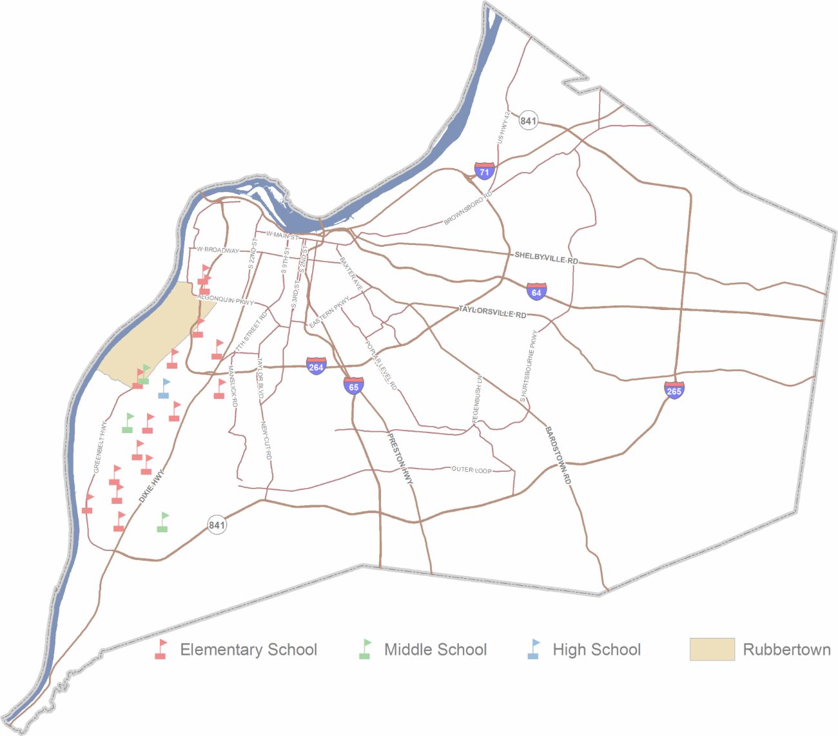
Schools
JCPS assignment plan for students living in Rubbertown: Elementary Schools |  |  |  |  |  |  |  |  |  |  | Students attending Jefferson County Public Schools (JCPS) are assigned to schools based on their home address. The student assignment plan is designed to promote economic and racial integration across the district, so many students are assigned to a school outside of their neighborhood. Most
Cluster 2  Dixie  Eisenhower  Foster  Greenwood  Johnsontown Road  Kennedy  Sanders  Wilkerson |  |  |  | Cluster 3  Cane Run  Crums Lane  Gutermuth  Kerrick  Mill Creek  Shacklette  Wellington |  |  |  |  |  | students attend their assigned school, while others apply to magnet schools and programs outside of the assignment plan. At the elementary school level, students are assigned to a cluster based on their home address, and given the option to choose from several schools within the assigned cluster. One of the options within each elementary cluster is a neighborhood school, called the “resides” school. At the middle and high school level, students are assigned to a school based on their home address, which may or may not be a neighborhood school.
Indicates resides school for Rubbertown students Middle Schools  Conway  Farnsley  Frost  Stuart
High Schools  Western

School Accountability Profile - School Year 2015-2016
The Accountability Profile summarizes the status of a school or district in the state accountability system, Unbridled Learning: College- and Career-Ready for All. The Overall Score is used to compare and rank school and district performance and to calculate improvement goals.
 |  |  | AREAS OF MEASUREMENT Achievement Gap Closing Individual Student Growth College/Career Readiness Graduation rate
 |  |  |  |  |  |  |  |  |  |  | OVERALL SCORE |  |  |  | CLASSIFICATION Distinguished (90th Percentile and above) Proficient (70th Percentile) Needs Improvement (Below 70th Percentile) Progressing (met Annual Measurable Objective Goal beginning in Year 2)

 |  |  |  |  |  |  |  | RANKING BY PERCENTILE

 |  |  |  |  |  | REWARDS CATEGORIES ASSISTANCE CATEGORIES School of Distinction Focus School High Performing School Priority School High Progress School
 |  |  |  |  |  |  |  |  |  |  |  |  |  |  |  |  |  |  |  | Source: Jefferson County Public Schools 2016-2017 Data Book

 | Rubbertown “Resides” Schools |  |  |  |  |  |  |  | Overall Score |  |  | Classification |  |  |  |  |  |  |  |  | Rewards and Assistance Category
 | Cane Run Elementary |  |  |  |  |  |  |  | 46.6 |  |  | Needs Improvement |  |  |  |  |  |  |  |  | Focus School
 | Crums Lane Elementary |  |  |  |  |  |  |  | 70 |  |  | Proficient/Progressing
 | Kennedy Montessori Elementary |  |  |  |  |  |  |  | 58.6 |  |  | Needs Improvement
 | Shacklette Elementary |  |  |  |  |  |  |  | 56.8 |  |  | Needs Improvement/Progressing |  |  |  |  |  |  |  |  | Focus School
 | Wellington Elementary |  |  |  |  |  |  |  | 52.6 |  |  | Needs Improvement
 | Conway Middle |  |  |  |  |  |  |  | 47.6 |  |  | Needs Improvement |  |  |  |  |  |  |  |  | Focus School
 | Farnsley Middle |  |  |  |  |  |  |  | 62.3 |  |  | Needs Improvement |  |  |  |  |  |  |  |  | Focus School
 | Frost 6th-Grade Academy |  |  |  |  |  |  |  | 50.3 |  |  | Needs Improvement/Progressing |  |  |  |  |  |  |  |  | Focus School
 | Stuart 7th– and 8th-Grade Academy |  |  |  |  |  |  |  | 42.5 |  |  | Needs Improvement |  |  |  |  |  |  |  |  | Priority School
 | Western High |  |  |  |  |  |  |  | 61.3 |  |  | Needs Improvement |  |  |  |  |  |  |  |  | Priority School
 | District Total |  |  |  |  |  |  |  | 63.1 |  |  | Needs Improvement
Data Source: Kentucky Department of Education

Student Achievement - School Year 2015-2016
 |  | Elementary |  |  | Proficient and
 |  |  |  |  |  |  |  |  |  |  |  |  |  |  | Middle |  |  |  |  | Proficient and
 |  | “Resides” |  |  | Distinguished Scores |  |  |  |  |  |  | Kindergarten |  |  | “Resides” |  |  |  |  | Distinguished Scores
 |  | Schools |  |  | Reading |  |  |  | Math |  |  | Readiness |  |  | Schools |  |  |  |  | Reading |  | Math
 |  | Cane Run |  |  | 20% |  |  |  | 28% |  |  | 35% |  |  | Conway |  |  |  |  | 29% |  | 20%
 |  | Crums Lane |  |  | 38% |  |  |  | 52% |  |  | 38% |  |  | Farnsley |  |  |  |  | 54% |  | 53%
 |  | Kennedy |  |  | 49% |  |  |  | 44% |  |  | 65% |  |  | Frost |  |  |  |  | 24% |  | 20%
 |  | Shacklette |  |  | 35% |  |  |  | 38% |  |  | 33% |  |  | Stuart |  |  |  |  | 22% |  | 12%
 |  | Wellington |  |  | 36% |  |  |  | 30% |  |  | 35% |  |  | District Total |  |  |  |  | 46% |  | 39%
 |  | District Total |  |  | 49% |  |  |  | 49% |  |  | 48%
 |  | High |  |  | Proficient and
 |  | “Resides” |  |  | Distinguished Scores |  |  |  |  |  |  | Graduation |  |  | College and
 |  | Schools |  |  | Reading |  |  |  | Math |  |  | Rate |  |  | Career Ready
 |  | Western |  |  | 27% |  |  |  | 20% |  |  | 72% |  |  | 50%
 |  | District Total |  |  | 51% |  |  |  | 48% |  |  | 80% |  |  | 63%
Student Demographics - School Year 2016-2017
Rubbertown “Resides” Schools |  |  |  |  |  |  |  |  | % Non-White |  |  |  | % Free/Reduced Lunch
Cane Run Elementary |  |  |  |  |  |  |  |  | 87% |  |  |  | 89%
Crums Lane Elementary |  |  |  |  |  |  |  |  | 83% |  |  |  | 91%
Kennedy Montessori Elementary |  |  |  |  |  |  |  |  | 85% |  |  |  | 64%
Shacklette Elementary |  |  |  |  |  |  |  |  | 61% |  |  |  | 81%
Wellington Elementary |  |  |  |  |  |  |  |  | 64% |  |  |  | 79%
Conway Middle |  |  |  |  |  |  |  |  | 44% |  |  |  | 77%
Farnsley Middle |  |  |  |  |  |  |  |  | 45% |  |  |  | 63%
Frost 6th-Grade Academy |  |  |  |  |  |  |  |  | 59% |  |  |  | 82%
Stuart 7th– and 8th-Grade Academy |  |  |  |  |  |  |  |  | 56% |  |  |  | 83%
Western High |  |  |  |  |  |  |  |  | 76% |  |  |  | 79%
District Total |  |  |  |  |  |  |  |  | 54% |  |  |  | 62%
Data Source: Jefferson County Public Schools 2016-2017 Data Book

Housing Units
 |  |  | Rubbertown |  |  |  |  |  |  |  |  |  |  |  |  |  |  |  |  | Jefferson County
 |  |  |  |  |  |  |  |  |  |  |  |  | Estimate |  | Percent |  |  |  |  | Estimate |  | Percent
 |  |  | Total Housing Units |  |  |  |  |  |  |  |  |  | 2,620 |  | - |  |  |  |  | 340,132 |  | -
 |  |  | Occupied Housing Units |  |  |  |  |  |  |  |  |  | 2,269 |  | 87% |  |  |  |  | 306,915 |  | 90%
 |  |  | Owner Occupied |  |  |  |  |  |  |  |  |  | 1,310 |  | 58% |  |  |  |  | 189,914 |  | 62%
 |  |  | Renter Occupied |  |  |  |  |  |  |  |  |  | 959 |  | 42% |  |  |  |  | 117,001 |  | 38%
 |  |  | Vacant Housing Units |  |  |  |  |  |  |  |  |  | 351 |  | 13% |  |  |  |  | 33,217 |  | 10%
 |  |  | Rubbertown |  |  |  |  |  |  |  |  |  |  |  |  |  |  |  |  | Jefferson County
 |  |  |  |  |  |  |  |  |  |  |  |  | Estimate |  | Percent |  |  |  |  | Estimate |  | Percent
 |  |  | Single Family Housing Units |  |  |  |  |  |  |  |  |  | 1,862 |  | 71% |  |  |  |  | 234,584 |  | 69%
 |  |  | Multi-Family Housing Units |  |  |  |  |  |  |  |  |  | 546 |  | 21% |  |  |  |  | 100,338 |  | 29%
 |  |  | Other Housing Units |  |  |  |  |  |  |  |  |  | 212 |  | 8% |  |  |  |  | 5,210 |  | 2%
Data Source: U.S. Census Bureau, 2011-2015 American Community Survey
Vacant Property (2017)
 |  |  |  |  |  |  |  |  |  |  |  |  | Rubbertown |  |  |  |  | Jefferson County
 |  |  | Vacant Structures |  |  |  |  |  |  |  |  |  | 99 |  |  |  |  | 5,753
 |  |  | Vacant Lots |  |  |  |  |  |  |  |  |  | 80 |  |  |  |  | 2,188
Data Source: Louisville Metro Codes and Regulations Property Reports, as of June 30, 2017
Home Value
 |  |  |  |  |  |  |  |  |  |  |  |  |  |  | Rubbertown |  |  |  |  |  | Jefferson County
 |  |  | Median Reported Value of Owner Occupied Housing Units+ |  |  |  |  |  |  |  |  |  |  |  | $88,490 |  |  |  |  |  | $150,400
 |  |  | Median Assessed Value of Single Family Housing Units (2016)* |  |  |  |  |  |  |  |  |  |  |  | $67,195 |  |  |  |  |  | $139,440
+Data Source: U.S. Census Bureau, 2011-2015 American Community Survey *Data Source: Jefferson County Property Value Administrator

Housing Cost Burden
According to the U.S. Department of Housing and Urban Development, households that spend more than 30% of their income on housing are considered cost burdened and may have difficulty affording necessities such as food, transportation, and medical care.
Rubbertown Jefferson County
 |  |  |  |  |  |  |  |  |  |  |  |  |  | Estimate |  |  |  | Percent |  | Estimate |  | Percent
 |  |  | Renters paying 30% or more of income on housing costs |  |  |  |  |  |  |  |  |  |  | 532 |  |  |  | 61% |  | 52,192 |  | 48%
 |  |  | Owners paying 30% or more of income on housing costs |  |  |  |  |  |  |  |  |  |  | 313 |  |  |  | 24% |  | 40,139 |  | 21%
Note: Housing costs as a percentage of income is only calculated for households that pay rent and report income. Data Source: U.S. Census Bureau, 2011-2015 American Community Survey Land Use (2016)
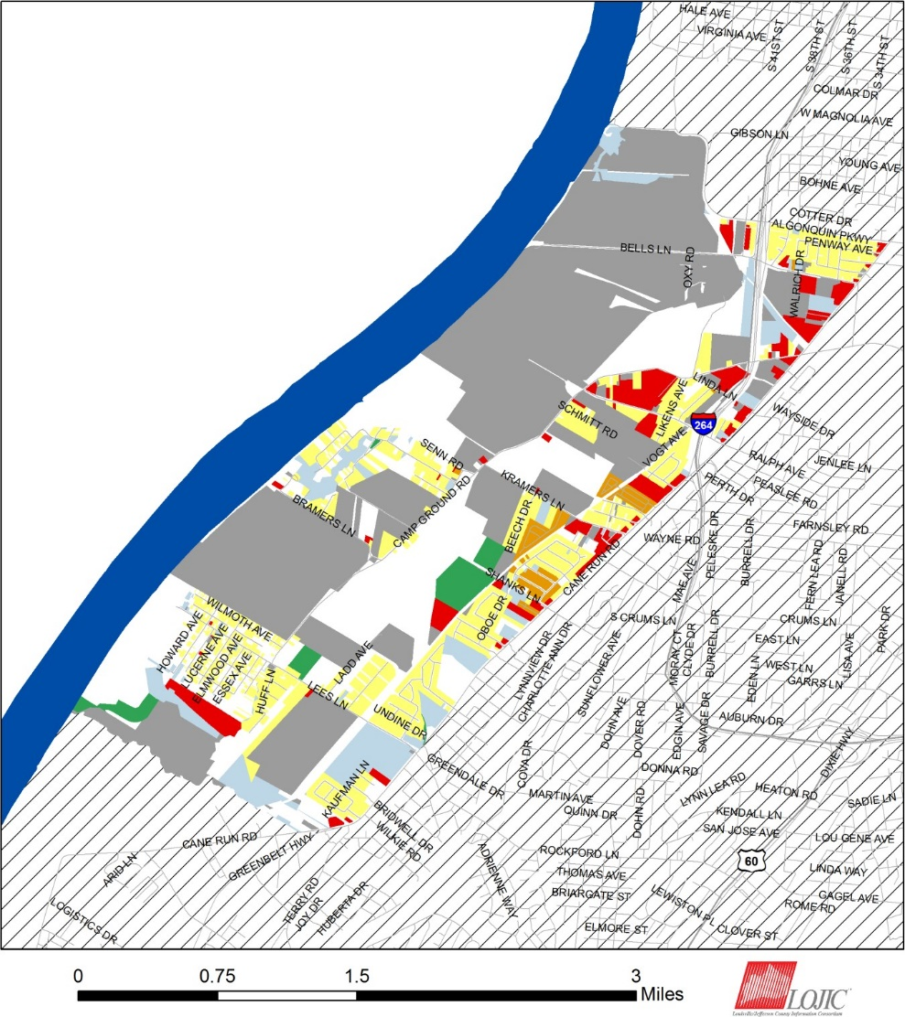
 |  |  |  |  |  |  |  |  |  |  |  |  |  |  |  |  |  |  | Commercial Industry Multi-Family Parks and Open Space Public and Semi-Public Single Family Vacant or Undeveloped Outside of the Neighborhood

Percentage of Rubbertown Land Area
 |  |  |  |  |  |  |  |  |  |  |  |  |  |  |  |  | Commercial |  |  |  |  | 5%
 |  |  |  |  |  |  |  |  |  |  |  |  |  |  |  |  | Industry |  |  |  |  | 47%
 |  |  |  |  |  |  |  |  |  |  |  |  |  |  |  |  | Multi-Family |  |  |  |  | 1%
 |  |  |  |  |  |  |  |  |  |  |  |  |  |  |  |  | Parks and Open Space |  |  |  |  | 2%
 |  |  |  |  |  |  |  |  |  |  |  |  |  |  |  |  | Public and Semi-Public |  |  |  |  | 7%
 |  |  |  |  |  |  |  |  |  |  |  |  |  |  |  |  | Single Family |  |  |  |  | 14%
 |  |  |  |  |  |  |  |  |  |  |  |  |  |  |  |  | Vacant or Undeveloped Data Source: LOJIC |  |  |  |  | 25%
Note: Percentages may not sum to 100 due to rounding.

Health Insurance Coverage
 |  |  | Rubbertown |  |  |  |  |  |  |  |  |  |  |  |  |  |  |  |  | Jefferson County
 |  |  |  |  |  |  |  |  |  |  |  |  | Estimate |  |  |  |  | Percent |  | Estimate |  | Percent
 |  |  | Population under 6 years without health insurance |  |  |  |  |  |  |  |  |  | 26 |  |  |  |  | 6% |  | 1,820 |  | 3%
 |  |  | Population under 18 years without health insurance |  |  |  |  |  |  |  |  |  | 70 |  |  |  |  | 7% |  | 6,435 |  | 4%
 |  |  | Total population without health insurance |  |  |  |  |  |  |  |  |  | 880 |  |  |  |  | 17% |  | 79,273 |  | 11%
Data Source: U.S. Census Bureau, 2011-2015 American Community Survey
Disability Status
 |  |  | Rubbertown |  |  |  |  |  |  |  |  |  |  |  |  |  |  |  |  | Jefferson County
 |  |  |  |  |  |  |  |  |  |  |  |  | Estimate |  |  | Percent |  |  |  | Estimate |  | Percent
 |  |  | Population with a disability |  |  |  |  |  |  |  |  |  | 1,172 |  |  | 22% |  |  |  | 108,054 |  | 14%
Data Source: U.S. Census Bureau, 2011-2015 American Community Survey
Food Access (2015)
 |  |  | Rubbertown |  |  |  |  |  |  |  |  |  |  |  |  |  |  |  |  | Jefferson County
 |  |  |  |  |  |  |  |  |  |  |  |  | Estimate |  |  | Percent |  |  |  | Estimate |  | Percent
 |  |  | Population who are low income and do not live close to a grocery store |  |  |  |  |  |  |  |  |  | 1,003 |  |  | 18% |  |  |  | 37,089 |  | 5%
 |  |  | Census tracts designated a food desert |  |  |  |  |  |  |  |  |  | 1 |  |  | - |  |  |  | 13 |  | -
Note: Population who are low income is defined as living at or below 200 percent of the federal poverty line. Not living close to a grocery store is defined as living further than one mile from a full service grocery store. Food deserts are defined at the census tract level, when the tract is considered low income and low access. A tract is considered low income if the tract’s poverty rate is 20% or greater, or if the tract has a median family income less than or equal to 80% of the metropolitan area’s median family income. A census tract is considered to have low access if a significant number (at least 500 people) or share (at least 33%) of individuals in the tract is greater than one mile from the nearest grocery store. Data Source: U.S. Department of Agriculture, Food Access Research Atlas

Violent Crime (2016)
 |  |  |  |  |  |  |  |  |  |  |  |  | Rubbertown |  |  |  |  |  |  | Jefferson County
Number of violent crimes |  |  |  |  |  |  |  |  |  |  |  |  | 73 |  |  |  |  |  |  | 4,534
Violent crime rate per 100,000 population |  |  |  |  |  |  |  |  |  |  |  |  | 1,384 |  |  |  |  |  |  | 600
Data Source: Louisville Metro Police Department Note: This data only reflects crime reported to Louisville Metro Police, and excludes any violent incidences reported to the other policing agencies with jurisdiction in Jefferson County. Violent crime is defined as cases of reported homicide, rape, robbery, and aggravated assault within the Part 1 Uniform Crime Report (UCR) hierarchy.
Birth Measures
 |  |  |  |  |  |  |  |  |  |  |  |  | Rubbertown |  |  |  |  |  |  | Jefferson County
 |  |  | Births to mothers who smoked during pregnancy |  |  |  |  |  |  |  |  |  | 21% |  |  |  |  |  |  | 12%
 |  |  | Births to mothers without a high school degree |  |  |  |  |  |  |  |  |  | 25% |  |  |  |  |  |  | 15%
 |  |  | Births to unmarried mothers |  |  |  |  |  |  |  |  |  | 80% |  |  |  |  |  |  | 47%
 |  |  | Low birthweight births |  |  |  |  |  |  |  |  |  | 12% |  |  |  |  |  |  | 9%
 |  |  | Teen birth rate per 1,000 women age 15-19 |  |  |  |  |  |  |  |  |  | 113 |  |  |  |  |  |  | 33
Data Source: Kentucky Cabinet for Health and Family Services Department of Public Health
Premature Death
 |  |  |  |  |  |  |  |  |  |  |  |  | Rubbertown |  |  |  |  |  |  | Jefferson County
 |  |  | Years of potential life lost before age 75 per 100,000 population (age-adjusted) |  |  |  |  |  |  |  |  |  | 13,144 |  |  |  |  |  |  | 8,229
Data Source: Kentucky Cabinet for Health and Family Services Department of Public Health

Drug Overdose Mortality
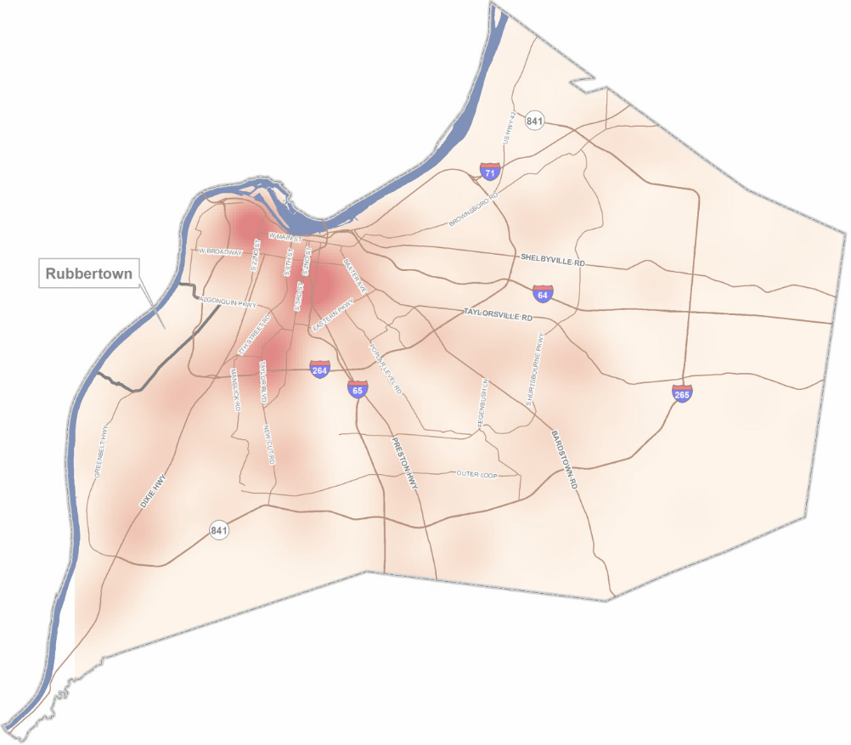 The age-adjusted rate of drug overdose deaths in Jefferson County was 24 deaths per 100,000 standard population. Due to the small number of observations, a drug overdose mortality rate was not calculated for individual neighborhoods.
 |  |  |  |  |  |  |  |  |  |  |  |  |  |  |  |  |  |  |  |  |  |  | High mortality

Infant Mortality
 |  |  |  |  |  |  |  |  |  |  |  |  |  |  |  |  |  |  |  |  |  |  | Low mortality

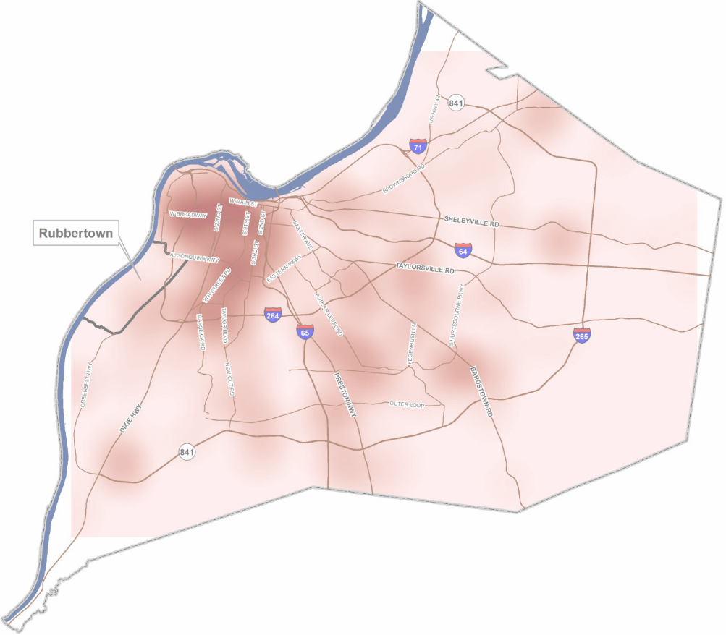
For every 1,000 live births in Jefferson County there were 7 infant deaths. Due to the small number of observations, an infant mortality rate was not calculated for individual neighborhoods.
 |  |  |  |  |  |  |  |  |  |  |  |  |  |  |  |  |  |  |  |  |  |  | High mortality

Data Source: Kentucky Cabinet for Health and Family Services Department of Public Health
 |  |  |  |  |  |  |  |  |  |  |  |  |  |  |  |  |  |  |  |  |  |  | Low mortality

