Sheet1
tbl_source

tbl_data_n
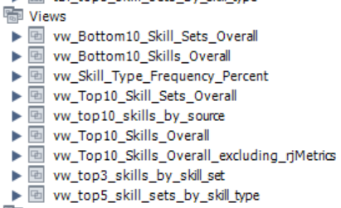
tbl_import
tbl_skill_type

tbl_data
Views
tbl_skill_set
tbl_skill

tbl_skill_set_xref

Sheet2
TABLE | Skill Database Schema
tbl_import
source_id | Base Data | Normalized Data
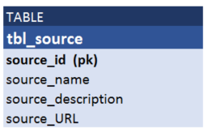
skill_type_name
skill_name
rating

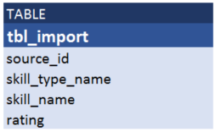
TABLE
tbl_source
source_id (pk)
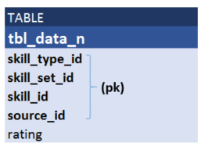
source_name
source_description
source_URL
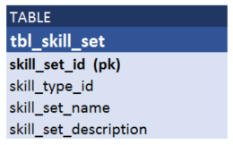
 | external
 | csv's
TABLE
tbl_skill
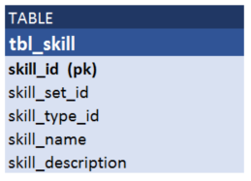
skill_id (pk)
skill_set_id |  |  |  | Denormalized Data
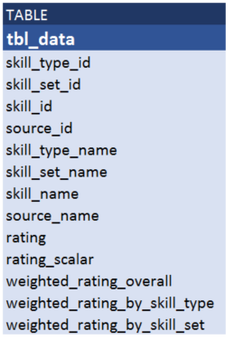
skill_type_id
skill_name |  |  |  |  | Views
skill_description
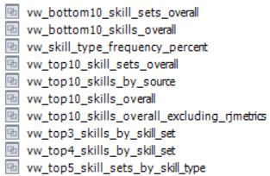

TABLE
tbl_skill_type
skill_type_id (pk)
skill_type_name
skill_type_description |  |  | Transform

TABLE
tbl_skill_set
(pk)
(pk)

