market timing
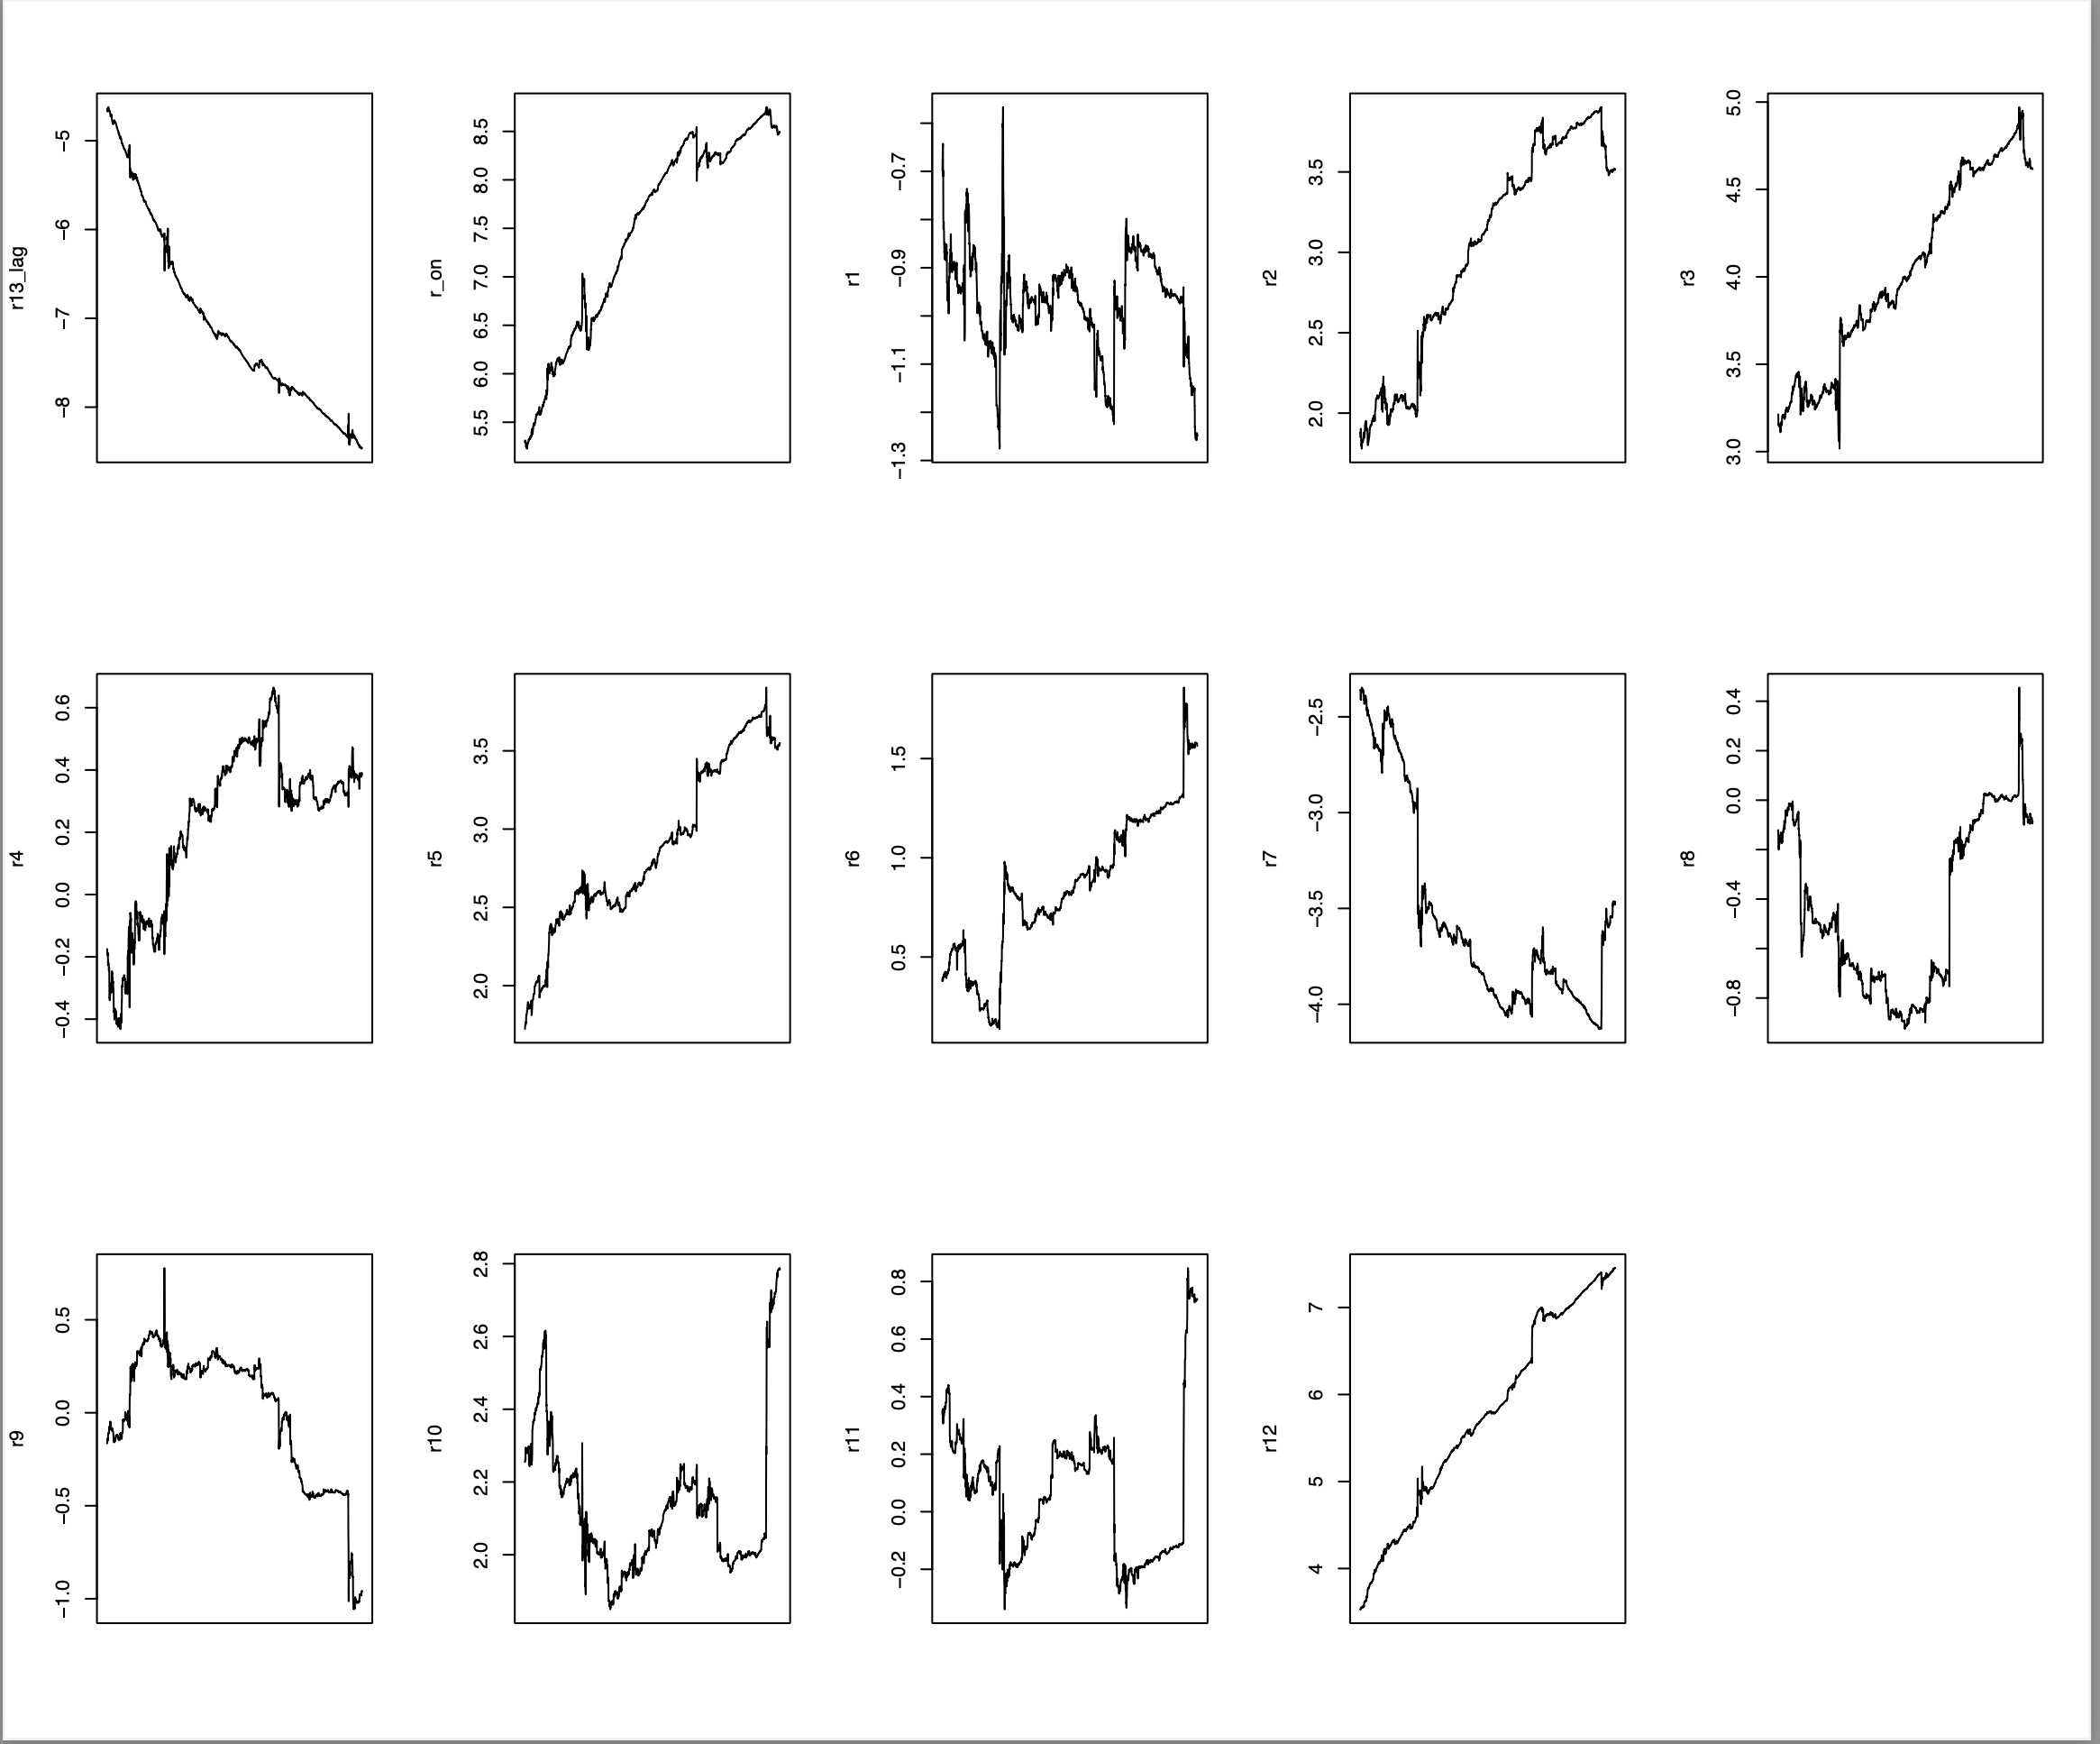
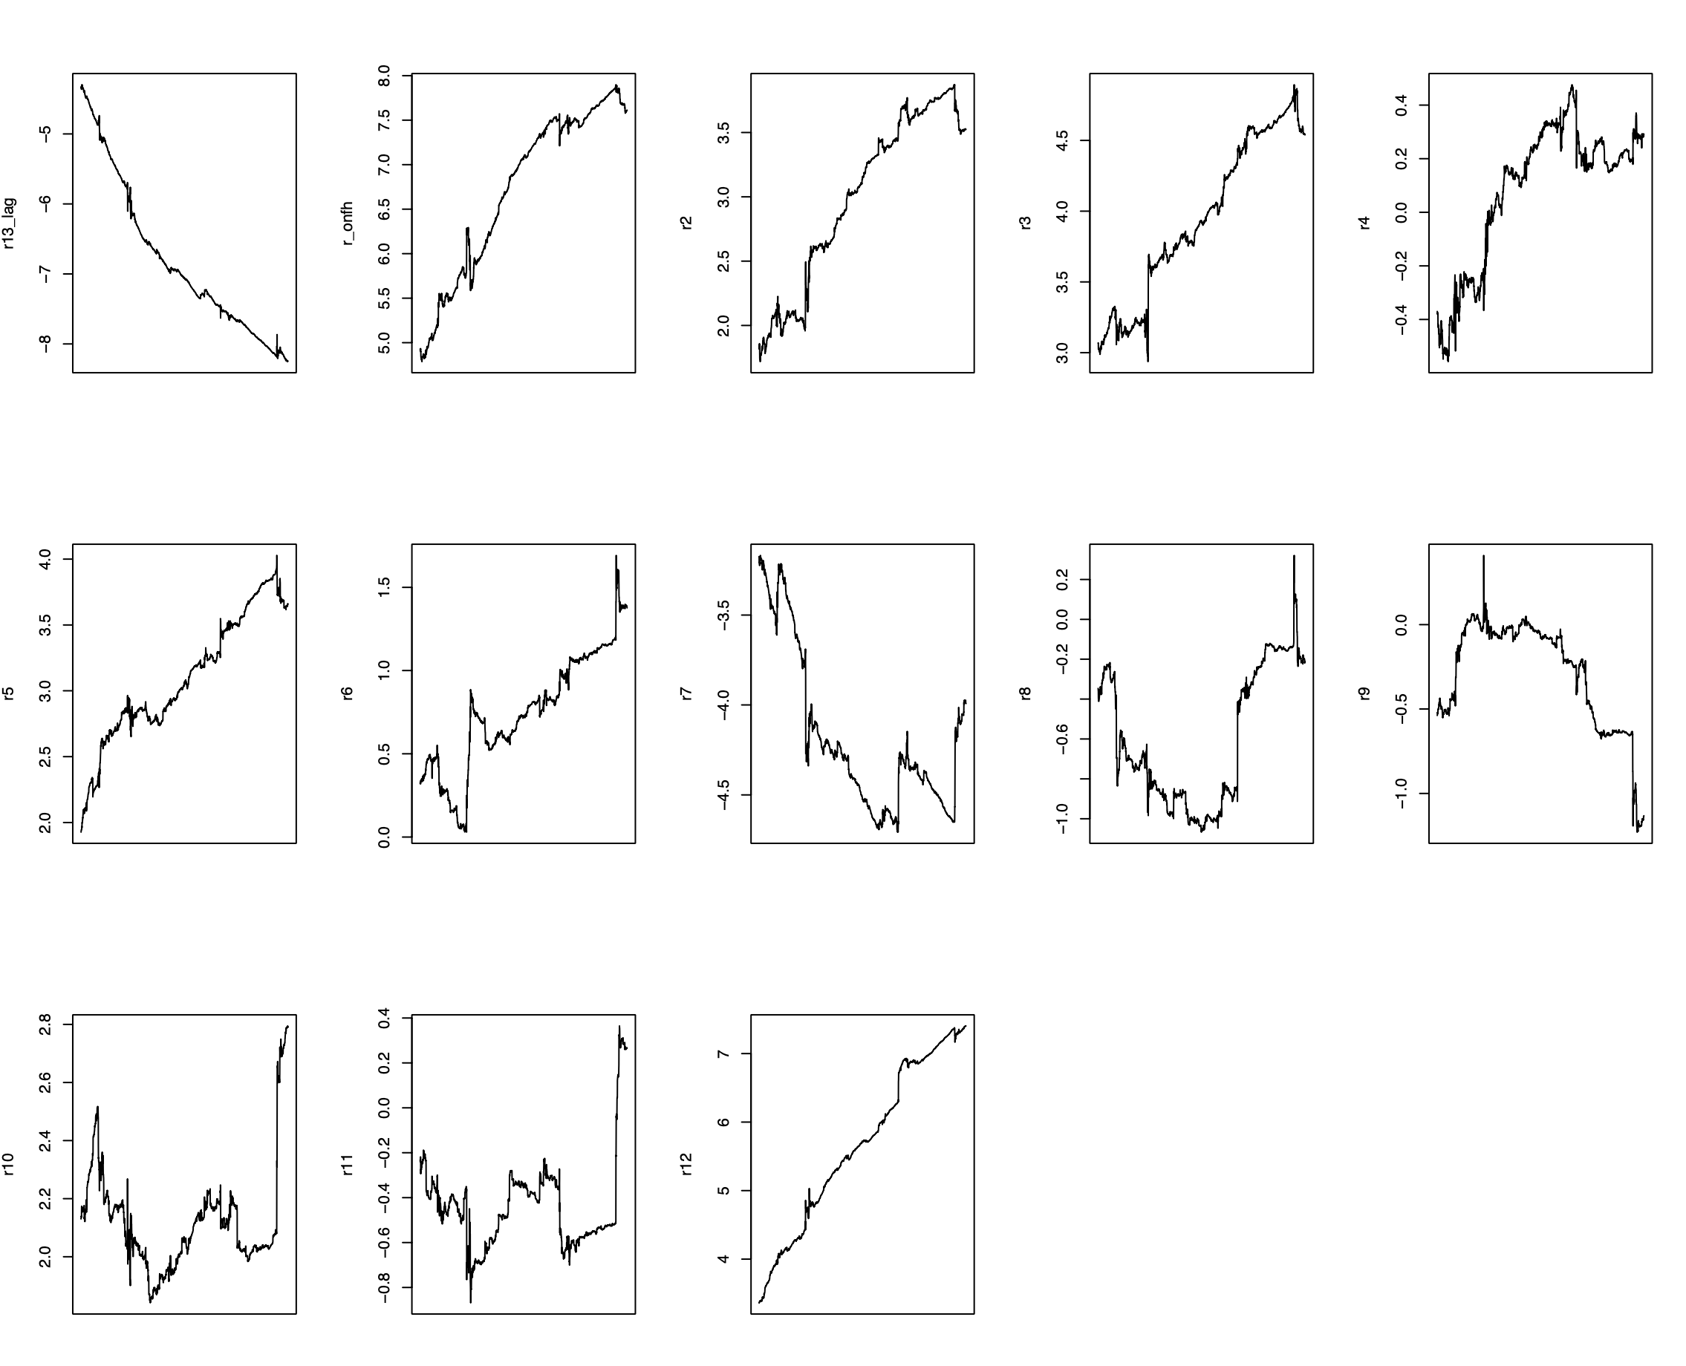
 | ave ret (%) | std dev (%) | Sratio | Skewness | Kurtosis | Success(%) |  | Newey west t
eta (r_onfh) | 0.0223 | 0.3857 | 0.0578 | 1.5394 | 26.1749 | 52.42 | Gao | 2.308*
eta(onfh12) | 0.0157 | 0.2815 | 0.0558 | 3.2646 | 49.7139 | 76.58 | Gao | 1.9454
eta(on) | 0.0311 | 0.3851 | 0.0808 | 2.1419 | 25.9883 | 54.46 |  | 2.5818**
eta(12) | 0.0076 | 0.3863 | 0.0197 | 0.8535 | 26.3253 | 50.46 | Gao | 0.9474
eta(on12) | 0.0199 | 0.2753 | 0.0723 | 4.3584 | 51.5987 | 77.89 |  | 2.2192*
etalag | 0.0216 | 0.3858 | 0.0560 | 1.5949 | 26.164 | 50.27 |  | 2.6494**
etalagon | 0.0263 | 0.2935 | 0.0896 | 4.4287 | 53.8408 | 76.65 |  | 2.7729**
etalag12 | 0.0148 | 0.2908 | 0.0509 | 2.9772 | 51.439 | 76.07 |  | 2.0869*
alwayslong | -0.0017 | 0.3864 | -0.0044 | -0.3433 | 26.369 | 52.79 |  | -0.296
buy_and_hold | 0.0196 | 0.9982 | 0.0196 | -0.2462 | 12.615 | 54.64 |  | 1.1435
PCA involved
eta(dim1) | 0.0162 | 0.386 | 0.0420 | 1.0112 | 26.2869 | 51.58 |  | 1.7142
eta(dim2) | 0.0209 | 0.3858 | 0.0542 | 1.1062 | 26.2719 | 53.84 |  | 2.2593*
eta(dim3) | 0.0251 | 0.3856 | 0.0651 | 1.517 | 26.1779 | 51.07 |  | 3.0266**
eta(dim23) | 0.023 | 0.2885 | 0.0797 | 3.3229 | 50.9453 | 75.52 |  | 2.7609**

tvalues_seq_rolling |  |  |  |  |  |  |  |  | Gao's work

