Sheet1
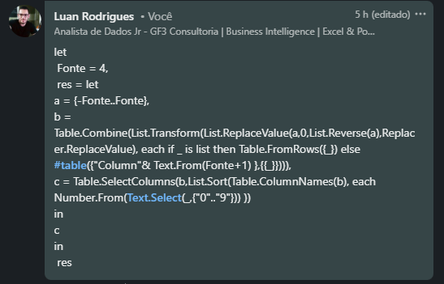

4
 |  |  |  | 4
 |  |  |  | 3
 |  |  |  | 2
 |  |  |  | 1
-4 | -3 | -2 | -1 | 0 | 1 | 2 | 3 | 4
 |  |  |  | -1
 |  |  |  | -2
 |  |  |  | -3
 |  |  |  | -4

Generate X and Y axes of all 4 quadrants for value given in A1. Example shown is for value 4.

