Лист1
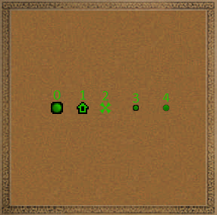
Icon coordinates start from the top left ((x=0,y=0) is the top left corner)
int | Version format | 0
int | Number of icons | Variable i
 | i once:
 | int | Badge number, see badge numbers
 | int | X coordinate (from 0 to 255)
 | int | Y coordinate (from 0 to 255)
 | byte | Color B
 | byte | Color G
 | byte | Color R
 | byte | Color A
Icon numbers
0 | Mine
1 | neutral building
2 | Starting position
3 | Light neutrals
4 | Light neutrals 2?

