InstrumentValidation
Instrument validation process
This section describes specific rules for the instrument validation and the implementation of these validation rules in the XML schema.
The below diagram presents a summary of the instrument validation algorithm:

The key differentiator for the instrument validation is the MIC code populated in field 36. There are the following scenarios: 1. The reported MIC code is an EEA trading venue or a systematic internaliser or 'XOFF' but fields 47/48 not populated - it is expected that field 41 is populated with an instrument that is present in the instrument reference data whereas fields 42-56 are not applicable; 2. The reported MIC code is a non-EEA trading venue or 'XOFF' and fields 47/48 are populated: a) if the instrument populated in field 41 is present in the reference data, fields 42-56 are not applicable; b) if field 41 is not populated or is populated with an instrument that is not present in the reference data, then fields 42-56 are applicable and the underlying instrument (field 47 or 48) must be populated, in particular the instrument populated in field 47 must be present in the reference data; 3. The reported MIC code is 'XXXX' - fields 42-56 are applicable and the underlying instrument (field 47 or 48) must be populated, field 41 is optional and is ignored in the validation process.

Implementation in the XML schema
The below diagram provides a clarification on the implementation of instrument related fields in the ISO 20022 XML message:
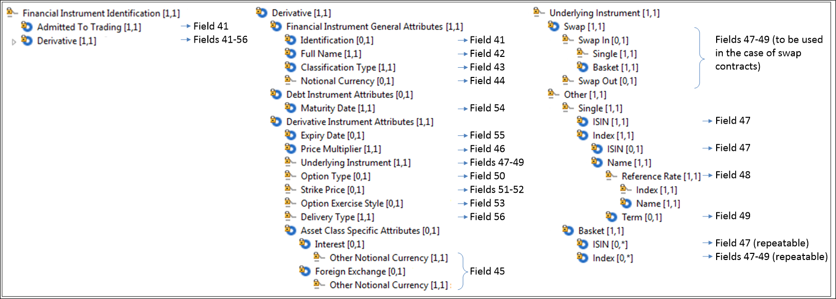

The instrument description in the XML schema can be populated in two alternative ways: 1. Only the field 41 is populated (the 'Admitted To Trading' simple XML element) - this is expected to be used for transactions in instruments admitted to trading, or traded on a trading venue or for which a request for admission was made; 2. For transactions in instruments not admitted to trading (in other words transactions in derivatives of instruments admitted to trading or derivatives of indices/baskets of instruments admitted to trading) fields 41-56 can be populated (the 'Derivative' complex XML element).
The 'Derivative' complex element is composed of fields 41 to 56. Some of the fields are mandatory, i.e. those with [1,1] (the first '1' indicates that the value should be populated at least 1 time and the second '1' indicates that the value should be populated no more than 1 time, which in other words means that the field is mandatory).
When preparing the report, the submitting firm will need to chose one of the two XML elements to describe the instrument. It is expected that: 1. In the case of transactions are executed on a trading venue or with an investment firm acting as a SI or transactions in instruments that exists on the reference data list the 'Admitted To Trading' element is used and the field 41 is only populated. 2. The 'Derivative' complex XML element is used for the other transactions. However, if the 'Derivative' element is used for such transaction referred to in point 1 above and fields 42-56 are populated (although not applicable), they will be ignored (they will not be validated and used) but the transaction report will not be rejected because of this redundant information.

