1. Revenue Projections
This file presents data that underlie CBO’s February 2026 report The Budget and Economic Outlook: 2026 to 2036 and provides supplemental information.
www.cbo.gov/publication/61882

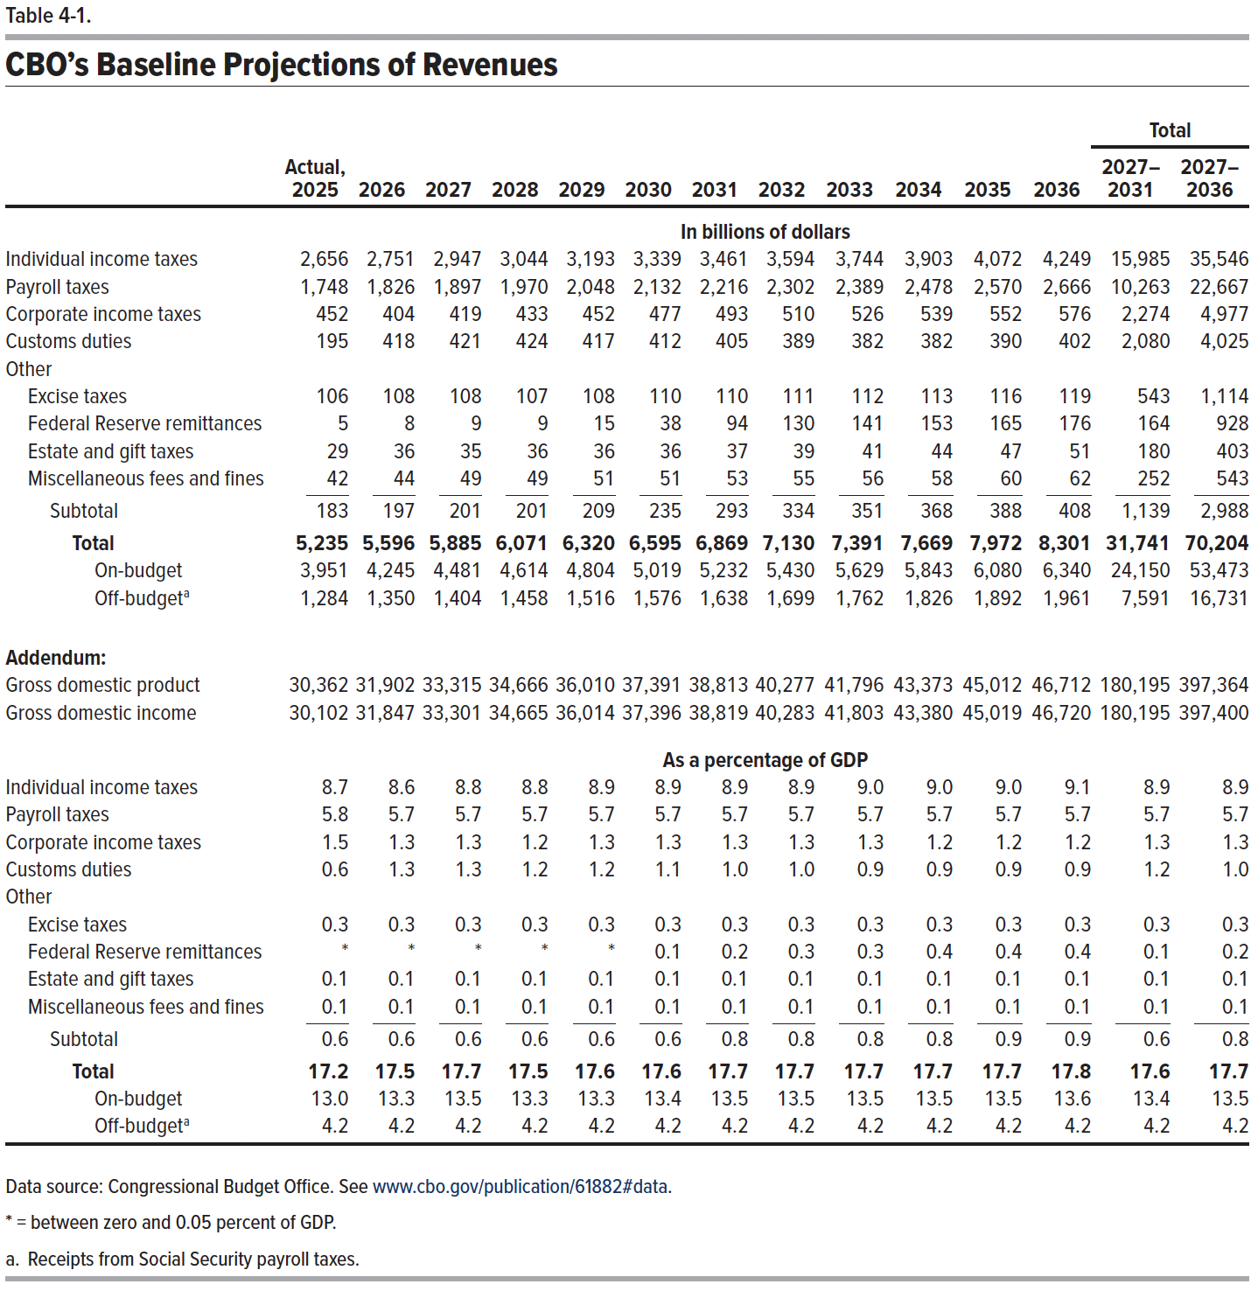
1. CBO's Baseline Projections of Revenues

 |  |  |  |  |  |  |  |  |  |  |  |  | Total
 | Actual, 2025 | 2026 | 2027 | 2028 | 2029 | 2030 | 2031 | 2032 | 2033 | 2034 | 2035 | 2036 | 2027– 2031 | 2027– 2036
 | In billions of dollars
Individual income taxes | 2,656 | 2,751 | 2,947 | 3,044 | 3,193 | 3,339 | 3,461 | 3,594 | 3,744 | 3,903 | 4,072 | 4,249 | 15,985 | 35,546
Payroll taxes | 1,748 | 1,826 | 1,897 | 1,970 | 2,048 | 2,132 | 2,216 | 2,302 | 2,389 | 2,478 | 2,570 | 2,666 | 10,263 | 22,667
Corporate income taxes | 452 | 404 | 419 | 433 | 452 | 477 | 493 | 510 | 526 | 539 | 552 | 576 | 2,274 | 4,977
Customs duties | 195 | 418 | 421 | 424 | 417 | 412 | 405 | 389 | 382 | 382 | 390 | 402 | 2,080 | 4,025
Other
Excise taxes | 106 | 108 | 108 | 107 | 108 | 110 | 110 | 111 | 112 | 113 | 116 | 119 | 543 | 1,114
Federal Reserve remittances | 5 | 8 | 9 | 9 | 15 | 38 | 94 | 130 | 141 | 153 | 165 | 176 | 164 | 928
Estate and gift taxes | 29 | 36 | 35 | 36 | 36 | 36 | 37 | 39 | 41 | 44 | 47 | 51 | 180 | 403
Miscellaneous fees and fines | 42 | 44 | 49 | 49 | 51 | 51 | 53 | 55 | 56 | 58 | 60 | 62 | 252 | 543
Subtotal | 183 | 197 | 201 | 201 | 209 | 235 | 293 | 334 | 351 | 368 | 388 | 408 | 1,139 | 2,988
Total | 5,235 | 5,596 | 5,885 | 6,071 | 6,320 | 6,595 | 6,869 | 7,130 | 7,391 | 7,669 | 7,972 | 8,301 | 31,741 | 70,204
On-budget | 3,951 | 4,245 | 4,481 | 4,614 | 4,804 | 5,019 | 5,232 | 5,430 | 5,629 | 5,843 | 6,080 | 6,340 | 24,150 | 53,473
Off-budget | 1,284 | 1,350 | 1,404 | 1,458 | 1,516 | 1,576 | 1,638 | 1,699 | 1,762 | 1,826 | 1,892 | 1,961 | 7,591 | 16,731

Addendum:
Gross domestic product | 30,362 | 31,902 | 33,315 | 34,666 | 36,010 | 37,391 | 38,813 | 40,277 | 41,796 | 43,373 | 45,012 | 46,712 | 180,195 | 397,364
Gross domestic income | 30,102 | 31,847 | 33,301 | 34,665 | 36,014 | 37,396 | 38,819 | 40,283 | 41,803 | 43,380 | 45,019 | 46,720 | 180,195 | 397,400

 | As a percentage of gross domestic product
Individual income taxes | 8.7 | 8.6 | 8.8 | 8.8 | 8.9 | 8.9 | 8.9 | 8.9 | 9.0 | 9.0 | 9.0 | 9.1 | 8.9 | 8.9
Payroll taxes | 5.8 | 5.7 | 5.7 | 5.7 | 5.7 | 5.7 | 5.7 | 5.7 | 5.7 | 5.7 | 5.7 | 5.7 | 5.7 | 5.7
Corporate income taxes | 1.5 | 1.3 | 1.3 | 1.2 | 1.3 | 1.3 | 1.3 | 1.3 | 1.3 | 1.2 | 1.2 | 1.2 | 1.3 | 1.3
Customs duties | 0.6 | 1.3 | 1.3 | 1.2 | 1.2 | 1.1 | 1.0 | 1.0 | 0.9 | 0.9 | 0.9 | 0.9 | 1.2 | 1.0
Other
Excise taxes | 0.3 | 0.3 | 0.3 | 0.3 | 0.3 | 0.3 | 0.3 | 0.3 | 0.3 | 0.3 | 0.3 | 0.3 | 0.3 | 0.3
Federal Reserve remittances | 0 | 0 | 0 | 0 | 0.0 | 0.1 | 0.2 | 0.3 | 0.3 | 0.4 | 0.4 | 0.4 | 0.1 | 0.2
Estate and gift taxes | 0.1 | 0.1 | 0.1 | 0.1 | 0.1 | 0.1 | 0.1 | 0.1 | 0.1 | 0.1 | 0.1 | 0.1 | 0.1 | 0.1
Miscellaneous fees and fines | 0.1 | 0.1 | 0.1 | 0.1 | 0.1 | 0.1 | 0.1 | 0.1 | 0.1 | 0.1 | 0.1 | 0.1 | 0.1 | 0.1
Subtotal | 0.6 | 0.6 | 0.6 | 0.6 | 0.6 | 0.6 | 0.8 | 0.8 | 0.8 | 0.8 | 0.9 | 0.9 | 0.6 | 0.8
Total | 17.2 | 17.5 | 17.7 | 17.5 | 17.6 | 17.6 | 17.7 | 17.7 | 17.7 | 17.7 | 17.7 | 17.8 | 17.6 | 17.7
On-budget | 13.0 | 13.3 | 13.5 | 13.3 | 13.3 | 13.4 | 13.5 | 13.5 | 13.5 | 13.5 | 13.5 | 13.6 | 13.4 | 13.5
Off-budget | 4.2 | 4.2 | 4.2 | 4.2 | 4.2 | 4.2 | 4.2 | 4.2 | 4.2 | 4.2 | 4.2 | 4.2 | 4.2 | 4.2

Back to Table of Contents

4. Payroll Tax Revenues
This file presents data that underlie CBO’s February 2026 report The Budget and Economic Outlook: 2026 to 2036 and provides supplemental information.
www.cbo.gov/publication/61882

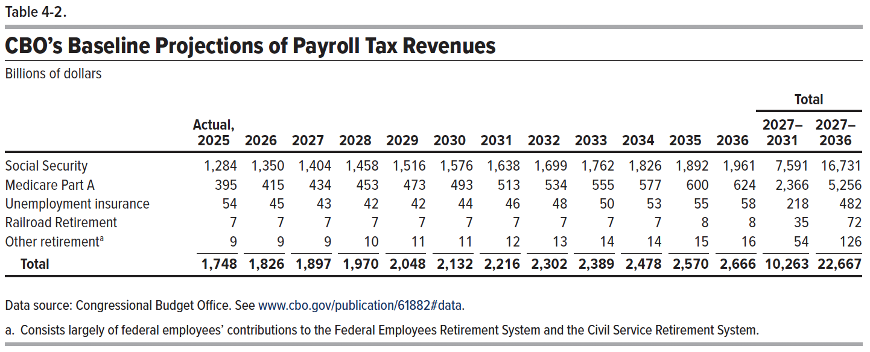
4. CBO’s Baseline Projections of Payroll Tax Revenues
Billions of dollars

 |  |  |  |  |  |  |  |  |  |  |  |  | Total
 | Actual, 2025 | 2026 | 2027 | 2028 | 2029 | 2030 | 2031 | 2032 | 2033 | 2034 | 2035 | 2036 | 2027– 2031 | 2027– 2036
Social Security | 1,284 | 1,350 | 1,404 | 1,458 | 1,516 | 1,576 | 1,638 | 1,699 | 1,762 | 1,826 | 1,892 | 1,961 | 7,591 | 16,731
Medicare | 395 | 415 | 434 | 453 | 473 | 493 | 513 | 534 | 555 | 577 | 600 | 624 | 2,366 | 5,256
Unemployment insurance | 54 | 45 | 43 | 42 | 42 | 44 | 46 | 48 | 50 | 53 | 55 | 58 | 218 | 482
Railroad Retirement | 7 | 7 | 7 | 7 | 7 | 7 | 7 | 7 | 7 | 7 | 8 | 8 | 35 | 72
Other retirement | 9 | 9 | 9 | 10 | 11 | 11 | 12 | 13 | 14 | 14 | 15 | 16 | 54 | 126
Total | 1,748 | 1,826 | 1,897 | 1,970 | 2,048 | 2,132 | 2,216 | 2,302 | 2,389 | 2,478 | 2,570 | 2,666 | 10,263 | 22,667

Back to Table of Contents

