MVP 2 Assets
MU1 | 0.1 | Input
MU2 | 0.15 | Input
SD1 | 0.05 | Input
SD2 | 0.1 | Input | Screenshot of the solver. This is how it should look. Not always you will be able to get var=0, but rather set it to "min"
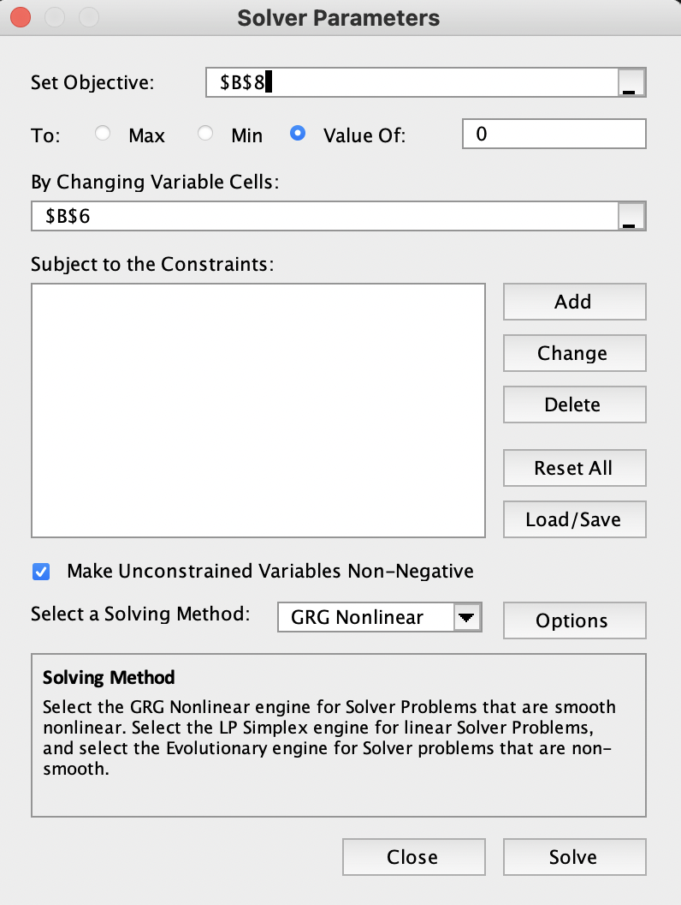
Corr | -0.5 | Input
WA | 0.71428571396 | Don't touch
WB | 0.28571428604 | Don't touch
Desired Var | 0.0010714285714 | Don't touch

