References
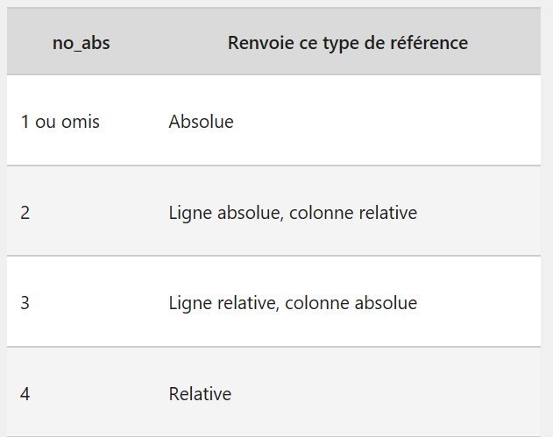
1 | 10 | 100 | 1000
2 | 20 | 200 | 2000 | 1 | #REF! | 10 | 100 | 1000
3 | 30 | 300 | 3000 | 2 | #REF! | 20 | 200 | 2000
4 | 40 | 400 | 4000 | 3 | #REF! | 30 | 300 | 3000
5 | 50 | 500 | 5000 | 4 | 10 | 40 | 400 | 4000
6 | 60 | 600 | 6000 | 5 | 14 | 165 | 1665 | 5000
7 | 70 | 700 | 7000 | 6 | 18 | 60 | 600 | 6000
8 | 80 | 800 | 8000 |  | 22 | 70 | 700 | 7000
9 | 90 | 900 | 9000
10 | 100 | 1000 | 10000

Row_Column
=COLUMN()
The COLUMN() function returns the column number of a given cell or reference. Example: =COLUMN(A1) returns 1, =COLUMN(D5) returns 4.
1 | 1
2 | 2 |  | 7 | 8 | 9 | 10 | 11 | 12 | 13 | 14 | 15 | 16
3 | 3
4 | 4
5 | 5
6 | 6
7 | 7
8 | 8
9 | 9 | =COUNTA(A:A)
10 | 10 | 14
COUNTA() counts the number of non-empty cells in a range.
11 | 11
12 | 12
13 | 13
14 | 14 |  |  |  |  |  | =COUNTIF(A:A;">10")
The ROW() function returns the row number of a given cell or reference. Example: =ROW(A1) returns 1, =ROW(D5) returns 5.
 |  |  |  |  |  |  | 4
COUNTIF() counts the number of cells that meet a specific condition
Counts cells in A:A where the value is greater than 10

If And Or
Score (A) | Behavior (B) | Attitude (C) | Grade (Formula Output) | Result
85 | Excellent | Good |  | Pass with Merit
75 | Good | Average |  | Regular Pass
90 | Poor | Good |  | Regular Pass
72 | Excellent | Good |  | Pass with Merit
68 | Excellent | Poor |  | Regular Pass
95 | Good | Good |  | Pass with Merit
70 | Poor | Average |  | Regular Pass
88 | Excellent | Excellent |  | Pass with Merit
60 | Good | Average |  | Regular Pass
80 | Excellent | Poor |  | Pass with Merit
92 | Poor | Poor |  | Regular Pass
55 | Good | Good |  | Regular Pass
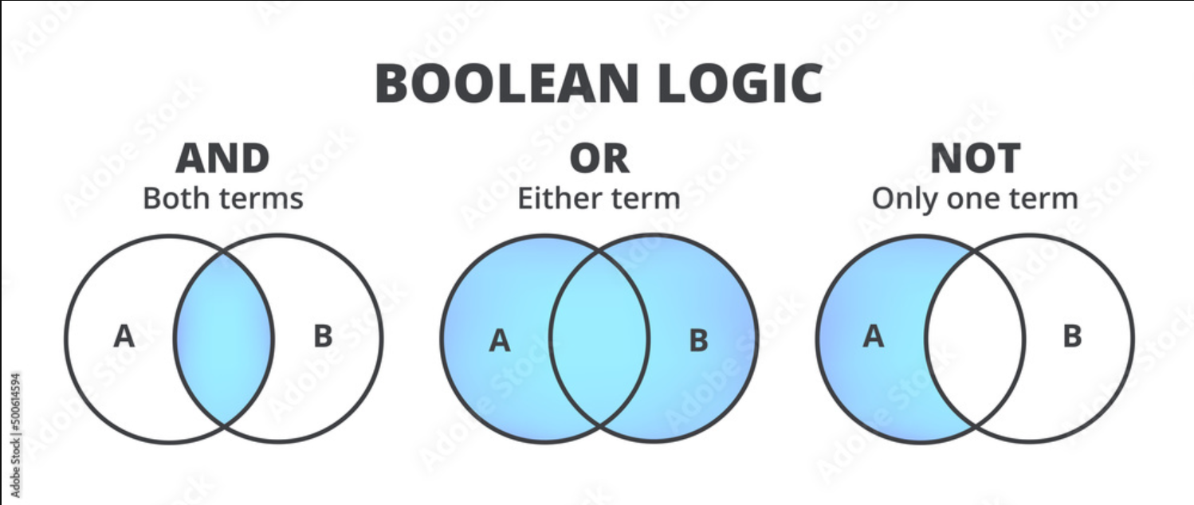

Conditions:

A student passes with merit if their score (A) is 70 or more
AND their **behavior (B) is "Excellent" OR their attitude (C) is "Good"

Otherwise, they get a regular pass

