Sheet
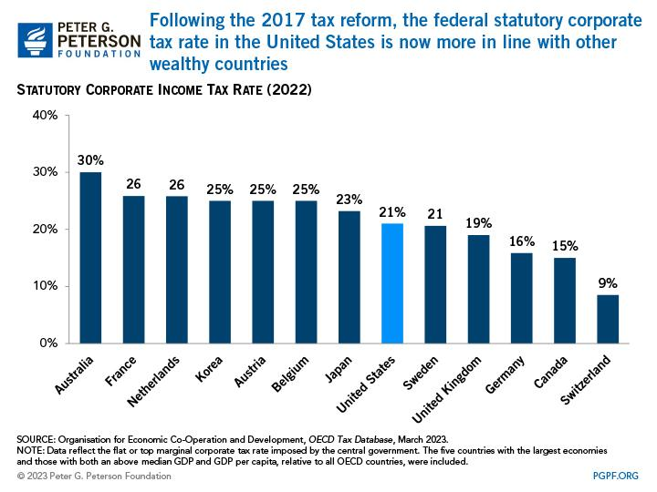

Prompt | Image
0,a graph showing the number of different taxes per business in the us
1,there are four toy vehicles that are sitting on a table
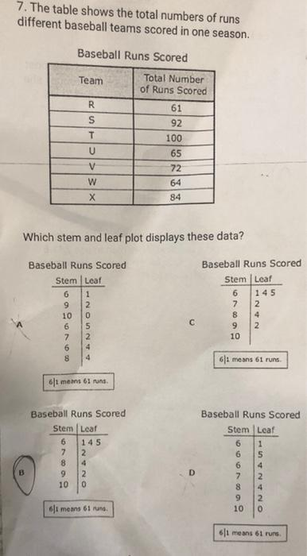
2,a table with a number of different teams and numbers
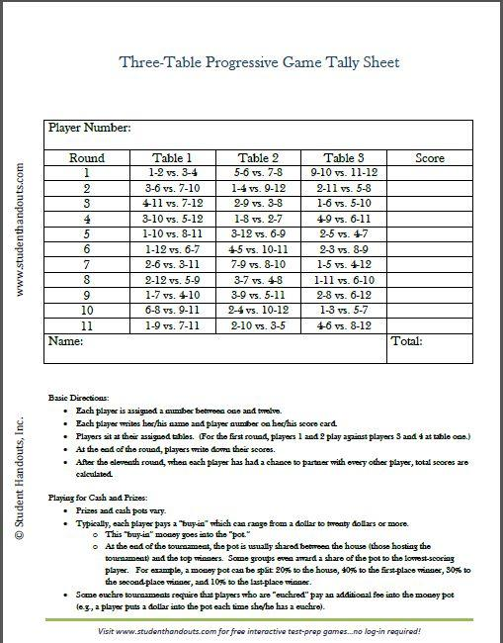
3,a table with a number of players and their score
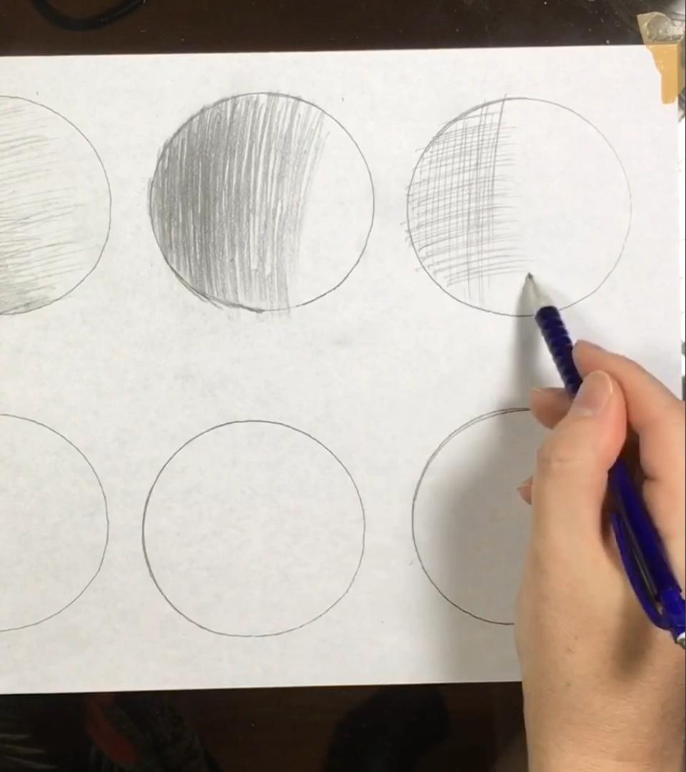
4,a circle with a line that is drawn in the middle of it

5,a table with a number of students receiving scholarships in the year
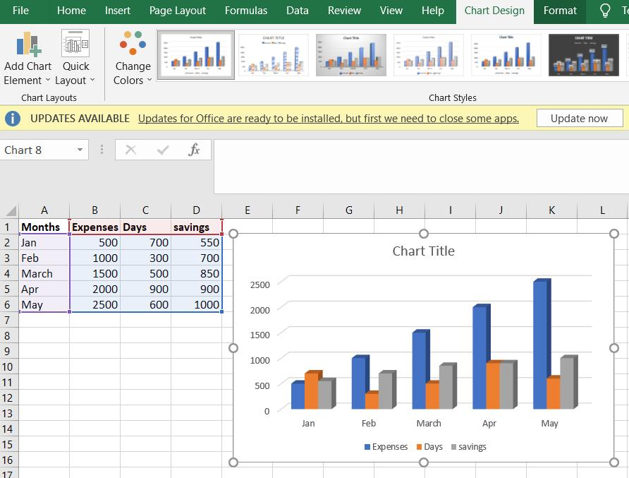
6,a close up of a bar chart with different types of items
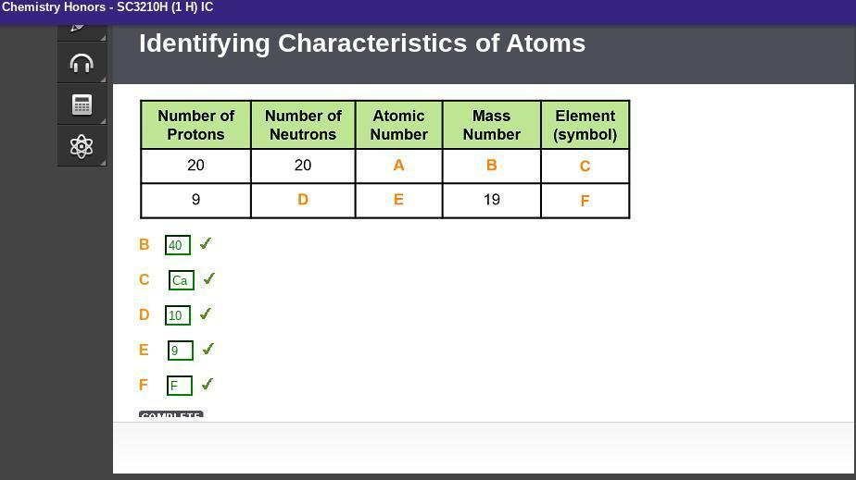
7,a table with a number of entries and a table number of entries
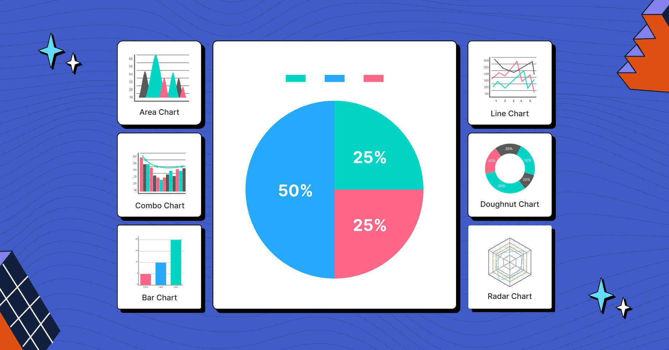
8,a diagram of a bar chart with the most preferred objects of different categoriess

9,a close up of a digital clock with the time on the display
10,a diagram of a sphere with a volume of 0, 5 and a volume of 0 | Image not found
11,a screenshot of a bar chart with a line graph showing the number of women in the u | Image not found
12,a diagram of a square with 5 mm and 5 mm | Image not found
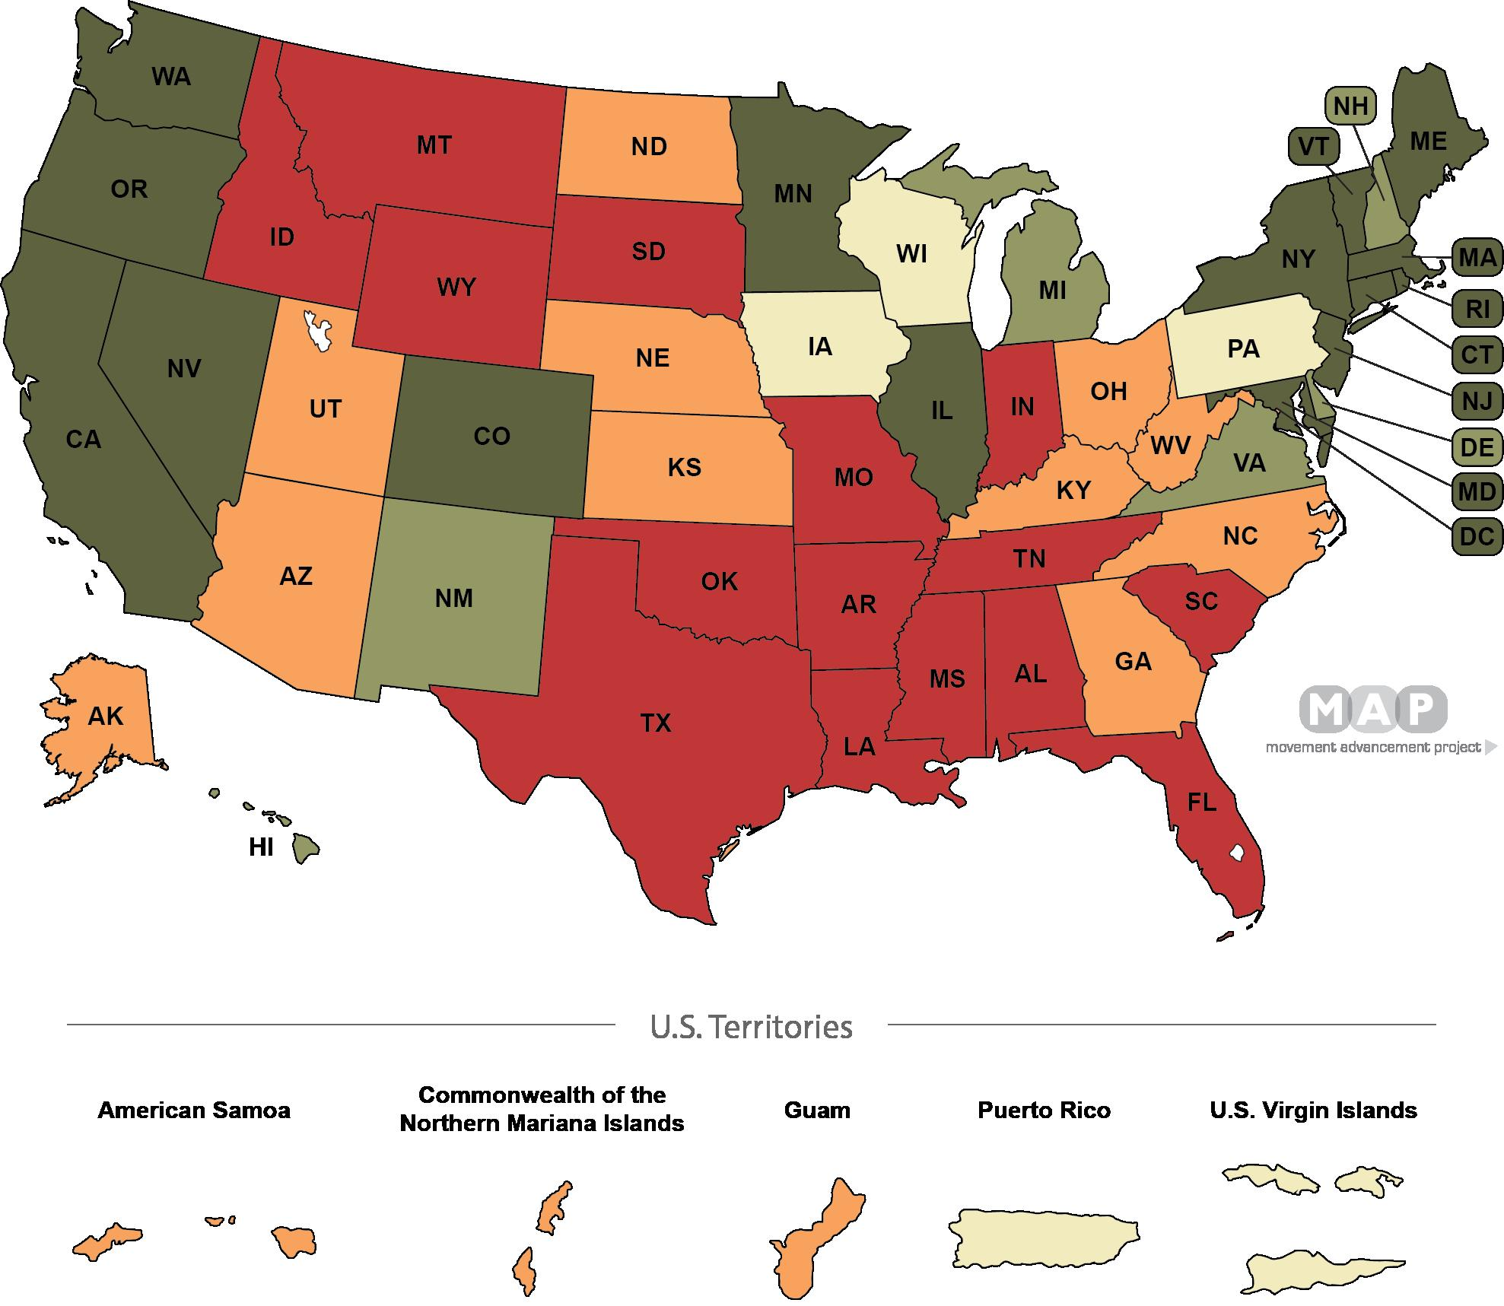
13,a map of the united states with the most people in each state
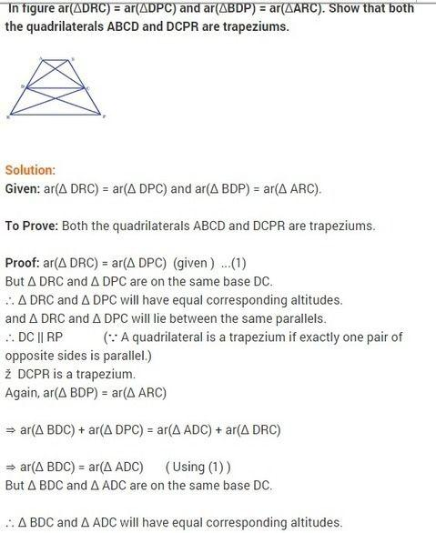
14,a triangle with three sides and three sides that are congructed
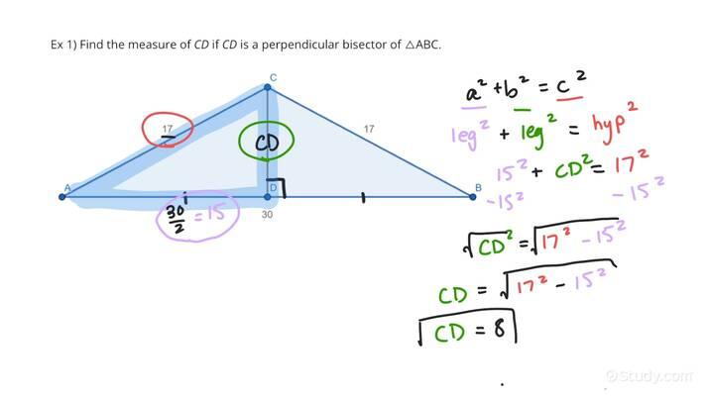
15,a diagram of a triangle with a line that is perpendicular to the right

