argentina
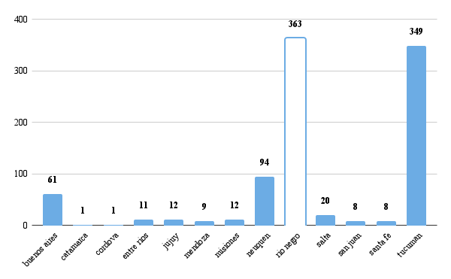
ano | uf | fruta | count
2018 | buenos aires | Apple | 8
2019 | buenos aires | Apple | 7
2020 | buenos aires | Apple | 6
2021 | buenos aires | Apple | 7
2022 | buenos aires | Apple | 5
2022 | buenos aires | Avocado | 1
2018 | buenos aires | Grape (table) | 3
2019 | buenos aires | Grape (table) | 3
2020 | buenos aires | Grape (table) | 2
2021 | buenos aires | Grape (table) | 1
2022 | buenos aires | Grape (table) | 1
2018 | buenos aires | Lemon | 2
2019 | buenos aires | Lemon | 4
2020 | buenos aires | Lemon | 3
2021 | buenos aires | Lemon | 2
2022 | buenos aires | Lemon | 2
2018 | buenos aires | Mango | 1
2019 | buenos aires | Mango | 1
2020 | buenos aires | Mango | 1
2021 | buenos aires | Mango | 1
2020 | catamarca | Lemon | 1
2020 | cordova | Grape (table) | 1
2018 | entre rios | Lemon | 2
2018 | entre rios | Lime | 1
2019 | entre rios | Lemon | 2
2019 | entre rios | Lime | 1
2020 | entre rios | Lemon | 1
2021 | entre rios | Lemon | 2
2021 | entre rios | Lime | 1
2022 | entre rios | Lemon | 1
2018 | jujuy | Lemon | 2
2019 | jujuy | Lemon | 4
2020 | jujuy | Lemon | 3
2021 | jujuy | Lemon | 2
2022 | jujuy | Lemon | 1
2018 | mendoza | Grape (table) | 2
2018 | mendoza | Apple | 1
2019 | mendoza | Grape (table) | 2
2019 | mendoza | Apple | 1
2020 | mendoza | Apple | 1
2021 | mendoza | Apple | 1
2022 | mendoza | Apple | 1
2018 | misiones | Lemon | 2
2019 | misiones | Lemon | 2
2020 | misiones | Lemon | 3
2021 | misiones | Lemon | 3
2022 | misiones | Lemon | 2
2018 | neuquen | Apple | 20
2019 | neuquen | Apple | 17
2020 | neuquen | Apple | 18
2021 | neuquen | Apple | 19
2022 | neuquen | Apple | 19
2018 | neuquen | Grape (table) | 1
2018 | rio negro | Apple | 80
2019 | rio negro | Apple | 79
2020 | rio negro | Apple | 70
2021 | rio negro | Apple | 66
2022 | rio negro | Apple | 68
2018 | salta | Lemon | 5
2019 | salta | Lemon | 2
2020 | salta | Lemon | 3
2021 | salta | Lemon | 5
2022 | salta | Lemon | 5
2018 | san juan | Grape (table) | 3
2019 | san juan | Grape (table) | 2
2021 | san juan | Grape (table) | 1
2022 | san juan | Grape (table) | 1
2022 | san juan | Lemon | 1
2018 | santa fe | Lemon | 1
2019 | santa fe | Lemon | 2
2020 | santa fe | Lemon | 1
2021 | santa fe | Lemon | 2
2022 | santa fe | Lemon | 2
2018 | tucuman | Lemon | 57
2019 | tucuman | Lemon | 66
2020 | tucuman | Lemon | 72
2020 | tucuman | Grape (table) | 2
2021 | tucuman | Lemon | 82
2022 | tucuman | Lemon | 69
2022 | tucuman | Avocado | 1

chile
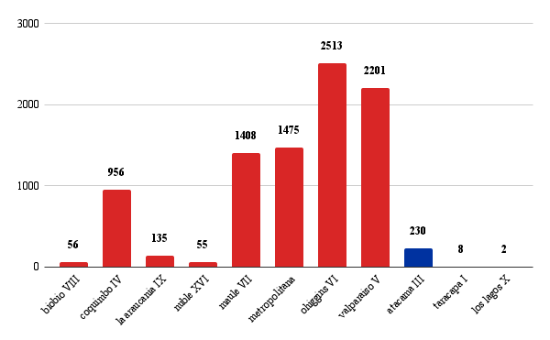
ano | uf | fruta | count
2018 | biobio VIII | Apple | 17
2018 | coquimbo IV | Apple | 1
2018 | la araucania IX | Apple | 32
2019 | coquimbo IV | Apple | 1
2018 | nuble XVI | Apple | 10
2020 | coquimbo IV | Apple | 1
2021 | coquimbo IV | Apple | 2
2019 | biobio VIII | Apple | 8
2022 | coquimbo IV | Apple | 2
2018 | maule VII | Apple | 264
2019 | la araucania IX | Apple | 28
2019 | maule VII | Apple | 279
2020 | maule VII | Apple | 268
2019 | nuble XVI | Apple | 12
2021 | maule VII | Apple | 262
2022 | maule VII | Apple | 239
2018 | metropolitana | Apple | 19
2019 | metropolitana | Apple | 21
2020 | biobio VIII | Apple | 9
2020 | metropolitana | Apple | 17
2021 | metropolitana | Apple | 18
2022 | metropolitana | Apple | 22
2020 | la araucania IX | Apple | 26
2020 | nuble XVI | Apple | 12
2021 | biobio VIII | Apple | 9
2018 | ohiggins VI | Apple | 210
2019 | ohiggins VI | Apple | 219
2020 | ohiggins VI | Apple | 196
2021 | la araucania IX | Apple | 26
2021 | ohiggins VI | Apple | 178
2022 | ohiggins VI | Apple | 169
2021 | nuble XVI | Apple | 11
2022 | biobio VIII | Apple | 11
2018 | valparaiso V | Apple | 4
2019 | valparaiso V | Apple | 9
2020 | valparaiso V | Apple | 7
2021 | valparaiso V | Apple | 8
2022 | la araucania IX | Apple | 23
2022 | valparaiso V | Apple | 3
2022 | nuble XVI | Apple | 9
2022 | coquimbo IV | Avocado | 39
2022 | maule VII | Avocado | 2
2022 | metropolitana | Avocado | 61
2022 | ohiggins VI | Avocado | 25
2022 | valparaiso V | Avocado | 162
2018 | atacama III | Grape (table) | 48
2018 | biobio VIII | Grape (table) | 1
2018 | coquimbo IV | Grape (table) | 127
2019 | coquimbo IV | Grape (table) | 129
2020 | coquimbo IV | Grape (table) | 143
2021 | coquimbo IV | Grape (table) | 127
2022 | coquimbo IV | Grape (table) | 96
2019 | atacama III | Grape (table) | 46
2018 | maule VII | Grape (table) | 16
2019 | maule VII | Grape (table) | 18
2020 | maule VII | Grape (table) | 19
2021 | maule VII | Grape (table) | 18
2022 | maule VII | Grape (table) | 16
2020 | atacama III | Grape (table) | 51
2018 | metropolitana | Grape (table) | 131
2019 | metropolitana | Grape (table) | 129
2020 | metropolitana | Grape (table) | 119
2021 | metropolitana | Grape (table) | 111
2022 | metropolitana | Grape (table) | 109
2021 | atacama III | Grape (table) | 44
2018 | ohiggins VI | Grape (table) | 290
2019 | ohiggins VI | Grape (table) | 278
2020 | ohiggins VI | Grape (table) | 280
2021 | ohiggins VI | Grape (table) | 261
2022 | ohiggins VI | Grape (table) | 264
2021 | nuble XVI | Grape (table) | 1
2022 | atacama III | Grape (table) | 41
2022 | biobio VIII | Grape (table) | 1
2018 | valparaiso V | Grape (table) | 225
2019 | valparaiso V | Grape (table) | 218
2020 | valparaiso V | Grape (table) | 193
2021 | valparaiso V | Grape (table) | 195
2022 | valparaiso V | Grape (table) | 168
2018 | coquimbo IV | Lemon | 14
2019 | coquimbo IV | Lemon | 16
2020 | coquimbo IV | Lemon | 20
2021 | coquimbo IV | Lemon | 18
2018 | taracapa I | Lemon | 6
2022 | coquimbo IV | Lemon | 20
2018 | maule VII | Lemon | 1
2018 | metropolitana | Lemon | 73
2019 | metropolitana | Lemon | 94
2020 | metropolitana | Lemon | 92
2021 | metropolitana | Lemon | 91
2022 | metropolitana | Lemon | 93
2021 | los lagos X | Lemon | 1
2018 | ohiggins VI | Lemon | 11
2019 | ohiggins VI | Lemon | 15
2020 | ohiggins VI | Lemon | 15
2021 | ohiggins VI | Lemon | 17
2021 | taracapa I | Lemon | 1
2022 | ohiggins VI | Lemon | 16
2022 | los lagos X | Lemon | 1
2018 | valparaiso V | Lemon | 49
2019 | valparaiso V | Lemon | 56
2020 | valparaiso V | Lemon | 58
2021 | valparaiso V | Lemon | 59
2022 | valparaiso V | Lemon | 52
2018 | taracapa I | Lime | 1
2018 | metropolitana | Lime | 1
2019 | metropolitana | Lime | 1
2020 | metropolitana | Lime | 1
2021 | metropolitana | Lime | 1
2022 | metropolitana | Lime | 1
2018 | coquimbo IV | Mango | 48
2019 | coquimbo IV | Mango | 55
2020 | coquimbo IV | Mango | 45
2021 | coquimbo IV | Mango | 47
2018 | maule VII | Mango | 2
2019 | maule VII | Mango | 1
2020 | maule VII | Mango | 2
2021 | maule VII | Mango | 1
2018 | metropolitana | Mango | 64
2019 | metropolitana | Mango | 75
2020 | metropolitana | Mango | 66
2021 | metropolitana | Mango | 65
2018 | ohiggins VI | Mango | 14
2019 | ohiggins VI | Mango | 16
2020 | ohiggins VI | Mango | 18
2021 | ohiggins VI | Mango | 21
2018 | valparaiso V | Mango | 179
2019 | valparaiso V | Mango | 207
2020 | valparaiso V | Mango | 178
2021 | valparaiso V | Mango | 171
2019 | coquimbo IV | Papaya | 1
2020 | coquimbo IV | Papaya | 1
2021 | coquimbo IV | Papaya | 1
2022 | coquimbo IV | Papaya | 2

