Gráficos
Ventas por meses

Suma de UdsVendidas | Etiquetas de columna
Etiquetas de fila | Direct | Online | Retail | Total general
ene | 972 | 6573 | 4681 | 12226
feb | 791 | 5429 | 3979 | 10199
mar | 972 | 3883 | 3184 | 8039
abr | 1170 | 5981 | 4935 | 12086
may | 1519 | 6210 | 6853 | 14582
jun | 749 | 4189 | 4277 | 9215
jul | 759 | 4753 | 4085 | 9597
ago | 1196 | 4614 | 4337 | 10147
sep | 676 | 2441 | 2005 | 5122
oct | 543 | 1789 | 1740 | 4072
nov | 1159 | 3215 | 2004 | 6378
dic | 257 | 3580 | 2540 | 6377
Total general | 10763 | 52657 | 44620 | 108040

Venta por paises
Etiquetas de fila | Suma de UdsVendidas
Afghanistan | 185
Albania | 693
Algeria | 713
Andorra | 667
Angola | 2014
Antigua and Barbuda | 928
Armenia | 1051
Australia | 188
Austria | 433
Azerbaijan | 1378
Bahrain | 83
Bangladesh | 339
Barbados | 397
Belarus | 358
Belgium | 503
Belize | 469
Benin | 914
Bhutan | 752
Bosnia and Herzegovina | 1086
Botswana | 2151
Brunei | 568
Bulgaria | 169
Burkina Faso | 522
Burundi | 455
Cambodia | 230
Cameroon | 233
Canada | 288
Cape Verde | 638
Central African Republic | 702
Chad | 1314
China | 1748
Comoros | 1819
Costa Rica | 721
Croatia | 294
Cuba | 165
Cyprus | 313
Czech Republic | 763
Denmark | 1226
Djibouti | 113
Dominican Republic | 256
East Timor | 247
Egypt | 540
El Salvador | 290
Equatorial Guinea | 329
Eritrea | 306
Estonia | 297
Ethiopia | 1594
Fiji | 187
Finland | 515
France | 1119
Gabon | 1299
Georgia | 574
Germany | 406
Ghana | 445
Greece | 153
Greenland | 28
Grenada | 988
Guatemala | 191
Guinea | 732
Guinea-Bissau | 898
Haiti | 1633
Honduras | 1066
Hungary | 818
Iceland | 851
India | 48
Indonesia | 922
Iran | 307
Iraq | 707
Ireland | 462
Israel | 289
Italy | 187
Jamaica | 114
Japan | 306
Jordan | 425
Kazakhstan | 517
Kenya | 181
Kiribati | 1312
Kuwait | 664
Kyrgyzstan | 347
Latvia | 107
Lebanon | 686
Lesotho | 635
Liberia | 872
Libya | 63
Liechtenstein | 95
Lithuania | 208
Luxembourg | 700
Macedonia | 972
Madagascar | 185
Malawi | 313
Malaysia | 661
Maldives | 210
Mali | 304
Malta | 602
Marshall Islands | 403
Mauritania | 706
Mauritius | 727
Mexico | 311
Moldova | 530
Monaco | 50
Mongolia | 848
Montenegro | 418
Morocco | 236
Mozambique | 293
Myanmar | 557
Namibia | 448
Nauru | 836
Nepal | 382
Netherlands | 1120
New Zealand | 617
Nicaragua | 124
Niger | 321
Nigeria | 1117
North Korea | 383
Norway | 349
Oman | 927
Pakistan | 1109
Palau | 813
Panama | 1130
Papua New Guinea | 1551
Philippines | 1048
Poland | 823
Portugal | 1447
Qatar | 676
Republic of the Congo | 504
Romania | 146
Russia | 126
Rwanda | 452
Saint Kitts and Nevis | 84
Saint Lucia | 1172
Saint Vincent and the Grenadines | 417
Samoa | 638
San Marino | 253
Sao Tome and Principe | 361
Saudi Arabia | 436
Senegal | 116
Serbia | 597
Seychelles | 385
Sierra Leone | 535
Singapore | 470
Slovakia | 173
Slovenia | 280
Solomon Islands | 629
Somalia | 899
South Africa | 847
Spain | 450
Sri Lanka | 788
Sudan | 1374
Swaziland | 686
Sweden | 364
Switzerland | 559
Syria | 793
Taiwan | 582
Tajikistan | 354
Tanzania | 534
Thailand | 42
The Gambia | 659
Togo | 1032
Tonga | 523
Trinidad and Tobago | 836
Tunisia | 564
Turkey | 1070
Turkmenistan | 502
Tuvalu | 285
Uganda | 368
Ukraine | 551
United Arab Emirates | 332
United Kingdom | 1935
United States of America | 401
Uzbekistan | 642
Vanuatu | 872
Vatican City | 1136
Vietnam | 1418
Yemen | 607
Zambia | 450
Zimbabwe | 765
Total general | 108040

Tipo de ventas

Etiquetas de fila | Suma de UdsVendidas
A1 | 13129
Direct | 1450
Online | 5811
Retail | 5868
A2 | 18224
Direct | 1536
Online | 9649
Retail | 7039
A4 | 7049
Direct | 707
Online | 3665
Retail | 2677
B1 | 9794
Direct | 1078
Online | 5252
Retail | 3464
B2 | 8245
Direct | 1011
Online | 4607
Retail | 2627
B3 | 9317
Direct | 562
Online | 4446
Retail | 4309
C1 | 8943
Direct | 1109
Online | 4976
Retail | 2858
C2 | 8715
Direct | 660
Online | 3660
Retail | 4395
C3 | 9421
Direct | 916
Online | 4328
Retail | 4177
C4 | 7784
Direct | 658
Online | 3761
Retail | 3365
C5 | 7419
Direct | 1076
Online | 2502
Retail | 3841
Total general | 108040

 | Asia | Australia and Oceania | Central America and the Caribbean | Europe | Middle East and North Africa | North America | Sub-Saharan Africa
Direct | 413 | 382 | 227 | 1216 | 257 |  | 1401
Online | 3522 | 1656 | 2339 | 4404 | 3041 | 41 | 5303
Retail | 2708 | 1106 | 1344 | 4812 | 2884 | 168 | 5145
Direct | 1175 | 466 | 513 | 2372 | 757 |  | 1584
Online | 3690 | 3456 | 3574 | 7401 | 3666 | 532 | 10032
Retail | 3156 | 2035 | 2984 | 6724 | 3084 | 287 | 8183
Grafico por paises

Suma de UdsVendidas | Etiquetas de columna
Etiquetas de fila | Asia | Australia and Oceania | Central America and the Caribbean | Europe | Middle East and North Africa | North America | Sub-Saharan Africa | Total general
2015 | 6643 | 3144 | 3910 | 10432 | 6182 | 209 | 11849 | 42369
Direct | 413 | 382 | 227 | 1216 | 257 |  | 1401 | 3896
Online | 3522 | 1656 | 2339 | 4404 | 3041 | 41 | 5303 | 20306
Retail | 2708 | 1106 | 1344 | 4812 | 2884 | 168 | 5145 | 18167
2016 | 8021 | 5957 | 7071 | 16497 | 7507 | 819 | 19799 | 65671
Direct | 1175 | 466 | 513 | 2372 | 757 |  | 1584 | 6867
Online | 3690 | 3456 | 3574 | 7401 | 3666 | 532 | 10032 | 32351
Retail | 3156 | 2035 | 2984 | 6724 | 3084 | 287 | 8183 | 26453
Total general | 14664 | 9101 | 10981 | 26929 | 13689 | 1028 | 31648 | 108040

Grafica por ganancias

Etiquetas de fila | Suma de Numero de productos vendidos | Suma de Beneficio total
A1 | 13129 | 19693.5
botellín 200cc | 13129 | 19693.5
A2 | 36448 | 76358.56
botellín 300cc | 18224 | 36265.76
botellín 400cc | 18224 | 40092.8
A4 | 7049 | 21147
botellín 500cc | 7049 | 21147
B1 | 9794 | 29382
botella 0.5l | 9794 | 29382
B2 | 8245 | 24735
botella 1l | 8245 | 24735
B3 | 9317 | 27951
botella 5l | 9317 | 27951
C1 | 8943 | 8943
garrafa 1l | 8943 | 8943
C2 | 8715 | 17430
garrafa 2l | 8715 | 17430
C3 | 9421 | 32879.29
garrafa 3l | 9421 | 32879.29
C4 | 7784 | 38842.16
garrafa 4l | 7784 | 38842.16
C5 | 7419 | 48223.5
garrafa 8l | 7419 | 48223.5
Total general | 126264 | 345585.01

Rentabilidad-Solver
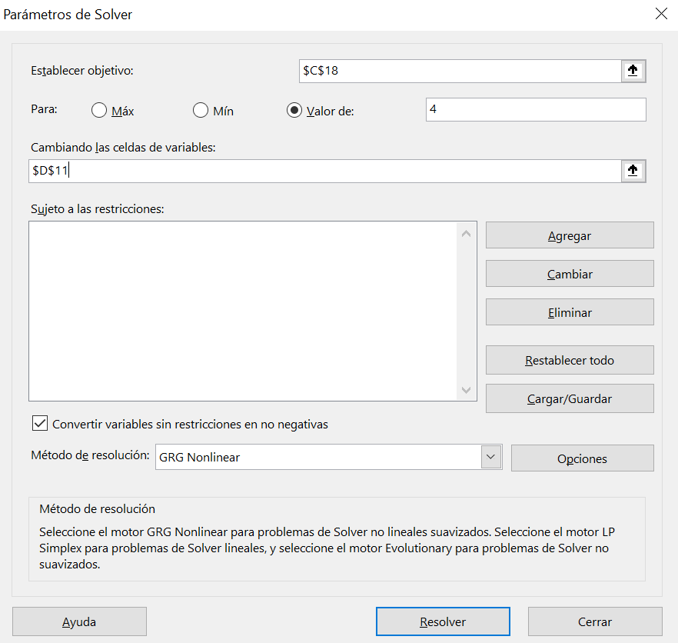

`` | Suma de CosteUndsVente | Suma de ingresos | inventarioMedio | Beneficio
Asia | 8127.5 | 15240.47 | 10972 | 11343.47
Australia and Oceania | 6590.5 | 11760.16 | 4047 | 8665.71
Central America and the Caribbean | 6152.5 | 11775.49 | 7690 | 4059.05
Europe | 16275.5 | 29572.24 | 12372 | 18603.5
Middle East and North Africa | 4372 | 7439.65 | 11415 | 4943.13
North America | 1955 | 3655.56 | 285 | 3640.56
Sub-Saharan Africa | 18899 | 34220.67 | 26618 | 21441.72
Total general | 62372 | 113664.24 | 12823.075395 | 10385.305714

 |  | Rotación | 4.8640437709
 |  | Margen | 0.82236003335
 |  | Rentabilidad Económica | 3.9999951977

 |  | Para que la rentabilidad económica sea 4 El inventario medio debe valer 12823,0754

