FRA TDS
Name | First Currency | Instrument Type | Term | Contributor | RIC
Swedish Krona 4MX7M Forward Rate Agreement | Swedish Krona | Forward Rate Agreement | 3 Month | TRADITIONDATA | SEK4X7F=TDS
Swedish Krona 15MX18M Forward Rate Agreement | Swedish Krona | Forward Rate Agreement | 3 Month | TRADITIONDATA | SEK15X18F=TDS
Swedish Krona 6MX9M Forward Rate Agreement | Swedish Krona | Forward Rate Agreement | 3 Month | TRADITIONDATA | SEK6X9F=TDS
Swedish Krona 5MX8M Forward Rate Agreement | Swedish Krona | Forward Rate Agreement | 3 Month | TRADITIONDATA | SEK5X8F=TDS
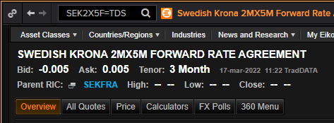
Swedish Krona 2MX5M Forward Rate Agreement | Swedish Krona | Forward Rate Agreement | 3 Month | TRADITIONDATA | SEK2X5F=TDS
Swedish Krona 9MX1Y Forward Rate Agreement | Swedish Krona | Forward Rate Agreement | 3 Month | TRADITIONDATA | SEK9X12F=TDS
Swedish Krona 18MX21M Forward Rate Agreement | Swedish Krona | Forward Rate Agreement | 3 Month | TRADITIONDATA | SEK18X21F=TDS
Swedish Krona 7MX10M Forward Rate Agreement | Swedish Krona | Forward Rate Agreement | 3 Month | TRADITIONDATA | SEK7X10F=TDS
Swedish Krona 21MX2Y Forward Rate Agreement | Swedish Krona | Forward Rate Agreement | 3 Month | TRADITIONDATA | SEK21X24F=TDS
Swedish Krona 8MX11M Forward Rate Agreement | Swedish Krona | Forward Rate Agreement | 3 Month | TRADITIONDATA | SEK8X11F=TDS
Swedish Krona 1MX4M Forward Rate Agreement | Swedish Krona | Forward Rate Agreement | 3 Month | TRADITIONDATA | SEK1X4F=TDS
Swedish Krona 3MX6M Forward Rate Agreement | Swedish Krona | Forward Rate Agreement | 3 Month | TRADITIONDATA | SEK3X6F=TDS
Swedish Krona 1YX15M Forward Rate Agreement | Swedish Krona | Forward Rate Agreement | 3 Month | TRADITIONDATA | SEK12X15F=TDS
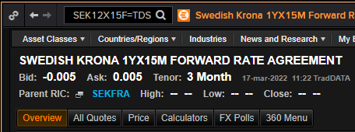
Swedish Krona 3 Month Forward Rate Agreement | Swedish Krona | Forward Rate Agreement | 3 Month | TRADITIONDATA | SEK3MFRA=TDS

