Sheet1
LINEAR DATA |  | STEEL SECTION DATA
Regions= | 3
 |  |  |  |  | NBR 8800
L1= | 4
L2= | 4 |  | bf= | 0.2 |  | tw= | 0.0063
L3= | 4 |  | tf= | 0.0095 |  | ry= | 0.0452
q1= | 100 |  | h= | 0.381 |  | Wx= | 0.00087
q2= | 100 |  | d= | 0.4 |  | Ix= | 1.74E-04
q3= | 100 |  | d'= | 0.381 |  | Área= | 0.0062
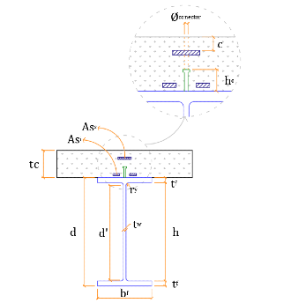
 |  |  |  |  |  | GENERAL DATA
 |  |  |  |  |  | Iteraction | Complete
 |  |  |  |  |  | Lb máx= | 1
 |  |  |  |  |  | tc= | 0.1
 |  |  |  |  |  | Nº of bars= | 21
 |  |  |  |  |  | Ø bar= | 0.0125
 |  |  |  |  |  | c= | 0.025
 |  |  |  |  |  | fucs= | 415000
 |  |  |  |  |  | Ø studs= | 0.019
 |  |  |  |  |  | y studs= | 1.25
 |  |  |  |  |  | DoC(%)= | 80
 |  |  |  |  |  | MATERIALS
 |  |  |  |  |  | fck= | 20000
 |  |  |  |  |  | yc= | 1.4
 |  |  |  |  |  | E steel= | 210000000
 |  |  |  |  |  | fy= | 250000
 |  |  |  |  |  | ya= | 1.1
 |  |  |  |  |  | E reinforcement= | 210000000
 |  |  |  |  |  | fs= | 500000
 |  |  |  |  |  | ys= | 1.1

