Sheet1
LINEAR DATA |  | SECTION DATA
regions= | 1

L1= | 5.9
 |  |  | bf= | 0.133 |  | tw= | 0.00584
 |  |  | tf= | 0.00782 |  | ry= | 0
q1= | 9.5276 |  | h= | 0.18736 |  | Wx= | 0.0002268
 |  |  | d= | 0.203 |  | Ix= | 0.00002302
 |  |  | d'= | 0.18736 |  | Área= | 0.0031741

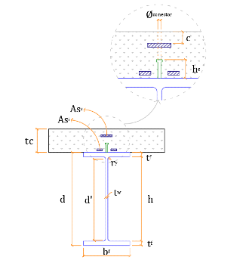
 |  |  |  |  |  | GENERAL DATA
 |  |  |  |  |  | Interação= | Complete
 |  |  |  |  |  | Lb_máx= | 1
 |  |  |  |  |  | tc= | 0.07
 |  |  |  |  |  | Nº barras= | 5
 |  |  |  |  |  | Ø barras= | 0.006
 |  |  |  |  |  | c= | 0.025
 |  |  |  |  |  | fucs= | 415000
 |  |  |  |  |  | Ø conector= | 0.0126
 |  |  |  |  |  | y conector= | 1

 |  |  |  |  |  | MATERIALS
 |  |  |  |  |  | fck= | 31000
 |  |  |  |  |  | yc= | 1
 |  |  |  |  |  | E aço= | 200000000
 |  |  |  |  |  | fy= | 265000
 |  |  |  |  |  | ya= | 1
 |  |  |  |  |  | E armadura= | 200000000
 |  |  |  |  |  | fs= | 250000
 |  |  |  |  |  | ys= | 1

OTHERS
hf= | 0 | fcd= | 31000 | E concreto= | 26502558.367 | alpha e= | 7.5464412616
fyd= | 265000 | fsd= | 250000 | Asl= | 0.00014137166941 | alpha f= | 0.94339622642

EFFECTIVE WIDTH

 |  |  |  |  |  | L1 efetivo= | 5.9

Lb 1 = | 1

CLASSIFICATION
compacta
 | λ=32 |  | λp= 103 |  | λr= 156

PROPERTIES

Strength of Concrete Slab |  |  |  | Strength of steel section

 | Ccd1= | 1844.5 |  |  | Tad= | 841.1365

Section elastic modulus of resistance mixed transverse in relation to the bending axis higher than CG. |  |  |  | Section elastic modulus of resistance mixed transverse in relation to the bending axis lower than CG.

 | ws 1= | 0.0010153311268 |  |  | wi 1= | 0.00034877283252

REQUIRED SHEAR

The required shear is given considering the resistance of the steel section!

 | k= | 5 |  |  | λ= | 34.76
 | Vpl= | 188.49768 |  |  | λp= | 67.57
 | Vrd= | 188.5 |  |  | λr= | 84.16

POSITIVE MOMENT

Compressed section thickness |  |  |  |  |  | Moment Capacity
Trecho 1 | Neutral line in laje |  | Hc= | 0.0319 |  | Mrd 1= | 130.83

NEGATIVE MOMENT

CHECKS

 |  | Bending Moment
 |  | Regions | Mrd | Msd | Status
 |  | Region 0 | 130.83 | 41.46 | OK!

 |  | Shear required
 |  | Region | Vrd | Vsd | Status
 |  | Region 0 | 188.5 | 28.11 | OK!

SHEAR STUDS

 | Regions | Qrd | Nº con. | Pitch | STUDS LIMATITION
 | Region 0 | 51.746 | 34 | 0.176 | Plastification of steel section

