Foglio1
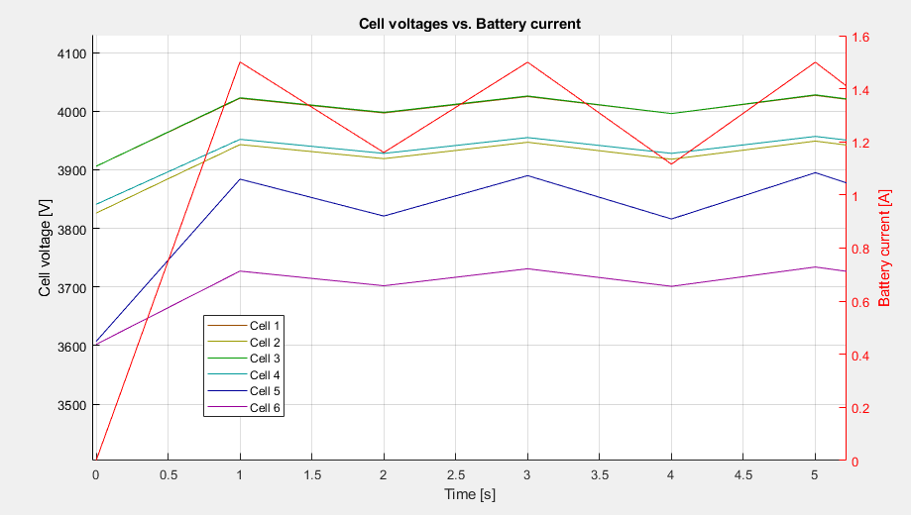
Each step: | 1° STEP | Icharge=0 mA
stop balancing and measure all | Vcell_max | 3910 | mV | --
apply balancing mask | Balance | no balancing
estimate current charge setpoint | Icharge | 1625 | mA

 | 2° STEP | Icharge=1625 mA
 | Vcell_max | 4020 | mV | +110mV
 | Balance | cells # 1, #3
 | Icharge | 1190 | mA

 | 3° STEP | Icharge=1190 mA
 | Vcell_max | 4000 | mV | -20mV
 | Balance | cells # 1, #3
 | Icharge | 1625 | mA

 | 4° STEP | Icharge=1625 mA
 | Vcell_max | 4020 | mV | +20mV
 | Balance | cells # 1, #3
 | Icharge | 1190 | mA

 | 5° STEP | Icharge=1190 mA
 | Vcell_max | oscillations
 | Balance
 | Icharge

