Dashboard
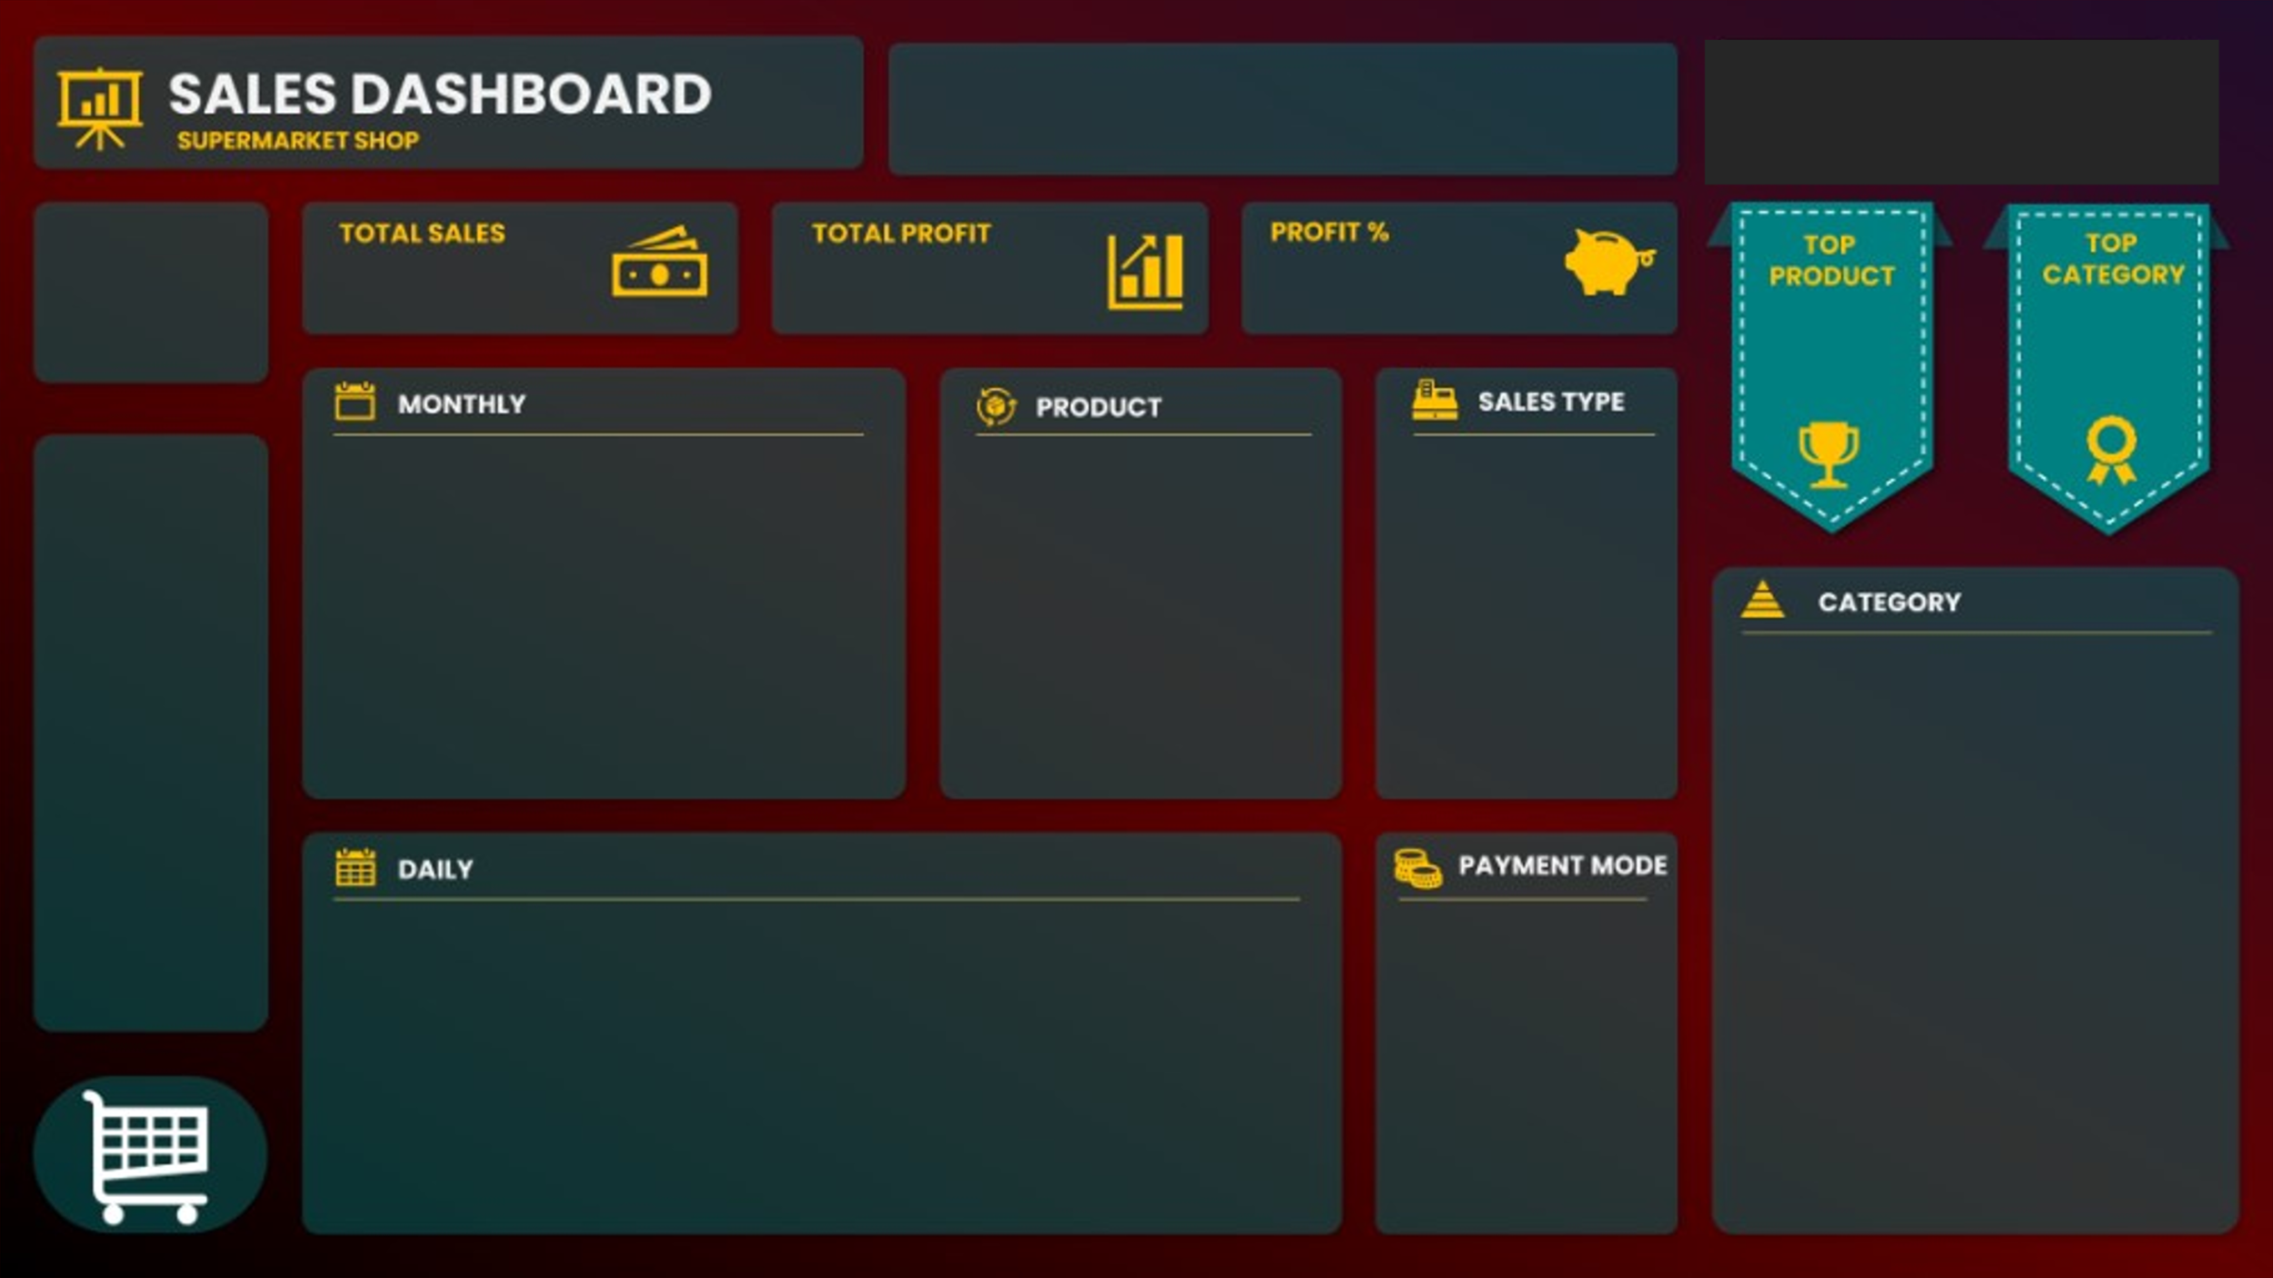
TRUE | TRUE | TRUE

21%
Product41
Category04
R$ 401.412
R$ 68.908
79
R$ 95.269,40

Product35 | 703.5 | 94
Product36 | 7222.5 | 94
Product37 | 5145.6 | 79
Product38 | 8871.12 | 124
Product39 | 3957.15 | 101
Product40 | 7718.4 | 53
Product41 | 22952.16 | 48
Product42 | 20574 | 111
Product43 | 6064.84 | 74
Product44 | 16333.92 | 100
R$ 22.952,16
 | Sales | Profit
1 | R$ 41,347 | R$ 7,057
2 | R$ 30,857 | R$ 5,516
3 | R$ 28,617 | R$ 5,180
4 | R$ 26,579 | R$ 5,297
5 | R$ 30,910 | R$ 4,384
6 | R$ 30,534 | R$ 5,655
7 | R$ 35,252 | R$ 5,374
8 | R$ 35,350 | R$ 5,519
9 | R$ 35,243 | R$ 6,485
10 | R$ 33,501 | R$ 5,659
11 | R$ 36,124 | R$ 6,818
12 | R$ 37,098 | R$ 5,964
 | Total
Direct Sales | 208140.15
Online | 133923.87
Wholesaler | 59347.9

 | Total
1 | $13,167.81
2 | $13,210.22
3 | $20,202.10
4 | $11,312.20
5 | $11,711.45
6 | $14,365.54
7 | $7,132.79
8 | $14,262.46
9 | $16,824.67
10 | $15,229.35
11 | $11,915.58
12 | $14,837.36
13 | $8,084.26
14 | $9,461.14
15 | $12,189.70
16 | $12,762.63
17 | $3,659.24
18 | $18,582.39
19 | $10,204.23
20 | $20,482.78
21 | $10,665.40
22 | $11,315.84
23 | $18,818.19
24 | $11,488.40
25 | $18,688.43
26 | $13,710.08
27 | $11,440.67
28 | $13,306.16
29 | $8,794.48
30 | $16,666.27
31 | $6,920.10
 | Total
Cash | 199516.9
Online | 201895.02
 | Total
1 | $13,167.81
2 | $13,210.22
3 | $20,202.10
4 | $11,312.20
5 | $11,711.45
6 | $14,365.54
7 | $7,132.79
8 | $14,262.46
9 | $16,824.67
10 | $15,229.35
11 | $11,915.58
12 | $14,837.36
13 | $8,084.26
14 | $9,461.14
15 | $12,189.70
16 | $12,762.63
17 | $3,659.24
18 | $18,582.39
19 | $10,204.23
20 | $20,482.78
21 | $10,665.40
22 | $11,315.84
23 | $18,818.19
24 | $11,488.40
25 | $18,688.43
26 | $13,710.08
27 | $11,440.67
28 | $13,306.16
29 | $8,794.48
30 | $16,666.27
31 | $6,920.10

