AI_NEX Hiwonder
Classification of Servos |  | Servos | Degrees |  |  | Color classification
Rights ID | Left ID | ID | 0° | 90° | 180°
 |  | 1 | 500 | 500 | 400 | Right
 |  | 2 | 500 | 500 | 600 | Left
 |  | 3 | 520 | 432 | 420 | Normal
 |  | 4 | 470 | 550 | 570 | X-axis
 |  | 5 | 560 | 140 | 140 | Y-axis
 |  | 6 | 400 | 825 | 840 | Z-axis
 |  | 7 | 720 | 557 | 130
 |  | 8 | 280 | 463 | 880
 |  | 9 | 500 | 500 | 400
 |  | 10 | 500 | 500 | 600
 |  | 11 | 500 | 500 | 440
 |  | 12 | 500 | 500 | 560
 |  | 13 | 800 | 749 | 0
 |  | 14 | 200 | 269 | 1000
 |  | 15 | 921 | 850 | 420
 |  | 16 | 99 | 180 | 600
 |  | 17 | 850 | 500 | 130
 |  | 18 | 120 | 500 | 870
 |  | 19 | 487 | 368 | 0
 |  | 20 | 500 | 635 | 994
 |  | 21 | 610 | 530 | 200
 |  | 22 | 330 | 420 | 760

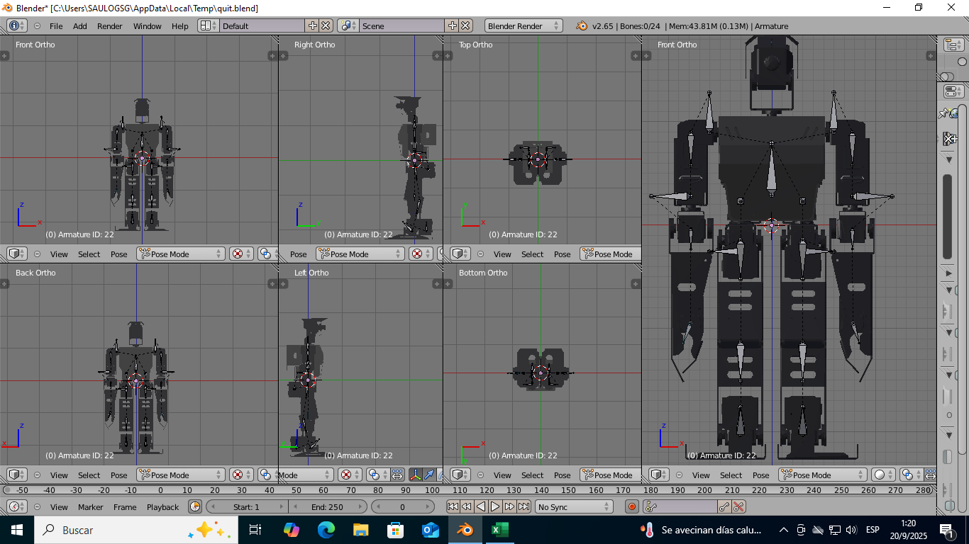
When the servos are at 90 degrees, they are in their ideal position |  |  |  | ID | 90°
 |  |  |  | 1 | 500
 |  |  |  | 2 | 500
 |  |  |  | 3 | 432
 |  |  |  | 4 | 550
 |  |  |  | 5 | 140
 |  |  |  | 6 | 825
 |  |  |  | 7 | 557
 |  |  |  | 8 | 463
 |  |  |  | 9 | 500
 |  |  |  | 10 | 500
 |  |  |  | 11 | 500
 |  |  |  | 12 | 500
 |  |  |  | 13 | 749
 |  |  |  | 14 | 269
 |  |  |  | 15 | 850
 |  |  |  | 16 | 180
 |  |  |  | 17 | 500
 |  |  |  | 18 | 500
 |  |  |  | 19 | 492
 |  |  |  | 20 | 496
 |  |  |  | 21 | 530
 |  |  |  | 22 | 420

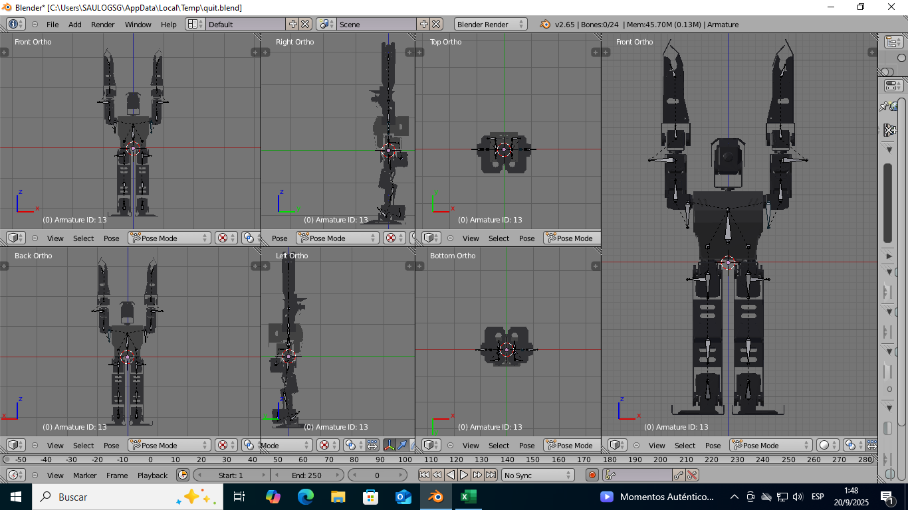
Servo movement ID: 13 ID: 14 |  |  |  | ID | 180°
 |  |  |  | 1 | 500
 |  |  |  | 2 | 500
 |  |  |  | 3 | 432
 |  |  |  | 4 | 550
 |  |  |  | 5 | 140
 |  |  |  | 6 | 825
 |  |  |  | 7 | 557
 |  |  |  | 8 | 463
 |  |  |  | 9 | 500
 |  |  |  | 10 | 500
 |  |  |  | 11 | 500
 |  |  |  | 12 | 500
 |  |  |  | 13 | 0
 |  |  |  | 14 | 1000
 |  |  |  | 15 | 850
 |  |  |  | 16 | 180
 |  |  |  | 17 | 500
 |  |  |  | 18 | 500
 |  |  |  | 19 | 492
 |  |  |  | 20 | 496
 |  |  |  | 21 | 530
 |  |  |  | 22 | 420

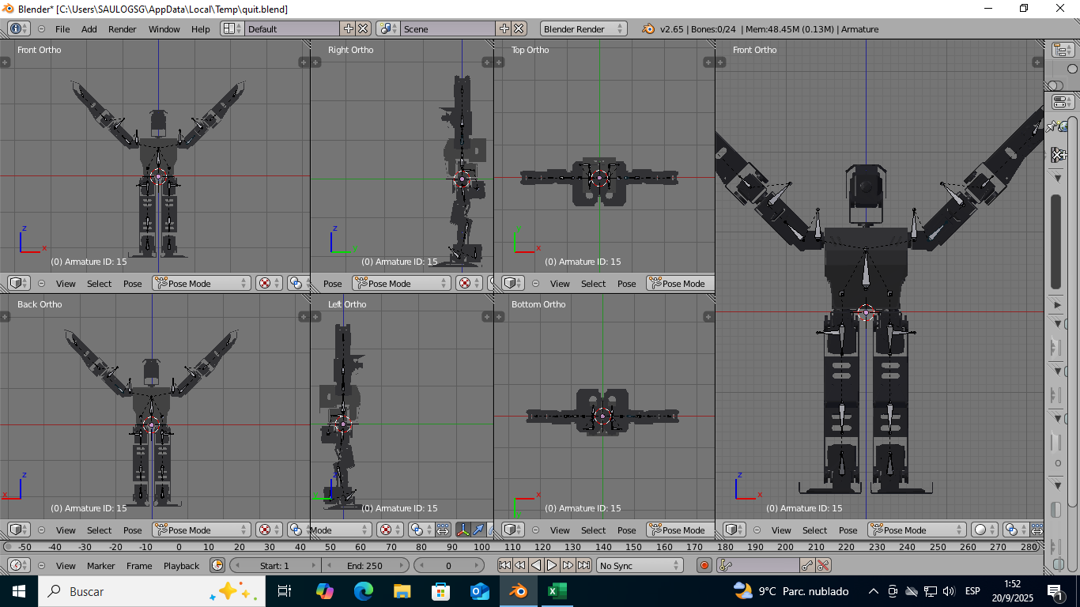
Servo movement ID: 15 ID: 16 |  |  |  | ID | 180°
 |  |  |  | 1 | 500
 |  |  |  | 2 | 500
 |  |  |  | 3 | 432
 |  |  |  | 4 | 550
 |  |  |  | 5 | 140
 |  |  |  | 6 | 825
 |  |  |  | 7 | 557
 |  |  |  | 8 | 463
 |  |  |  | 9 | 500
 |  |  |  | 10 | 500
 |  |  |  | 11 | 500
 |  |  |  | 12 | 500
 |  |  |  | 13 | 749
 |  |  |  | 14 | 269
 |  |  |  | 15 | 420
 |  |  |  | 16 | 600
 |  |  |  | 17 | 500
 |  |  |  | 18 | 500
 |  |  |  | 19 | 492
 |  |  |  | 20 | 496
 |  |  |  | 21 | 530
 |  |  |  | 22 | 420

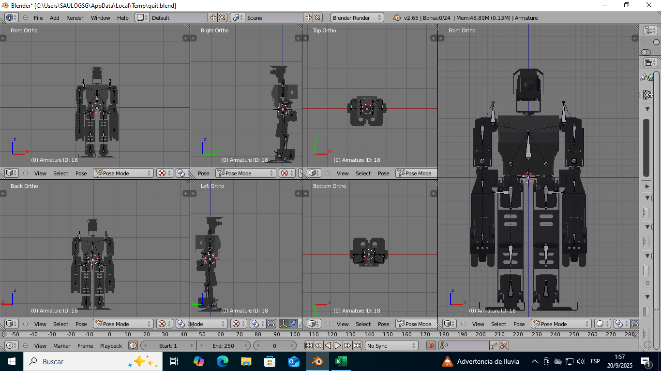
Servo movement ID: 17 ID: 18 |  |  |  | ID | 180°
 |  |  |  | 1 | 500
 |  |  |  | 2 | 500
 |  |  |  | 3 | 432
 |  |  |  | 4 | 550
 |  |  |  | 5 | 140
 |  |  |  | 6 | 825
 |  |  |  | 7 | 557
 |  |  |  | 8 | 463
 |  |  |  | 9 | 500
 |  |  |  | 10 | 500
 |  |  |  | 11 | 500
 |  |  |  | 12 | 500
 |  |  |  | 13 | 749
 |  |  |  | 14 | 269
 |  |  |  | 15 | 850
 |  |  |  | 16 | 180
 |  |  |  | 17 | 130
 |  |  |  | 18 | 870
 |  |  |  | 19 | 492
 |  |  |  | 20 | 496
 |  |  |  | 21 | 530
 |  |  |  | 22 | 420

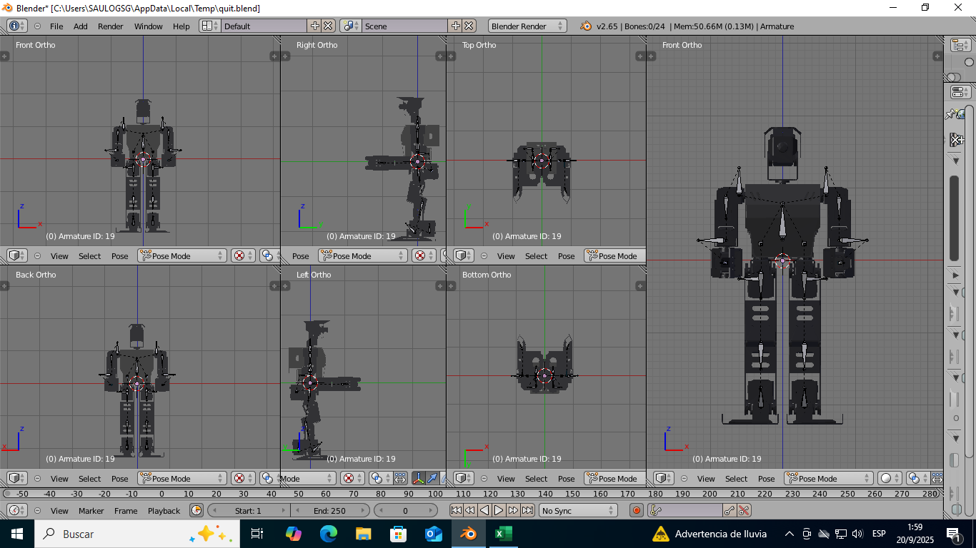
Servo movement ID: 19 ID: 20 |  |  |  | ID | 180°
 |  |  |  | 1 | 500
 |  |  |  | 2 | 500
 |  |  |  | 3 | 432
 |  |  |  | 4 | 550
 |  |  |  | 5 | 140
 |  |  |  | 6 | 825
 |  |  |  | 7 | 557
 |  |  |  | 8 | 463
 |  |  |  | 9 | 500
 |  |  |  | 10 | 500
 |  |  |  | 11 | 500
 |  |  |  | 12 | 500
 |  |  |  | 13 | 749
 |  |  |  | 14 | 269
 |  |  |  | 15 | 850
 |  |  |  | 16 | 180
 |  |  |  | 17 | 500
 |  |  |  | 18 | 500
 |  |  |  | 19 | 130
 |  |  |  | 20 | 900
 |  |  |  | 21 | 530
 |  |  |  | 22 | 420

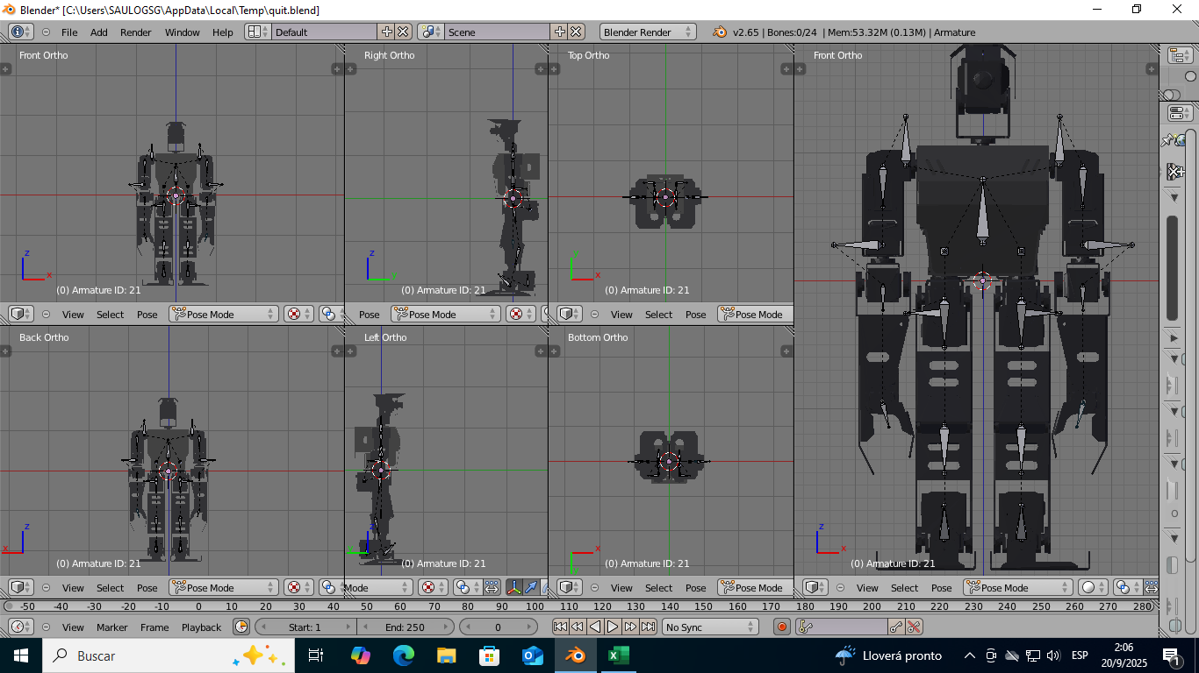
Servo movement ID: 21 ID: 22 |  |  |  | ID | 180°
 |  |  |  | 1 | 500
 |  |  |  | 2 | 500
 |  |  |  | 3 | 432
 |  |  |  | 4 | 550
 |  |  |  | 5 | 140
 |  |  |  | 6 | 825
 |  |  |  | 7 | 557
 |  |  |  | 8 | 463
 |  |  |  | 9 | 500
 |  |  |  | 10 | 500
 |  |  |  | 11 | 500
 |  |  |  | 12 | 500
 |  |  |  | 13 | 749
 |  |  |  | 14 | 269
 |  |  |  | 15 | 850
 |  |  |  | 16 | 180
 |  |  |  | 17 | 500
 |  |  |  | 18 | 500
 |  |  |  | 19 | 492
 |  |  |  | 20 | 496
 |  |  |  | 21 | 200
 |  |  |  | 22 | 760

