分析报告
数据有效性分析报告

样本总体分布情况

数据集 | 样本总数 | 坏客户数 | 坏客户占比 | 备注
回溯数据集 | 1000 | 300 | 30.00%

数值类特征 OR 评分效果评估

数据字段: duration_in_month

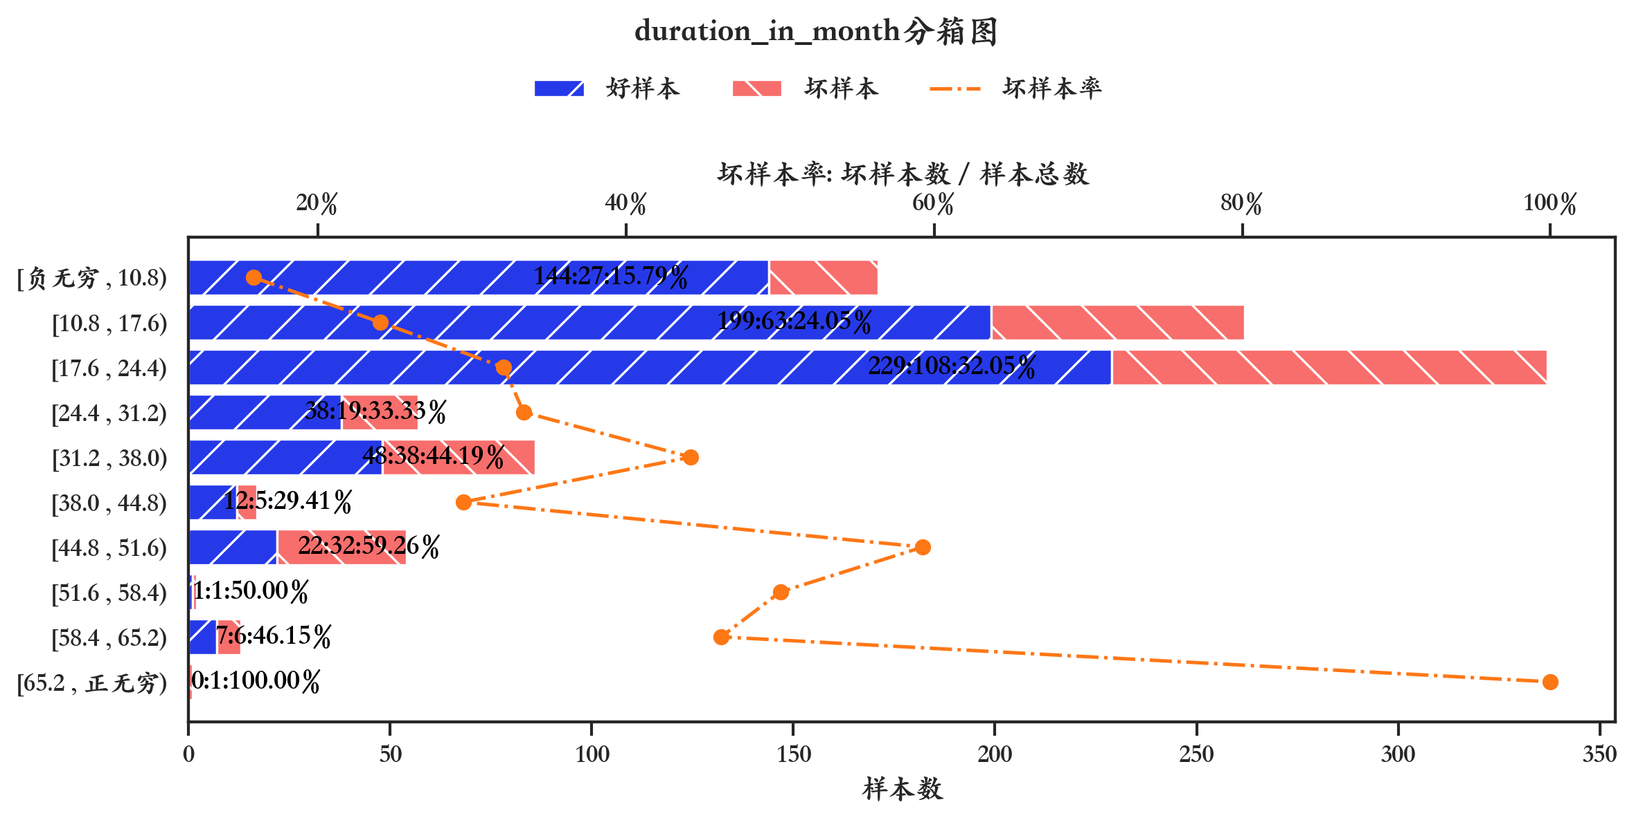
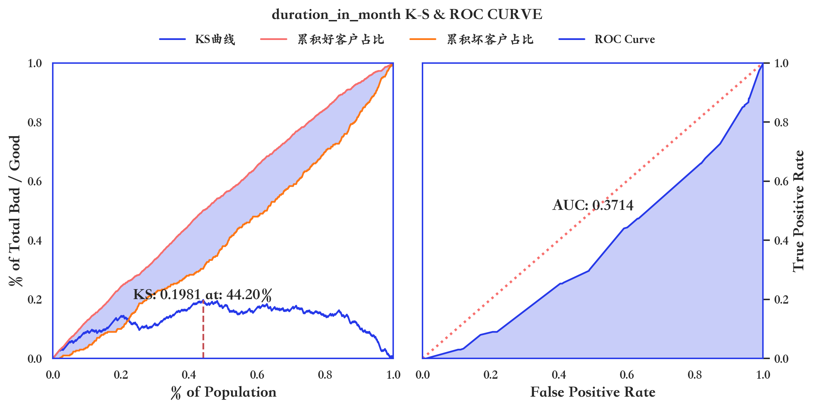
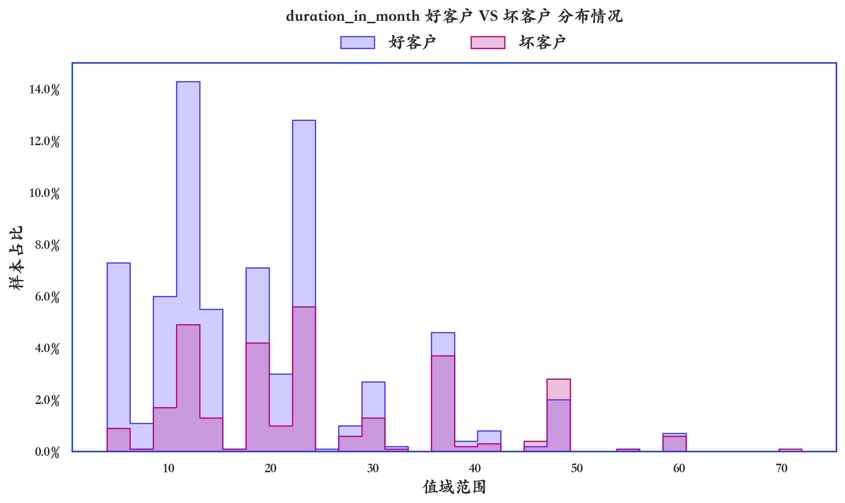

指标名称 | 指标含义 | 分箱 | 样本总数 | 样本占比 | 好样本数 | 好样本占比 | 坏样本数 | 坏样本占比 | 坏样本率 | 分档WOE值 | 分档IV值 | 指标IV值 | LIFT值 | 累积LIFT值 | 累积好样本数 | 累积坏样本数 | 分档KS值
duration_in_month | duration_in_month | [负无穷 , 10.8) | 171 | 17.10% | 144 | 20.57% | 27 | 9.00% | 15.79% | 0.8267 | 0.0957 | 0.2588 | 52.63% | 100.00% | 700 | 300 | 0
duration_in_month | duration_in_month | [10.8 , 17.6) | 262 | 26.20% | 199 | 28.43% | 63 | 21.00% | 24.05% | 0.3029 | 0.0225 | 0.2588 | 80.15% | 109.77% | 556 | 273 | 0.1157
duration_in_month | duration_in_month | [17.6 , 24.4) | 337 | 33.70% | 229 | 32.71% | 108 | 36.00% | 32.05% | -0.0957 | 0.0031 | 0.2588 | 106.82% | 123.46% | 357 | 210 | 0.19
duration_in_month | duration_in_month | [24.4 , 31.2) | 57 | 5.70% | 38 | 5.43% | 19 | 6.33% | 33.33% | -0.1542 | 0.0014 | 0.2588 | 111.11% | 147.83% | 128 | 102 | 0.1571
duration_in_month | duration_in_month | [31.2 , 38.0) | 86 | 8.60% | 48 | 6.86% | 38 | 12.67% | 44.19% | -0.6137 | 0.0357 | 0.2588 | 147.29% | 159.92% | 90 | 83 | 0.1481
duration_in_month | duration_in_month | [38.0 , 44.8) | 17 | 1.70% | 12 | 1.71% | 5 | 1.67% | 29.41% | 0.0281 | 0 | 0.2588 | 98.04% | 172.41% | 42 | 45 | 0.09
duration_in_month | duration_in_month | [44.8 , 51.6) | 54 | 5.40% | 22 | 3.14% | 32 | 10.67% | 59.26% | -1.222 | 0.0919 | 0.2588 | 197.53% | 190.48% | 30 | 40 | 0.0905
duration_in_month | duration_in_month | [51.6 , 58.4) | 2 | 0.20% | 1 | 0.14% | 1 | 0.33% | 50.00% | -0.8476 | 0.0016 | 0.2588 | 166.67% | 166.67% | 8 | 8 | 0.0152
duration_in_month | duration_in_month | [58.4 , 65.2) | 13 | 1.30% | 7 | 1.00% | 6 | 2.00% | 46.15% | -0.6932 | 0.0069 | 0.2588 | 153.85% | 166.67% | 7 | 7 | 0.0133
duration_in_month | duration_in_month | [65.2 , 正无穷) | 1 | 0.10% | 0 | 0.00% | 1 | 0.33% | 100.00% | 0 | 0 | 0.2588 | 333.33% | 333.33% | 0 | 1 | 0.0033

数据字段: credit_amount

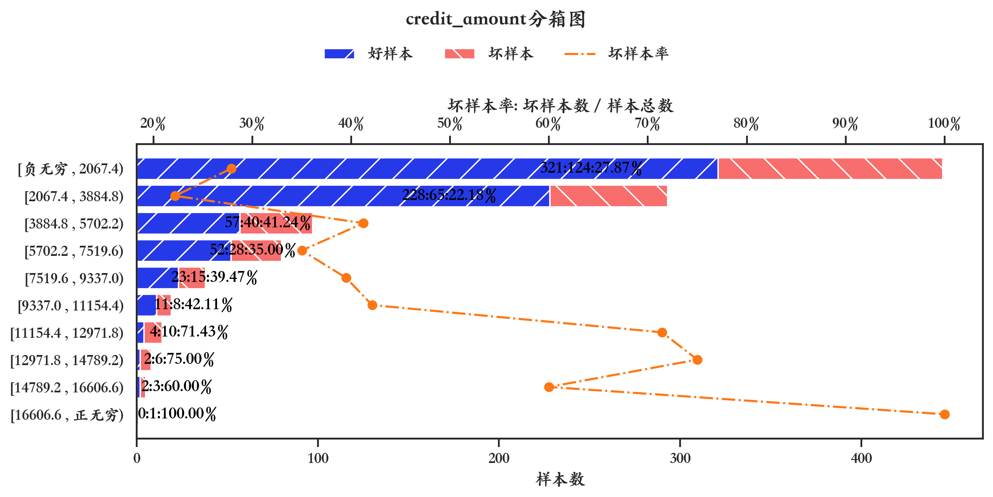
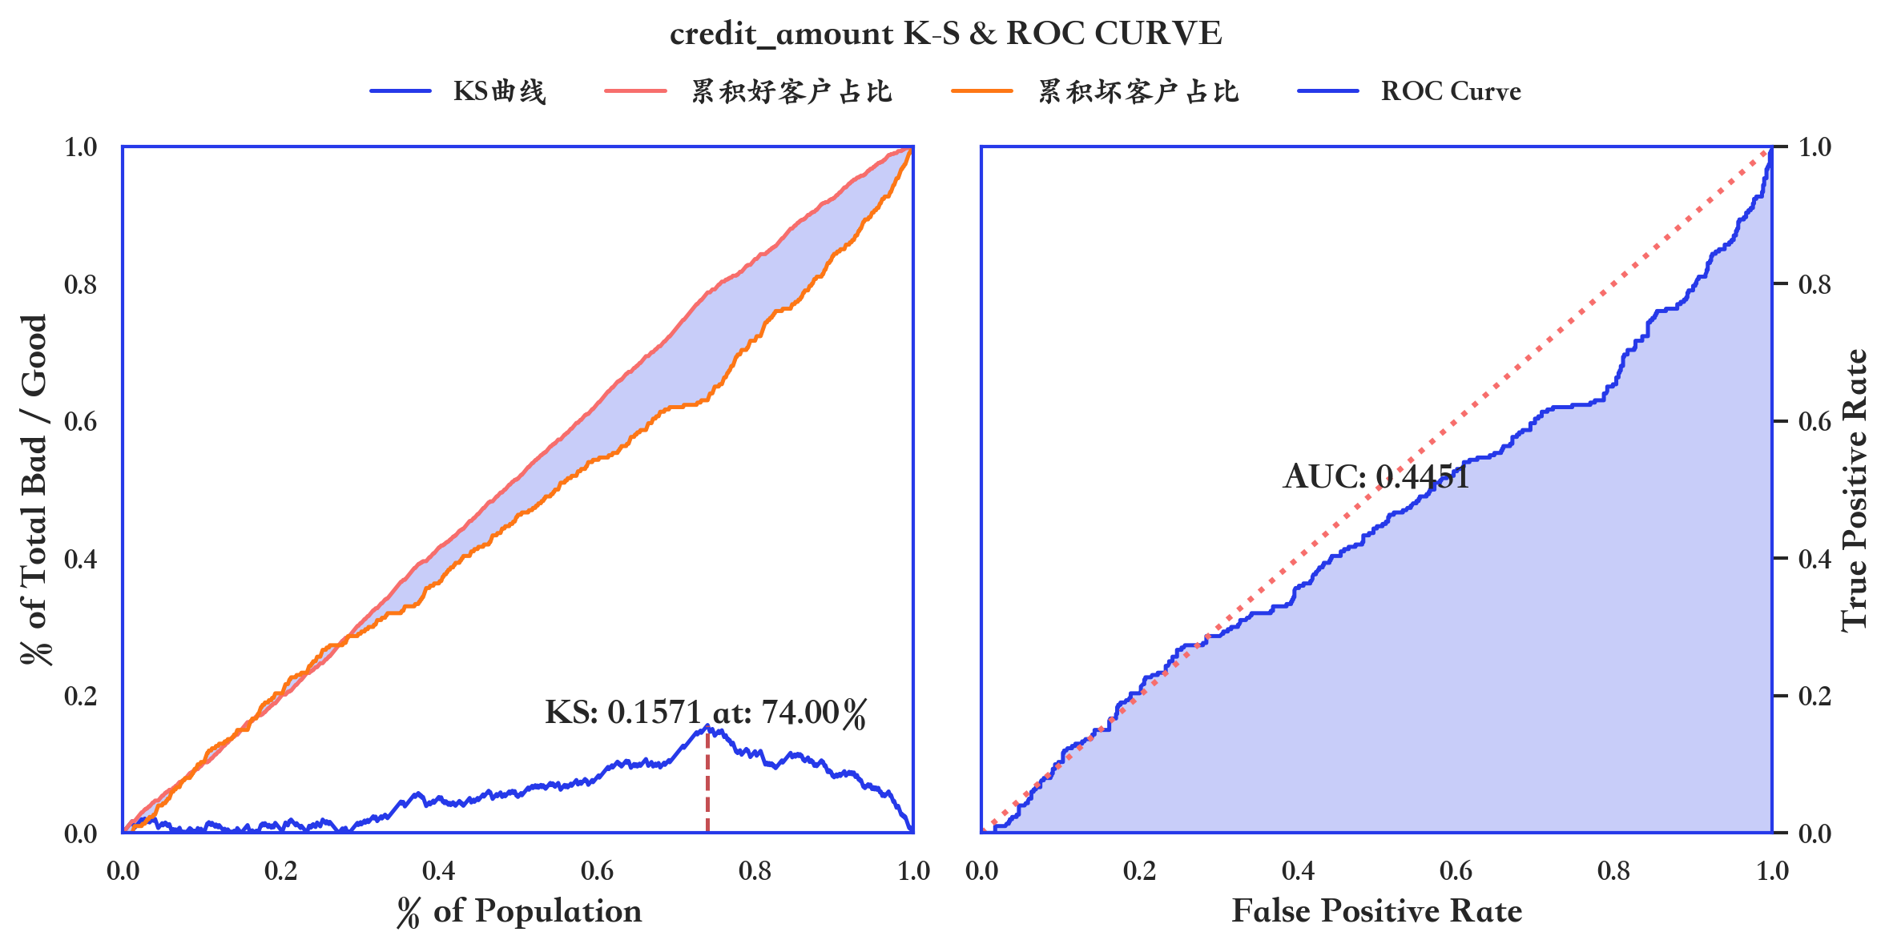
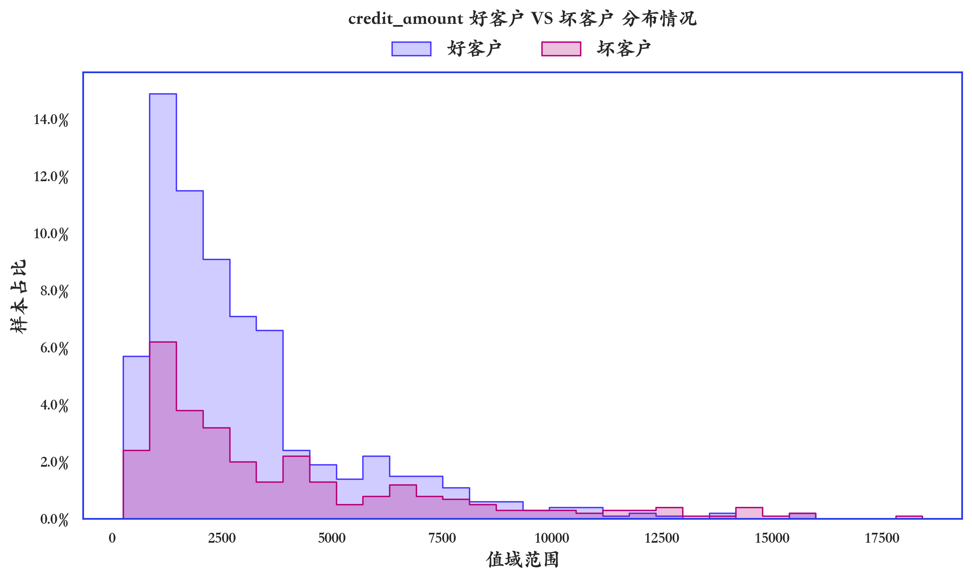

指标名称 | 指标含义 | 分箱 | 样本总数 | 样本占比 | 好样本数 | 好样本占比 | 坏样本数 | 坏样本占比 | 坏样本率 | 分档WOE值 | 分档IV值 | 指标IV值 | LIFT值 | 累积LIFT值 | 累积好样本数 | 累积坏样本数 | 分档KS值
credit_amount | credit_amount | [负无穷 , 2067.4) | 445 | 44.50% | 321 | 45.86% | 124 | 41.33% | 27.87% | 0.1039 | 0.0047 | 0.1831 | 92.88% | 100.00% | 700 | 300 | 0
credit_amount | credit_amount | [2067.4 , 3884.8) | 293 | 29.30% | 228 | 32.57% | 65 | 21.67% | 22.18% | 0.4077 | 0.0445 | 0.1831 | 73.95% | 105.71% | 379 | 176 | 0.0452
credit_amount | credit_amount | [3884.8 , 5702.2) | 97 | 9.70% | 57 | 8.14% | 40 | 13.33% | 41.24% | -0.4931 | 0.0256 | 0.1831 | 137.46% | 141.22% | 151 | 111 | 0.1543
credit_amount | credit_amount | [5702.2 , 7519.6) | 80 | 8.00% | 52 | 7.43% | 28 | 9.33% | 35.00% | -0.2283 | 0.0043 | 0.1831 | 116.67% | 143.43% | 94 | 71 | 0.1024
credit_amount | credit_amount | [7519.6 , 9337.0) | 38 | 3.80% | 23 | 3.29% | 15 | 5.00% | 39.47% | -0.4199 | 0.0072 | 0.1831 | 131.58% | 168.63% | 42 | 43 | 0.0833
credit_amount | credit_amount | [9337.0 , 11154.4) | 19 | 1.90% | 11 | 1.57% | 8 | 2.67% | 42.11% | -0.5289 | 0.0058 | 0.1831 | 140.35% | 198.58% | 19 | 28 | 0.0662
credit_amount | credit_amount | [11154.4 , 12971.8) | 14 | 1.40% | 4 | 0.57% | 10 | 3.33% | 71.43% | -1.7636 | 0.0487 | 0.1831 | 238.10% | 238.10% | 8 | 20 | 0.0552
credit_amount | credit_amount | [12971.8 , 14789.2) | 8 | 0.80% | 2 | 0.29% | 6 | 2.00% | 75.00% | -1.946 | 0.0334 | 0.1831 | 250.00% | 238.10% | 4 | 10 | 0.0276
credit_amount | credit_amount | [14789.2 , 16606.6) | 5 | 0.50% | 2 | 0.29% | 3 | 1.00% | 60.00% | -1.2529 | 0.0089 | 0.1831 | 200.00% | 222.22% | 2 | 4 | 0.0105
credit_amount | credit_amount | [16606.6 , 正无穷) | 1 | 0.10% | 0 | 0.00% | 1 | 0.33% | 100.00% | 0 | 0 | 0.1831 | 333.33% | 333.33% | 0 | 1 | 0.0033

数据字段: installment_rate_in_percentage_of_disposable_income

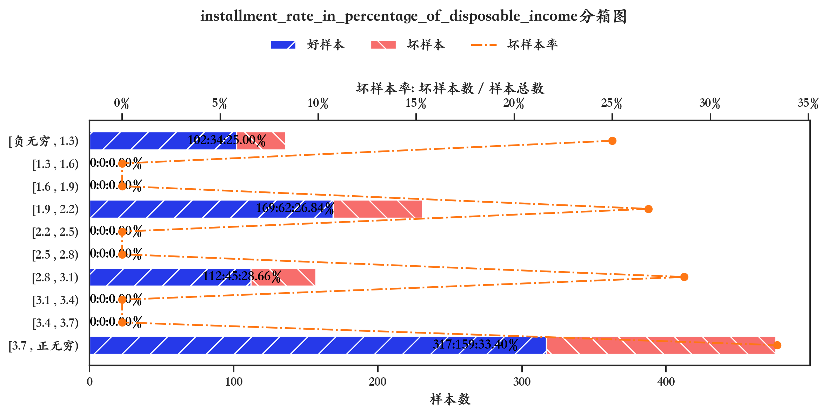
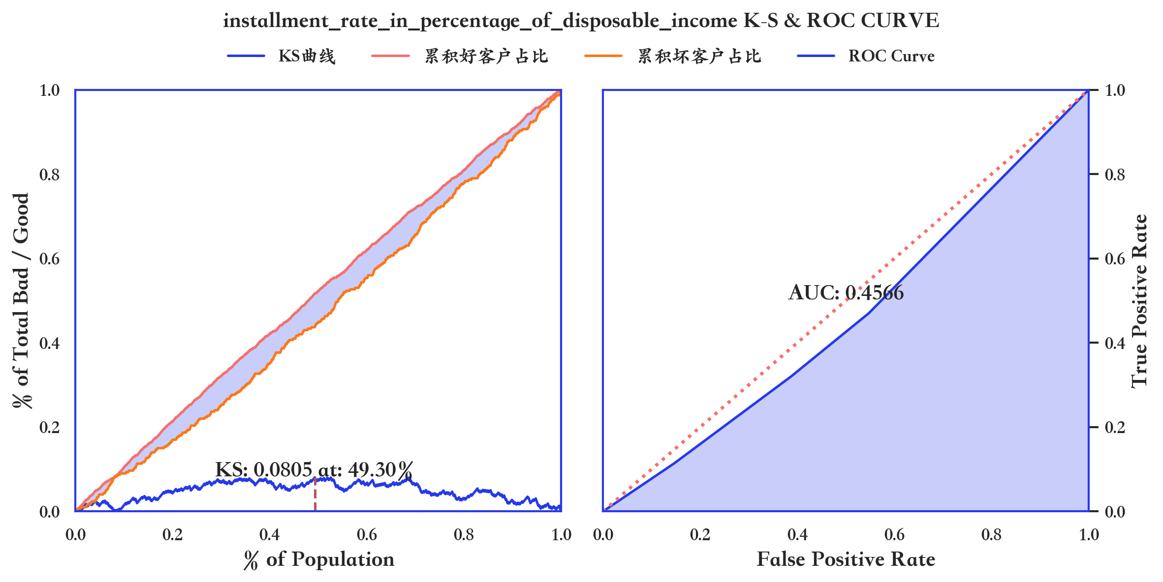
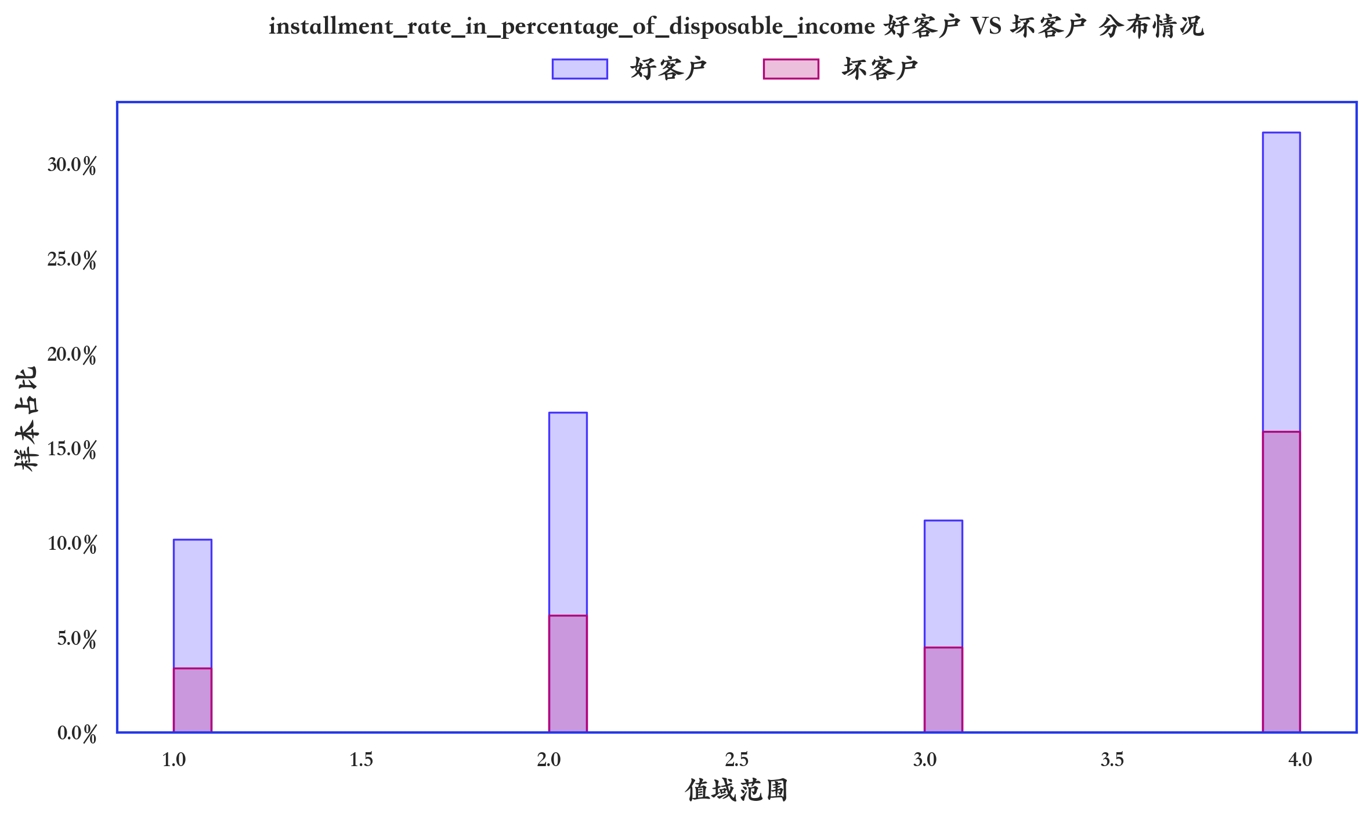

指标名称 | 指标含义 | 分箱 | 样本总数 | 样本占比 | 好样本数 | 好样本占比 | 坏样本数 | 坏样本占比 | 坏样本率 | 分档WOE值 | 分档IV值 | 指标IV值 | LIFT值 | 累积LIFT值 | 累积好样本数 | 累积坏样本数 | 分档KS值
installment_rate_in_percentage_of_disposable_income | installment_rate_in_percentage_of_disposable_income | [负无穷 , 1.3) | 136 | 13.60% | 102 | 14.57% | 34 | 11.33% | 25.00% | 0.2513 | 0.0081 | 0.0263 | 83.33% | 100.00% | 700 | 300 | 0
installment_rate_in_percentage_of_disposable_income | installment_rate_in_percentage_of_disposable_income | [1.3 , 1.6) | 0 | 0.00% | 0 | 0.00% | 0 | 0.00% | 0.00% | 0 | 0 | 0 | 0.00% | 0.00% | 0 | 0 | 0
installment_rate_in_percentage_of_disposable_income | installment_rate_in_percentage_of_disposable_income | [1.6 , 1.9) | 0 | 0.00% | 0 | 0.00% | 0 | 0.00% | 0.00% | 0 | 0 | 0 | 0.00% | 0.00% | 0 | 0 | 0
installment_rate_in_percentage_of_disposable_income | installment_rate_in_percentage_of_disposable_income | [1.9 , 2.2) | 231 | 23.10% | 169 | 24.14% | 62 | 20.67% | 26.84% | 0.1555 | 0.0054 | 0.0263 | 89.47% | 102.62% | 598 | 266 | 0.0324
installment_rate_in_percentage_of_disposable_income | installment_rate_in_percentage_of_disposable_income | [2.2 , 2.5) | 0 | 0.00% | 0 | 0.00% | 0 | 0.00% | 0.00% | 0 | 0 | 0 | 0.00% | 0.00% | 0 | 0 | 0
installment_rate_in_percentage_of_disposable_income | installment_rate_in_percentage_of_disposable_income | [2.5 , 2.8) | 0 | 0.00% | 0 | 0.00% | 0 | 0.00% | 0.00% | 0 | 0 | 0 | 0.00% | 0.00% | 0 | 0 | 0
installment_rate_in_percentage_of_disposable_income | installment_rate_in_percentage_of_disposable_income | [2.8 , 3.1) | 157 | 15.70% | 112 | 16.00% | 45 | 15.00% | 28.66% | 0.0645 | 0.0006 | 0.0263 | 95.54% | 107.42% | 429 | 204 | 0.0671
installment_rate_in_percentage_of_disposable_income | installment_rate_in_percentage_of_disposable_income | [3.1 , 3.4) | 0 | 0.00% | 0 | 0.00% | 0 | 0.00% | 0.00% | 0 | 0 | 0 | 0.00% | 0.00% | 0 | 0 | 0
installment_rate_in_percentage_of_disposable_income | installment_rate_in_percentage_of_disposable_income | [3.4 , 3.7) | 0 | 0.00% | 0 | 0.00% | 0 | 0.00% | 0.00% | 0 | 0 | 0 | 0.00% | 0.00% | 0 | 0 | 0
installment_rate_in_percentage_of_disposable_income | installment_rate_in_percentage_of_disposable_income | [3.7 , 正无穷) | 476 | 47.60% | 317 | 45.29% | 159 | 53.00% | 33.40% | -0.1573 | 0.0121 | 0.0263 | 111.34% | 111.34% | 317 | 159 | 0.0771

数据字段: present_residence_since

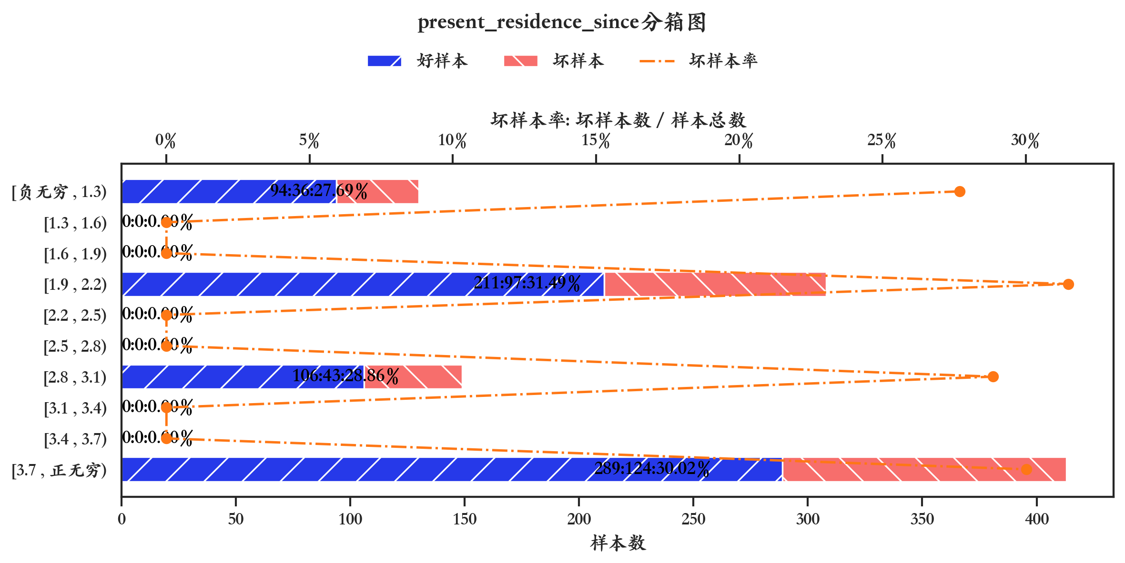
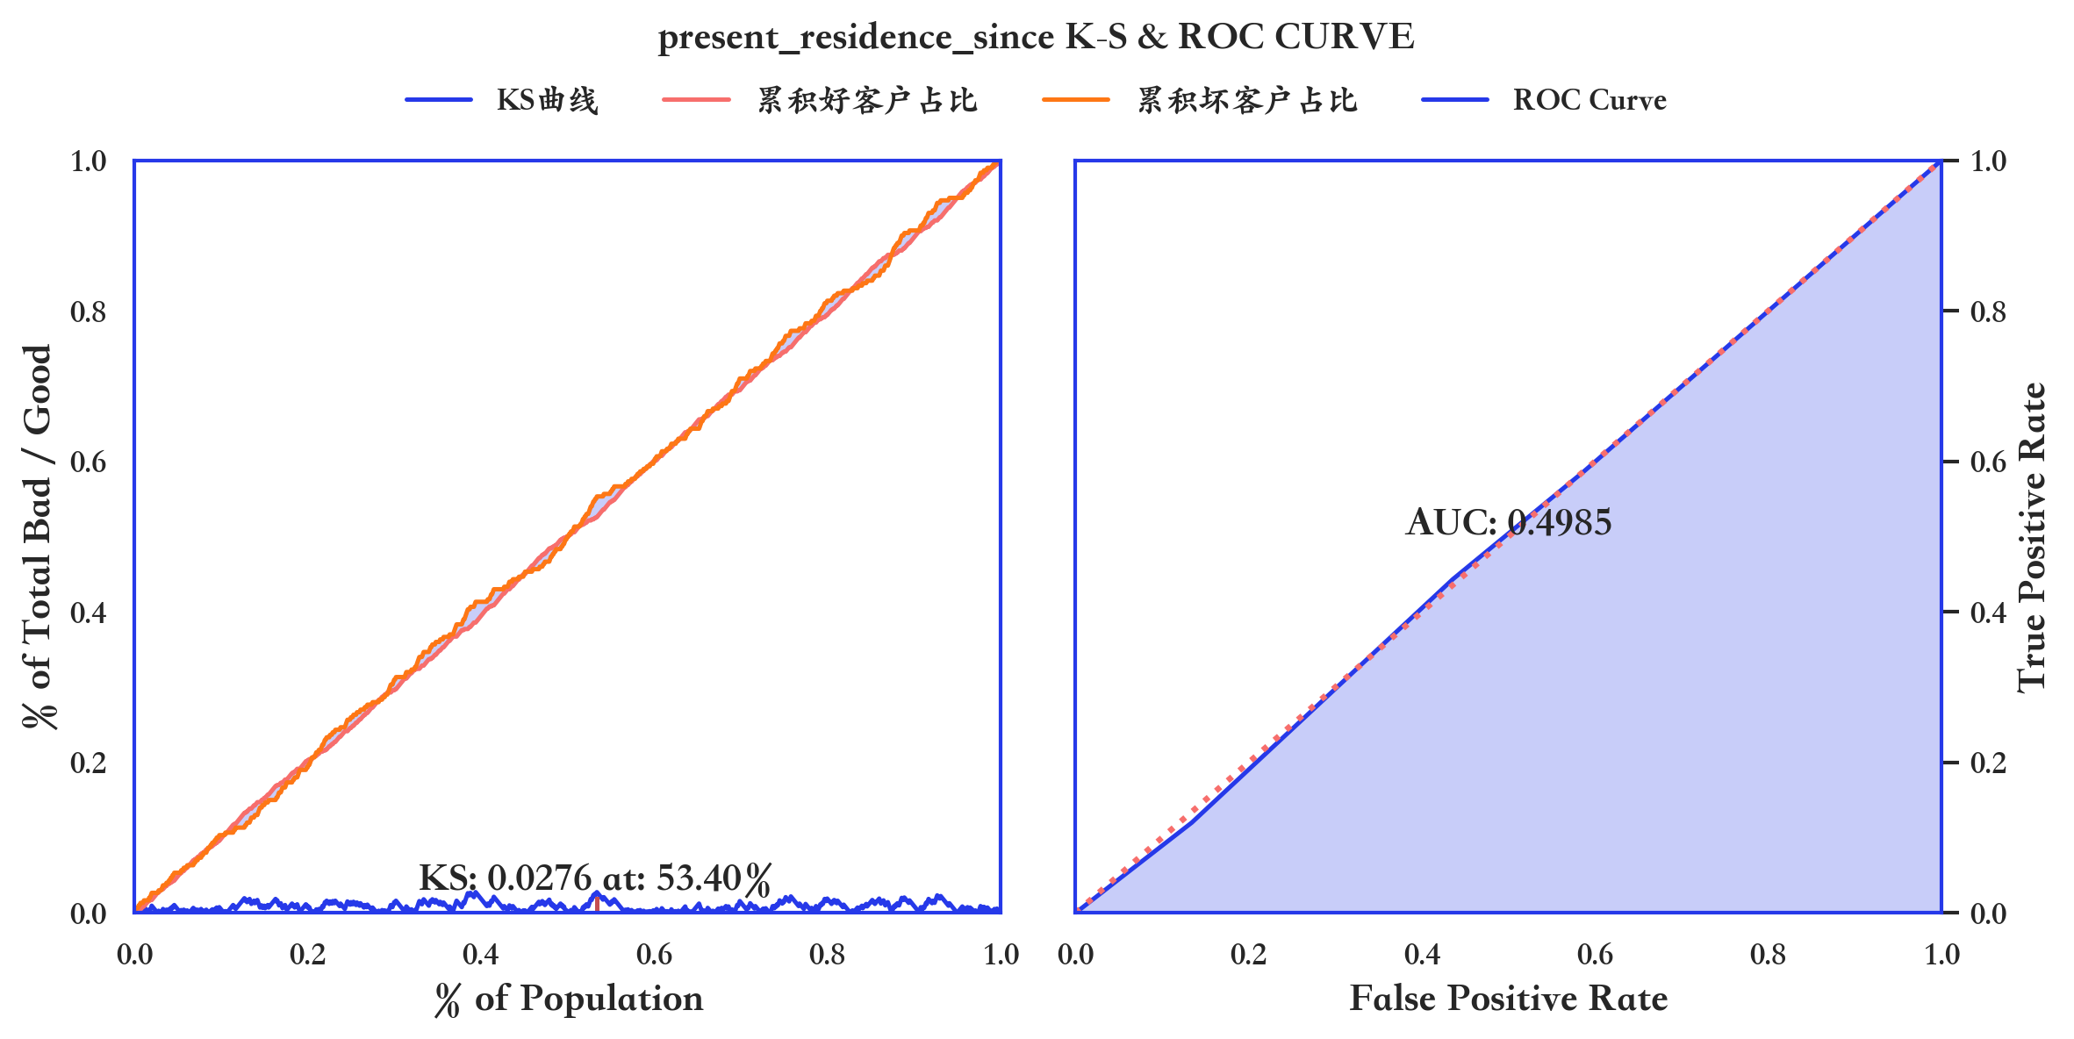
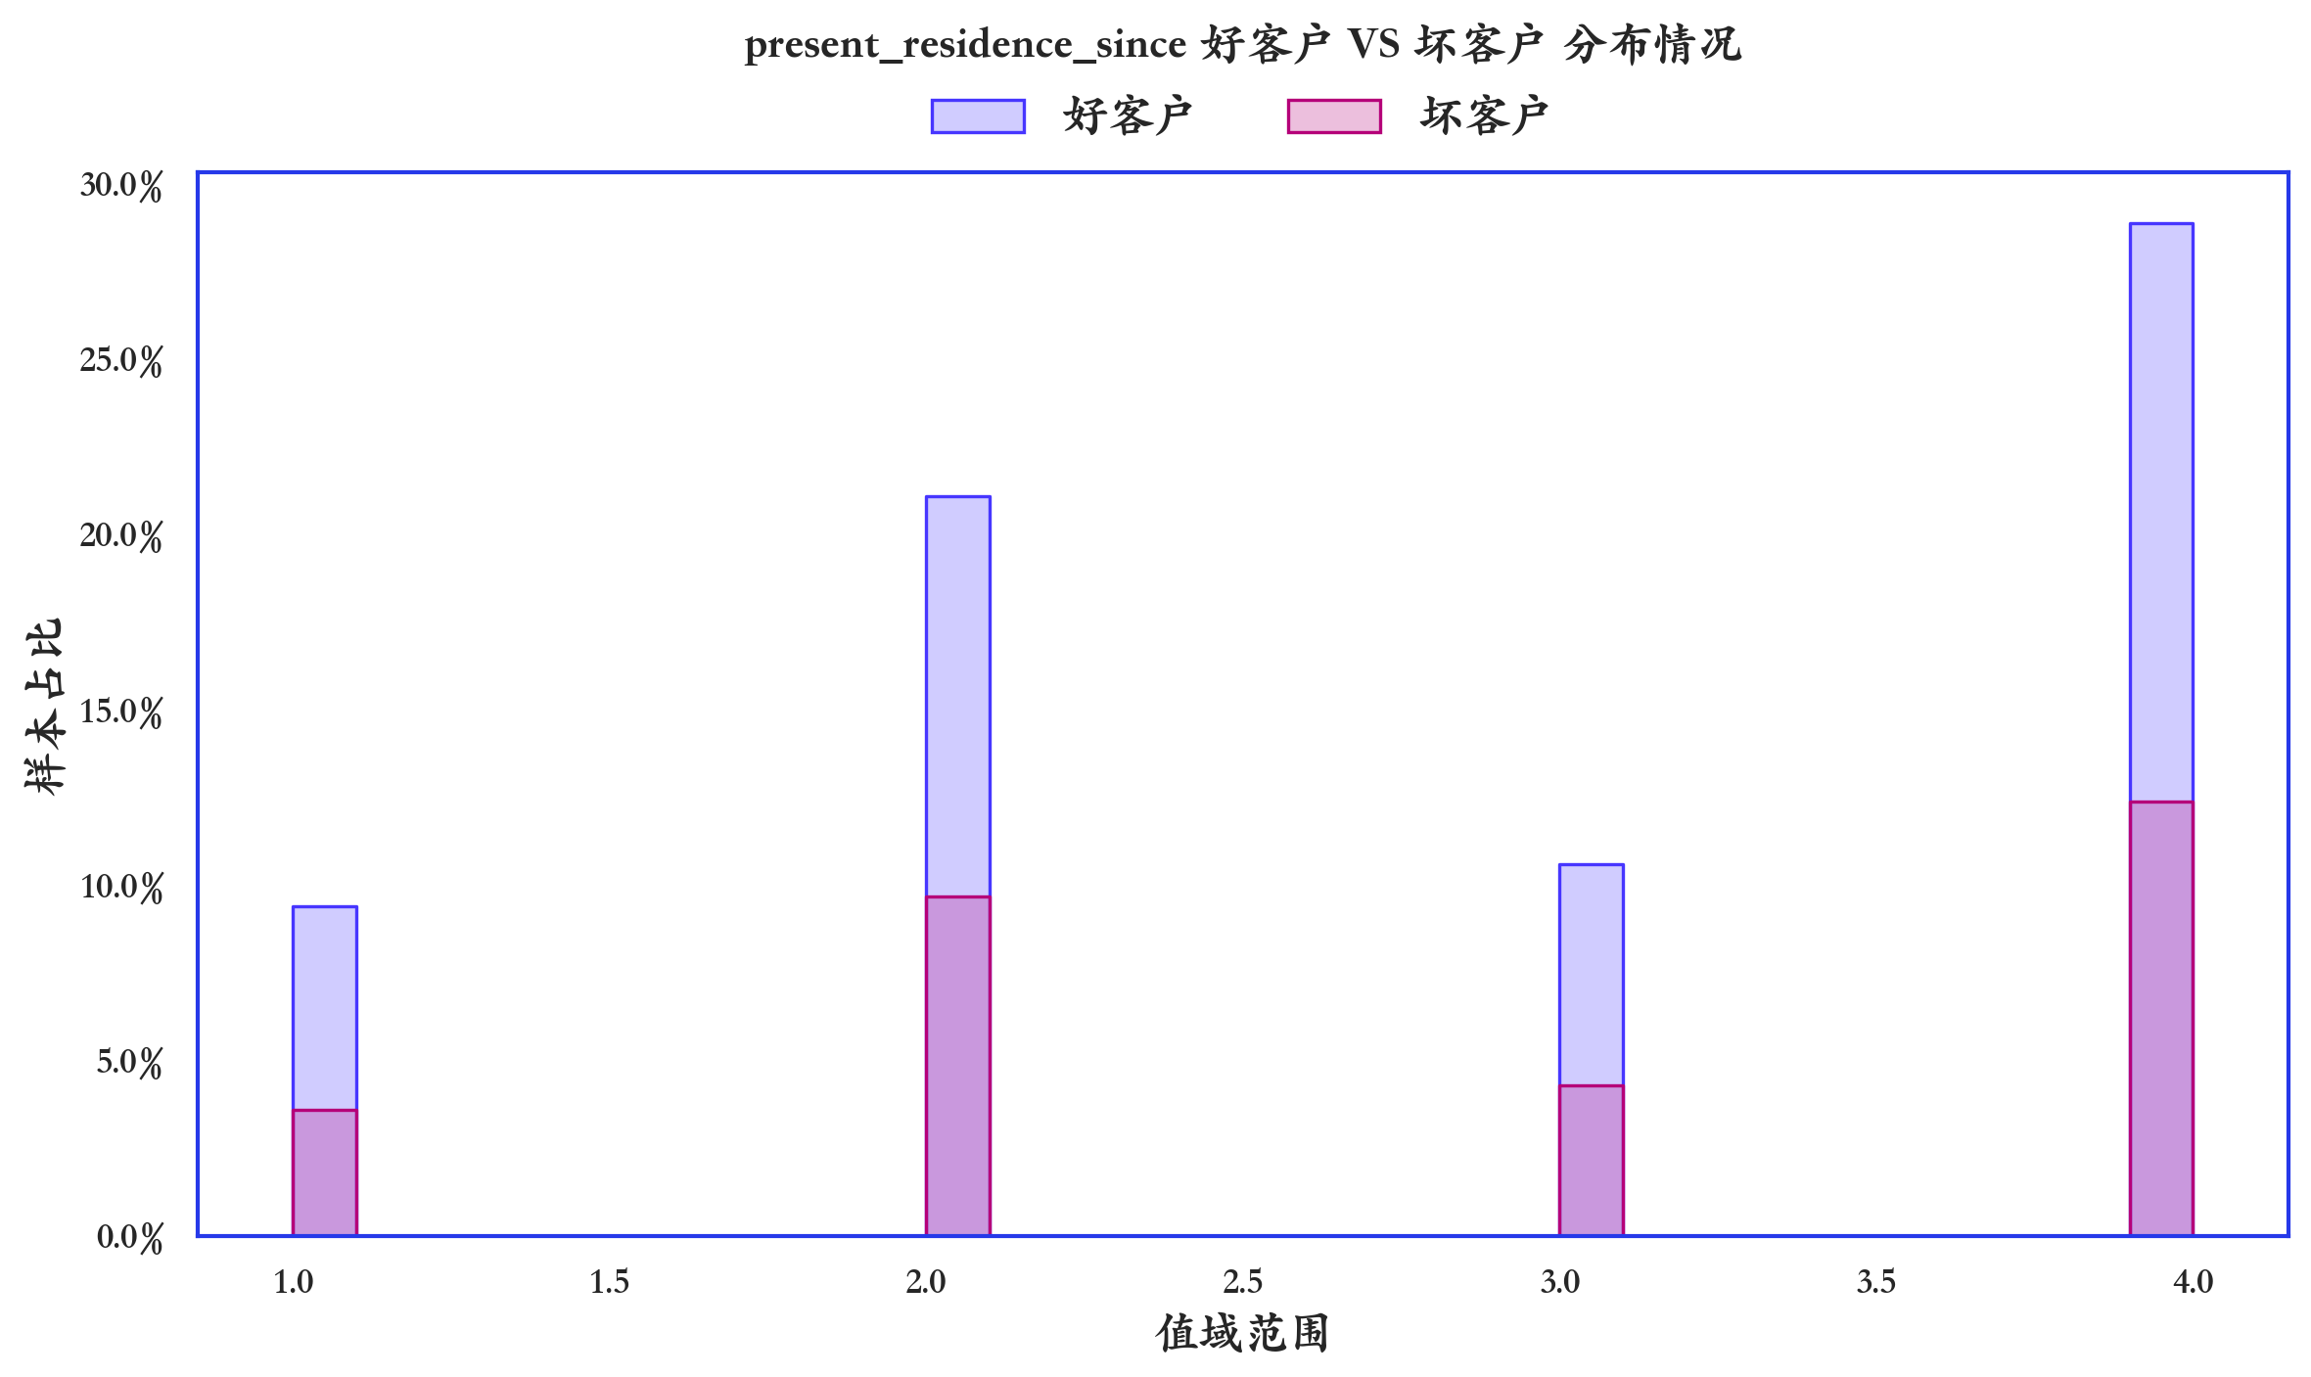

指标名称 | 指标含义 | 分箱 | 样本总数 | 样本占比 | 好样本数 | 好样本占比 | 坏样本数 | 坏样本占比 | 坏样本率 | 分档WOE值 | 分档IV值 | 指标IV值 | LIFT值 | 累积LIFT值 | 累积好样本数 | 累积坏样本数 | 分档KS值
present_residence_since | present_residence_since | [负无穷 , 1.3) | 130 | 13.00% | 94 | 13.43% | 36 | 12.00% | 27.69% | 0.1125 | 0.0016 | 0.0036 | 92.31% | 100.00% | 700 | 300 | 0
present_residence_since | present_residence_since | [1.3 , 1.6) | 0 | 0.00% | 0 | 0.00% | 0 | 0.00% | 0.00% | 0 | 0 | 0 | 0.00% | 0.00% | 0 | 0 | 0
present_residence_since | present_residence_since | [1.6 , 1.9) | 0 | 0.00% | 0 | 0.00% | 0 | 0.00% | 0.00% | 0 | 0 | 0 | 0.00% | 0.00% | 0 | 0 | 0
present_residence_since | present_residence_since | [1.9 , 2.2) | 308 | 30.80% | 211 | 30.14% | 97 | 32.33% | 31.49% | -0.0702 | 0.0015 | 0.0036 | 104.98% | 101.15% | 606 | 264 | 0.0143
present_residence_since | present_residence_since | [2.2 , 2.5) | 0 | 0.00% | 0 | 0.00% | 0 | 0.00% | 0.00% | 0 | 0 | 0 | 0.00% | 0.00% | 0 | 0 | 0
present_residence_since | present_residence_since | [2.5 , 2.8) | 0 | 0.00% | 0 | 0.00% | 0 | 0.00% | 0.00% | 0 | 0 | 0 | 0.00% | 0.00% | 0 | 0 | 0
present_residence_since | present_residence_since | [2.8 , 3.1) | 149 | 14.90% | 106 | 15.14% | 43 | 14.33% | 28.86% | 0.0549 | 0.0004 | 0.0036 | 96.20% | 99.05% | 395 | 167 | -0.0076
present_residence_since | present_residence_since | [3.1 , 3.4) | 0 | 0.00% | 0 | 0.00% | 0 | 0.00% | 0.00% | 0 | 0 | 0 | 0.00% | 0.00% | 0 | 0 | 0
present_residence_since | present_residence_since | [3.4 , 3.7) | 0 | 0.00% | 0 | 0.00% | 0 | 0.00% | 0.00% | 0 | 0 | 0 | 0.00% | 0.00% | 0 | 0 | 0
present_residence_since | present_residence_since | [3.7 , 正无穷) | 413 | 41.30% | 289 | 41.29% | 124 | 41.33% | 30.02% | -0.0012 | 0 | 0.0036 | 100.08% | 100.08% | 289 | 124 | 0.0005

数据字段: age_in_years

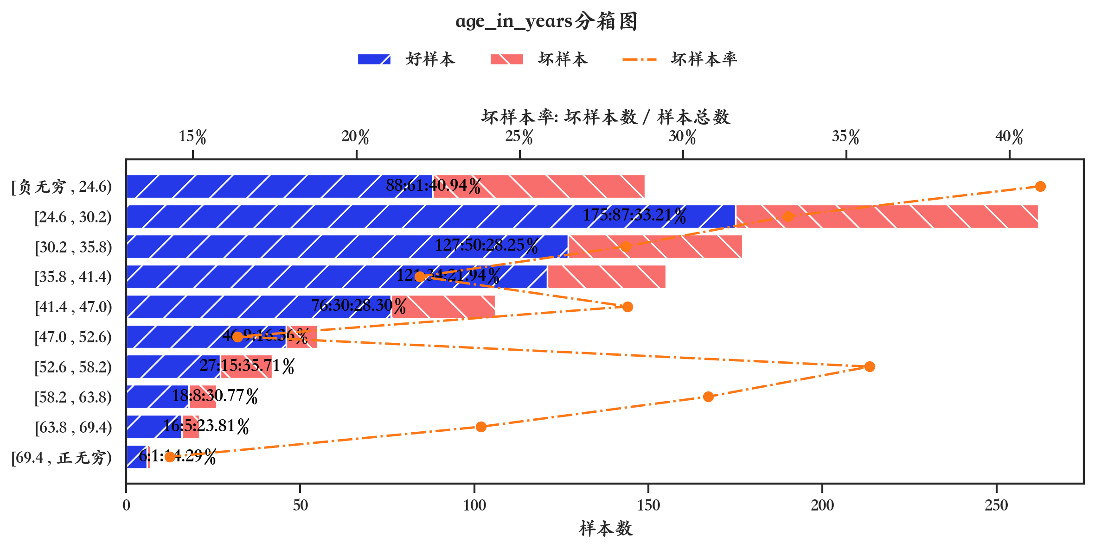
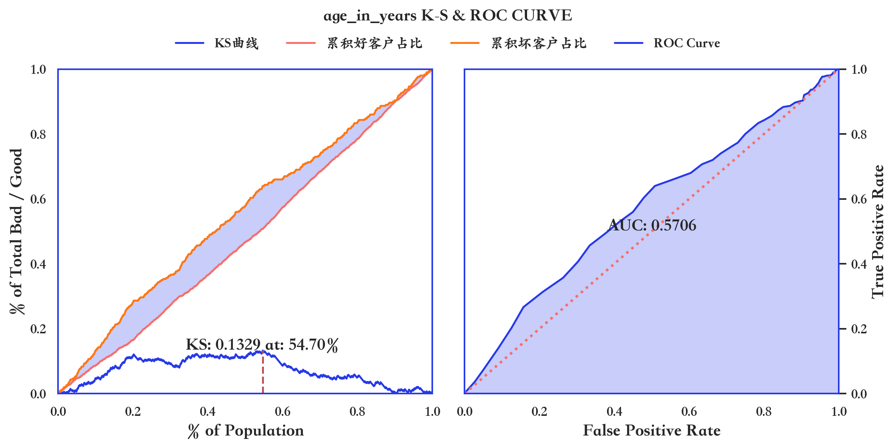
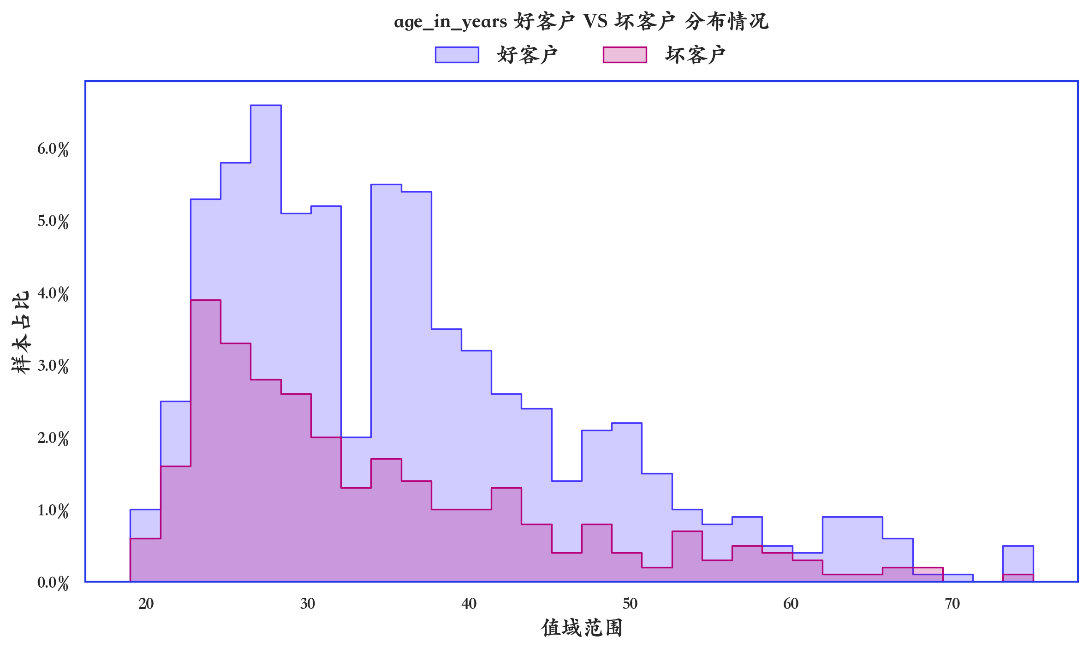

指标名称 | 指标含义 | 分箱 | 样本总数 | 样本占比 | 好样本数 | 好样本占比 | 坏样本数 | 坏样本占比 | 坏样本率 | 分档WOE值 | 分档IV值 | 指标IV值 | LIFT值 | 累积LIFT值 | 累积好样本数 | 累积坏样本数 | 分档KS值
age_in_years | age_in_years | [负无穷 , 24.6) | 149 | 14.90% | 88 | 12.57% | 61 | 20.33% | 40.94% | -0.4808 | 0.0373 | 0.1082 | 136.47% | 136.47% | 88 | 61 | 0.0776
age_in_years | age_in_years | [24.6 , 30.2) | 262 | 26.20% | 175 | 25.00% | 87 | 29.00% | 33.21% | -0.1484 | 0.0059 | 0.1082 | 110.69% | 120.03% | 263 | 148 | 0.1176
age_in_years | age_in_years | [30.2 , 35.8) | 177 | 17.70% | 127 | 18.14% | 50 | 16.67% | 28.25% | 0.0849 | 0.0013 | 0.1082 | 94.16% | 112.24% | 390 | 198 | 0.1029
age_in_years | age_in_years | [35.8 , 41.4) | 155 | 15.50% | 121 | 17.29% | 34 | 11.33% | 21.94% | 0.4221 | 0.0251 | 0.1082 | 73.12% | 104.08% | 511 | 232 | 0.0433
age_in_years | age_in_years | [41.4 , 47.0) | 106 | 10.60% | 76 | 10.86% | 30 | 10.00% | 28.30% | 0.0822 | 0.0007 | 0.1082 | 94.34% | 102.87% | 587 | 262 | 0.0348
age_in_years | age_in_years | [47.0 , 52.6) | 55 | 5.50% | 46 | 6.57% | 9 | 3.00% | 16.36% | 0.7841 | 0.028 | 0.1082 | 54.55% | 99.93% | 633 | 271 | -0.001
age_in_years | age_in_years | [52.6 , 58.2) | 42 | 4.20% | 27 | 3.86% | 15 | 5.00% | 35.71% | -0.2595 | 0.003 | 0.1082 | 119.05% | 100.78% | 660 | 286 | 0.0105
age_in_years | age_in_years | [58.2 , 63.8) | 26 | 2.60% | 18 | 2.57% | 8 | 2.67% | 30.77% | -0.0364 | 0 | 0.1082 | 102.56% | 100.82% | 678 | 294 | 0.0114
age_in_years | age_in_years | [63.8 , 69.4) | 21 | 2.10% | 16 | 2.29% | 5 | 1.67% | 23.81% | 0.3158 | 0.002 | 0.1082 | 79.37% | 100.37% | 694 | 299 | 0.0052
age_in_years | age_in_years | [69.4 , 正无穷) | 7 | 0.70% | 6 | 0.86% | 1 | 0.33% | 14.29% | 0.9442 | 0.0049 | 0.1082 | 47.62% | 100.00% | 700 | 300 | 0

数据字段: number_of_existing_credits_at_this_bank

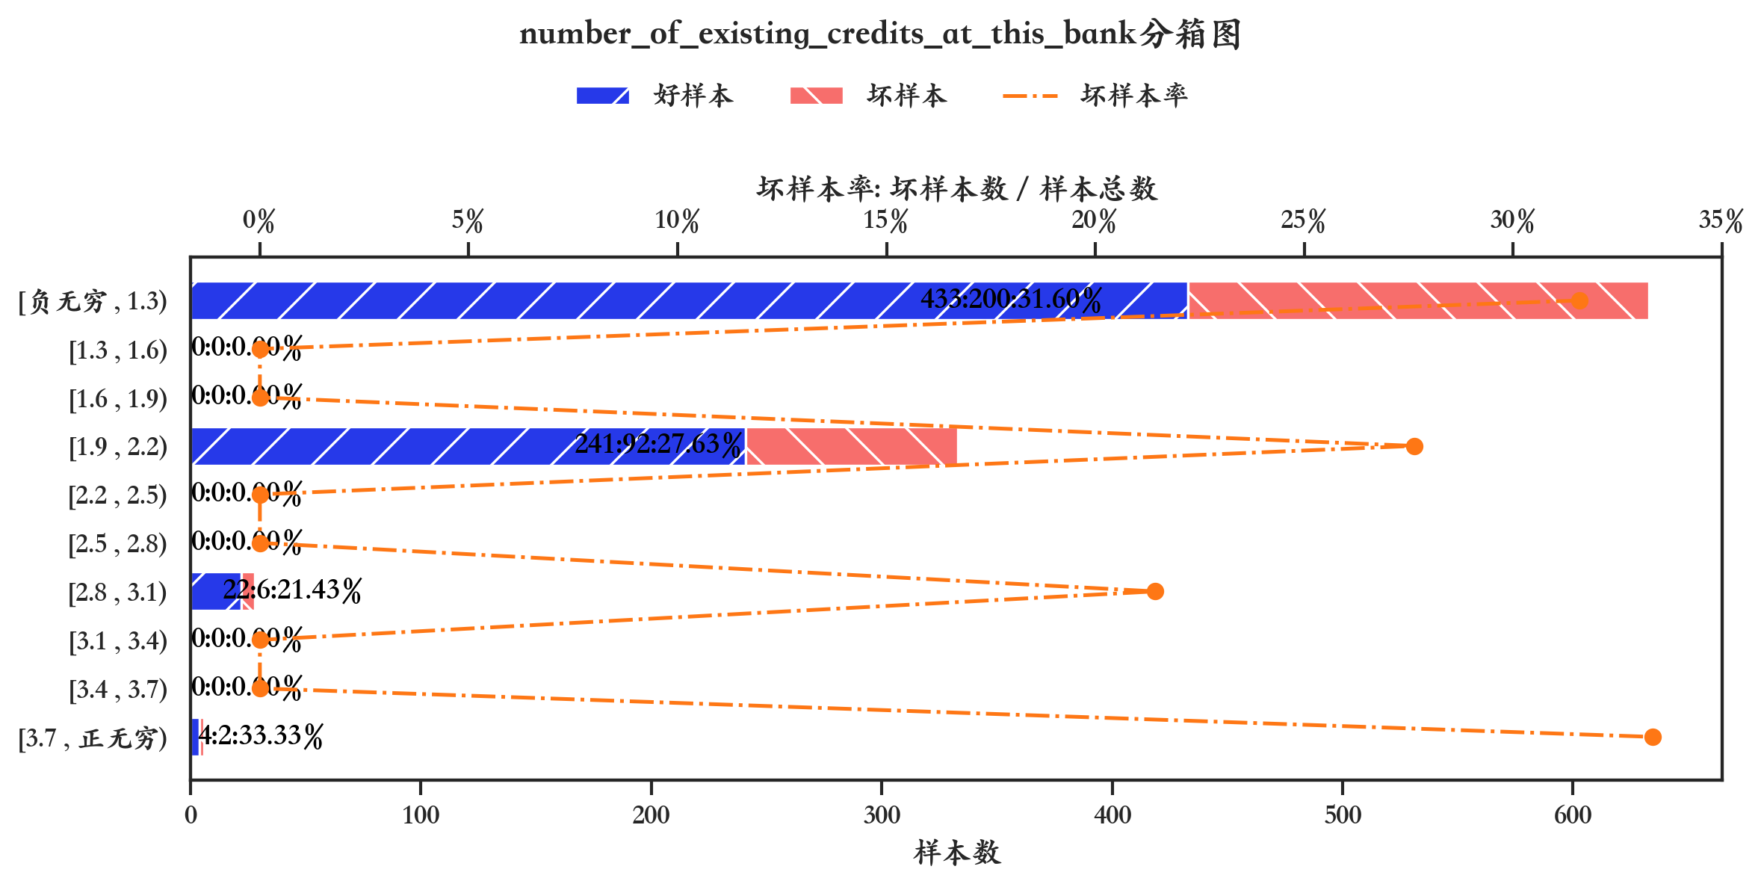
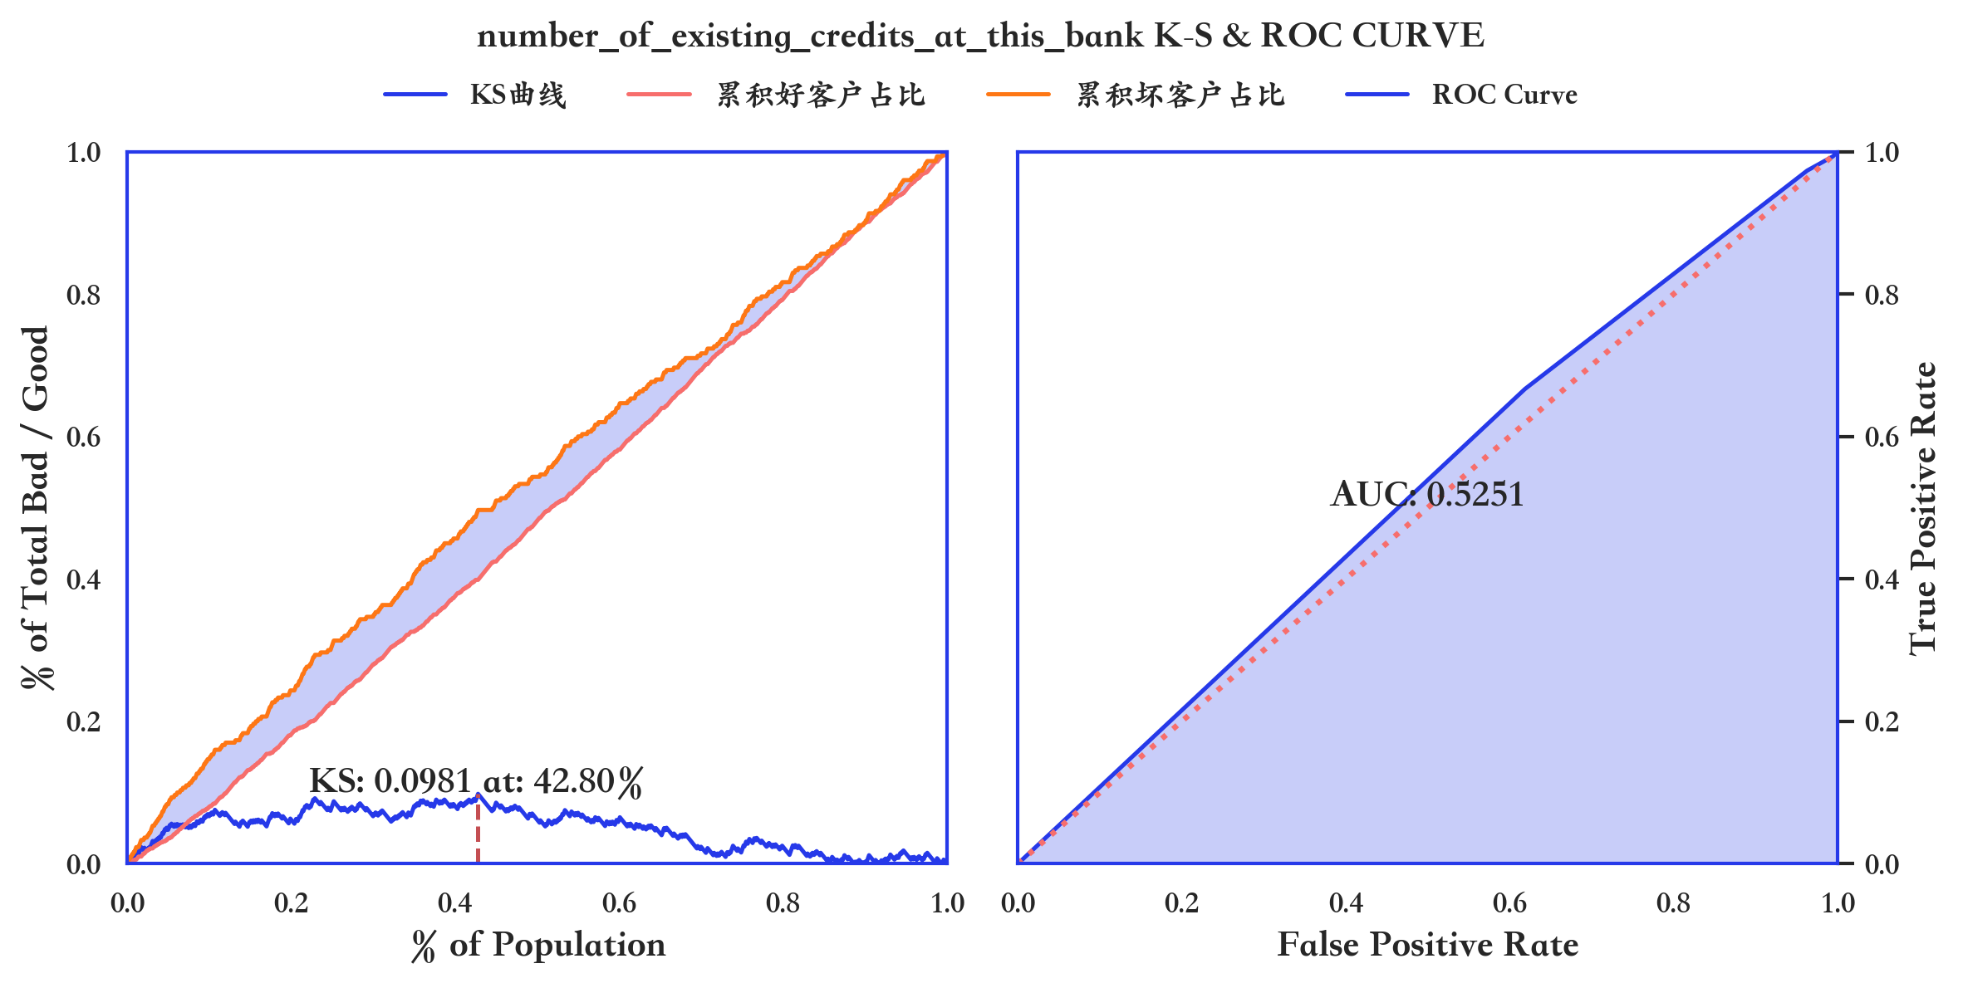
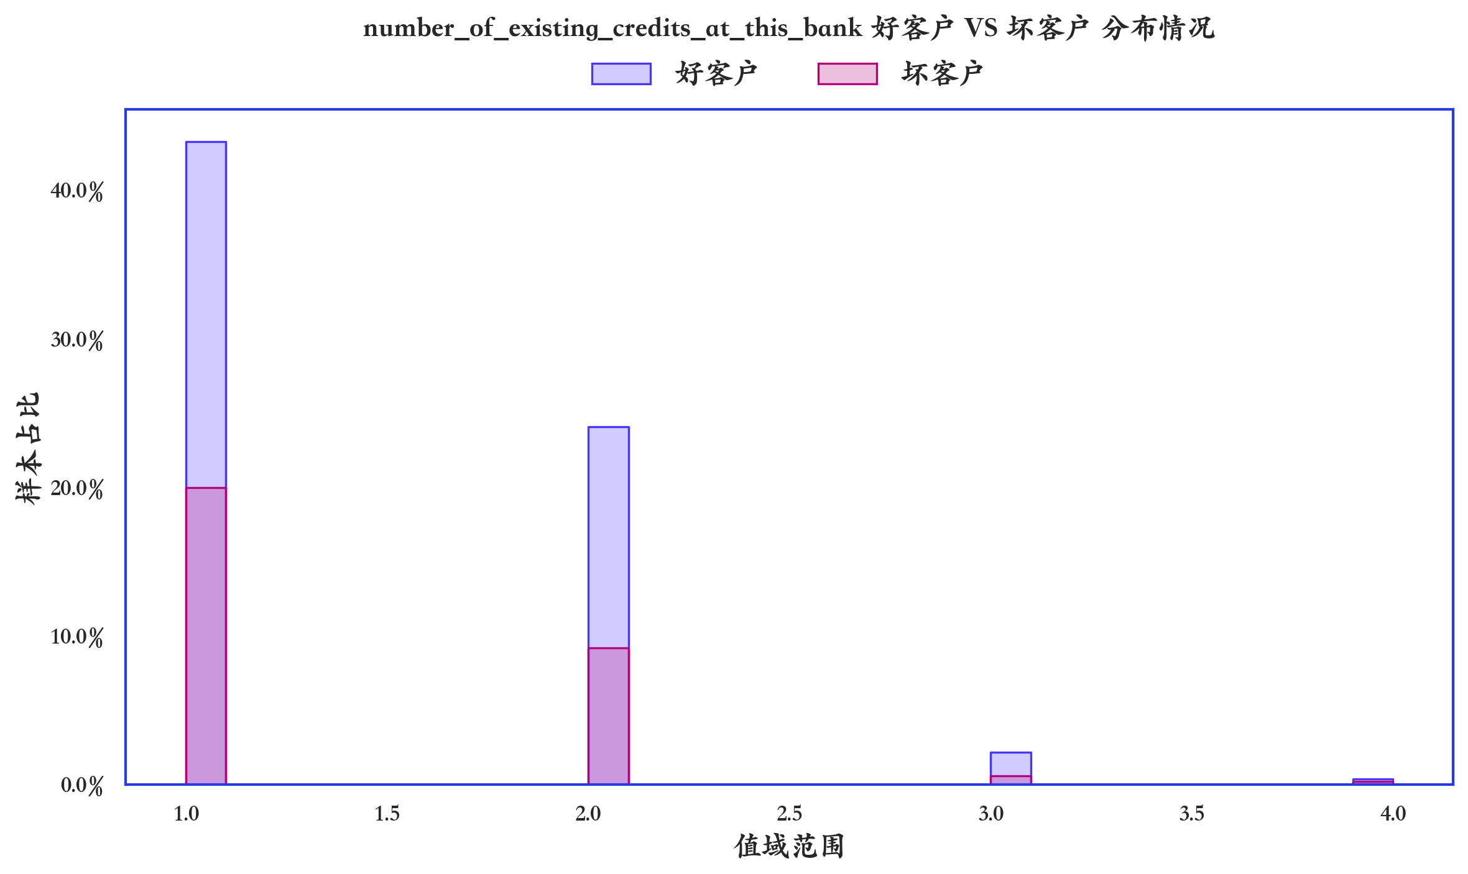

指标名称 | 指标含义 | 分箱 | 样本总数 | 样本占比 | 好样本数 | 好样本占比 | 坏样本数 | 坏样本占比 | 坏样本率 | 分档WOE值 | 分档IV值 | 指标IV值 | LIFT值 | 累积LIFT值 | 累积好样本数 | 累积坏样本数 | 分档KS值
number_of_existing_credits_at_this_bank | number_of_existing_credits_at_this_bank | [负无穷 , 1.3) | 633 | 63.30% | 433 | 61.86% | 200 | 66.67% | 31.60% | -0.0749 | 0.0036 | 0.0133 | 105.32% | 100.00% | 700 | 300 | 0
number_of_existing_credits_at_this_bank | number_of_existing_credits_at_this_bank | [1.3 , 1.6) | 0 | 0.00% | 0 | 0.00% | 0 | 0.00% | 0.00% | 0 | 0 | 0 | 0.00% | 0.00% | 0 | 0 | 0
number_of_existing_credits_at_this_bank | number_of_existing_credits_at_this_bank | [1.6 , 1.9) | 0 | 0.00% | 0 | 0.00% | 0 | 0.00% | 0.00% | 0 | 0 | 0 | 0.00% | 0.00% | 0 | 0 | 0
number_of_existing_credits_at_this_bank | number_of_existing_credits_at_this_bank | [1.9 , 2.2) | 333 | 33.30% | 241 | 34.43% | 92 | 30.67% | 27.63% | 0.1157 | 0.0044 | 0.0133 | 92.09% | 90.83% | 267 | 100 | -0.0481
number_of_existing_credits_at_this_bank | number_of_existing_credits_at_this_bank | [2.2 , 2.5) | 0 | 0.00% | 0 | 0.00% | 0 | 0.00% | 0.00% | 0 | 0 | 0 | 0.00% | 0.00% | 0 | 0 | 0
number_of_existing_credits_at_this_bank | number_of_existing_credits_at_this_bank | [2.5 , 2.8) | 0 | 0.00% | 0 | 0.00% | 0 | 0.00% | 0.00% | 0 | 0 | 0 | 0.00% | 0.00% | 0 | 0 | 0
number_of_existing_credits_at_this_bank | number_of_existing_credits_at_this_bank | [2.8 , 3.1) | 28 | 2.80% | 22 | 3.14% | 6 | 2.00% | 21.43% | 0.4519 | 0.0052 | 0.0133 | 71.43% | 78.43% | 26 | 8 | -0.0105
number_of_existing_credits_at_this_bank | number_of_existing_credits_at_this_bank | [3.1 , 3.4) | 0 | 0.00% | 0 | 0.00% | 0 | 0.00% | 0.00% | 0 | 0 | 0 | 0.00% | 0.00% | 0 | 0 | 0
number_of_existing_credits_at_this_bank | number_of_existing_credits_at_this_bank | [3.4 , 3.7) | 0 | 0.00% | 0 | 0.00% | 0 | 0.00% | 0.00% | 0 | 0 | 0 | 0.00% | 0.00% | 0 | 0 | 0
number_of_existing_credits_at_this_bank | number_of_existing_credits_at_this_bank | [3.7 , 正无穷) | 6 | 0.60% | 4 | 0.57% | 2 | 0.67% | 33.33% | -0.1543 | 0.0001 | 0.0133 | 111.11% | 111.11% | 4 | 2 | 0.001

数据字段: number_of_people_being_liable_to_provide_maintenance_for

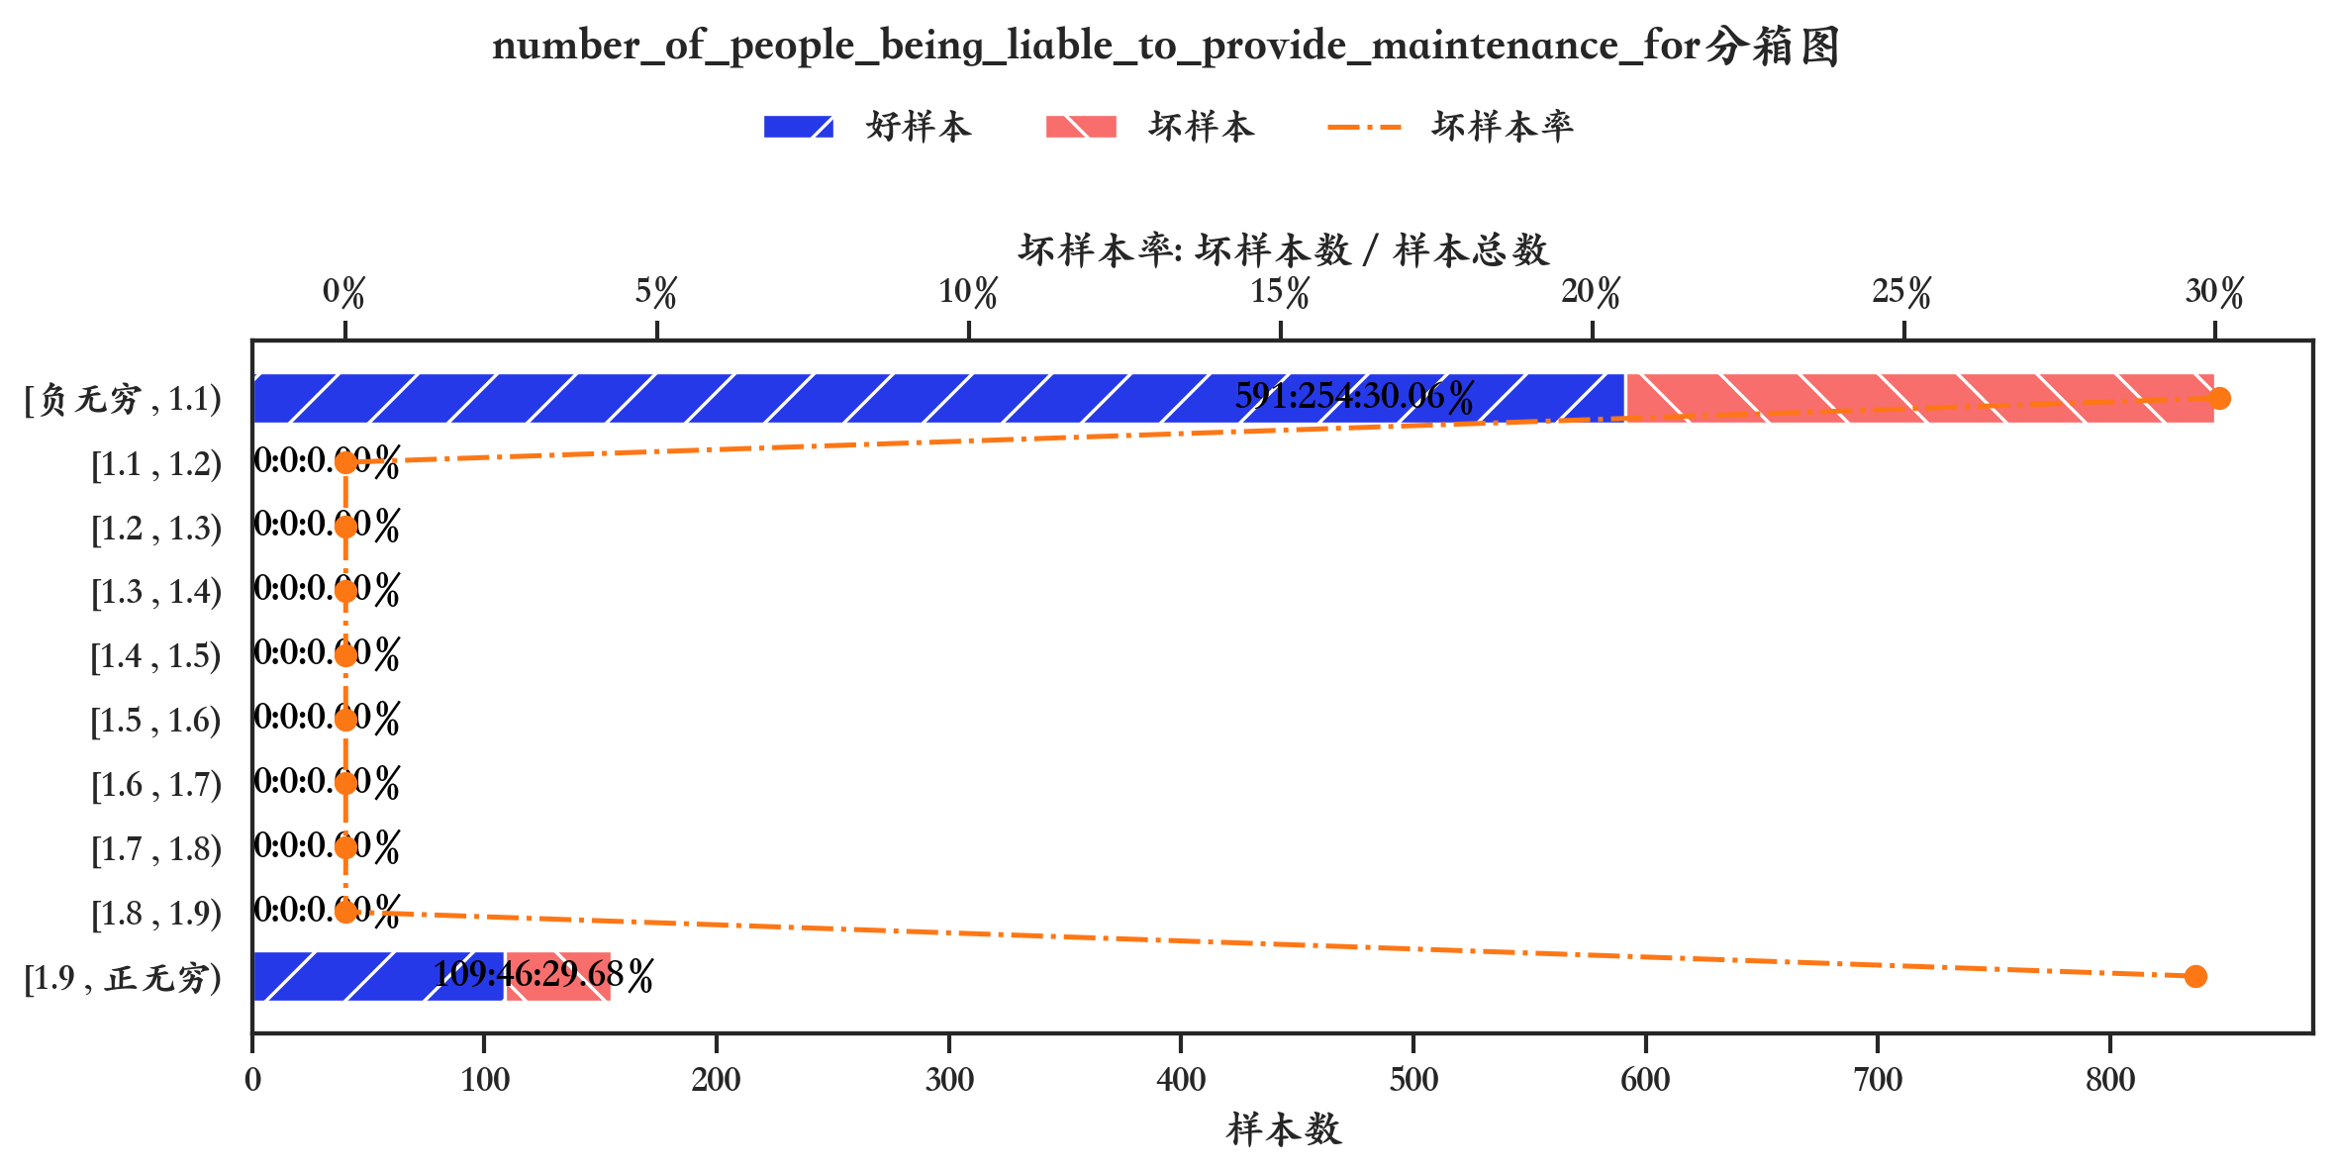
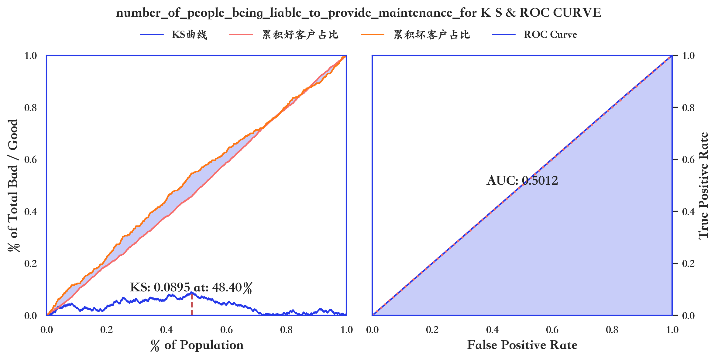
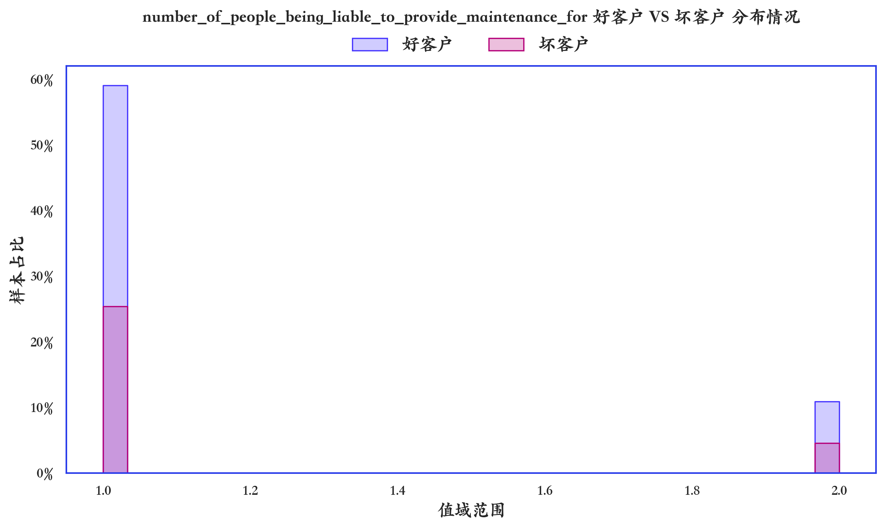

指标名称 | 指标含义 | 分箱 | 样本总数 | 样本占比 | 好样本数 | 好样本占比 | 坏样本数 | 坏样本占比 | 坏样本率 | 分档WOE值 | 分档IV值 | 指标IV值 | LIFT值 | 累积LIFT值 | 累积好样本数 | 累积坏样本数 | 分档KS值
number_of_people_being_liable_to_provide_maintenance_for | number_of_people_being_liable_to_provide_maintenance_for | [负无穷 , 1.1) | 845 | 84.50% | 591 | 84.43% | 254 | 84.67% | 30.06% | -0.0028 | 0 | 0 | 100.20% | 100.20% | 591 | 254 | 0.0024
number_of_people_being_liable_to_provide_maintenance_for | number_of_people_being_liable_to_provide_maintenance_for | [1.1 , 1.2) | 0 | 0.00% | 0 | 0.00% | 0 | 0.00% | 0.00% | 0 | 0 | 0 | 0.00% | 0.00% | 0 | 0 | 0
number_of_people_being_liable_to_provide_maintenance_for | number_of_people_being_liable_to_provide_maintenance_for | [1.2 , 1.3) | 0 | 0.00% | 0 | 0.00% | 0 | 0.00% | 0.00% | 0 | 0 | 0 | 0.00% | 0.00% | 0 | 0 | 0
number_of_people_being_liable_to_provide_maintenance_for | number_of_people_being_liable_to_provide_maintenance_for | [1.3 , 1.4) | 0 | 0.00% | 0 | 0.00% | 0 | 0.00% | 0.00% | 0 | 0 | 0 | 0.00% | 0.00% | 0 | 0 | 0
number_of_people_being_liable_to_provide_maintenance_for | number_of_people_being_liable_to_provide_maintenance_for | [1.4 , 1.5) | 0 | 0.00% | 0 | 0.00% | 0 | 0.00% | 0.00% | 0 | 0 | 0 | 0.00% | 0.00% | 0 | 0 | 0
number_of_people_being_liable_to_provide_maintenance_for | number_of_people_being_liable_to_provide_maintenance_for | [1.5 , 1.6) | 0 | 0.00% | 0 | 0.00% | 0 | 0.00% | 0.00% | 0 | 0 | 0 | 0.00% | 0.00% | 0 | 0 | 0
number_of_people_being_liable_to_provide_maintenance_for | number_of_people_being_liable_to_provide_maintenance_for | [1.6 , 1.7) | 0 | 0.00% | 0 | 0.00% | 0 | 0.00% | 0.00% | 0 | 0 | 0 | 0.00% | 0.00% | 0 | 0 | 0
number_of_people_being_liable_to_provide_maintenance_for | number_of_people_being_liable_to_provide_maintenance_for | [1.7 , 1.8) | 0 | 0.00% | 0 | 0.00% | 0 | 0.00% | 0.00% | 0 | 0 | 0 | 0.00% | 0.00% | 0 | 0 | 0
number_of_people_being_liable_to_provide_maintenance_for | number_of_people_being_liable_to_provide_maintenance_for | [1.8 , 1.9) | 0 | 0.00% | 0 | 0.00% | 0 | 0.00% | 0.00% | 0 | 0 | 0 | 0.00% | 0.00% | 0 | 0 | 0
number_of_people_being_liable_to_provide_maintenance_for | number_of_people_being_liable_to_provide_maintenance_for | [1.9 , 正无穷) | 155 | 15.50% | 109 | 15.57% | 46 | 15.33% | 29.68% | 0.0154 | 0 | 0 | 98.92% | 100.00% | 700 | 300 | 0

