Tabelle1
ORF | JPG converted from ORF | JPG arbitrary
ExifIfd0Directory | JpegDirectory | JpegDirectory
ExifSubIfdDirectory | pegCommentDirectory | JfifDirectory
OlympusMakernoteDirectory | JfifDirectory | ExifIfd0Directory
OlympusEquipmentMakernoteDirectory | ExifIfd0Directory | XmpDirectory
OlympusCameraSettingsMakernoteDirectory | ExifSubIfdDirectory | IccDirectory
// get metadata directories for this image
IReadOnlyList<MetadataExtractor.Directory> directories = ImageMetadataReader.ReadMetadata(path);
//var subIfdDirectory = directories.OfType<ExifSubIfdDirectory>().FirstOrDefault();
List<string> types = new();
foreach (var dir in directories)
{
types.Add(dir.GetType().Name);
}
foreach (string name in types)
{
Name += $"__{name}__";
}
OlympusRawDevelopmentMakernoteDirectory | OlympusMakernoteDirectory | HuffmanTablesDirectory
OlympusImageProcessingMakernoteDirectory | OlympusCameraSettingsMakernoteDirectory | FileTypeDirectory
OlympusFocusInfoMakernoteDirectory | OlympusEquipmentMakernoteDirectory | FileMetadataDirectory
GpsDirectory | OlympusFocusInfoMakernoteDirectory
FileTypeDirectory | OlympusImageProcessingMakernoteDirectory
FileMetadataDirectory | OlympusRawDevelopmentMakernoteDirectory
 | IccDirectory
 | ExifThumbnailDirectory
 | XmpDirectory
 | IccDirectory
 | HuffmanTablesDirectory
 | FileTypeDirectory
 | FileMetadataDirectory

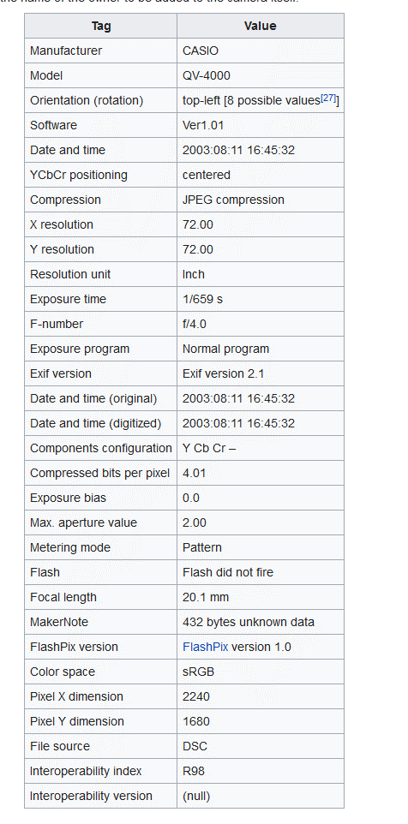
ExifIfd0Directory
https://en.wikipedia.org/wiki/Exif

Tags and values

