2. Product Vision
Front Side | Back Side
SISONKE Invoicing | An Invoicing system that provides an intuitive and user-friendly interface that enables users to create professional invoices quickly, manage client information, and track payments related to tech products. By leveraging modern technology, the system will enhance productivity, reduce manual errors, and ensure timely payments, thereby improving cash flow and customer satisfaction.
 Logo: | • Customer mode - View invoices, make payment, and print invoices related to tech products
 | • Admin Employee mode - Manage all invoicing operations including reading, writing, editing, and removing invoices
 | • General Employee mode - Manage invoicing operations including reading and writing invoices
 | Database containing all information about the invoices:
 | • Customer Information
 | • Due Date
 | • Payment Status
• Simplified process to create and customize professional invoices related to tech products such as laptops, cellphones, monitor, etc. | • Can be used by anyone in the company and customers
• Track invoice statuses and payment histories in real-time. | • Requires employees and customers to be registered
 | • Admin Employees must create more general employee users if there is a need for more staff

4. Stakeholder Diagram
Customers

IT Support Team
Zzimela(Admin)
Characteristics | Goals
• Access to all features and functionalities of the system. | • Efficiently manage invoicing processes
• Ability to add, edit, and delete users. | • Ensure accurate record-keeping and financial transparency
Employees
•Manage the invoicing system and its settings | •Mantain users and permission effectively
Likes | Dislikes
Invoicing System
• Having complete control and oversight over the system. | • Complexity or unnecessary steps in performing administrative tasks.
• It values clear communication with the system | • Limited or reporting capabilities for tracking financial data
• Accessible help whenever needed | •System downtime or instability

Admins
Suppliers
ZackSmith (Customer)
Characteristics | Goals
• Limited access to manage their invoices and payment history. | • Access and review invoices and payment details conveniently.
• View access to relevant information about products purchased. | • Maintain a clear understanding of financial transactions
•Ability to communicate with the business regarding invoice inquiries, disputes, or clarifications. | •Receive invoices promptly
Likes | Dislikes
• Easy-to-use interface for accessing and managing invoices. | • Complicated or confusing invoice presentation or navigation.
• Transparent and accurate billing practices. | • Difficulty in resolving billing disputes or issues
•Quick and efficient payments options | • Lack of clarity or transparency in invoice details or charges.

AaronNdlovu (Employee)
Characteristics | Goals
• Limited access to certain features and functionalities based on assigned roles and permissions. | • Complete assigned tasks accurately and efficiently.
• Ability to create, manage, and send invoices to clients. | • Collaborate with colleagues and supervisors as needed.
• View access to relevant reports and analytics related to their work | •Reduce errors in invoicing
Likes | Dislikes
• User-friendly interface that makes it easy to create and manage invoices. | • Limited flexibility in performing tasks according to individual preferences.
• Clear guidelines and instructions for completing tasks within the system | • Complex systems with long chain of command
• Automation features to reduce manual work | • Lack of clarity or support in understanding system functionalities.

5.1. Use Case Diagram
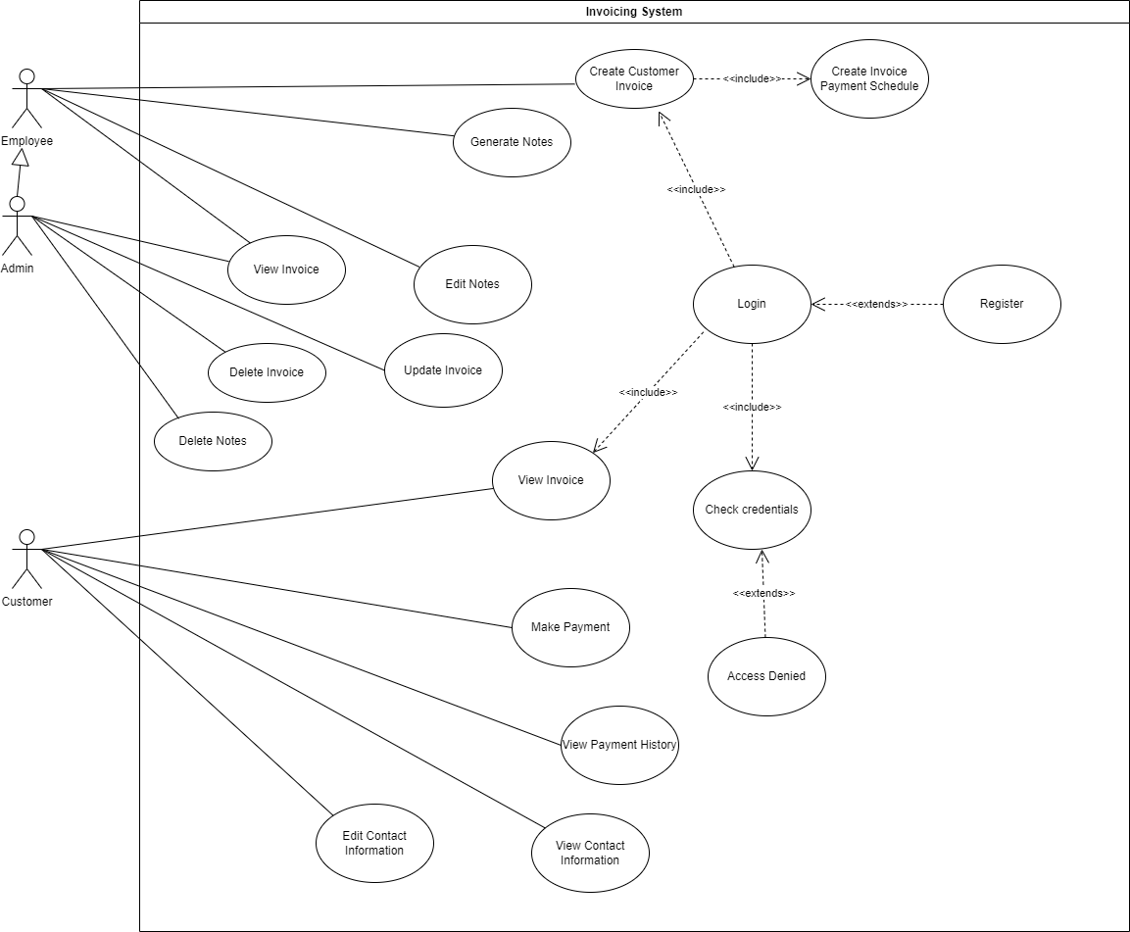

5.2. Process Diagram
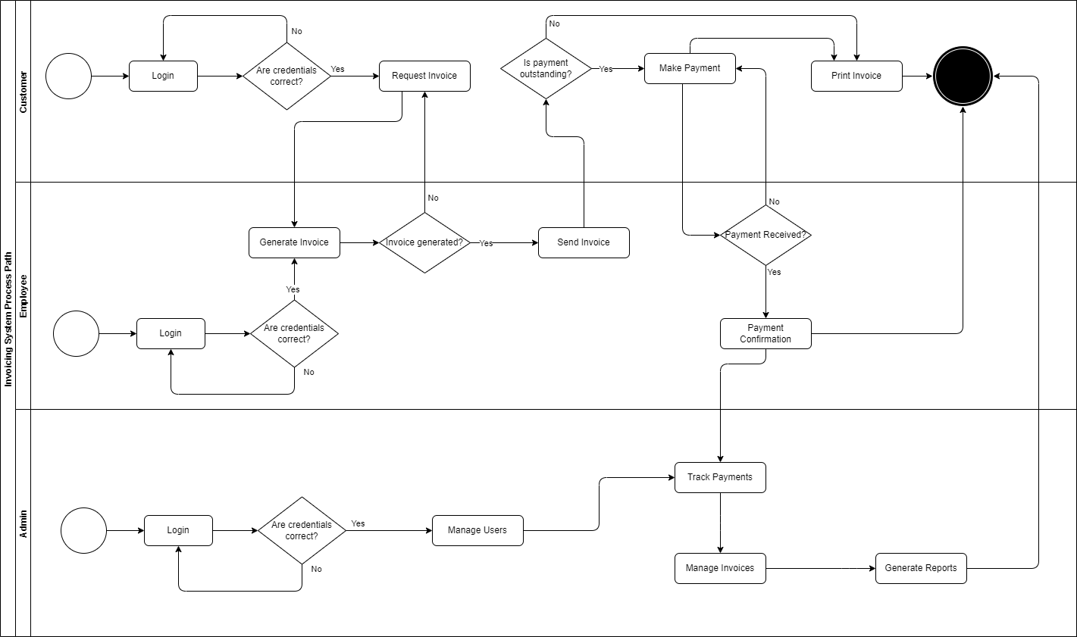

5.3. UI Flow Diagram
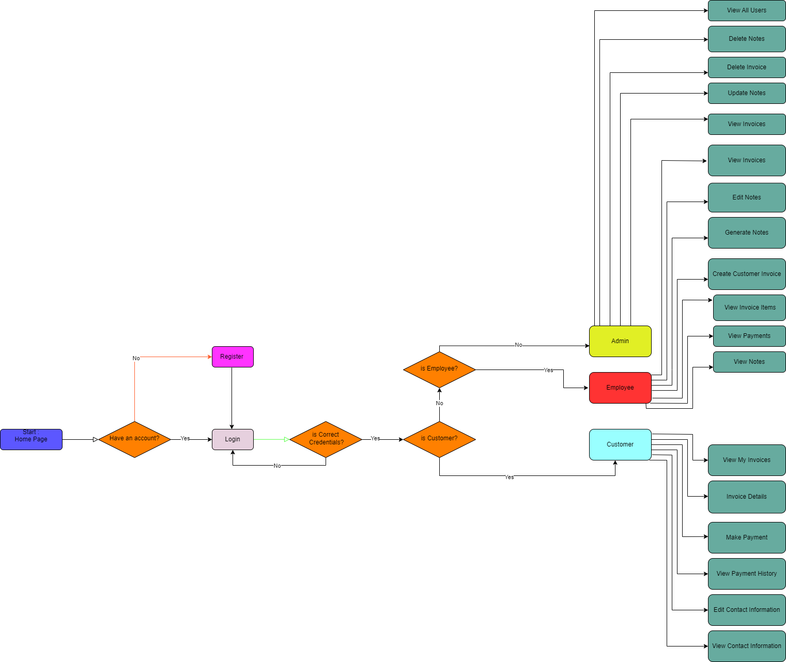

10. Burndown
 | Start | Sprint 1 | Sprint 2 | Sprint 3 | Sprint 4 | Sprint 5 | Sprint 1 |  | Sprint 2 |  | Sprint 3 |  | Sprint 4 |  | Sprint 5
Ideal Velocity | 12 | 12 | 12 | 12 | 12 | 12 | Day | Points remaining | Day | Points remaining | Day | Points remaining | Day | Points remaining | Day | Points remaining
Actual Velocity |  | 14 | 9 | 12 | 9 | 4 | 1 | 12 | 1 | 12 | 1 | 12 | 1 | 12 | 1 | 12
Remaining | 48 | 34 | 25 | 13 | 4 | 0 | 2 | 10 | 2 | 9 | 2 | 9 | 2 | 11 | 2 | 8
Projected | 48 | 36 | 24 | 12 | 0 | 0 | 3 | 8 | 3 | 7 | 3 | 7 | 3 | 6 | 3 | 8
Sprint 1, Sprint 2, Sprint 3, Sprint 4
 | Ideal Velocity | Actual Velocity | Remaining | Projected
Start | 12 |  | 48 | 48
Sprint 1 | 12 | 14 | 34 | 36
Sprint 2 | 12 | 9 | 25 | 24
Sprint 3 | 12 | 12 | 13 | 12
Sprint 4 | 12 | 9 | 4 | 0
 |  |  |  |  |  |  | 4 | 2 | 4 | 4 | 4 | 3 | 4 | 3 | 4 | 8
 |  |  |  |  |  |  | 5 | 0 | 5 | 3 | 5 | 0 | 5 | 3 | 5 | 8

Sprint 2
Sprint 5
Sprint 1
Sprint 3
Sprint 4

11. ERD
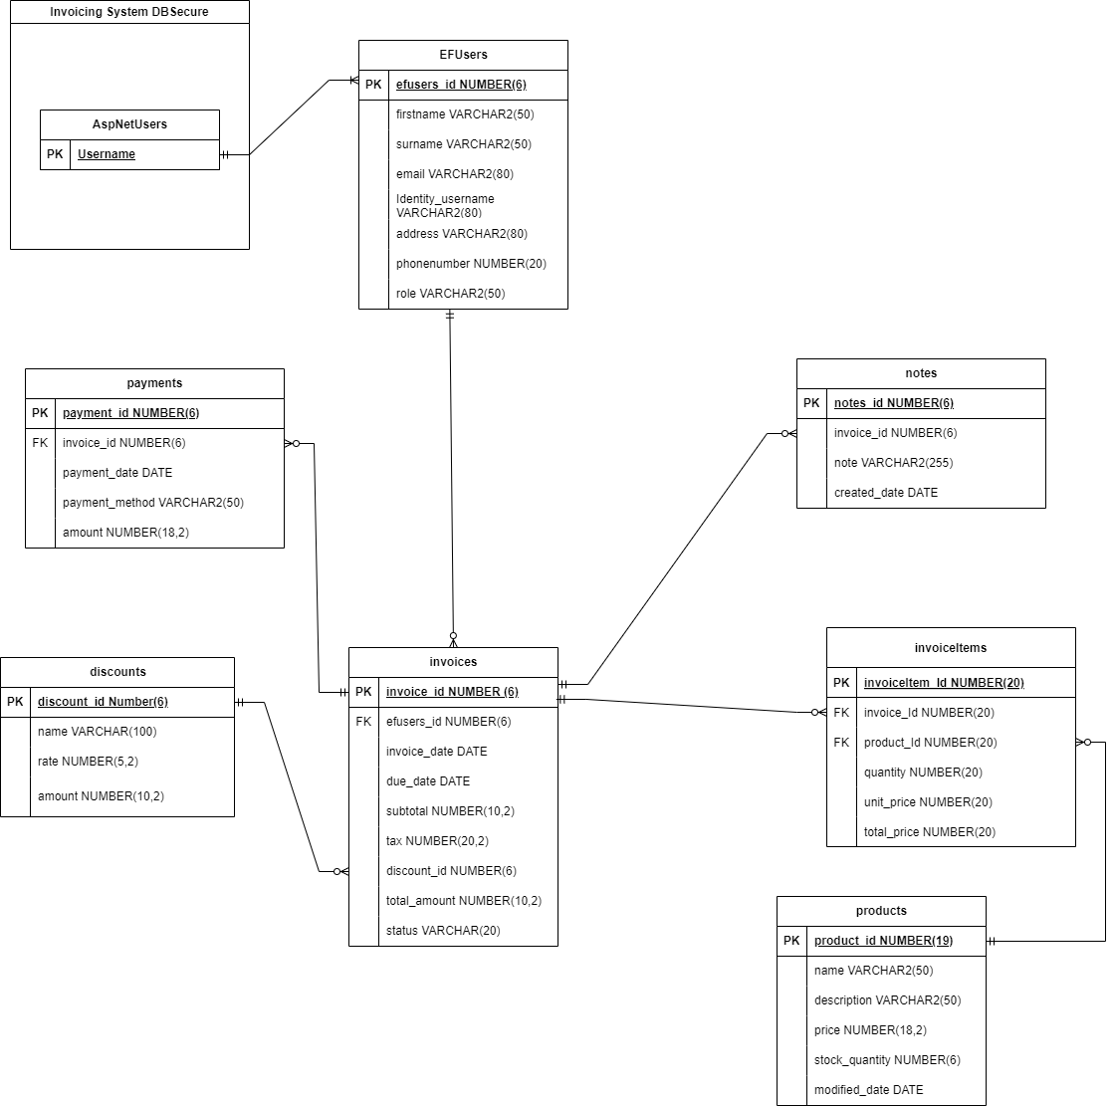

12.1 Generic Wireframes
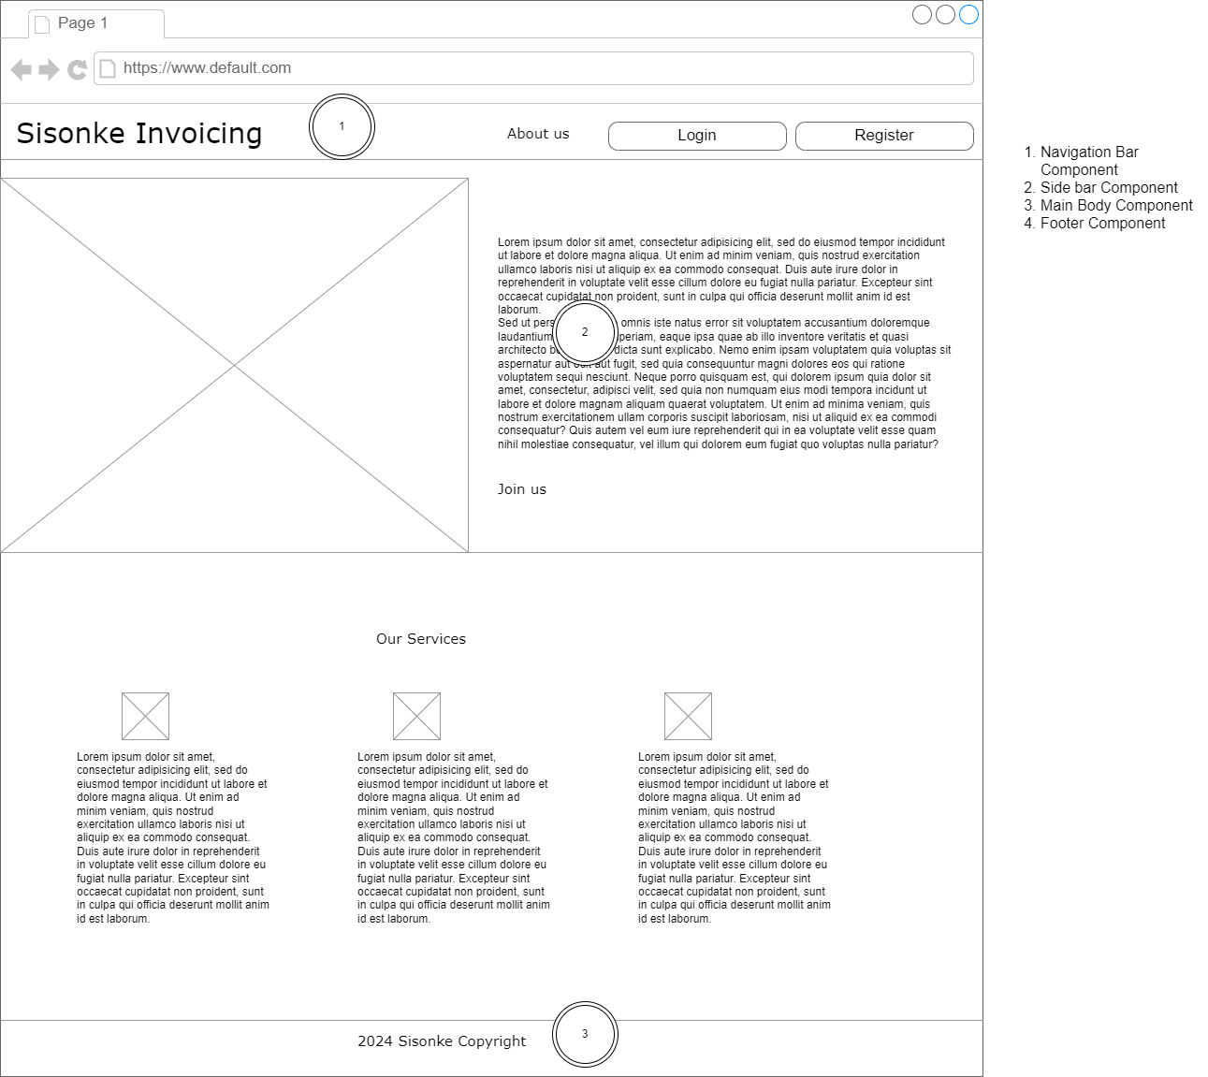

12.2 Generic Wireframes
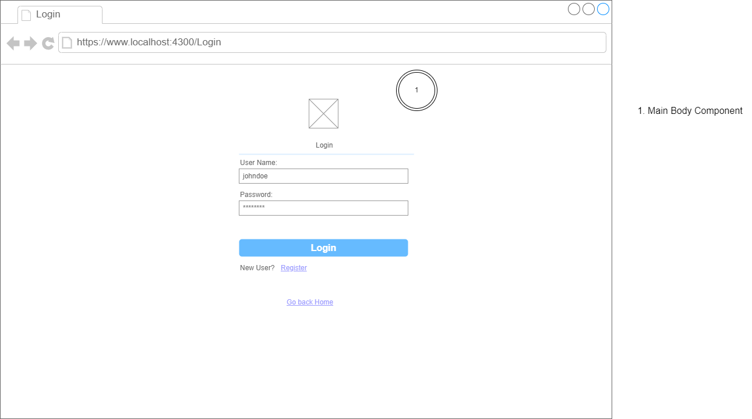

12.3 Generic Wireframes
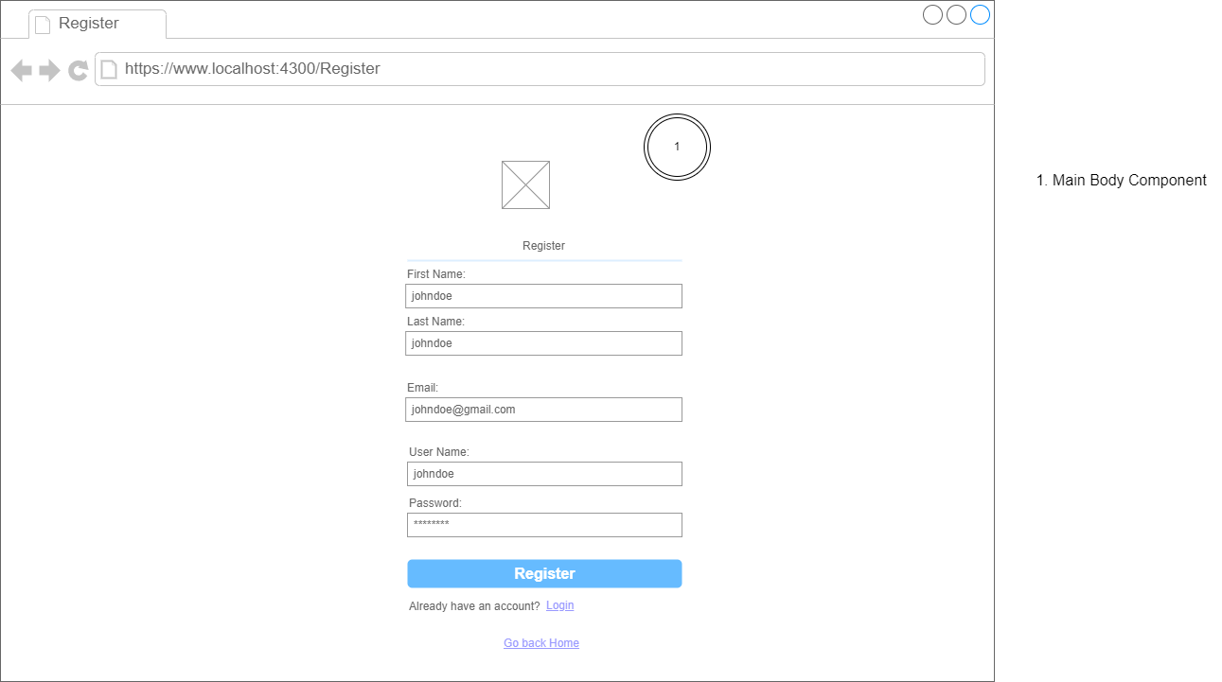

13.1 Admin Home Wireframe
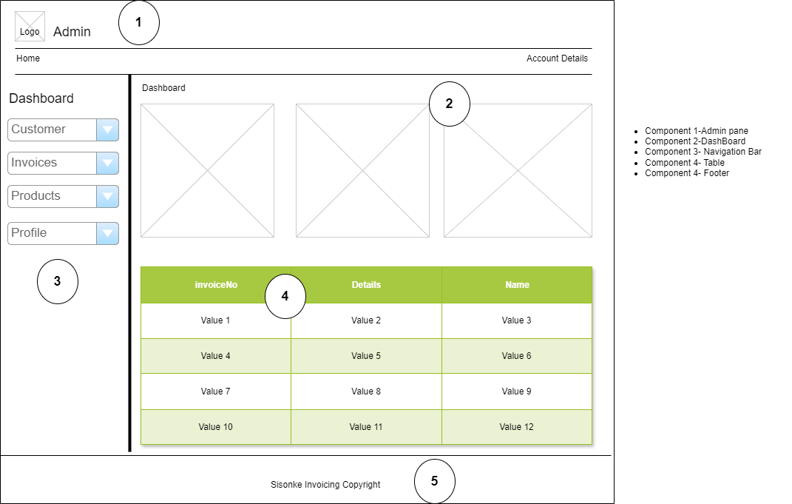

13.2 Admin Customers Wireframe
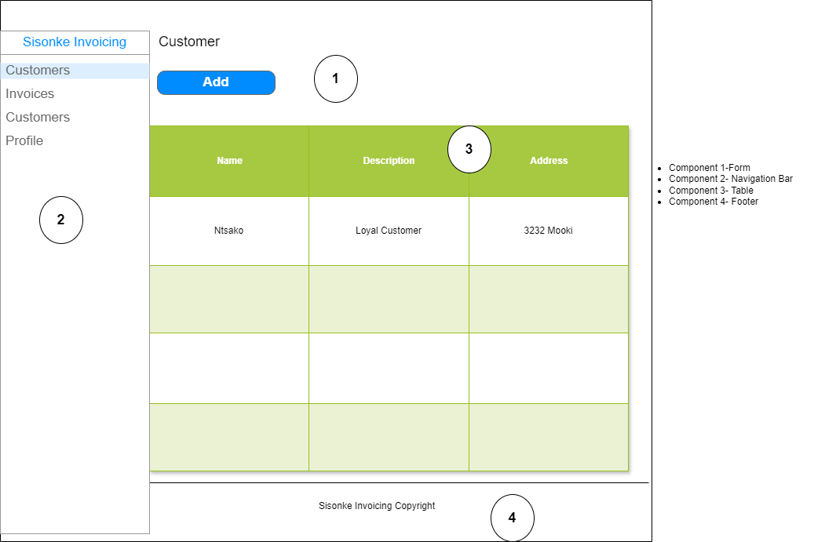

13.3 Admin Invoices Wireframe
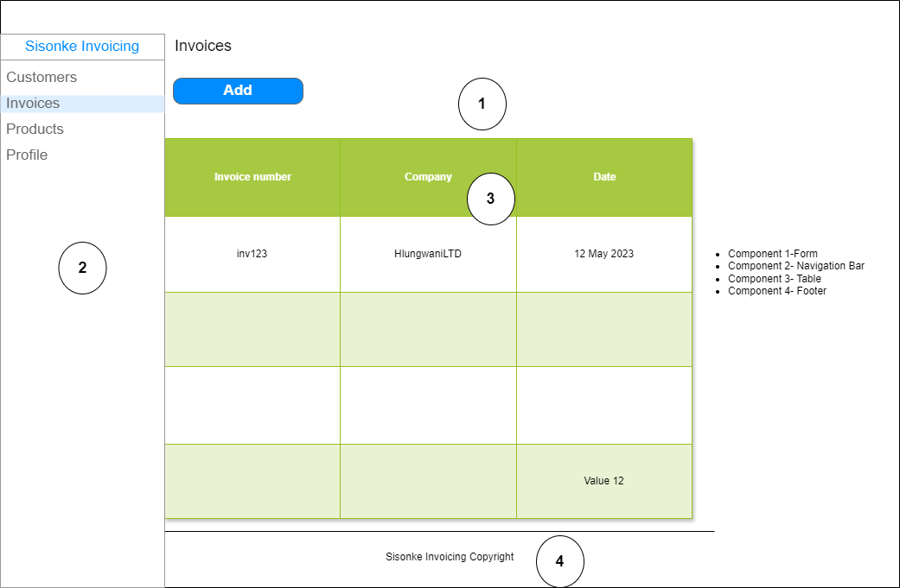

13.4 Admin Products Wireframe
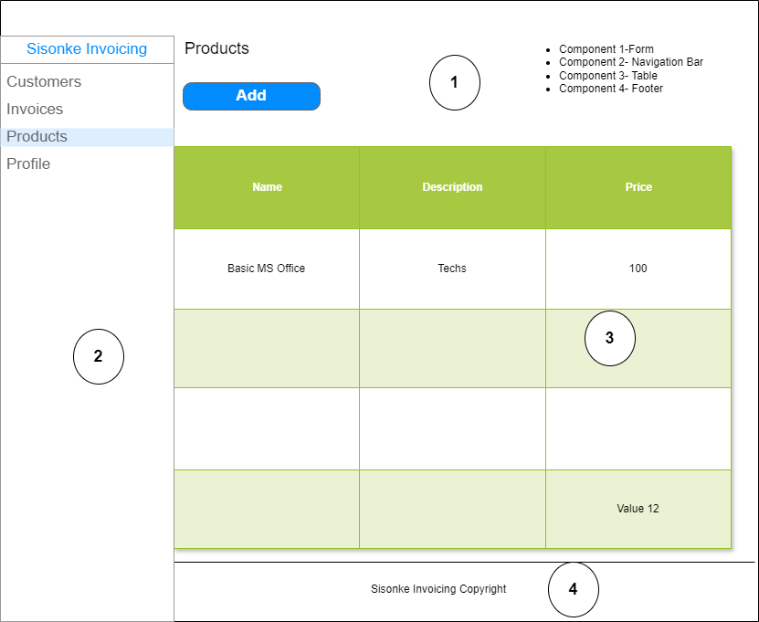

13.5 Admin Profile Wireframe
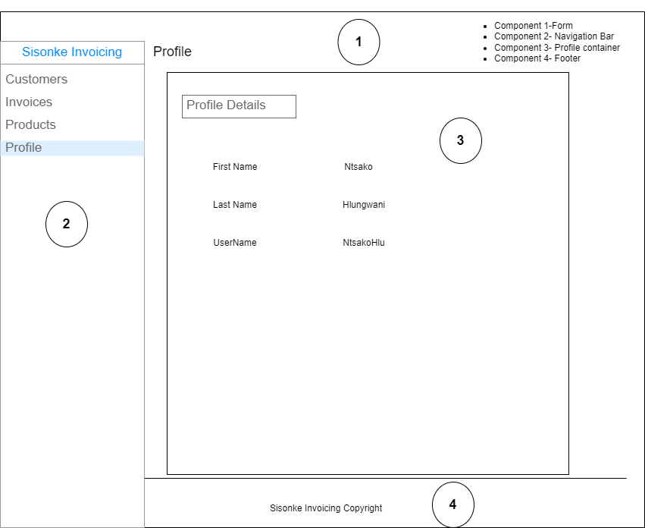

14.1 Employee Home Wireframe
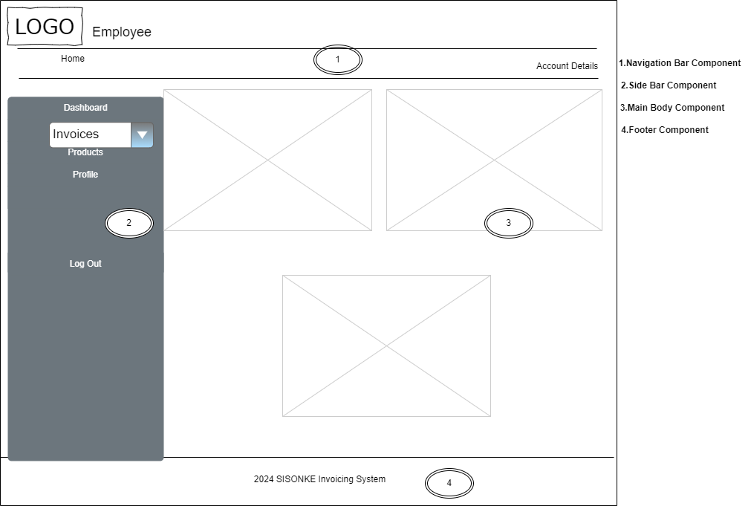

14.2 Employee Invoice Wireframe
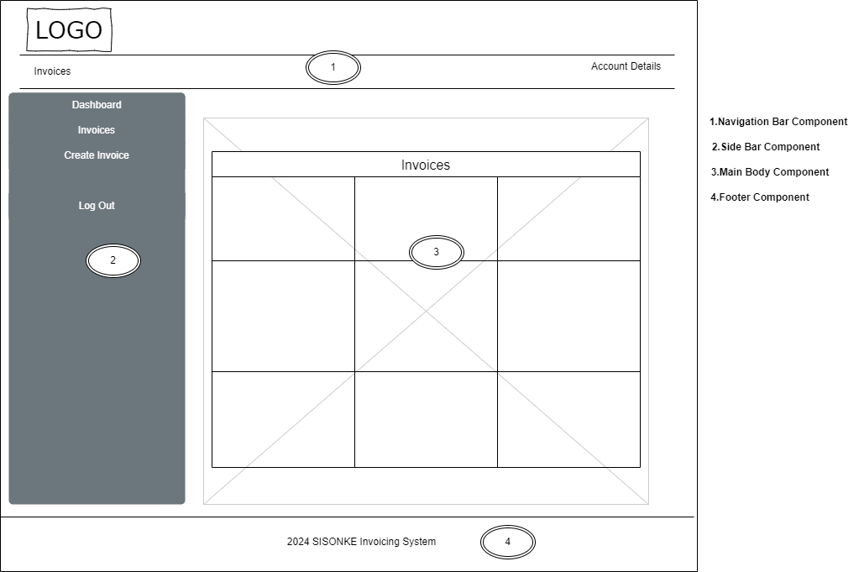

14.3 Employee Product Wireframe
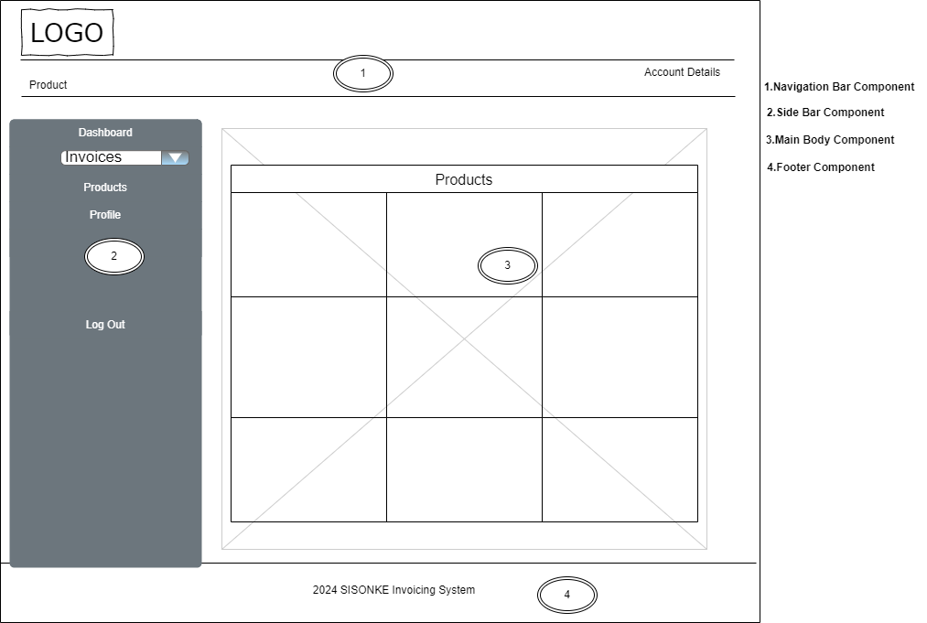

14.4 Employee Profile Wireframe
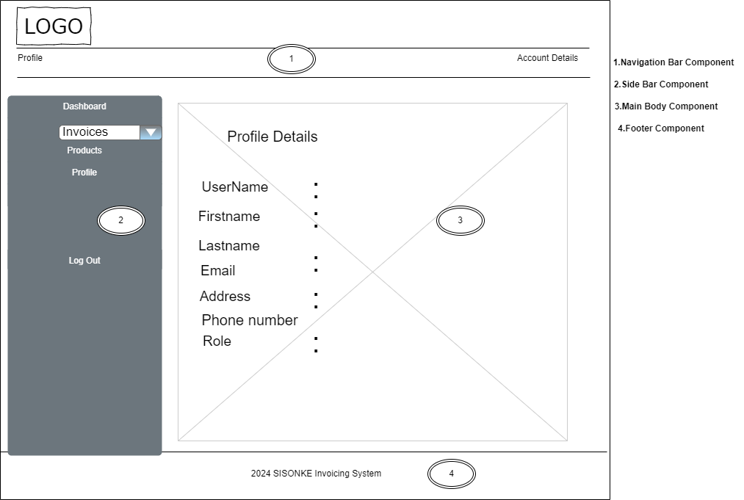

15.1 Customer Home Wireframe
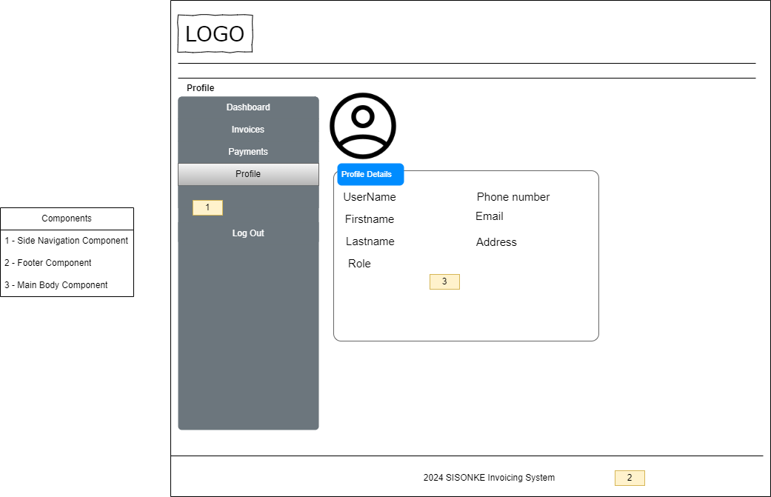

15.2 Customer Invoice Wireframe
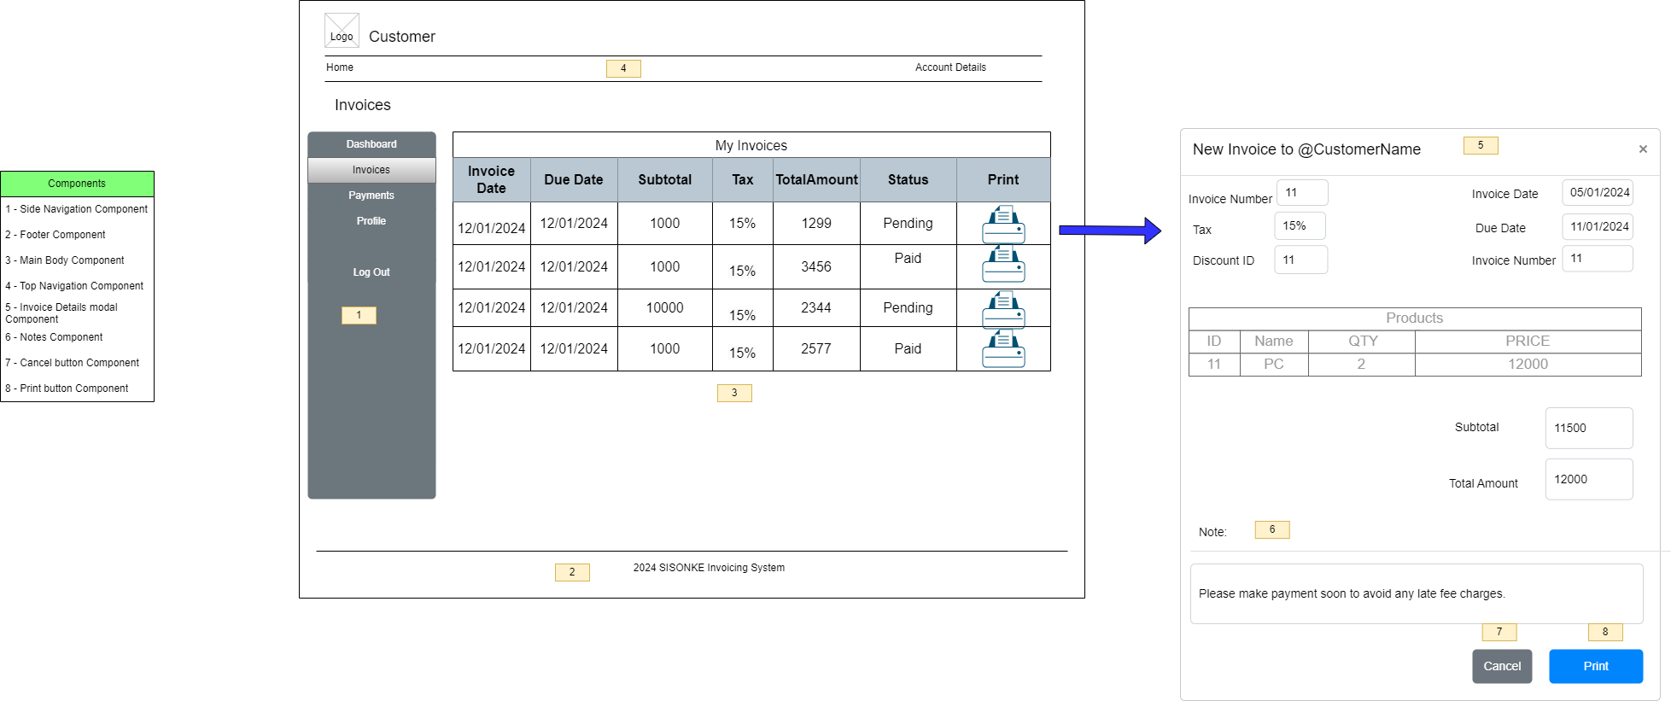

15.3 Customer Profile Wireframe
