Sheet1
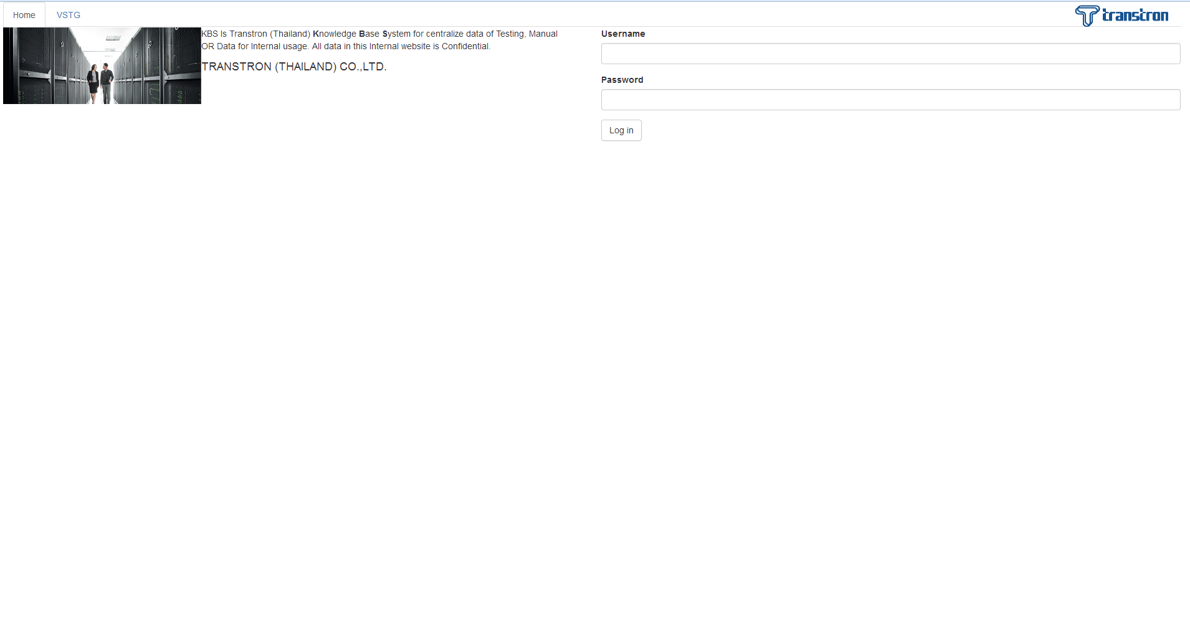

Hello! Mr.Narut What can I do for you?



Change Picture
Change Password
Logout

Transtron (Thailand) Co., Ltd

This Website is KBS (Knowledge Base System) of Transtron (Thailand) Co., Ltd
This KBS Was Established @2017

Change_Pass
Hello! Mr.Narut What can I do for you?



Change Picture
Change Password
Logout

Old Password

New Password

Confirm New Password

Submit

Transtron (Thailand) Co., Ltd

This Website is KBS (Knowledge Base System) of Transtron (Thailand) Co., Ltd
This KBS Was Established @2017

