Prototype
Test Case 1: User Signup Functionality
Test Case ID: TC_001 Test Scenario: User attempts to sign up with valid credentials.
Pre-conditions:
User is on the signup page.
No user is logged in.
Test Steps:
Navigate to the signup page.
Enter a valid email address.
Enter a valid password (at least 8 characters).
Confirm the password.
Click the "Sign Up" button.
Expected Results:
The user should be successfully registered.
The system should redirect to the homepage after successful signup.
A confirmation message should be displayed, such as "Signup successful."
Actual Results: Status: Comments:
Test Case 2: User Login Functionality
Test Case ID: TC_002 Test Scenario: User attempts to log in with valid credentials.
Pre-conditions:
User has already signed up.
User is on the login page.
Test Steps:
Navigate to the login page.
Enter the registered email address.
Enter the correct password.
Click the "Login" button.
Expected Results:
User should be successfully logged in.
The system should redirect to the dashboard or homepage after successful login.
A welcome message should appear, such as "Welcome, [User's Name]."
Actual Results: Status: Comments:
Test Case 3: Waste Pickup Scheduling
Test Case ID: TC_003
Test Scenario: User schedules a garbage pickup.
Pre-conditions:
User is logged in.
User is on the waste pickup scheduling page.
Test Steps:
Select a pickup date and time.
Select the type of waste (e.g., general, recyclable).
Enter the pickup location or allow the system to auto-detect it.
Click "Schedule Pickup."
Expected Results:
The pickup should be scheduled successfully.
A confirmation message should appear, such as "Your pickup has been scheduled."
User should be able to see the scheduled pickup in their dashboard.
Actual Results:
Status:
Comments:
Philip James Olbedencia
Ryu R. Mendoza

Test Case 4: Booking System - Rescheduling
Test Case ID: TC_004 Test Scenario: User reschedules a garbage pickup.
Pre-conditions:
User has already scheduled a pickup.
User is logged in.
Test Steps:
Navigate to the scheduled pickup.
Click "Reschedule."
Select a new date and time.
Confirm the changes.
Expected Results:
The pickup should be rescheduled successfully.
A confirmation message should appear, such as "Your pickup has been rescheduled."
The updated schedule should be reflected in the dashboard.
Actual Results: (To be filled during testing) Status: Comments:
Test Case 5: Collector Dashboard - View Assigned Pickups
Test Case ID: TC_005
Test Scenario: Collector views assigned pickups.
Pre-conditions:
Collector is logged in.
There are pickups assigned to the collector.
Test Steps:
Navigate to the "Assigned Pickups" section of the collector dashboard.
View the list of assigned pickups.
Expected Results:
The system should display the list of assigned pickups with details like location, pickup time, and waste type.
Actual Results: (To be filled during testing)
Status:
Comments:

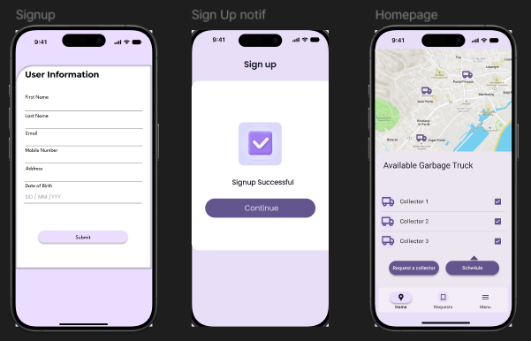
 | Test Case ID | Test Description | Preconditions | Test Steps | Expected Results | Actual Results
 | TC_001 | User attempts to sign up with valid credentials. | User is on the signup page. | Navigate to the signup page. | The user should be successfully registered.
 |  |  | No user is logged in. | Enter a valid email address. | The system should redirect to the login page or homepage after successful signup.
 |  |  |  | Enter a valid password (at least 8 characters). | A confirmation message should be displayed, such as "Signup successful."
 |  |  |  | Confirm the password.
 |  |  |  | Click the "Sign Up" button.

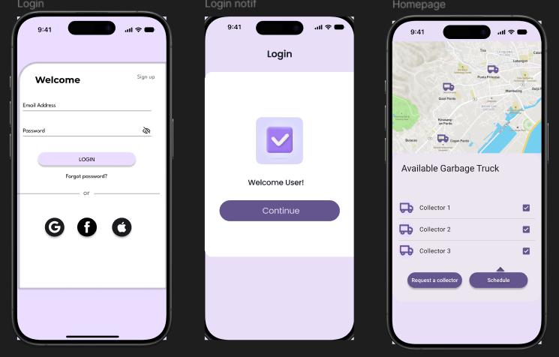
 | TC_002 | User attempts to log in with valid credentials. | User has already signed up. | Navigate to the login page. | User should be successfully logged in.
 |  |  | User is on the login page. | Enter the registered email address. | The system should redirect to the dashboard or homepage after successful login.
 |  |  |  | Enter the correct password. | A welcome message should appear, such as "Welcome, [User's Name]."
 |  |  |  | Click the "Login" button.

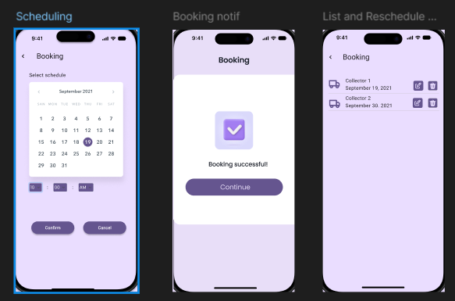
 | TC_003 | User schedules a garbage pickup. | User is logged in. | Select a pickup date and time. | The pickup should be scheduled successfully.
 |  |  | User is on the waste pickup scheduling page. | Allow the system to auto-detect the location | A confirmation message should appear, such as "Booking successful ."
 |  |  |  | Click "Confirm." | User should be able to see the scheduled pickup in their dashboard.

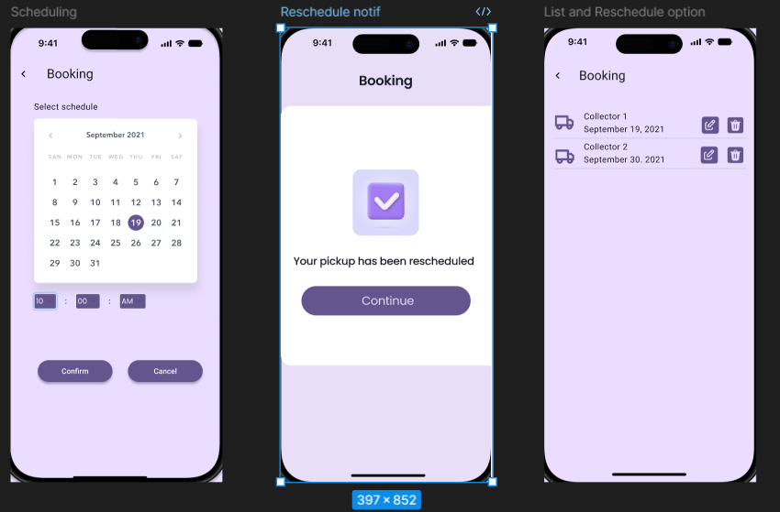
 | TC_004 | User reschedules a garbage pickup. | User has already scheduled a pickup. | Navigate to the scheduled pickup. | The pickup should be rescheduled successfully.
 |  |  | User is logged in. | Click "Reschedule." | A confirmation message should appear, such as "Successful."
 |  |  |  | Select a new date and time. | The updated schedule should be reflected in the dashboard.
 |  |  |  | Confirm the changes.

 | TC_005 | Collector views assigned pickups. | Collector is logged in. | Navigate to the "Assigned Pickups" section of the collector dashboard. | The system should display the list of assigned pickups with details like location, pickup time, and waste type.
 |  |  | There are pickups assigned to the collector. | View the list of assigned pickups.
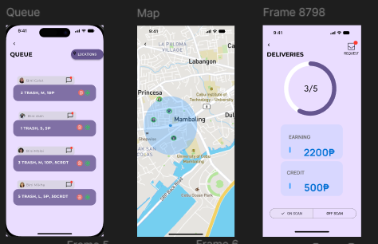

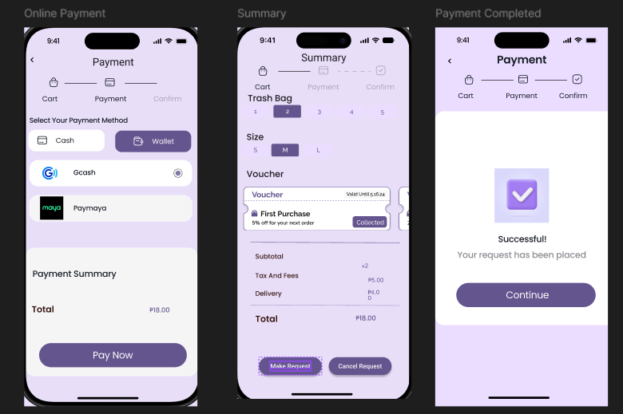
 | TC_006 | User makes a successful payment for a scheduled waste pickup. | User is logged in. | Navigate to the Payment page. | Payment is processed successfully.
 |  |  | A valid waste pickup request exists. | Select the scheduled waste pickup request. | User receives a confirmation message: "Payment successful."
 |  |  | User has a valid payment method (e-wallet, gcash and maya). | Choose a payment method (cash and e-wallet). | Payment receipt is generated and stored in the user’s transaction history.
 |  |  |  | Enter valid payment details.
 |  |  |  | Click Pay Now button.

